ESP
(Duct - External Static Pressure)

I. | FRICTION LOSS FOR DUCTS
 | DUCT DESCRIPTION |  |  | DUCT AIR FLOW | DUCT VELOCITY | DUCT LENGTH | 45º Bend(s) | 90º Bend(s) | 180º OFFSET(s) | DUCT DIAMETER | DUCT HEIGHT | DUCT WIDTH | FRICTION LOSS
 |  |  |  | CFM | FPM | FT | QTY | QTY | QTY | IN | MM | MM | IN H20
 | SUPPLY DUCT
 |  |  |  | 5000 | 1000 |  |  |  |  | 30 | 200 | 2300 | 0.0004

 | RETURN DUCT
 |  |  |  | 5000 | 1000 |  |  |  |  | 30 | 212 | 2200 | 0.0004

 | TOTAL |  |  |  |  |  |  |  |  |  |  |  | 0.0008
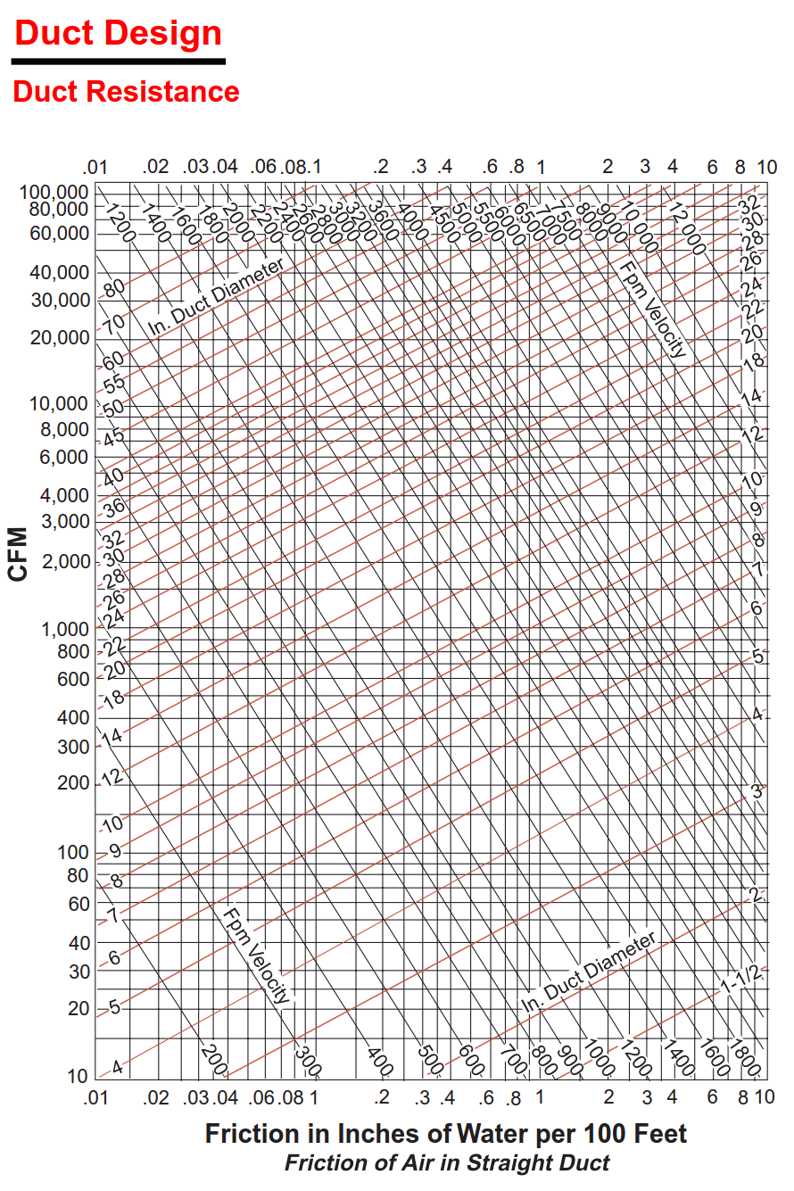
II. | STATIC LOSS FOR DAMPERS, DIFFUSERS, GRILLES, AND LOUVERS
 | DUCT DESCRIPTION |  |  | RATE | QTY | FRICTION LOSS | FRICTION LOSS
 |  |  |  | Pa / Fittings |  | Pa | IN H20
 | SUPPLY
 |  | Back Draft Damper |  | 37.60
 |  | Volume Damper |  | 37.60
 |  | Fire Damper |  | 37.60
 |  | Louvers |  | 37.60
 |  | Diffusers |  | 30.00
 | RETURN
 |  | Back Draft Damper |  | 37.60
 |  | Volume Damper |  | 37.60
 |  | Fire Damper |  | 37.60
 |  | Grille |  | 25.00
 | TOTAL |  |  |  |  |  | -

III. | SUMMARY
 | DUCT DESCRIPTION |  |  | FRICTION LOSS | FRICTION LOSS
 |  |  |  | Pa | in H20
 | GROSS EXTERNAL STATIC |  |  | 0.206 | 0.001
 | SAFETY FACTOR |  | 5% | 0.010 | 0.000
 | TOTAL EXTERNAL STATIC |  |  | 0.217 | 0.001

