Sheet1
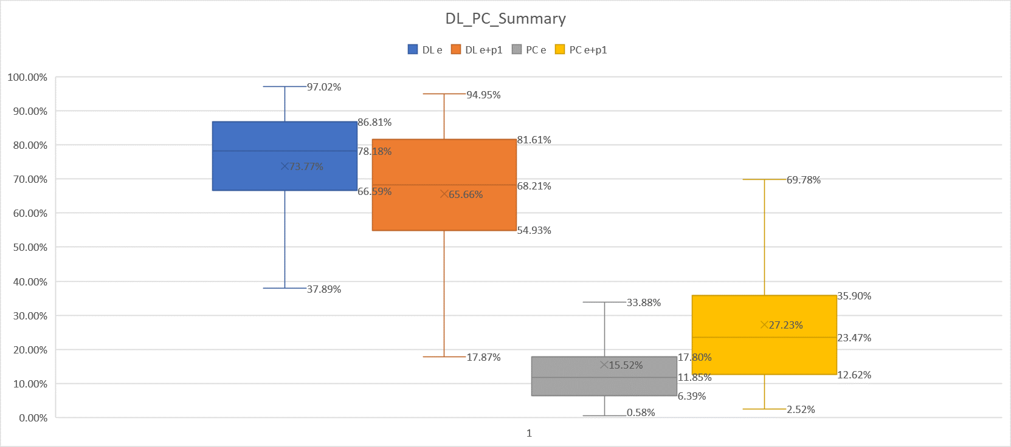
 |  | DL |  | PC
Statistic | De | De+Dp1 | De | De+Dp1
Min | 37.89% | 17.87% | 0.58% | 2.52%
25PT | 66.59% | 54.93% | 6.39% | 12.62%
50PT | 78.18% | 68.21% | 11.85% | 23.47%
75PT | 86.81% | 81.61% | 17.80% | 35.90%
Max | 97.02% | 94.95% | 33.88% | 69.78%
Mean | 73.77% | 65.66% | 15.52% | 27.23%

