DASHI
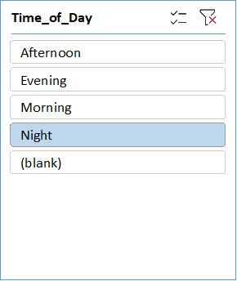
TRAFFIC ACCIDENT PREDICTION

Total Accidents
 | Total
Clear | 28
Foggy | 6
Rainy | 17
Snowy | 7
Stormy | 5
(blank) | 4
Total Accidents
 | Total
Bus | 2
Car | 45
Motorcycle | 7
Truck | 12
(blank) | 1
DATA
 | Sum of Accident | Sum of Traffic_Density
Evening | 67 | 214

Total Accidents
 | Total
City Road | 19
Highway | 27
Mountain Road | 4
Rural Road | 13
(blank) | 4
Total Accidents
 | Total
Dry | 33
Icy | 16
Under Construction | 4
Wet | 9
(blank) | 5

