test_proj
Player | Position | Team | Opponent | AvgIfWin | AvgIfLoss | Salary | Value
Cryin | Middle | eStar | JD Gaming | 47.28 | 13.39 | 8000 | 5.91
Wink | ADC | eStar | JD Gaming | 44.32 | 12.50 | 8200 | 5.40 | 2.25 | Dominus | Bilibili | 1.57
Wei | Jungle | eStar | JD Gaming | 41.61 | 14.02 | 7400 | 5.62 | 1.61 | eStar | JD Gaming | 2.20
Asura | ADC | LNG Esports | Funplus Phoenix | 37.67 | 18.93 | 6600 | 5.71 | 7.00 | LNG | Funplus | 1.10
Doinb | Middle | Funplus Phoenix | LNG Esports | 35.96 | 21.31 | 7800 | 4.61
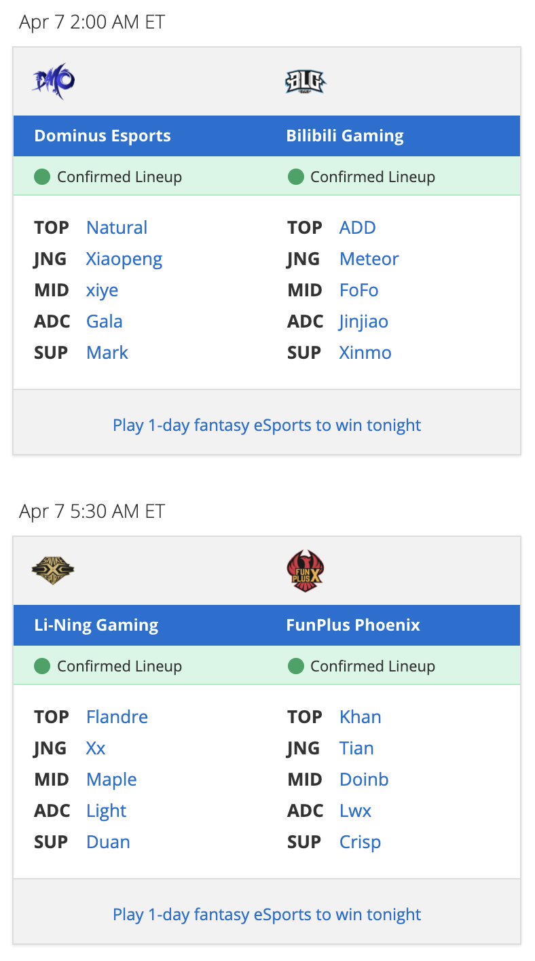
Kanavi | Jungle | JD Gaming | eStar | 35.70 | 21.18 | 6800 | 5.25
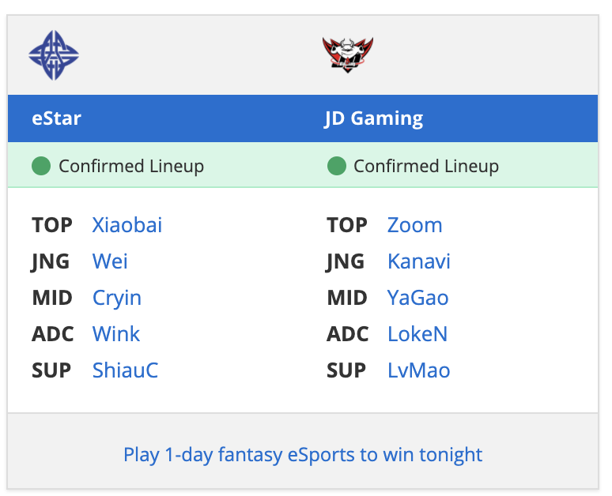
Maple | Middle | LNG Esports | Funplus Phoenix | 35.44 | 17.90 | 6400 | 5.54
ShiauC | Support | eStar | JD Gaming | 35.43 | 6.28 | 5600 | 6.33
Xiaowei | Middle | Dominus Esports | Bilibili Gaming | 35.29 | 14.20 | 6800 | 5.19
Lwx | ADC | Funplus Phoenix | LNG Esports | 34.87 | 21.18 | 8000 | 4.36
xiye | Middle | Dominus Esports | Bilibili Gaming | 34.66 | 13.76 | 7000 | 4.95
Flandre | Top | LNG Esports | Funplus Phoenix | 34.03 | 13.90 | 5200 | 6.54
Xx | Jungle | LNG Esports | Funplus Phoenix | 33.40 | 17.83 | 5800 | 5.76
LokeN | ADC | JD Gaming | eStar | 32.99 | 19.33 | 7200 | 4.58
Tian | Jungle | Funplus Phoenix | LNG Esports | 32.63 | 20.45 | 7200 | 4.53
Xiaopeng | Jungle | Dominus Esports | Bilibili Gaming | 32.27 | 12.02 | 6200 | 5.20
Duan | Support | LNG Esports | Funplus Phoenix | 31.34 | 11.06 | 4000 | 7.83
Xiaobai | Top | eStar | JD Gaming | 30.81 | 11.50 | 6600 | 4.67
Yagao | Middle | JD Gaming | eStar | 30.62 | 21.25 | 6800 | 4.50
Khan | Top | Funplus Phoenix | LNG Esports | 29.56 | 14.52 | 6800 | 4.35
Zoom | Top | JD Gaming | eStar | 29.29 | 17.05 | 5400 | 5.42
GALA | ADC | Dominus Esports | Bilibili Gaming | 29.20 | 11.54 | 7000 | 4.17
GimGoon | Top | Funplus Phoenix | LNG Esports | 29.18 | 13.58 | 6600 | 4.42
Meteor | Jungle | Bilibili Gaming | Dominus Esports | 29.06 | 14.98 | 6600 | 4.40
FoFo | Middle | Bilibili Gaming | Dominus Esports | 28.69 | 17.58 | 7400 | 3.88
Natural | Top | Dominus Esports | Bilibili Gaming | 27.59 | 10.10 | 6000 | 4.60
LvMao | Support | JD Gaming | eStar | 27.57 | 13.31 | 4800 | 5.74
705 | Top | JD Gaming | eStar | 26.67 | 14.40 | 5600 | 4.76
Crisp | Support | Funplus Phoenix | LNG Esports | 26.58 | 13.13 | 5800 | 4.58
jinjiao | ADC | Bilibili Gaming | Dominus Esports | 25.26 | 15.65 | 7600 | 3.32
Mark | Support | Dominus Esports | Bilibili Gaming | 25.17 | 6.66 | 4400 | 5.72
ADD | Top | Bilibili Gaming | Dominus Esports | 24.99 | 11.44 | 6200 | 4.03
Kingen | Top | Bilibili Gaming | Dominus Esports | 23.78 | 15.04 | 6000 | 3.96
XinMo | Support | Bilibili Gaming | Dominus Esports | 21.64 | 10.28 | 5000 | 4.33

