Sheet1
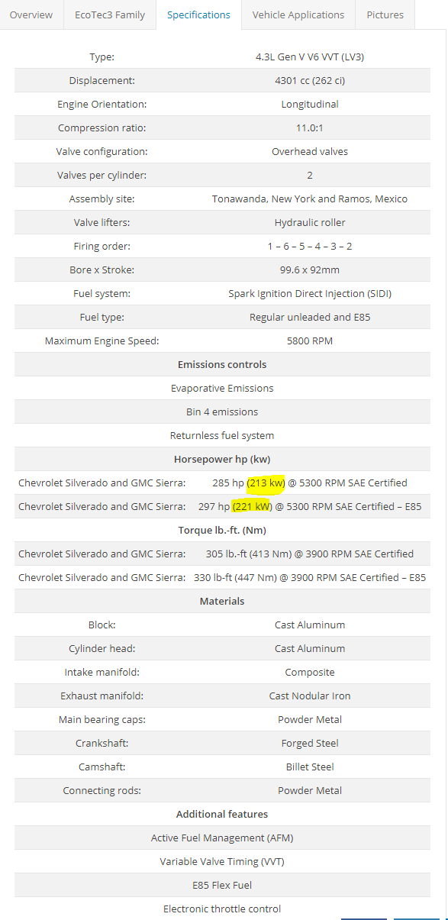
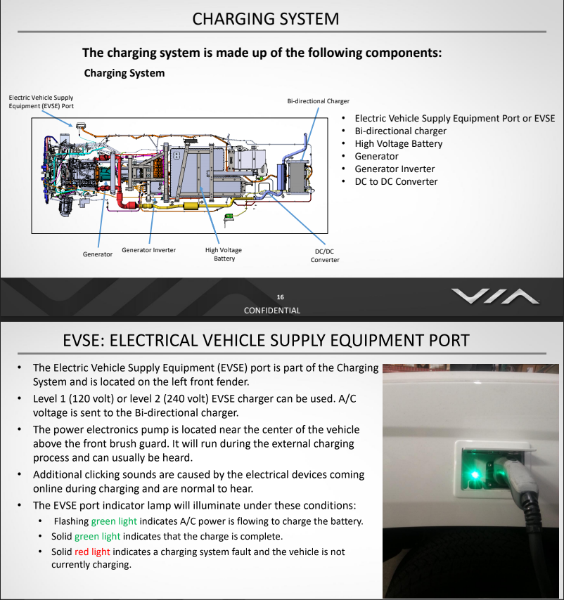
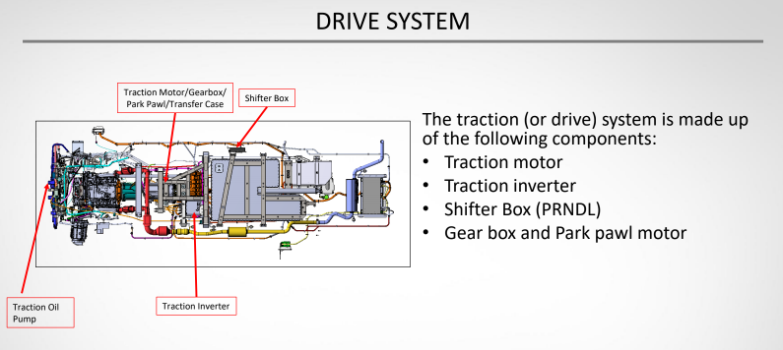
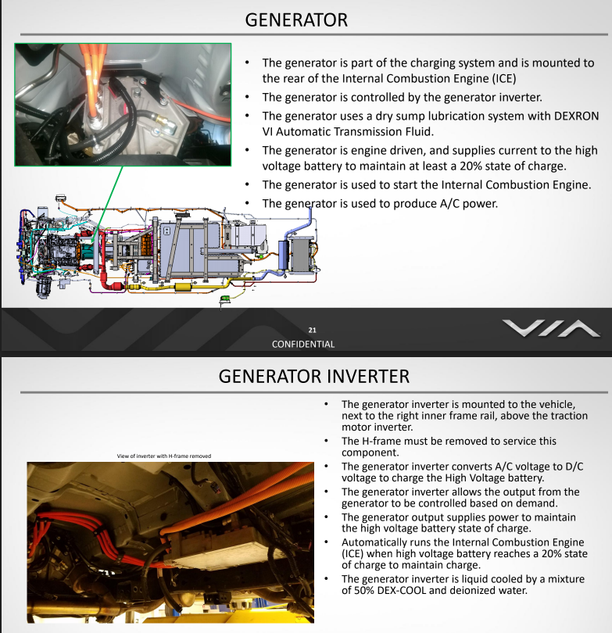
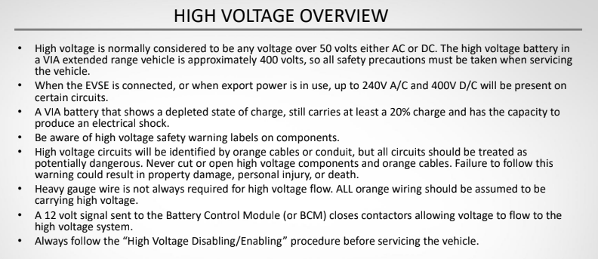
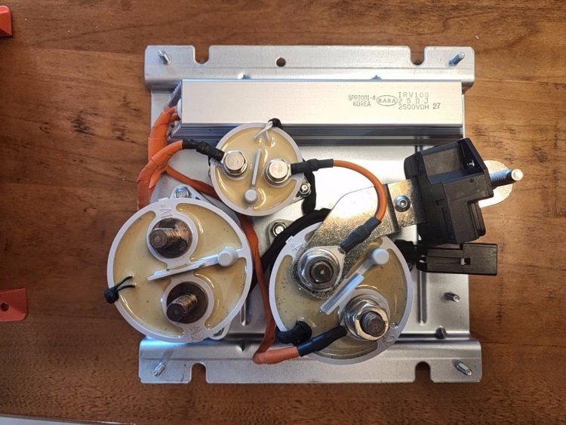
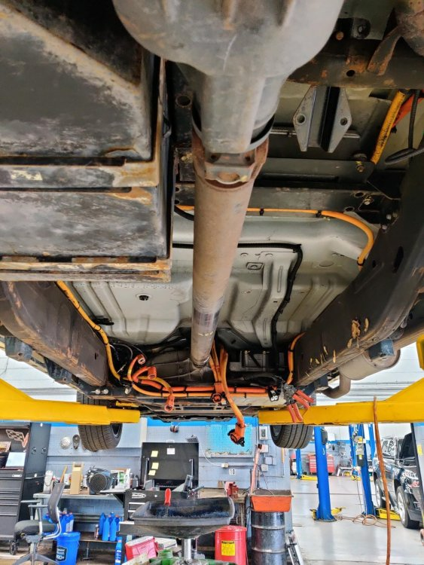
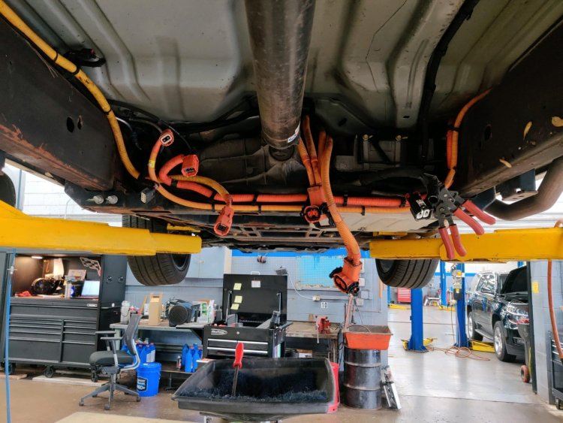
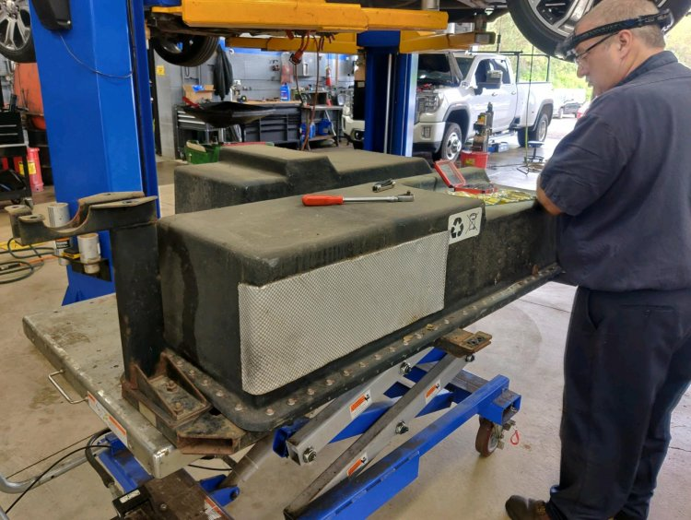
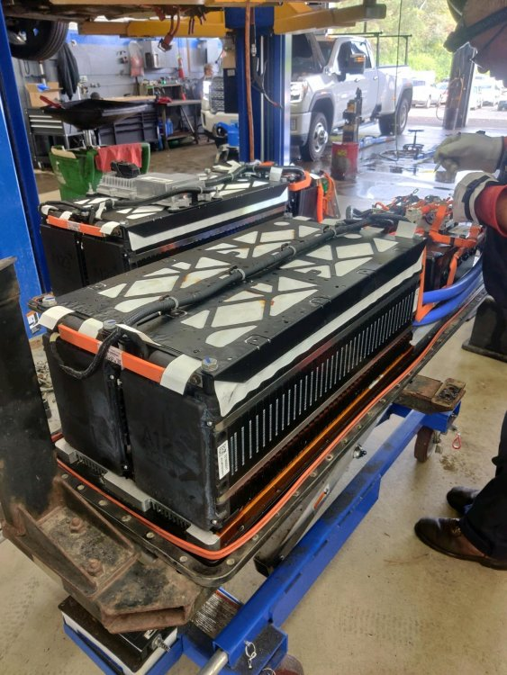
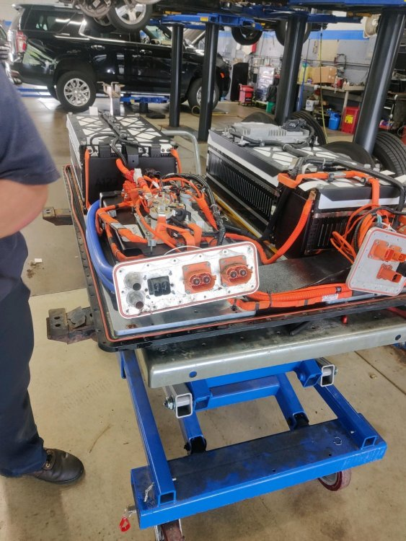
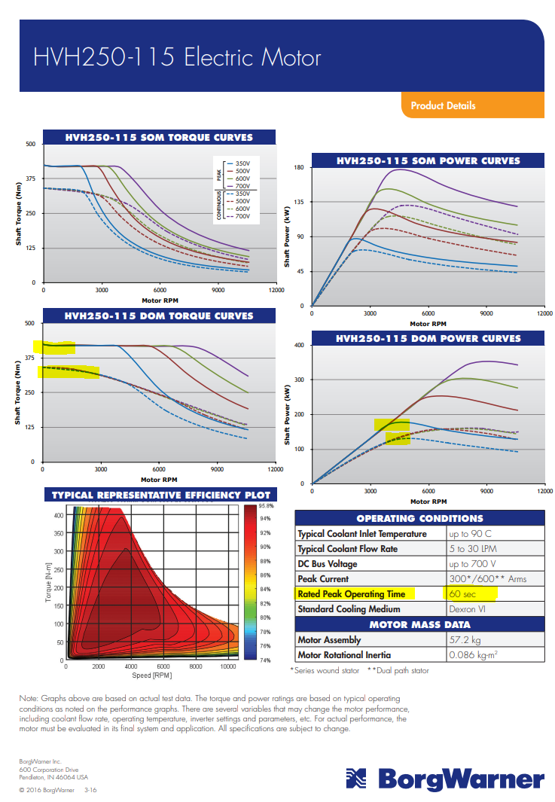
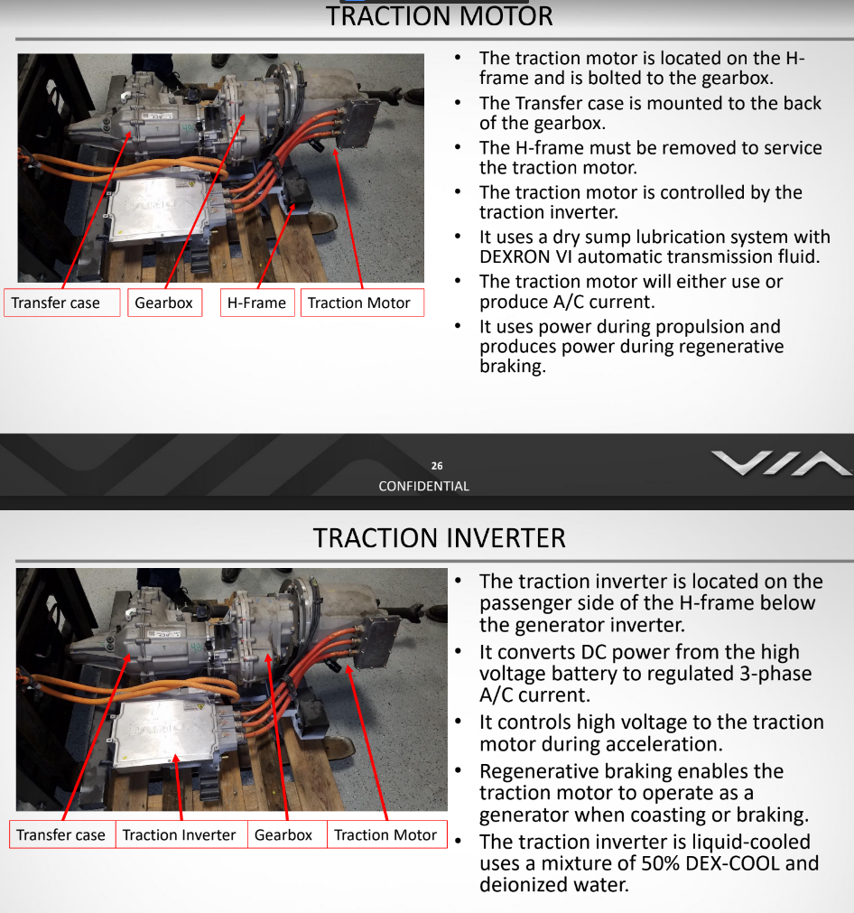
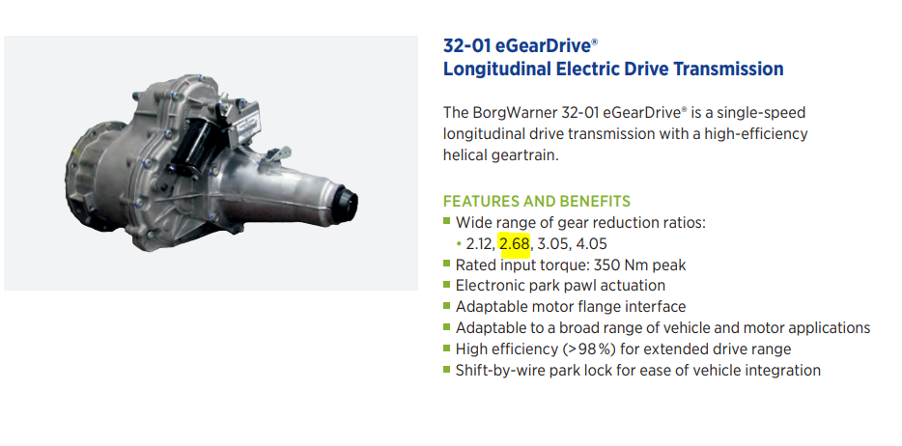
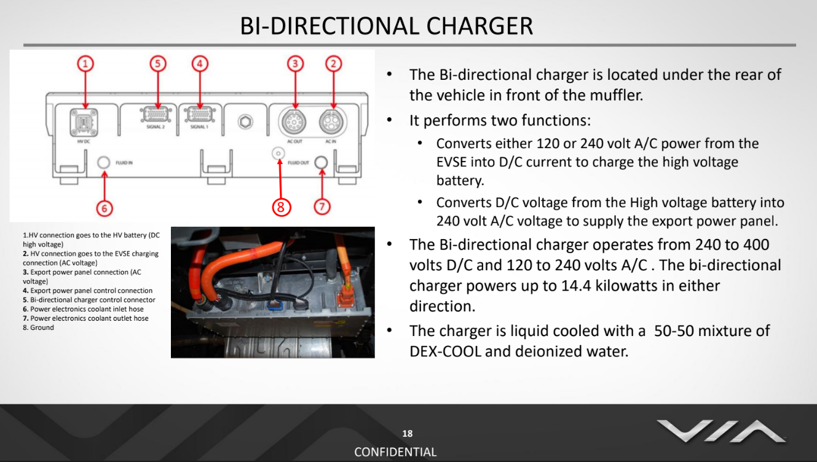
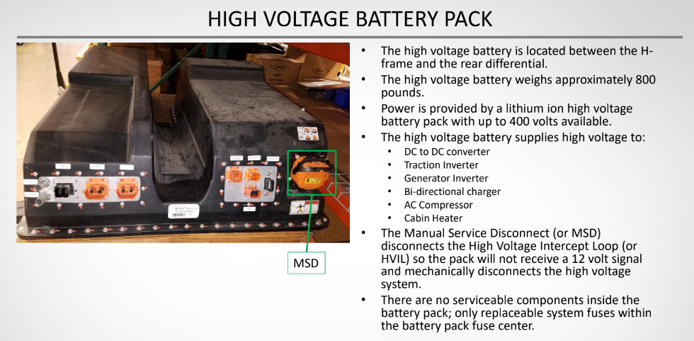
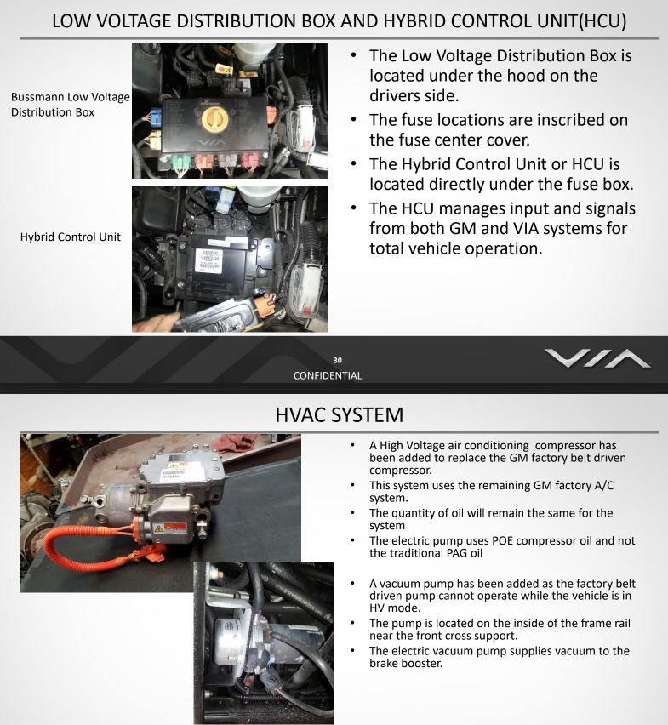
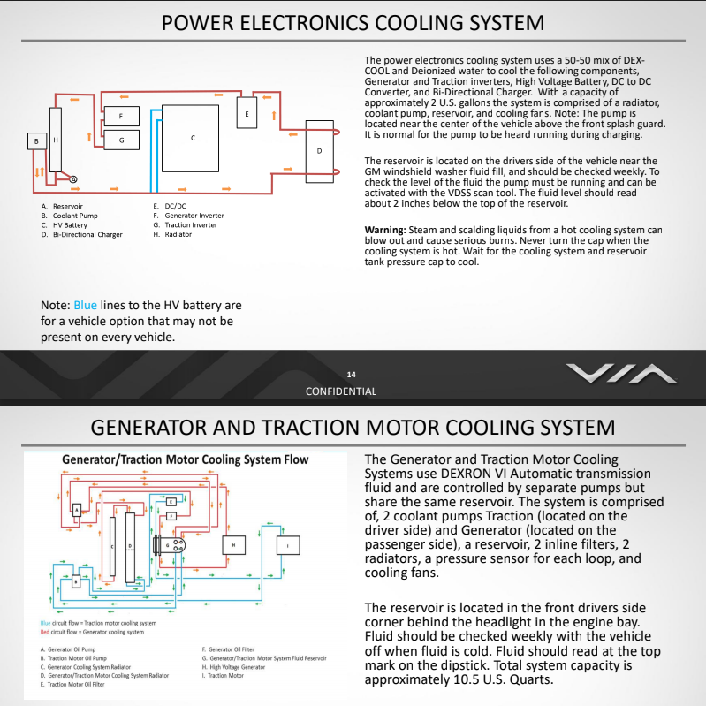
Truck Guides - | https://drive.google.com/file/d/1f0JZQ_SX--jjNEjlfk3fDXOpPc0-6ZDh/view?usp=sharing |  |  | https://drive.google.com/file/d/1kgD5umnJxUc09o4wQN49l1WVhCjzqGlq/view?usp=sharing |  |  | Charge System Inspection https://drive.google.com/file/d/1SJoqVATdWNdH5Y4s6R3s74OphsVfvTjO/view?usp=sharing | Battery Removal Procedure https://docs.google.com/presentation/d/1jFIpDlruvqxUnaoNUYVu9yQQCY10LAIo/edit?usp=sharing&ouid=104108219230571793016&rtpof=true&sd=true
Drive System | Brand and Model | Continous Capacity | Peak Capacity | Notes | Links | Pics
Traction Motor | BorgWarner Remy HVH250-115D | 125KW 300nm | 180KW @400V, 60sec 405nm @400V, 60sec |  | https://wiki.neweagle.net/images/archive/a/a6/20140501174637!HVH250_MotorManual20110408.pdf https://cdn.borgwarner.com/docs/default-source/default-document-library/remy-pds---hvh410-150-sheet-euro-pr-3-16.pdf?sfvrsn=a642cd3c_11
Traction Inverter | DANA TM4 CO150 |  | 150KW @ 450 Vdc, 30 seconds, 65°C, Nominal 90KW | Features Operating voltage: 320-750 Vdc Max output current: 575 Arms ReflexTM gate driver technology Benefits High power & current densities Multiple terminal options Compatible with third party PM motors Compatible with brushless resolvers (Tamagawa, LTN, and others) | https://www.danatm4.com/wp-content/uploads/2013/12/TM4-CO150_Dana-TM4-1.pdf https://www.danatm4.com/products/inverters/co150-traction-inverter/
Shifter Box
Gear Box | 32-01 eGearDrive |  | 350nM | gear box is a single speed, 2.68 to 1 gear and uses 1.4 liters of DEXRON VI automatic The gear box uses a 12 volt E Park module (or park pawl motor) to engage and disengage the park pawl inside the gear box. | https://cdn.borgwarner.com/docs/default-source/default-document-library/electric-vehicle-technologies-brochure.pdf?sfvrsn=d87c823c_14 http://media3.ev-tv.me/borgwarneredrive.pdf
Park Pawl Motor
Low Voltage Distribution Box
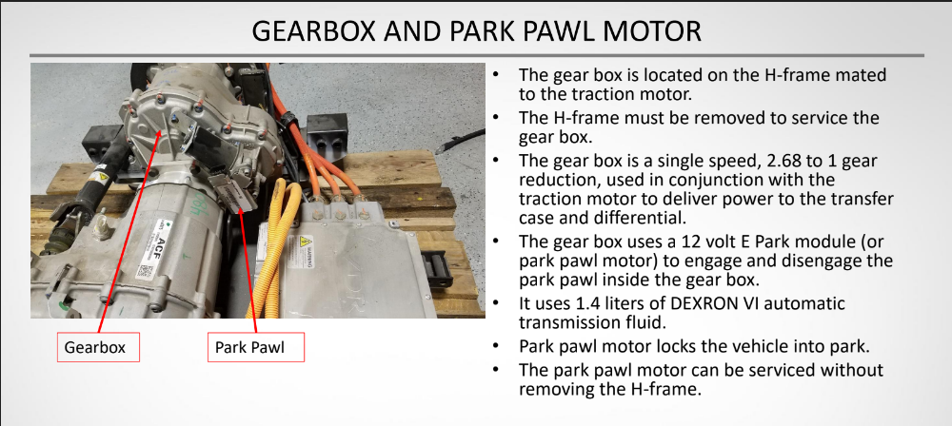
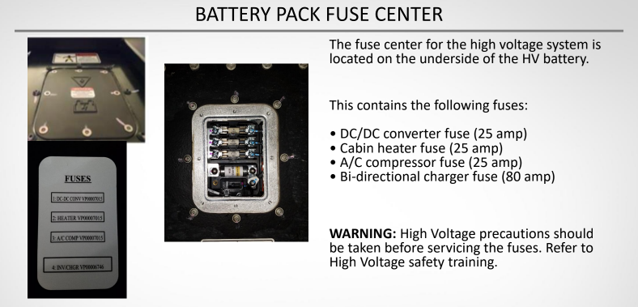
Hybrid Control Unit or HCU | NewEagle ECM-5554-112-0904-F-M |  |  | https://www.woodward.com/-/media/publication-assets/technical-manual/2019/4/18/18/42/36350.pdf | https://store.neweagle.net/product/5554-112-0904-flash-engine-control-module/ http://mcs.woodward.com/support/wiki/index.php?title=PCM09

Charging/ Battery
High Voltage Battery Pack | 24Kwh A123 400V Battery | 400V | 417V | There are 5 modules in the HVB, 4 are 5.3kw and 1 is 2.6kw, https://photos.app.goo.gl/Ux1W97VrkU4UT1wb8 | Possibly - https://www.thunderstruck-ev.com/used-a123-pouch-modules.html
DC/DC convertor |  |  |  |  | https://photos.app.goo.gl/Ux1W97VrkU4UT1wb8 - Pictures of battery
BMS | A123
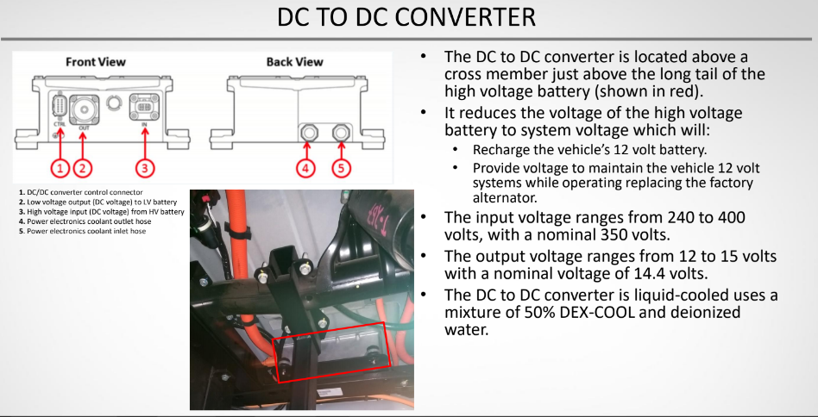
Generator Invertor | DANA TM4 CO150 |  |  |  | https://www.danatm4.com/wp-content/uploads/2013/12/TM4-CO150_Dana-TM4-1.pdf https://www.danatm4.com/products/inverters/co150-traction-inverter/
Bi-Directional Charger |  |  |  | https://www.belfuse.com/product/part-details?partn=350INVCH150-120-240-8G | https://www.belfuse.com/resources/datasheets/powersolutions/ds-bps-350invch150-120-240-xg-series.pdf
EVSE Port

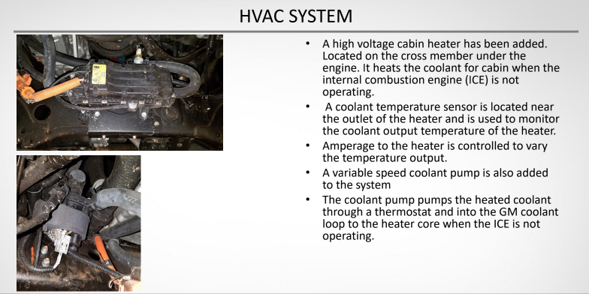
Extended Range System
Engine | 4.3L Gen V V6 VVT (LV3)
Generator Motor | BorgWarner Remy HVH250-115D |  |  |  | https://wiki.neweagle.net/images/archive/a/a6/20140501174637!HVH250_MotorManual20110408.pdf
 |  |  |  |  | https://www.google.com/url?sa=i&url=https%3A%2F%2Fwww.diyelectriccar.com%2Fattachments%2Fremy_hybrid_application_manual_rev_2-trb-9-25-2013-pdf.59026%2F&psig=AOvVaw3zCJBBoQUQIwpAZghZ-Lhf&ust=1605839277711000&source=images&cd=vfe&ved=2ahUKEwi7gv7Ox43tAhUhA1kFHfjkDGYQjhx6BAgAEBI

