AW
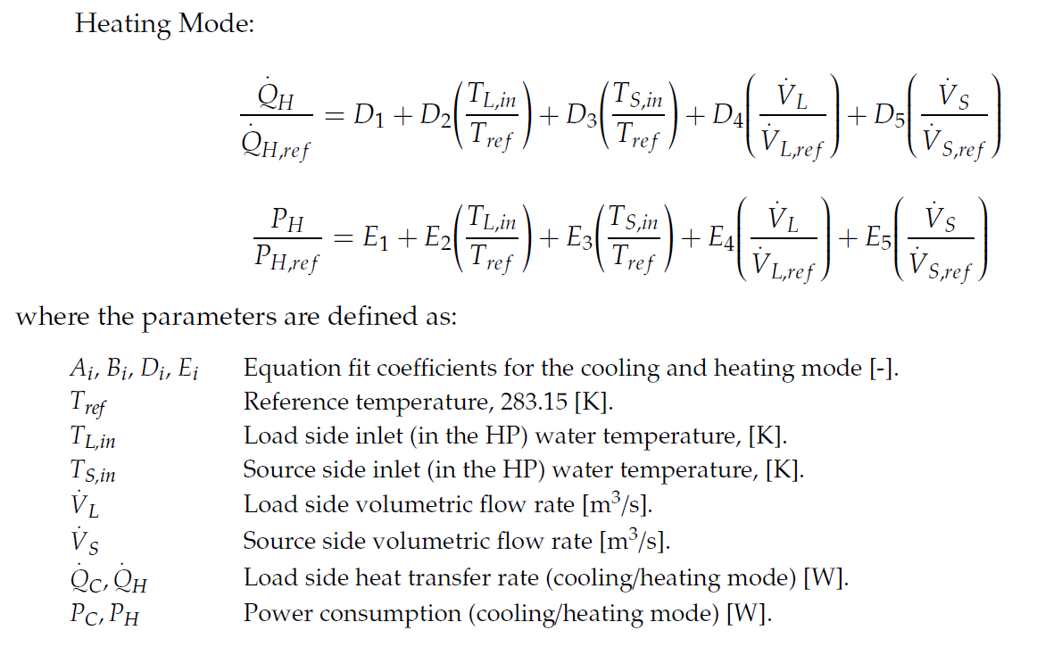
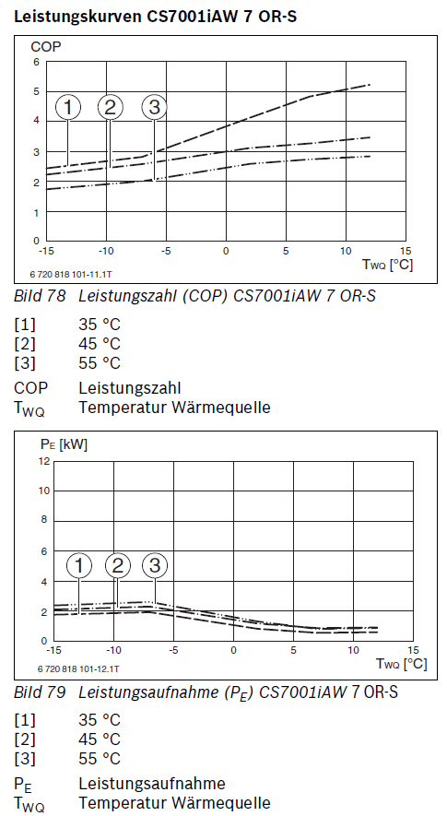
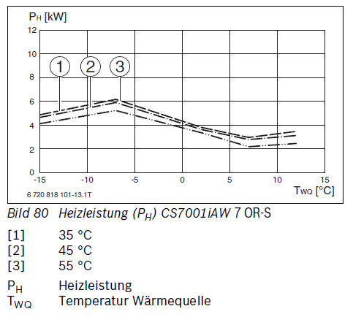
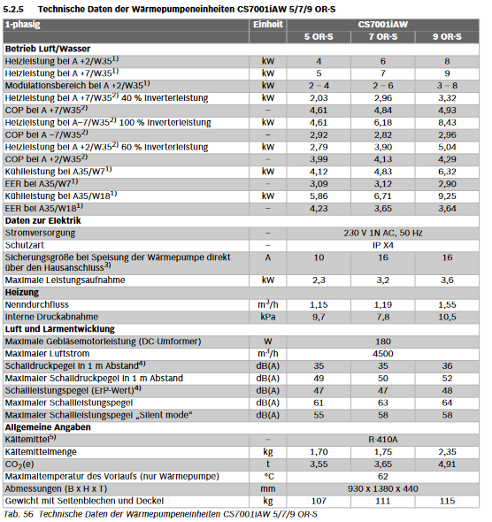
AW-WP CS7001AW 7 OR-S
Validation for Q_h
-10 | 5.69 | -10 | 5.7
-7.5 | 5.24 | -10 | 5.5
-5 | 4.80 | -10 | 4.8
-2.5 | 4.36 | -7.5 | 6.2
0 | 3.92 | -7.5 | 5.8
2.5 | 3.48 | -7.5 | 5.1
5 | 3.04 | -5 | 5.7
7.5 | 2.60 | -5 | 5.4
10 | 2.15 | -5 | 4.8
 |  | -2.5 | 5
 |  | -2.5 | 4.8
 |  | -2.5 | 4.3
 |  | 0 | 4.4
 |  | 0 | 4.2
 |  | 0 | 3.8
 |  | 2.5 | 3.8
 |  | 2.5 | 3.5
 |  | 2.5 | 3.3
 |  | 5 | 3.4
 |  | 5 | 3.2
 |  | 5 | 2.7
 |  | 7.5 | 3.1
 |  | 7.5 | 2.8
 |  | 7.5 | 2.3
 |  | 10 | 3.3
 |  | 10 | 3
 |  | 10 | 2.4
No | T_S,in | T_L,in | Q_h / kW | P_el,h / kW | Q_C / kW | Q_h |  |  | Q_h estimate | APE | P_el,h estimate | APE | Q_c estimate | APE | APE | absolute percent error
1 | -10 | 30 | 5.7 | 1.9 | 3.8 | Qdot_ref | 6.18 | kW | 5.69 | 0.0025387717788 | 1.97 | 0.037255809034 | 4.159070505 | 0.0945 | MAPE | mean absolute percent error
2 | -10 | 40 | 5.5 | 2.2 | 3.3 | Tref_S | 266.15 |  | 5.89 | 0.070797904794 | 2.28 | 0.034526800744 | 3.4892809932 | 0.0574
3 | -10 | 50 | 4.8 | 2.6 | 2.2 | Tref_L | 303.15 |  | 6.09 | 0.26942665664 | 2.58 | 0.0072569668812 | 2.8194914815 | 0.2816 | https://automeris.io/WebPlotDigitizer/
4 | -7.5 | 30 | 6.2 | 2 | 4.2 | D1 | 0.93813335638 |  | 5.24 | 0.15416327988 | 1.76 | 0.11966314302 | 3.9562860074 | 0.0580
5 | -7.5 | 40 | 5.8 | 2.3 | 3.5 | D2 | -0.40276357807 |  | 5.45 | 0.060681527541 | 2.07 | 0.10180580938 | 3.2864964957 | 0.0610
6 | -7.5 | 50 | 5.1 | 2.6 | 2.5 | D3 | -7.6027829517 |  | 5.65 | 0.10821698348 | 2.37 | 0.088069398883 | 2.616706984 | 0.0467
7 | -5 | 30 | 5.7 | 1.7 | 4 | MAPE | 0.12371985055 |  | 4.80 | 0.15739538094 | 1.55 | 0.087905064262 | 3.7535015099 | 0.0616
8 | -5 | 40 | 5.4 | 2.1 | 3.3 | R² | 0.75752541935 |  | 5.01 | 0.072832258489 | 1.86 | 0.11631699275 | 3.0837119982 | 0.0655
9 | -5 | 50 | 4.8 | 2.4 | 2.4 |  |  |  | 5.21 | 0.085534433264 | 2.16 | 0.099621983459 | 2.4139224864 | 0.0058
10 | -2.5 | 30 | 5 | 1.4 | 3.6 | P_el |  |  | 4.36 | 0.12769900149 | 1.34 | 0.042536380322 | 3.5507170124 | 0.0137
11 | -2.5 | 40 | 4.8 | 1.8 | 3 | P_el,h_ref | 2 | kW | 4.57 | 0.048882402489 | 1.65 | 0.085765559988 | 2.8809275006 | 0.0397
12 | -2.5 | 50 | 4.3 | 2 | 2.3 | Tref_S | 266.15 |  | 4.77 | 0.10912184734 | 1.95 | 0.024602541753 | 2.2111379889 | 0.0386
Validation for P_el,h
-10 | 1.97 | -10 | 1.9
-7.5 | 1.76 | -10 | 2.2
-5 | 1.55 | -10 | 2.6
-2.5 | 1.34 | -7.5 | 2
0 | 1.13 | -7.5 | 2.3
2.5 | 0.92 | -7.5 | 2.6
5 | 0.71 | -5 | 1.7
7.5 | 0.50 | -5 | 2.1
10 | 0.29 | -5 | 2.4
 |  | -2.5 | 1.4
 |  | -2.5 | 1.8
 |  | -2.5 | 2
 |  | 0 | 1
 |  | 0 | 1.4
 |  | 0 | 1.7
 |  | 2.5 | 0.8
 |  | 2.5 | 1.2
 |  | 2.5 | 1.2
 |  | 5 | 0.7
 |  | 5 | 1.1
 |  | 5 | 1.1
 |  | 7.5 | 0.5
 |  | 7.5 | 0.9
 |  | 7.5 | 0.9
 |  | 10 | 0.6
 |  | 10 | 0.8
 |  | 10 | 0.9
13 | 0 | 30 | 4.4 | 1 | 3.4 | Tref_L | 303.15 |  | 3.92 | 0.10905371444 | 1.13 | 0.13033674434 | 3.3479325149 | 0.0153
14 | 0 | 40 | 4.2 | 1.4 | 2.8 | D1 | 0.10740898546 |  | 4.12 | 0.018089730488 | 1.44 | 0.025364049155 | 2.6781430031 | 0.0435
15 | 0 | 50 | 3.8 | 1.7 | 2.1 | D2 | 4.6256586027 |  | 4.33 | 0.13891647565 | 1.74 | 0.023930937228 | 2.0083534914 | 0.0436
16 | 2.5 | 30 | 3.8 | 0.8 | 3 | D3 | -11.184278964 |  | 3.48 | 0.084520442016 | 0.92 | 0.15028052642 | 3.1451480173 | 0.0484
17 | 2.5 | 40 | 3.5 | 1.2 | 2.3 | MAPE | 0.10652309818 |  | 3.68 | 0.052194798813 | 1.23 | 0.021164454676 | 2.4753585056 | 0.0762
18 | 2.5 | 50 | 3.3 | 1.2 | 2.1 | R² | 0.93620558786 |  | 3.89 | 0.1777397792 | 1.53 | 0.27547522507 | 1.8055689938 | 0.1402
19 | 5 | 30 | 3.4 | 0.7 | 2.7 |  |  |  | 3.04 | 0.10662323993 | 0.71 | 0.014445854192 | 2.9423635198 | 0.0898
20 | 5 | 40 | 3.2 | 1.1 | 2.1 | Q_C |  |  | 3.24 | 0.012918893669 | 1.02 | 0.077013615995 | 2.2725740081 | 0.0822
21 | 5 | 50 | 2.7 | 1.1 | 1.6 | Qdot_c_ref | 4.18 | kW | 3.45 | 0.27599997602 | 1.32 | 0.20041631534 | 1.6027844963 | 0.0017
22 | 7.5 | 30 | 3.1 | 0.5 | 2.6 | Tref_S | 266.15 |  | 2.60 | 0.16253559738 | 0.50 | 4.5054206965E-07 | 2.7395790223 | 0.0537
23 | 7.5 | 40 | 2.8 | 0.9 | 1.9 | Tref_L | 303.15 |  | 2.80 | 3.1298697427E-07 | 0.81 | 0.10536366755 | 2.0697895105 | 0.0894
24 | 7.5 | 50 | 2.3 | 0.9 | 1.4 | D1 | 1.2816509689 |  | 3.00 | 0.30602547789 | 1.11 | 0.23371735964 | 1.3999999988 | 0.0000
25 | 10 | 30 | 3.3 | 0.6 | 2.7 | D2 | -4.8575763273 |  | 2.15 | 0.34703081454 | 0.29 | 0.51685424746 | 2.5367945247 | 0.0604
26 | 10 | 40 | 3 | 0.8 | 2.2 | D3 | -5.1646979921 |  | 2.36 | 0.21378073749 | 0.60 | 0.25617453001 | 1.867005013 | 0.1514
Validation for P_el,h
-10 | 4.159070505 | -10 | 3.8
-7.5 | 3.9562860074 | -10 | 3.3
-5 | 3.7535015099 | -10 | 2.2
-2.5 | 3.5507170124 | -7.5 | 4.2
0 | 3.3479325149 | -7.5 | 3.5
2.5 | 3.1451480173 | -7.5 | 2.5
5 | 2.9423635198 | -5 | 4
7.5 | 2.7395790223 | -5 | 3.3
10 | 2.5367945247 | -5 | 2.4
 |  | -2.5 | 3.6
 |  | -2.5 | 3
 |  | -2.5 | 2.3
 |  | 0 | 3.4
 |  | 0 | 2.8
 |  | 0 | 2.1
 |  | 2.5 | 3
 |  | 2.5 | 2.3
 |  | 2.5 | 2.1
 |  | 5 | 2.7
 |  | 5 | 2.1
 |  | 5 | 1.6
 |  | 7.5 | 2.6
 |  | 7.5 | 1.9
 |  | 7.5 | 1.4
 |  | 10 | 2.7
 |  | 10 | 2.2
 |  | 10 | 1.5
27 | 10 | 50 | 2.4 | 0.9 | 1.5 | MAPE | 0.0712 |  | 2.56 | 0.067715526266 | 0.90 | 0.00025922274177 | 1.1972155013 | 0.2019
 |  |  |  |  |  | R² | 0.91496664887

WW
Validation for Q_h
-5 | 5.30 | -5 | 5.00
0 | 6.18 | -5 | 4.70
5 | 7.05 | -5 | 4.30
10 | 7.93 | 0 | 5.90
15 | 8.80 | 0 | 5.50
 |  | 0 | 5.30
 |  | 5 | 6.90
 |  | 5 | 6.50
 |  | 5 | 6.00
 |  | 10 | 8.00
 |  | 10 | 7.40
 |  | 10 | 6.90
 |  | 15 | 8.80
 |  | 15 | 8.20
 |  | 15 | 7.80
 |  |  |  |  |  |  | T_in_quelle | 303.15
SW-WP Compressi7800 L M(F) |  |  |  |  |  |  | T_in_senke | 273.15
 |  |  |  |  |  |  | Q_h | 6.1767354129
No | T_S,in | T_L,in | Q_h / kW | P_el,h / kW | Q_C / kW | COP | Q_h |  |  | Q_h estimate | APE | P_el,h estimate | APE | Q_c estimate | APE | APE | absolute percent error
1 | -5 | 30 | 5.00 | 1.25 | 3.75 | 4 | Qdot_ref | 5.85 | kW | 5.30 | 0.060462780811 | 1.23 | 0.013197377389 | 2.7803239731 | 0.2586 | MAPE | mean absolute percent error
2 | -5 | 40 | 4.70 | 1.62 | 3.08 | 2.9 | Tref_S | 273.15 |  | 4.76 | 0.013000314357 | 1.52 | 0.064512062735 | 2.2843173835 | 0.2582
3 | -5 | 50 | 4.30 | 1.87 | 2.43 | 2.3 | Tref_L | 303.15 |  | 4.22 | 0.018630453279 | 1.80 | 0.037868296901 | 1.7883107939 | 0.2642 | https://automeris.io/WebPlotDigitizer/
4 | 0 | 30 | 5.90 | 1.31 | 4.59 | 4.5 | D1 | -4.31 |  | 6.18 | 0.046904307273 | 1.30 | 0.0070552217639 | 3.384007515 | 0.2626
5 | 0 | 40 | 5.50 | 1.57 | 3.93 | 3.5 | D2 | -2.80 |  | 5.64 | 0.024640542969 | 1.58 | 0.0083139026962 | 2.8880009254 | 0.2649
6 | 0 | 50 | 5.30 | 1.89 | 3.41 | 2.8 | D3 | 8.17 |  | 5.09 | 0.038809328348 | 1.87 | 0.013594012146 | 2.3919943358 | 0.2979
7 | 5 | 30 | 6.90 | 1.35 | 5.55 | 5.1 | MAPE | 0.017899086281 |  | 7.05 | 0.021906800255 | 1.37 | 0.012770258232 | 3.9876910568 | 0.2811
8 | 5 | 40 | 6.50 | 1.67 | 4.83 | 3.9 | R² | 0.98999999974 |  | 6.51 | 0.0015299223359 | 1.65 | 0.0082894426796 | 3.4916844672 | 0.2776
9 | 5 | 50 | 6.00 | 1.94 | 4.06 | 3.1 |  |  |  | 5.97 | 0.005211321899 | 1.94 | 3.0891506835E-07 | 2.9956778776 | 0.2630
10 | 10 | 30 | 8.00 | 1.38 | 6.62 | 5.8 | P_el |  |  | 7.93 | 0.0093026961734 | 1.44 | 0.042967772455 | 4.5913745987 | 0.3065
11 | 10 | 40 | 7.40 | 1.68 | 5.72 | 4.4 | P_el,h_ref | 1.27 | kW | 7.38 | 0.0021127021574 | 1.72 | 0.023421319068 | 4.0953680091 | 0.2838
Validation for P_el,h
-5 | 1.23 | -5 | 1.25
0 | 1.30 | -5 | 1.62
5 | 1.37 | -5 | 1.87
10 | 1.44 | 0 | 1.31
15 | 1.51 | 0 | 1.57
 |  | 0 | 1.89
 |  | 5 | 1.35
 |  | 5 | 1.67
 |  | 5 | 1.94
 |  | 10 | 1.38
 |  | 10 | 1.68
 |  | 10 | 2.03
 |  | 15 | 1.44
 |  | 15 | 1.74
 |  | 15 | 2.05
12 | 10 | 50 | 6.90 | 2.03 | 4.87 | 3.4 | Tref_S | 273.15 |  | 6.84 | 0.0082386119626 | 2.00 | 0.012600123287 | 3.5993614195 | 0.2610
13 | 15 | 30 | 8.80 | 1.44 | 7.36 | 6.1 | Tref_L | 303.15 |  | 8.80 | 6.8790102907E-09 | 1.51 | 0.044579174492 | 5.1950581405 | 0.2939
14 | 15 | 40 | 8.20 | 1.74 | 6.46 | 4.7 | D1 | -8.66 |  | 8.26 | 0.0071692088887 | 1.79 | 0.025726988509 | 4.6990515509 | 0.2721
15 | 15 | 50 | 7.80 | 2.05 | 5.75 | 3.8 | D2 | 6.75 |  | 7.72 | 0.010567296627 | 2.07 | 0.009532641281 | 4.2030449614 | 0.2687
 |  |  |  |  |  |  | D3 | 2.94
 |  |  |  |  |  |  | MAPE | 0.021628593503
 |  |  |  |  |  |  | R² | 0.97000000005
 |  |  |  |  | 4.55
 |  |  |  |  | -5.31 |  | Q_C
 |  |  |  |  | 3.10 |  | Qdot_c_ref | 4.58 | kW
 |  |  |  |  |  |  | Tref_S | 273.15
 |  |  |  |  |  |  | Tref_L | 303.15
 |  |  |  |  |  |  | D1 | 1.0637614157
Validation for Q_c
-5 | 2.7803239731 | -5 | 3.75
0 | 3.384007515 | -5 | 3.08
5 | 3.9876910568 | -5 | 2.43
10 | 4.5913745987 | 0 | 4.59
15 | 5.1950581405 | 0 | 3.93
 |  | 0 | 3.41
 |  | 5 | 5.55
 |  | 5 | 4.83
 |  | 5 | 4.06
 |  | 10 | 6.62
 |  | 10 | 5.72
 |  | 10 | 4.87
 |  | 15 | 7.36
 |  | 15 | 6.46
 |  | 15 | 5.75
 |  |  | 4.55
 |  |  | -5.31
 |  |  | 3.10
 |  |  |  |  |  |  | D2 | -3.2830654505
 |  |  |  |  |  |  | D3 | 7.2007056532
 |  |  |  |  |  |  | MAPE | 0.2743
 |  |  |  |  |  |  | R² | 0.99536881736
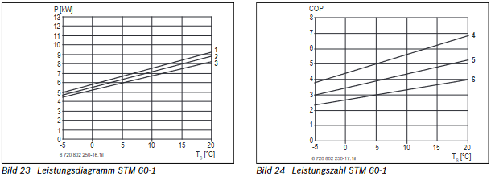

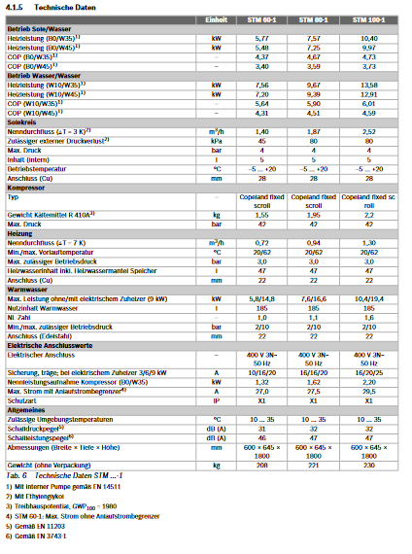
CV
CV

