Tabelle1
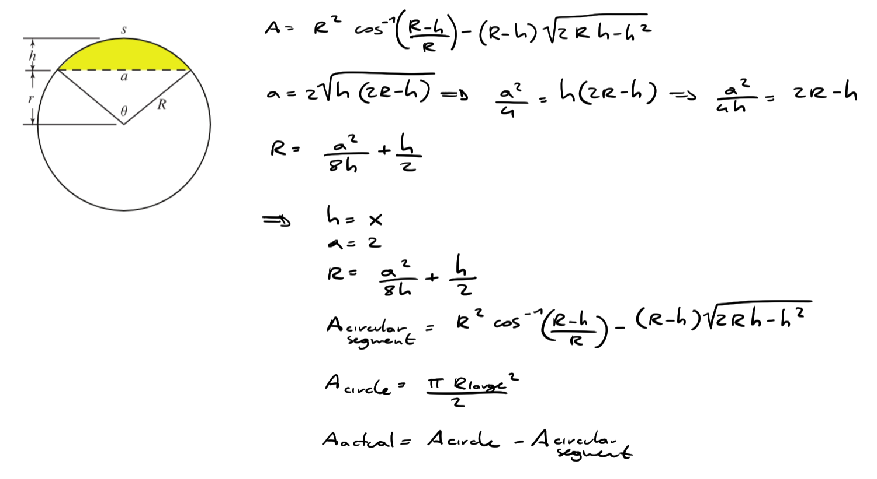
 | R_large | a | h | A_circle | R | A_segnment | A_tot | result
constraint | 1 | 2 | 0.33333333333 | 1.5707963268 | 1.6666666667 | 0.45416974665 | 1.1166265801 |  | coordinates
 |  |  |  |  |  |  |  |  | x | y | R
optimal value | 1 | 2 | 0.73028065705 | 1.5707963268 | 1.0498086066 | 1.07079267 | 0.50000365676 | top circle | 0 | 1 | 1
 |  |  |  |  |  |  |  | bottom circle | 1 | -0.314 | 1.049
 | 1 | 2 | 0.735 | 1.5707963268 | 1.0477721088 | 1.0789024231 | 0.49189390371
real value | 1 | 2 | 0.735 | 1.5707963268 | 1.049 | 1.0797081614 | 0.49108816543

https://mathworld.wolfram.com/CircularSegment.html

