Completed - Medford
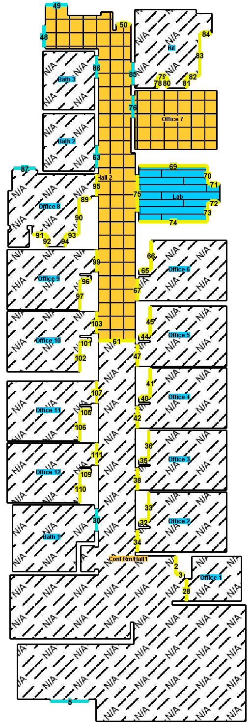
42 NORTH | RETAIL FLOORING PROPOSAL |  |  |  | COMPLETED
Medford Office
LVT & carpet tile flooring — Labor + Install Materials

 | PREPARED BY | TAX BASIS |  | PROPOSAL TOTAL
 | Dynamic Home Solutions (DHS) | 6.25% on materials

# | DESCRIPTION | QTY | UNIT PRICE | LINE TOTAL
 | LABOR
01 | Install LVT (Glue Down – Concrete) | 89 | $2.65
02 | Install Carpet Tile (Glue Down) | 379 | $0.95
03 | Install Cove Base | 157 | $1.10
04 | Skim Coat/Floor Prep (entire floor) | 468 | $0.90
05 | Furniture Moving | 1 | $175.00
06 | Night/Weekend | 1 | $700.00
07 | Transport Material (Storage to Install Location) | 1 | $500.00

 | MATERIALS
08 | Skim Coat/Leveler | 6 | $34.50
09 | Mapei 399 | 1 | $199.00
10 | Carpet Tile Adhesive | 1 | $179.50
11 | Rubber T-Mold Transitions | 4 | $32.00

 | Labor subtotal
 | Materials subtotal
 | Tax on materials |  | 6.25%
 | TOTAL
 | Deposit due on approval |  | 50%
 | Balance due on completion

PROJECT NOTES & TERMS

• | 50% deposit due at contract signing; balance due upon completion of work.
• | Pricing valid for 30 days from the proposal date.
• | Quantities are based on field measurements (FloorWizard, 7/10/2026); final billing may adjust to actual installed quantities.
• | Floor prep / skim coat is estimated. If the subfloor requires additional prep once existing flooring is removed, the added prep will be quoted before proceeding.
• | Product colors and selections to be confirmed by customer; pricing may be revised upon final product selection.
• | This proposal covers labor and the listed installation materials only. Finish flooring materials (LVT plank and carpet tile) are supplied by others / by the customer.

 | DISCLAIMER — CARPET TILE: The new carpet tile will not match the existing carpet tile. Dye lot, color, texture, and style will vary between new and existing material. Customer acknowledges and accepts this visible variation.

FLOOR PLAN / SCOPE AREAS

New Haven Dental Flooring
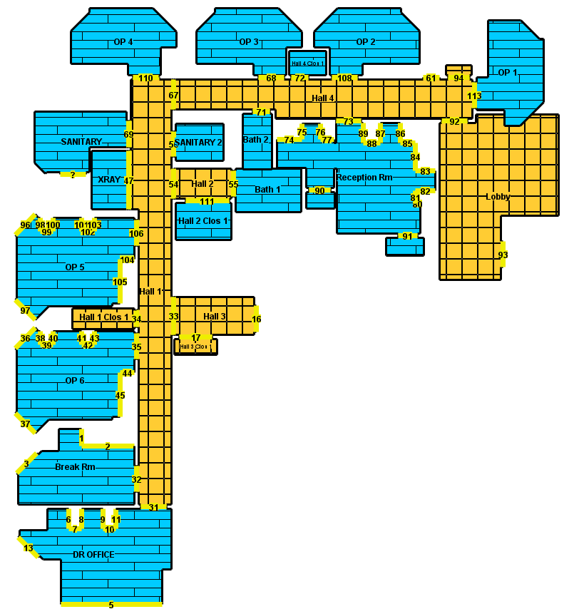
42 NORTH | RETAIL FLOORING PROPOSAL |  |  |  | PROPOSAL
New Haven Dental
LVT & carpet tile flooring

 | PREPARED BY | TAX BASIS |  | PROPOSAL TOTAL
 | Dynamic Home Solutions (DHS) | 6.35% on materials

# | DESCRIPTION | QTY | UNIT PRICE | LINE TOTAL
 | LABOR
01 | Install LVT | 1,355 | $2.10
02 | Install Carpet Tile | 771 | $0.95
03 | Rip/Haul – Carpet | 688 | $0.45
04 | Rip/Haul – Glue Down | 1,209 | $1.45
05 | Self-Level/skim | 1,209 | lump sum | $1,505.00
06 | Night and Weekend | 1 | $700.00
07 | Install Cove Base | 806 | $1.10
08 | Furniture Moving | 16 | $150.00

 | MATERIALS
09 | Mannington Spacia LVT | 1,392 | $2.35
10 | Mapei 399 | 4 | $199.00
11 | Mannington Carpet Tile Style – Silhouette Color-Bonds | 830.7 | $3.95
12 | Mannington Infinity II Pressure Sensitive Adhesives | 2 | $179.50
13 | Self-Leveler Laticrete NXT Level Flow | 35 | $34.50
14 | 4" Cove Base 1/8" – customer to select color | 985 | $1.21
15 | Rubber T-caps and stairnose (1) – customer to select color | 10 | $32.00

 | FREIGHT & DISTRIBUTION
16 | Mannington Freight | 1 | $330.00
17 | NRF Distribution | 1 | $162.50

 | Labor subtotal
 | Materials subtotal
 | Freight & distribution
 | Tax on materials |  | 6.35%
 | TOTAL
 | Deposit due on approval |  | 50%
 | Balance due on completion

PROJECT NOTES, TERMS & CUSTOMER RESPONSIBILITIES

 | Estimate validity & schedule
• | This estimate is valid for 30 days from the date issued.
• | Product lead time is estimated at 3–6 weeks from approval/order placement (lead times can change).

 | Payment terms
• | 50% deposit due upfront to release materials and secure scheduling.
• | Remaining balance due upon project completion (final walk-through/substantial completion).

 | Subfloor & floor prep
• | Floor prep (self-leveling/skim/patch) is included as listed in the line items.
• | Any additional prep required after demo (patching/skim-coating/self-leveling beyond what's included) will be reviewed with the customer and priced as an approved change before proceeding.
• | If moisture issues are discovered, moisture mitigation will be reviewed and priced as an approved change before proceeding.

 | Work hours & access
• | Estimate accounts for work performed at night and/or over weekends as listed in the scope.
• | Customer to provide site access during scheduled work hours and ensure DHS can work without interruption.

 | Fixed items
• | DHS will do its best to install neatly around fixed items where removal is not possible.

 | Customer responsibilities (prior to start of work)
• | Clear access: all areas in scope must be cleared of loose items prior to installation unless included as a line item.
• | Remove/secure electronics, boxes, small items, breakables, and personal belongings from all work areas.
• | Utilities: customer/GC to provide power, lighting, and HVAC as needed for installation.
• | Site logistics: customer/GC to coordinate parking/loading access and access cards/keys.

 | Dental chairs & equipment
• | Customer is responsible for having dental chair control units and/or equipment attachments disconnected/removed so chairs can be safely moved for installation access.
• | DHS will take reasonable care to protect chairs/equipment but is not responsible for their proper functioning or operation after installation.
• | If chairs/equipment are not properly disconnected at the scheduled start, DHS may pause, reschedule, and/or bill additional labor for delays.

 | Warranty & cancellations
• | DHS provides a one-year labor warranty on workmanship (see one-pager).
• | Manufacturer warranties apply separately for materials.
• | If the customer cancels or changes product selection after materials are ordered, manufacturer restocking fees and any freight/return costs may apply.

 | Insurance
• | DHS can provide a Certificate of Insurance upon request.

 | Exclusions / add-ons
• | Please review the floor plan/scope areas and notify DHS of any discrepancies prior to deposit being initiated.
• | Change orders: any additional work or scope changes must be approved in writing prior to proceeding.

FLOOR PLAN / SCOPE AREAS

Great Hill Dental - Partial
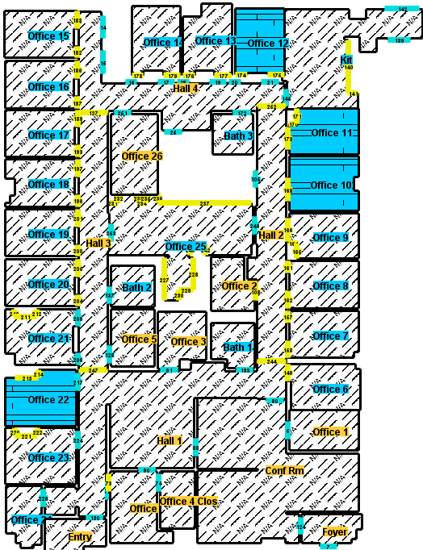
42 NORTH | RETAIL FLOORING PROPOSAL |  |  |  | PROPOSAL
Great Hill Dental
LVT flooring — Great Hill Dental Partners — Boston, Trenton St

 | PREPARED BY | TAX BASIS |  | PROPOSAL TOTAL
 | Dynamic Home Solutions (DHS) | 6.25% on materials

# | DESCRIPTION | QTY | UNIT PRICE | LINE TOTAL
 | LABOR
01 | Install LVT | 465 | $2.10
02 | Skim Coat | 415 | $1.06
03 | Rip/Haul Existing Vinyl | 415 | $1.45
04 | Install Cove Base | 160 | $1.10
05 | Furniture | 4 | $175.00
06 | Night and Weekend | 1 | $700.00

 | MATERIALS
07 | Mannington Spacia Line - Color TBD | 484 | $2.35
08 | Mapei 399 Pressure Sensitive Adhesive | 1 | $199.00
09 | Patch | 8 | $34.50
10 | 4" Cove Base 1/8" – customer to select color | 160 | $1.15
11 | Rubber T-caps – customer to select color | 2 | $32.00

 | FREIGHT & DISTRIBUTION
12 | Freight | 1 | $450.00

 | Labor subtotal
 | Materials subtotal
 | Freight & distribution
 | Tax on materials |  | 6.25%
 | TOTAL
 | Deposit due on approval |  | 50%
 | Balance due on completion

PROJECT NOTES, TERMS & CUSTOMER RESPONSIBILITIES

 | Estimate validity & schedule
• | This estimate is valid for 30 days from the date issued.
• | Product lead time is estimated at 3–6 weeks from approval/order placement (lead times can change).

 | Payment terms
• | 50% deposit due upfront to release materials and secure scheduling.
• | Remaining balance due upon project completion (final walk-through/substantial completion).

 | Subfloor & floor prep
• | Floor prep (self-leveling/skim/patch) is included as listed in the line items.
• | Any additional prep required beyond what's included will be reviewed with the customer and priced as an approved change before proceeding.
• | If moisture issues are discovered, moisture mitigation will be reviewed and priced as an approved change before proceeding.
• | Scope includes rip-out and haul-away of the existing vinyl flooring in the areas listed.

 | Work hours & access
• | Estimate accounts for work performed at night and/or over weekends as listed in the scope.
• | Night and/or weekend labor is priced for one (1) shift; additional shifts would be reviewed and priced as an approved change.
• | Customer to provide site access during scheduled work hours and ensure DHS can work without interruption.

 | Fixed items
• | DHS will do its best to install neatly around fixed items where removal is not possible.

 | Customer responsibilities (prior to start of work)
• | Clear access: all areas in scope must be cleared of loose items prior to installation unless included as a line item.
• | Remove/secure electronics, boxes, small items, breakables, and personal belongings from all work areas.
• | Utilities: customer/GC to provide power, lighting, and HVAC as needed for installation.
• | Site logistics: customer/GC to coordinate parking/loading access and access cards/keys.
• | Mannington Spacia LVT color is TBD — customer to select prior to ordering. Lead time and freight are subject to the color/product selected.
• | 4" cove base and rubber T-cap colors to be selected by the customer prior to installation.

 | Dental chairs & equipment
• | Customer is responsible for having dental chair control units and/or equipment attachments disconnected/removed so chairs can be safely moved for installation access.
• | DHS will take reasonable care to protect chairs/equipment but is not responsible for their proper functioning or operation after installation.
• | If chairs/equipment are not properly disconnected at the scheduled start, DHS may pause, reschedule, and/or bill additional labor for delays.

 | Warranty & cancellations
• | DHS provides a one-year labor warranty on workmanship (see one-pager).
• | Manufacturer warranties apply separately for materials.
• | If the customer cancels or changes product selection after materials are ordered, manufacturer restocking fees and any freight/return costs may apply.

 | Insurance
• | DHS can provide a Certificate of Insurance upon request.

 | Exclusions / add-ons
• | Please review the floor plan/scope areas and notify DHS of any discrepancies prior to deposit being initiated.
• | Change orders: any additional work or scope changes must be approved in writing prior to proceeding.

FLOOR PLAN / SCOPE AREAS

Great Hill Dental Full LVP
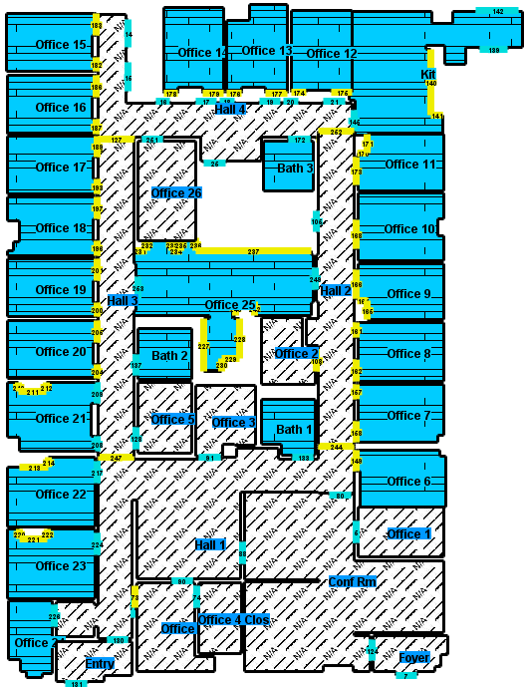
42 NORTH | RETAIL FLOORING PROPOSAL |  |  |  | PROPOSAL
Great Hill Dental
LVT flooring — Great Hill Dental Partners — Boston, Tremont St

 | PREPARED BY | TAX BASIS |  | PROPOSAL TOTAL
 | Dynamic Home Solutions (DHS) | 6.25% on materials

# | DESCRIPTION | QTY | UNIT PRICE | LINE TOTAL
 | LABOR
01 | Install LVT | 2,818 | $2.10
02 | Rip/Haul Existing Glue-Down Flooring | 2,561 | $1.45
03 | Self-Level/Skim Coat | 30 | $43.00
04 | Night and Weekend | 2 | $700.00
05 | Install Cove Base | 960 | $1.10
06 | Furniture Moving | 23 | $150.00

 | MATERIALS
07 | Mannington Spacia LVT - Color TBD | 2,827.5 | $2.35
08 | Mapei 399 | 5 | $199.00
09 | Proma Patch | 30 | $32.00
10 | 4" Cove Base 1/8" – customer to select color | 960 | $1.15
11 | Rubber T-caps – customer to select color | 7 | $32.00

 | FREIGHT & DISTRIBUTION
12 | Freight – Mannington | 1 | $510.00
13 | Freight – NRF | 1 | $115.00

 | Labor subtotal
 | Materials subtotal
 | Freight & distribution
 | Tax on materials |  | 6.25%
 | TOTAL
 | Deposit due on approval |  | 50%
 | Balance due on completion

PROJECT NOTES, TERMS & CUSTOMER RESPONSIBILITIES

 | Estimate validity & schedule
• | This estimate is valid for 30 days from the date issued.
• | Product lead time is estimated at 3–6 weeks from approval/order placement (lead times can change).

 | Payment terms
• | 50% deposit due upfront to release materials and secure scheduling.
• | Remaining balance due upon project completion (final walk-through/substantial completion).

 | Subfloor & floor prep
• | Floor prep (self-leveling/skim coat and patch) is included as listed, priced at 30 bags; this is an estimate — additional prep will be quoted and approved before proceeding.
• | Any additional prep required beyond what's included will be reviewed with the customer and priced as an approved change before proceeding.
• | If moisture issues are discovered, moisture mitigation will be reviewed and priced as an approved change before proceeding.
• | Scope includes rip-out and haul-away of the existing glue-down flooring (approx. 2,561 SF).

 | Work hours & access
• | Estimate accounts for work performed at night and/or over weekends as listed in the scope.
• | Night and/or weekend labor is priced for two (2) shifts; additional shifts would be reviewed and priced as an approved change.
• | Customer to provide site access during scheduled work hours and ensure DHS can work without interruption.

 | Fixed items
• | DHS will do its best to install neatly around fixed items where removal is not possible.

 | Customer responsibilities (prior to start of work)
• | Clear access: all areas in scope must be cleared of loose items prior to installation unless included as a line item.
• | Remove/secure electronics, boxes, small items, breakables, and personal belongings from all work areas.
• | Utilities: customer/GC to provide power, lighting, and HVAC as needed for installation.
• | Site logistics: customer/GC to coordinate parking/loading access and access cards/keys.
• | Mannington Spacia LVT color is TBD — customer to select prior to ordering. Lead time and freight are subject to the color/product selected.
• | LVP material quantity (2,827.5 SF) is carton-rounded above the 2,818 SF install area (approx. 0.3% overage).
• | 4" cove base and rubber T-cap colors to be selected by the customer prior to installation.

 | Dental chairs & equipment
• | Customer is responsible for having dental chair control units and/or equipment attachments disconnected/removed so chairs can be safely moved for installation access.
• | DHS will take reasonable care to protect chairs/equipment but is not responsible for their proper functioning or operation after installation.
• | If chairs/equipment are not properly disconnected at the scheduled start, DHS may pause, reschedule, and/or bill additional labor for delays.

 | Warranty & cancellations
• | DHS provides a one-year labor warranty on workmanship (see one-pager).
• | Manufacturer warranties apply separately for materials.
• | If the customer cancels or changes product selection after materials are ordered, manufacturer restocking fees and any freight/return costs may apply.

 | Insurance
• | DHS can provide a Certificate of Insurance upon request.

 | Exclusions / add-ons
• | Freight is a flat rate of $625.00 total and is not taxed.
• | Please review the floor plan/scope areas and notify DHS of any discrepancies prior to deposit being initiated.
• | Change orders: any additional work or scope changes must be approved in writing prior to proceeding.

FLOOR PLAN / SCOPE AREAS

Selinsgrove
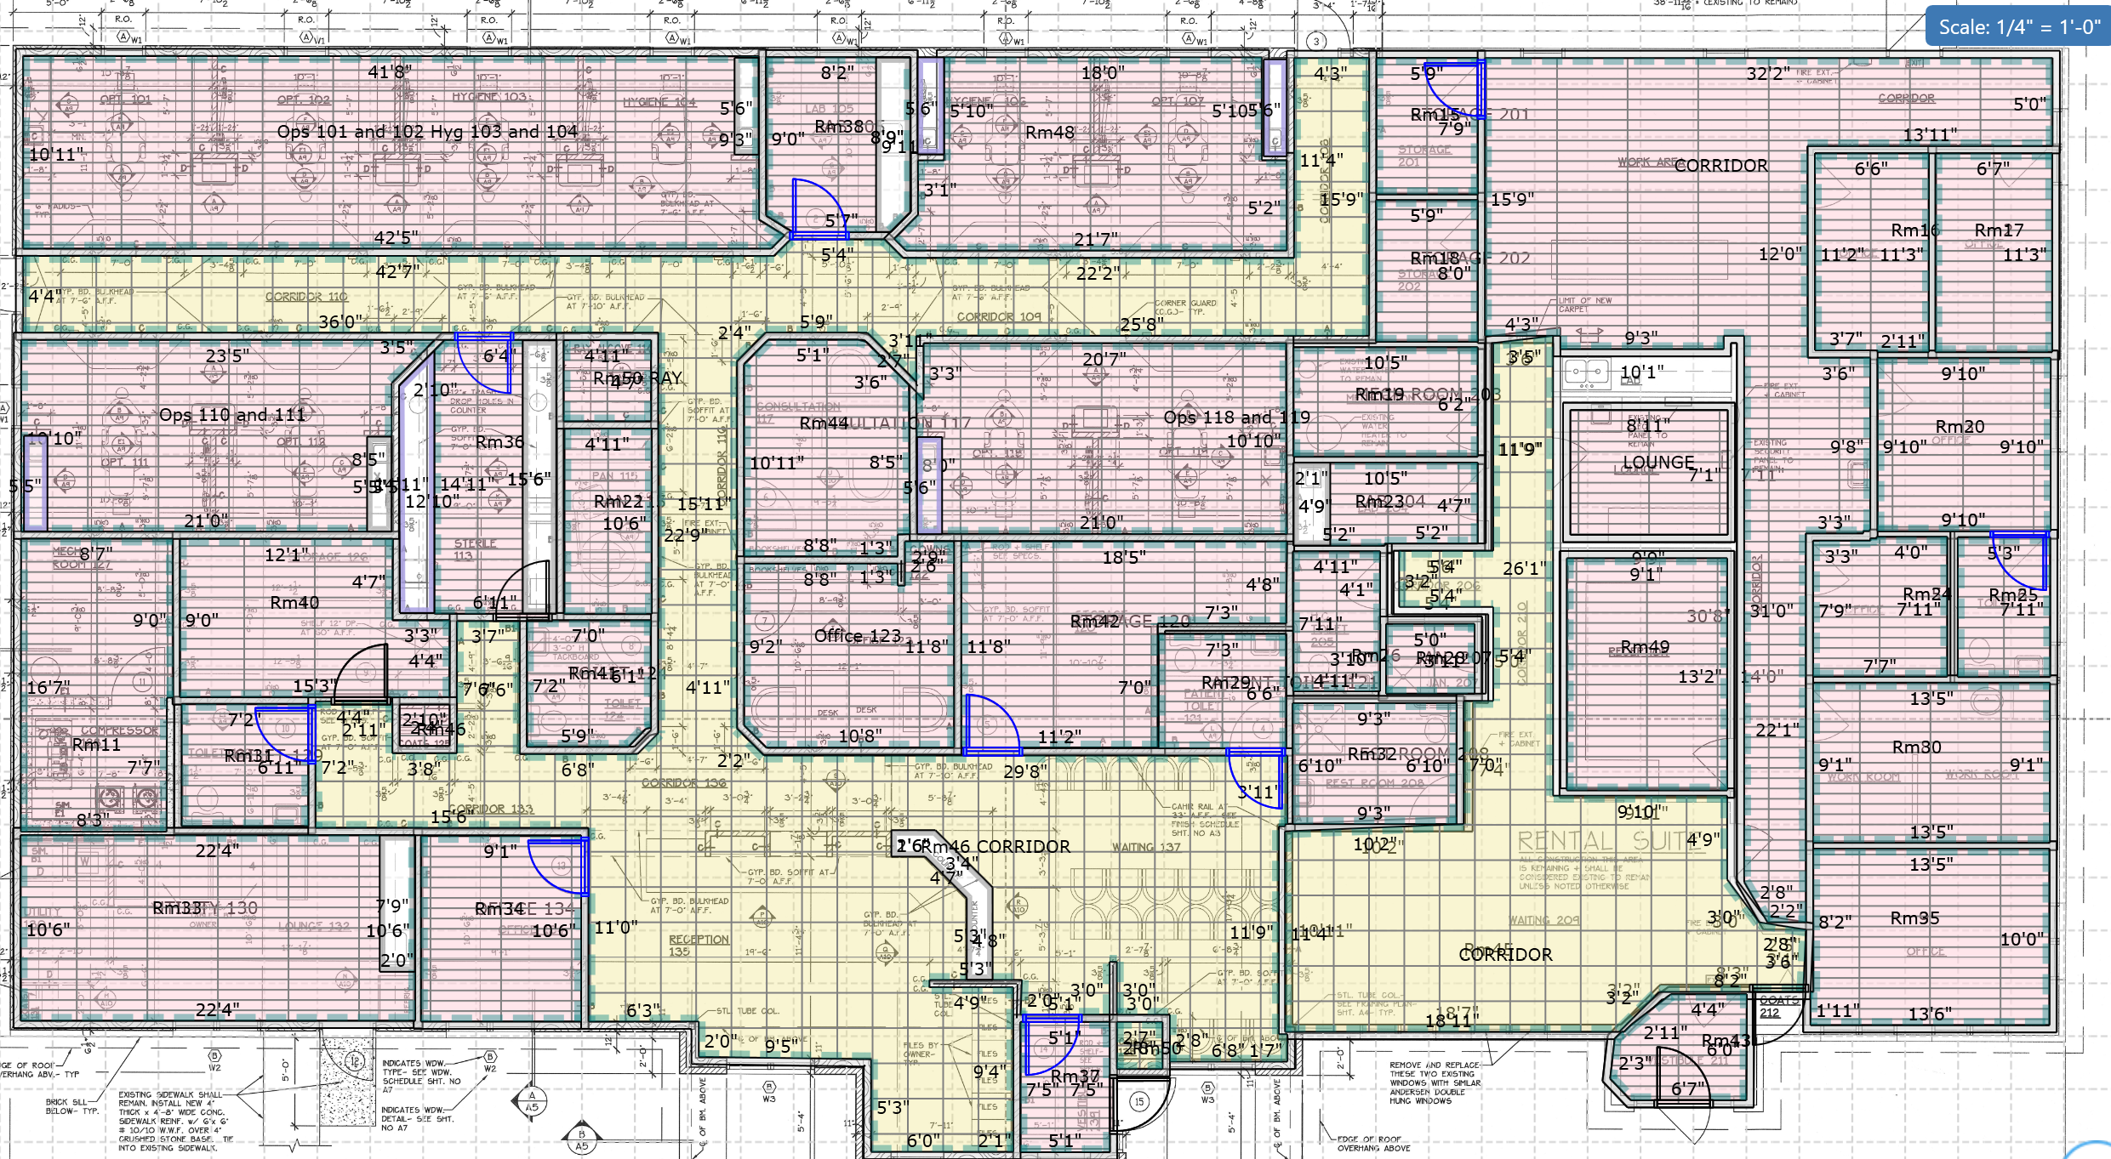
42 NORTH | RETAIL FLOORING PROPOSAL |  |  |  | PROPOSAL
Dental Care Associates Selinsgrove
LVT & carpet tile flooring — 2 Atrium Court, Selinsgrove, PA 17870

 | PREPARED BY | TAX BASIS |  | PROPOSAL TOTAL
 | Dynamic Home Solutions (DHS) | Included in price (PA)

# | DESCRIPTION | QTY | UNIT PRICE | LINE TOTAL
 | LABOR
01 | Install LVT | 4,573 | $2.31
02 | Install Carpet Tile | 1,890 | $1.045
03 | Rip/Haul – Glue Down Vinyl | 4,157 | $1.595
04 | Rip/Haul – Carpet | 1,718 | $0.495
05 | Skim Coat (all LVT areas) | 84 | $47.30
06 | Install Cove Base | 2,300 | $1.21
07 | Furniture Moving | 20 | $165.00
08 | 30 Yard Dumpster (pass through) | 1 | $1,000.00

 | MATERIALS
09 | Mannington Spacia LVT | 4,573 | $2.49
10 | Mapei 399 Pressure Sensitive Adhesive | 13 | $137.80
11 | Mannington Carpet Tile | 1,890 | $4.19
12 | Mannington Infinity II Pressure Sensitive Adhesive | 3 | $190.27
13 | Mannington Assure Sealer | 3 | $242.21
14 | Skim Coat / Leveler (Mapei Novaplan HFL / Ardex) | 84 | $36.57
15 | 4" Cove Base 1/8" – customer to select color | 2,300 | $1.28
16 | Rubber T-Mold – customer to select color | 10 | $33.92

 | FREIGHT & DISTRIBUTION
17 | Freight | 1 | $492.50

 | Labor subtotal
 | Materials subtotal
 | Freight & distribution
 | Pennsylvania sales & use tax |  |  | Included
 | TOTAL
 | Deposit due on approval |  | 50%
 | Balance due on completion

PROJECT NOTES, TERMS & CUSTOMER RESPONSIBILITIES

 | Basis of estimate — prepared from plans (no site visit)
• | This proposal has been prepared from the architectural plans and takeoff shown. DHS has not visited this location in person and has not performed a field measure or physical inspection of existing conditions.
• | Quantities, subfloor construction, existing floor coverings, access and site logistics are based on the plans provided and remain subject to verification.
• | DHS recommends a pre-installation site visit before this proposal is finalized, and will gladly schedule one at 42 North's request and convenience.
• | Should conditions on site differ from the plans, affected quantities and pricing will be reviewed with the customer and adjusted by approved change order before work proceeds.

 | Floor plan & scope confirmation
• | The attached floor plan reflects the takeoff for this proposal. All areas shown in PINK are glue-down LVT. All areas shown in YELLOW are carpet tile.
• | Please review the plan and confirm all areas, and notify DHS of any discrepancies prior to deposit being initiated. Quantities are firm to the plan as shown.

 | Taxes
• | This is a construction contract for the installation of floor covering. Under Pennsylvania law the contract price is inclusive of all applicable PA sales and use taxes; no separate sales tax is billed.

 | Estimate validity & schedule
• | This estimate is valid for 30 days from the date issued.
• | Product lead time is estimated at 3–6 weeks from approval/order placement (lead times can change).
• | Estimated on-site duration is 6–10 working days, assuming areas are ready and materials are on site.

 | Payment terms
• | 50% deposit due upfront to release materials and secure scheduling.
• | Remaining balance due upon project completion (final walk-through/substantial completion).

 | Subfloor & floor prep
• | A skim coat of all LVT areas is included as listed in the line items.
• | Any additional prep required after demo (patching / self-leveling beyond what is included) will be reviewed with the customer and priced as an approved change before proceeding.
• | Scope includes rip-out and haul-away of the existing glue-down vinyl and carpet in the areas listed.

 | Moisture mitigation — concrete subfloor (important)
• | The substrate is a concrete slab currently covered by existing glue-down flooring. Slab condition and moisture content cannot be determined until the existing flooring is removed.
• | Accordingly, no moisture testing or moisture mitigation is included in this proposal.
• | Following demolition, DHS will test the slab per ASTM F2170 (in-situ RH) and/or ASTM F1869 (calcium chloride) and share results with the customer.
• | If readings exceed the manufacturer's published limits, mitigation is required and will be quoted and approved as a change order before work proceeds, at a minimum of $2.75 per square foot of affected area.
• | Where a large number of areas require remediation, a grinding machine rental may be necessary at $3,000 per day.
• | Installing over a slab that exceeds the manufacturer's moisture limits will void the material warranty.
• | If mitigation is required, the project schedule will extend to allow for application and cure time.

 | Work hours & access
• | No night or weekend work is included in this proposal. If weekend work is required for common areas, it will be charged at a rate of $770 per weekend.
• | Customer to provide site access during scheduled work hours and ensure DHS can work without interruption.

 | Fixed items
• | DHS will do its best to install neatly around fixed items where removal is not possible.

 | Customer responsibilities (prior to start of work)
• | Clear access: all areas in scope must be cleared of loose items prior to installation unless included as a line item.
• | Remove/secure electronics, boxes, small items, breakables, and personal belongings from all work areas.
• | Utilities: customer/GC to provide power, lighting, and HVAC as needed for installation.
• | Carpet tile, LVT, cove base and T-mold colors to be selected by the customer prior to ordering.

 | Dental chairs & equipment
• | Customer is responsible for having dental chair control units and/or equipment attachments disconnected/removed so chairs can be safely moved for installation access.
• | DHS will take reasonable care to protect chairs/equipment but is not responsible for their proper functioning or operation after installation.
• | If chairs/equipment are not properly disconnected at the scheduled start, DHS may pause, reschedule, and/or bill additional labor for delays.

 | Warranty & cancellations
• | DHS will provide an extended three-year labor warranty on workmanship performed (see one-pager).
• | Manufacturer warranties apply separately for materials.
• | If the customer cancels or changes product selection after materials are ordered, manufacturer restocking fees and any freight/return costs may apply.

 | Insurance
• | DHS can provide a Certificate of Insurance upon request.

 | Exclusions / add-ons
• | Excludes painting/wallpaper, plumbing or fixture resets, unforeseen subfloor repair and prevailing-wage requirements.
• | Change orders: any additional work or scope changes must be approved in writing prior to proceeding.

FLOOR PLAN / SCOPE AREAS

