jogadores
Nome | Seleção | MédiaGolsElim | MédiaGolsTime | MM | PartGols | GolsEV | NGols | LinkFoto
Kane | Inglaterra | 1.50 | 0.58 | 1.04 | 0.31 | 8.07 | 8.388552632
Mbappe | França | 0.83 | 1.00 | 0.92 | 0.28 | 8.65 | 7.929166667
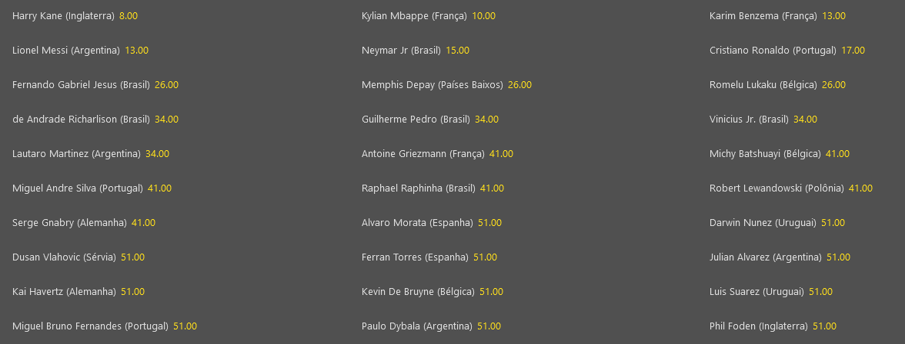
Neymar | Brasil | 0.80 | 0.71 | 0.75 | 0.20 | 9.91 | 7.461647059
Lukaku | Belgica | 1.25 | 0.40 | 0.83 | 0.20 | 8.7 | 7.1775
Messi | Argentina | 0.47 | 0.65 | 0.56 | 0.26 | 8.75 | 4.87254902
Lewandowski | Polonia | 1.00 | 1.06 | 1.03 | 0.28 | 4.61 | 4.745588235
Griezman | França | 0.75 | 0.33 | 0.54 | 0.33 | 8.65 | 4.685416667
Benzema | França | 0.60 | 0.45 | 0.53 | 0.17 | 8.65 | 4.560909091
Depay | Holanda | 0.83 | 0.33 | 0.58 | 0.36 | 7.77 | 4.5325
Richarlison | Brasil | 0.75 | 0.15 | 0.45 | 0.15 | 9.91 | 4.478557692
Lautaro | Argentina | 0.50 | 0.39 | 0.44 | 0.26 | 8.75 | 3.888888889
Mitrovic | Servia | 1.00 | 0.75 | 0.88 | 0.44 | 4.34 | 3.7975
Suarez | Uruguai | 0.57 | 0.46 | 0.52 | 0.36 | 7.05 | 3.641208791
Ferran Torres | Espanha | 0.67 | 0.31 | 0.49 | 0.27 | 7.41 | 3.6278125
Werner | Alemanha | 0.63 | 0.40 | 0.51 | 0.14 | 6.88 | 3.526
Vini Jr | Brasil | 0.14 | 0.56 | 0.35 | 0.03 | 9.91 | 3.460634921
Ronaldo | Portugal | 0.67 | 0.20 | 0.43 | 0.27 | 7.55 | 3.271666667
Olsen | Dinamarca | 0.50 | 0.20 | 0.35 | 0.17 | 6.6 | 2.31
Vlahovic | Servia | 0.50 | 0.53 | 0.52 | 0.22 | 4.34 | 2.242333333
Nunez | Uruguai | 0.13 | 0.43 | 0.28 | 0.05 | 7.05 | 1.951339286

