AAA_Start
 | Autocharting Gain & Loss
 | Panel: | RU_UnitedScanPanel
 | Market: | axsm_magnit_cereals_beans
 | Period 1: | 2023-04-01 - 2023-06-30
 | Period 2: | 2024-04-01 - 2024-06-30
 | Measure: | VALUE total
 | Analysis:
 | Date:
 | Shop-filter:
 | Household-filter:

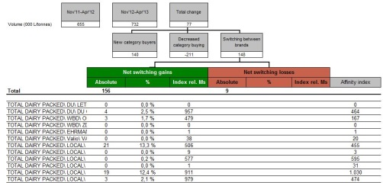
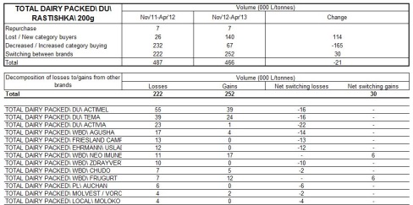

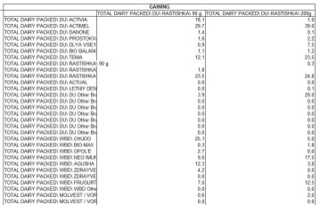

Positions with less than 80 buyers in the total period are shown in blue font

AAA_StdTbl
TOTAL DAIRY PACKED\ DU\ RASTISHKA\ 90 g
2 Hypermarkets
PET FOOD
RU_UnitedScanPanel
2023-01-01 - 2023-06-30 vs. 2024-01-01 - 2024-06-30 /

 |  | 2023-01-01 - 2023-06-30 |  | 2024-01-01 - 2024-06-30 |  | Total change
Value (EUR) |  | 14,701,434 |  | 13,855,497 |  | -845,937

 |  |  |  | Lost category buyers |  | Increased category buying |  | Switching between items
 |  |  |  | -36,799 |  | 465,519 |  | -1,274,657

 |  |  | Net switching gains |  |  |  | Net switching losses
 |  |  | Absolute |  | % | Index rel. Ms | Absolute |  | % | Index rel. Ms | Affinity index
 | Total |  | 144,845 |  |  |  | 1,419,502

 | 11 E-Comm SPT |  | 96,702 |  | 66.8 % | 266 |  |  |  |  | 61
 | 9 SPT |  | 25,449 |  | 17.6 % | 30 |  |  |  |  | 80
 | 16 Traditional Trade |  | 22,694 |  | 15.7 % | 97 |  |  |  |  | 86
 | 4 Convenience |  |  |  |  |  | 587,236 |  | 41.4 % | 81 | 136
 | 12 Marketplaces |  |  |  |  |  | 377,343 |  | 26.6 % | 155 | 82
 | 8 Drogerie |  |  |  |  |  | 154,102 |  | 10.9 % | 193 | 67
 | 13 E-Comm grocery |  |  |  |  |  | 108,834 |  | 7.7 % | 151 | 96
 | 3 Supermarkets |  |  |  |  |  | 90,049 |  | 6.3 % | 96 | 108
 | 7 LAR Top-Up |  |  |  |  |  | 79,447 |  | 5.6 % | 74 | 72
 | 14 E-Comm Fast delivery |  |  |  |  |  | 12,124 |  | 0.9 % | 293 | 38
 | 15 E-com other |  |  |  |  |  | 8,802 |  | 0.6 % | 83 | 48
 | 6 LAR Stock-Up |  |  |  |  |  | 1,565 |  | 0.1 % | 2 | 97

 | Positions with less than 80 buyers in the total period are shown in blue font

AAA_StdTbl_new
2 Hypermarkets
PET FOOD
RU_UnitedScanPanel
2023-01-01 - 2023-06-30 vs. 2024-01-01 - 2024-06-30 /

2 Hypermarkets | Value (EUR)
 | 2023-01-01 - 2023-06-30 | 2024-01-01 - 2024-06-30 | Change
Repurchase | 4,487,735 | 4,487,735
Lost / New category buyers | 475,034 | 438,235 | -36,799
Decreased / Increased category buying | 3,044,678 | 3,510,197 | 465,519
Switching between items | 1,419,502 | 144,845 | -1,274,657
Total | 14,701,434 | 13,855,497 | -845,937

Decomposition of losses to/gains from other brands | Value (EUR) |  |  |  | Affinity index
 | Losses | Gains | Net switching losses | Net switching gains
Total | 1,419,502 | 144,845 | -1,274,657

11 E-Comm SPT | 0 | 96,702 | - | 96,702 | 61
9 SPT | 0 | 25,449 | - | 25,449 | 80
16 Traditional Trade | 0 | 22,694 | - | 22,694 | 86
4 Convenience | 587,236 | 0 | -587,236 | - | 136
12 Marketplaces | 377,343 | 0 | -377,343 | - | 82
8 Drogerie | 154,102 | 0 | -154,102 | - | 67
13 E-Comm grocery | 108,834 | 0 | -108,834 | - | 96
3 Supermarkets | 90,049 | 0 | -90,049 | - | 108
7 LAR Top-Up | 79,447 | 0 | -79,447 | - | 72
14 E-Comm Fast delivery | 12,124 | 0 | -12,124 | - | 38
15 E-com other | 8,802 | 0 | -8,802 | - | 48
6 LAR Stock-Up | 1,565 | 0 | -1,565 | - | 97

Positions with less than 80 buyers in the total period are shown in blue font

AAA_TotalOverview
Gain & Loss: Total Overview
Toothpaste P&G
IT Client Europanel P&G ConsumerScan; Non RP
30.12.2013 - 28.12.2014 vs. 29.12.2014 - 27.12.2015

 | Period 1 |  | Losses due to |  |  | Repeat | Gains due to |  |  | Period 2
 | rel (%) | abs | LCB | DCB | LOB |  | NCB | ICB | GOB | abs | rel (%)
MENTADENT | 22.7 | 2,045.2 | 62.8 | 600.4 | 923.9 | 458.1 | 34.0 | 604.2 | 995.4 | 2,091.7 | 23.1
ANTICA ERBORISTERIA | 12.9 | 1,168.1 | 25.1 | 331.8 | 632.3 | 178.9 | 24.9 | 333.4 | 536.4 | 1,073.6 | 11.8
COLGATE | 17.5 | 1,583.4 | 50.5 | 440.1 | 817.0 | 275.7 | 30.2 | 491.9 | 794.7 | 1,592.6 | 17.6
AZ | 12.3 | 1,105.9 | 36.1 | 324.7 | 583.3 | 161.8 | 17.0 | 302.2 | 582.3 | 1,063.3 | 11.7
PARODONTAX | 1.4 | 121.9 | 2.5 | 31.7 | 70.3 | 17.4 | 1.7 | 41.3 | 104.9 | 165.4 | 1.8
PASTA DEL CAPITANO | 6.7 | 601.4 | 19.9 | 140.4 | 351.1 | 90.1 | 13.6 | 162.9 | 310.4 | 577.1 | 6.4
OTHER BRANDS | 26.6 | 2,396.6 | 72.7 | 633.4 | 1,048.0 | 642.5 | 51.9 | 702.8 | 1,101.6 | 2,498.9 | 27.6
Total | 100.0 | 9,022.4 | 269.6 | 2,502.4 | 4,425.8 | 1,824.6 | 173.4 | 2,638.8 | 4,425.8 | 9,062.5 | 100.0

AAA_ChangesOverview
Colour and Threshold Settings for Affinity Index
 |  |  |  |  | Colour Settings for Index rel.MS and Net Switching Index | Gains

 | > | 100 | > | 120 |  | Losses

Gain & Loss: Total Overview of Changes
Toothpaste P&G
IT Client Europanel P&G ConsumerScan; Non RP
30.12.2013 - 28.12.2014 vs. 29.12.2014 - 27.12.2015

