Original Sizes
Water Column - Percentile Differences (SM-SP) - Original Sizes
Sediment Trap - Percentile Differences (SM-SP) - Original Sizes
TRAPS (g)
 | Spring Percentiles |  |  | Summer Percentiles |  |  | SM-SP Differences (g) |  |  | SM-SP Percent Differences (%)
Size Class | 25 | 50 | 75 | 25 | 50 | 75 | 25 | 50 | 75 | 25 | 50 | 75
Coarse Sand | 22.446 | 26.969 | 32.292 | 5.685 | 6.048 | 8.301 | -16.762 | -20.921 | -23.991 | -74.67 | -77.57 | -74.29
Fine Sand | 1.544 | 2.042 | 2.319 | 5.123 | 5.789 | 6.663 | 3.580 | 3.747 | 4.344 | 231.91 | 183.55 | 187.34
Silt | 0.527 | 0.767 | 0.910 | 1.651 | 1.821 | 2.555 | 1.124 | 1.054 | 1.645 | 213.58 | 137.51 | 180.90
Clay | 0.082 | 0.126 | 0.157 | 0.242 | 0.290 | 0.435 | 0.160 | 0.163 | 0.278 | 195.12 | 129.67 | 177.64

WATER COLUMN (mg/L)
 | Spring Percentiles |  |  | Summer Percentiles |  |  | SM-SP Differences (g) |  |  | SM-SP Percent Differences (%)
Size Class | 25 | 50 | 75 | 25 | 50 | 75 | 25 | 50 | 75 | 25 | 50 | 75
Coarse Sand | 0.192 | 0.462 | 0.925 | 1.15 | 1.70 | 2.78 | 0.957 | 1.241 | 1.855 | 498.90 | 268.81 | 200.52
Fine Sand | 5.084 | 7.615 | 13.991 | 14.99 | 19.67 | 30.62 | 9.902 | 12.052 | 16.626 | 194.77 | 158.27 | 118.83
CS FS S C
FS S C
Silt | 1.105 | 1.867 | 2.801 | 5.52 | 8.00 | 14.96 | 4.418 | 6.131 | 12.155 | 399.74 | 328.38 | 433.86
Clay | 0.059 | 0.122 | 0.192 | 0.41 | 0.57 | 1.15 | 0.351 | 0.449 | 0.955 | 596.42 | 367.90 | 496.72
Water Column - Percentile Differences (%)
Sediment Trap - Percentile Differences (%)
Water Column - Concentration Percentile Trends - Original Sizes
Sediment Traps - Weight Percentile Trends - Original Sizes

FS S C
FS S C

Spring - 25th Percentile
Spring - 50th Percentile
Spring - 75th Percentile
Summer - 25th Percentile
Summer - 50th Percentile
Summer - 75th Percentile

Water Column Percentile Trends
Sediment Trap Percentile Trends
4
200

New Sizes
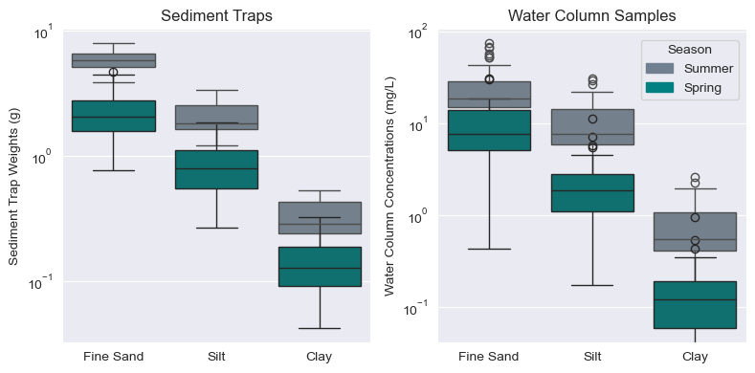
Water Column - Percentile Differences (SM-SP) - New Sizes
Sediment Trap - Percentile Differences (SM-SP) - New Sizes
TRAPS (g)
 | Spring Percentiles |  |  | Summer Percentiles |  |  | SM-SP Differences (g) |  |  | SM-SP Percent Differences (%)
Size Class | 25 | 50 | 75 | 25 | 50 | 75 | 25 | 50 | 75 | 25 | 50 | 75
Coarse Sand | 13.760 | 17.811 | 28.546 | 1.011 | 1.713 | 3.601 | -12.749 | -16.099 | -24.945 | -1359.72 | -1038.27 | -789.21
Fine Sand | 9.262 | 12.863 | 16.296 | 6.869 | 8.371 | 9.565 | -2.393 | -4.492 | -6.731 | -127.97 | -145.29 | -160.81
Silt | 1.397 | 1.795 | 2.364 | 4.083 | 5.005 | 5.835 | 2.685 | 3.210 | 3.471 | -30.14 | -30.86 | -34.68
Clay | 0.095 | 0.130 | 0.184 | 0.242 | 0.329 | 0.442 | 0.147 | 0.199 | 0.258 | -38.99 | -39.12 | -41.23

WATER COLUMN (mg/L)
 | Spring Percentiles |  |  | Summer Percentiles |  |  | SM-SP Differences (g) |  |  | SM-SP Percent Differences (%)
Size Class | 25 | 50 | 75 | 25 | 50 | 75 | 25 | 50 | 75 | 25 | 50 | 75
Coarse Sand |  |  |  |  |  |  | 0.000 | 0.000 | 0.000 | #DIV/0! | #DIV/0! | #DIV/0!
Fine Sand | 3.246 | 5.177 | 9.648 | 5.61 | 10.17 | 13.43 | 2.359 | 4.991 | 3.779 | -52.31 | -40.75 | -58.43
FS S C
FS S C
Silt | 3.372 | 4.988 | 7.310 | 7.11 | 11.23 | 16.92 | 3.738 | 6.239 | 9.613 | -40.32 | -33.20 | -26.27
Clay | 0.059 | 0.122 | 0.192 | 0.19 | 0.40 | 0.60 | 0.131 | 0.278 | 0.408 | -30.87 | -30.12 | -31.46
Water Column - Percentile Differences (%)
Sediment Trap - Percentile Differences (%)
Water Column - Concentration Percentile Trends - New Sizes
Coarse Sand
Fine Sand | 3.246 | 5.177 | 9.648 | 5.61 | 10.17 | 13.43
Silt | 3.372 | 4.988 | 7.310 | 7.11 | 11.23 | 16.92
Clay | 0.059 | 0.122 | 0.192 | 0.19 | 0.40 | 0.60
Sediment Traps - Weight Percentile Trends - New Sizes

FS S C
FS S C

Water Column - Concentration Percentile Trends - New Sizes

