bed mov and hyst
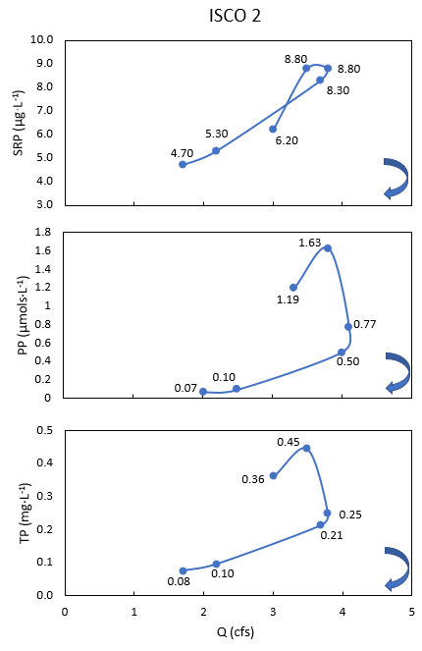
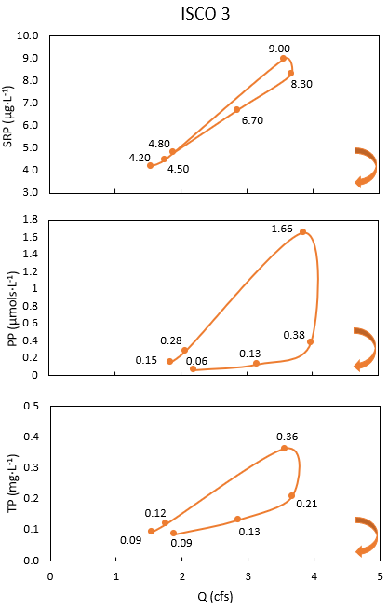
AFTER STORM 1 |  |  | AFTER STORM 1 - 2021
Size Class | % of bed that moved (%) | Avg Distance (cm) | DOWNSTREAM |  |  |  |  |  |  |  |  |  |  | Peak Values
128 | 0.00 | 0 | ISCO 2 | time | SS (ul/l) | SRP (mg/L) | TP (mg/L) | PP | POC (mg/L) | q | Turbidity (FNU) | fDOM (QSU) |  | Constituent | Upwelling | Downwelling
90 | 28.57 | 19.67 | 1 | 7/23/21 | 339.78248 | 0.062 | 0.36 | 1.19 | 51.66 | 3.309 | 91.2 | 249.27 |  | SS (mg/L) | 403.515 | 457.12
64 | 60.00 | 30.33 | 2 | 7/23/21 | 457.12 | 0.088 | 0.445 | 1.63 | 50.228 | 3.797 | 685.4 | 236.32 |  | SRP (mg/L) | 0.09 | 0.088
45 | 57.14 | 56.29 | 5 | 7/23/21 | 152.79 | 0.088 | 0.248 | 0.77 | 14.502 | 4.096 | 76.14 | 377.89 |  | TP (mg/L) | 0.362 | 0.445
32 | 71.43 | 27.50 | 6 | 7/23/21 | 168.45 | 0.083 | 0.214 | 0.5 | 11.681 | 3.994 | 100.94 | 413.81 |  | PP (umol/L) | 1.66 | 1.63
 |  |  | 10 | 7/23/21 | 43.15 | 0.053 | 0.097 | 0.1 | 6.411 | 2.495 | 22.13 | 515.85 |  | POC (mg/L) | 41.28 | 51.66
AFTER STORM 2 - 2022 |  |  | 18 | 7/23/21 | 17.7 | 0.047 | 0.077 | 0.07 | 4.805 | 2.014 | 11.14 | 506.48
Size Class | % of bed that moved (%) | Avg Distance (cm) |  |  |  |  |  |  |  |  |  |  | Mean Values
128 | 0.00 | 0 | UPSTREAM |  |  |  |  |  |  |  |  |  | Constituent (mg/L) | Upwelling | SE | Downwelling | SE
90 | 66.67 | 19.89 | ISCO 3 | time | SS (ul/l) | SRP (mg/L) | TP (mg/L) | PP | POC (mg/L) | q | Turbidity (FNU) | fDOM (QSU) | SS (mg/L) | 137.246 | 54.444 | 196.499 | 69.913
64 | 43.75 | 21.88 | 1 | 7/23/21 | 92.06 | 0.042 | 0.094 | 0.15 | 11.10505732 | 1.851 | 10.76 | 336.31 | SRP (mg/L) | 0.063 | 0.008 | 0.070 | 0.008
45 | 61.90 | 46.93 | 3 | 7/23/21 | 95.69 | 0.045 | 0.12 | 0.28 | 29.71212071 | 2.066 | 15.88 | 343.61 | TP (mg/L) | 0.167 | 0.043 | 0.240 | 0.059
32 | 48.72 | 36.93 | 8 | 7/23/21 | 403.515 | 0.09 | 0.362 | 1.66 | 41.27935076 | 3.867 | 112.95 | 408.47 | PP (umol/L) | 0.443 | 0.248 | 0.710 | 0.252
 |  |  | 11 | 7/23/21 | 124.04 | 0.083 | 0.208 | 0.38 | 9.524065462 | 3.974 | 45.18 | 619.71 | POC (mg/L) | 17.311 | 5.995 | 23.215 | 8.886
AFTER STORM 3 - 2022 |  |  | 15 | 7/23/21 | 65.3 | 0.067 | 0.132 | 0.13 | 6.538644049 | 3.156 | 21.31 | 742.07
Size Class | % of bed that moved (%) | Avg Distance (cm) | 24 | 7/23/21 | 42.87 | 0.048 | 0.086 | 0.06 | 5.707480069 | 2.193 | 10.33 | 779.24
128 | 0.00 | 0.00
90 | 33.33 | 18.45 |  |  |  |  | Mean
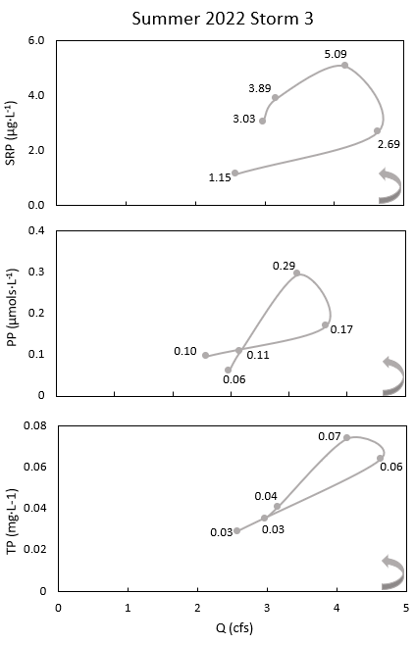
64 | 25.00 | 93.63 |  |  |  |  | Constituent (mg/L) | Upwelling | Downwelling
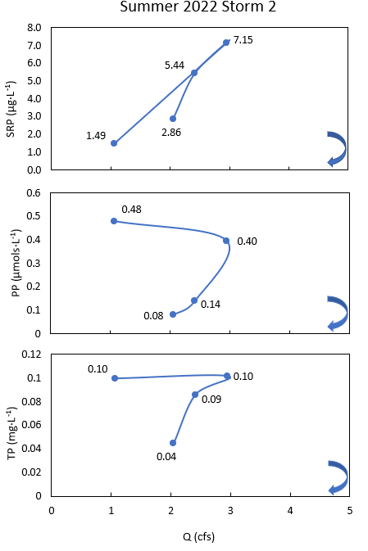
45 | 19.05 | 40.70 |  |  |  |  | SS (mg/L) | 137.246 ± 54.4 | 196.498 ± 69.9
32 | 33.33 | 43.02 |  |  |  |  | SRP (mg/L) | 0.0625 ± 0.008 | 0.07 ± 0.008
 |  |  |  |  |  |  | TP (mg/L) | 0.167 ± 0.043 | 0.2402 ± 0.059
 |  |  |  |  |  |  | PP (umol/L) | 0.443 ± 0.248 | 0.71 ± 0.252
 |  |  |  |  |  |  | POC (mg/L) | 17.31 ± 5.99 | 23.22 ± 8.87

 |  |  |  |  |  |  |  | 0.071 | 0.063
 |  |  |  |  |  |  |  | 0.210 | 0.181
 |  |  |  |  |  |  |  | 0.691 | 0.458
 |  |  |  |  |  |  |  | 23.306 | 14.328
 |  |  |  |  |  |  |  | 0.000 | 0.000

