Dg-Ds Calculation
Surface Sand GSD
 |  |  |  |  | SAND (0.5 - 2 mm)
BED GSD |  |  |  |  | Size | Freq | Prop | Cum Prop
Size (mm) | Proportion | Cum | Frequency |  | 0.5 | 9 | 0.23 | 0.23
180 | 0.059 | 0.059 | 59 |  | 0.7 | 2 | 0.05 | 0.28
128 | 0.045 | 0.104 | 46 |  | 1 | 26 | 0.65 | 0.93
90 | 0.158 | 0.262 | 159 |  | 1.4 | 1 | 0.03 | 0.95
64 | 0.195 | 0.457 | 195 |  | 2 | 2 | 0.05 | 1.00
45 | 0.195 | 0.652 | 195 |  | TOTAL | 40 | 1
32 | 0.122 | 0.774 | 123
22.6 | 0.113 | 0.887 | 114 |  | 0.7 | 0.28 |  | Sand D50
16 | 0.045 | 0.932 | 46 |  | 0.80 | 0.5 |  | 0.80
11 | 0.007 | 0.939 | 7 |  | 1 | 0.93
8 | 0.005 | 0.944 | 6
5.6 | 0.004 | 0.948 | 4 |  | GRAVEL (2 - 64 mm)
Surface Gravel GSD
4 | 0.003 | 0.951 | 3 |  | Size | Freq | Prop | Cum Prop
2.8 | 0.002 | 0.952 | 2 |  | 2 | 2 | 0.003 | 0.003
2 | 0.001 | 0.954 | 2 |  | 2.8 | 2 | 0.003 | 0.006
1.4 | 0.001 | 0.955 | 1 |  | 4 | 3 | 0.004 | 0.010
1 | 0.025 | 0.980 | 26 |  | 5.6 | 4 | 0.006 | 0.016
0.7 | 0.002 | 0.982 | 2 |  | 8 | 6 | 0.009 | 0.024
0.5 | 0.009 | 0.991 | 9 |  | 11 | 7 | 0.010 | 0.034
Fines | 0.009 | 1.000 | 10 |  | 16 | 46 | 0.066 | 0.100
D50 | 59.81025641 |  | 1009 |  | 22.6 | 114 | 0.164 | 0.264
 |  |  |  |  | 32 | 123 | 0.176 | 0.440
 |  |  |  |  | 45 | 195 | 0.280 | 0.720
 |  |  |  |  | 64 | 195 | 0.280 | 1.000
 |  |  | Dg | 34.79 | TOTAL | 697 | 1
 |  |  | Ds | 0.80
 |  |  | Dg/Ds | 43.4 | 32 | 0.44 |  | Gravel D50
 |  |  |  |  | 34.8 | 0.5 |  | 34.79
 |  |  |  |  | 45 | 0.72

Dimensionless Tau ri
t*ri for sand, depending on surface sand content (Fs)
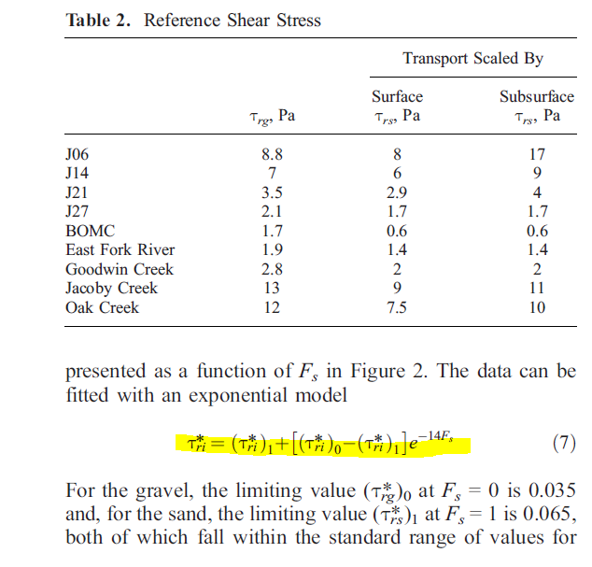
Fs | Tri* (Dg/Ds = 10) | Tri* (Dg/Ds = 20) | Tri* (Dg/Ds = 35) | Tri* (Dg/Ds = 50) | Tri* (Dg/Ds = 43.4) | Sand Tau |  | Fs
0.01 | 0.313 | 0.617 | 1.073 | 1.530 | 1.329 | Tri* (Dg/Ds = 10)
0.02 | 0.280 | 0.545 | 0.942 | 1.338 | 1.164 | Tri0 | 0.35 | 0
0.03 | 0.252 | 0.482 | 0.827 | 1.172 | 1.020 | Tri1 | 0.065 | 1
0.04 | 0.228 | 0.428 | 0.728 | 1.027 | 0.896
0.05 | 0.207 | 0.380 | 0.641 | 0.902 | 0.787 | Tri* (Dg/Ds = 20)
0.06 | 0.188 | 0.339 | 0.566 | 0.792 | 0.693 | Tri0 | 0.7 | 0
0.07 | 0.172 | 0.303 | 0.500 | 0.697 | 0.611 | Tri1 | 0.065 | 1
0.08 | 0.158 | 0.272 | 0.443 | 0.615 | 0.539
0.09 | 0.146 | 0.245 | 0.394 | 0.543 | 0.477 | Tri* (Dg/Ds = 35)
0.1 | 0.135 | 0.222 | 0.351 | 0.481 | 0.424 | Tri0 | 1.225 | 0
0.11 | 0.126 | 0.201 | 0.314 | 0.426 | 0.377 | Tri1 | 0.065 | 1
0.12 | 0.118 | 0.183 | 0.281 | 0.379 | 0.336
0.13 | 0.111 | 0.168 | 0.253 | 0.338 | 0.301 | Tri* (Dg/Ds = 50)
0.14 | 0.105 | 0.154 | 0.228 | 0.302 | 0.270 | Tri0 | 1.75 | 0
0.15 | 0.100 | 0.143 | 0.207 | 0.271 | 0.243 | Tri1 | 0.065 | 1
0.16 | 0.095 | 0.133 | 0.188 | 0.244 | 0.220
0.17 | 0.091 | 0.124 | 0.172 | 0.221 | 0.200 | Tri* (Dg/Ds = 43.4)
0.18 | 0.088 | 0.116 | 0.158 | 0.201 | 0.182 | Tri0 | 1.519 | 0
0.19 | 0.085 | 0.109 | 0.146 | 0.183 | 0.167 | Tri1 | 0.065 | 1
0.2 | 0.082 | 0.104 | 0.136 | 0.167 | 0.153
0.21 | 0.080 | 0.099 | 0.126 | 0.154 | 0.142
0.22 | 0.078 | 0.094 | 0.118 | 0.142 | 0.132
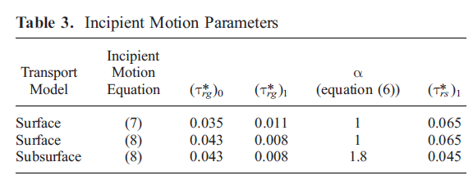
0.23 | 0.076 | 0.090 | 0.111 | 0.132 | 0.123
0.24 | 0.075 | 0.087 | 0.105 | 0.124 | 0.116
0.25 | 0.074 | 0.084 | 0.100 | 0.116 | 0.109
0.26 | 0.072 | 0.082 | 0.095 | 0.109 | 0.103
0.27 | 0.072 | 0.079 | 0.091 | 0.103 | 0.098
0.28 | 0.071 | 0.078 | 0.088 | 0.098 | 0.094
0.29 | 0.070 | 0.076 | 0.085 | 0.094 | 0.090
0.3 | 0.069 | 0.075 | 0.082 | 0.090 | 0.087
0.31 | 0.069 | 0.073 | 0.080 | 0.087 | 0.084 |  | For La Jara:
0.32 | 0.068 | 0.072 | 0.078 | 0.084 | 0.081 |  |  | Tri (Dg/Ds = 10) | Tri (Dg/Ds = 20) | Tri (Dg/Ds = 35) | Tri (Dg/Ds = 50) | Tri (Dg/Ds = 43.4)
0.33 | 0.068 | 0.071 | 0.076 | 0.082 | 0.079 |  | 0.04 | 0.22779 | 0.42772 | 0.72760 | 1.02749 | 0.89554
0.34 | 0.067 | 0.070 | 0.075 | 0.079 | 0.077 |  | 0.045 | 0.21716 | 0.404025 | 0.68432 | 0.96462 | 0.86746
0.35 | 0.067 | 0.070 | 0.074 | 0.078 | 0.076 |  | 0.05 | 0.20653 | 0.38033 | 0.64104 | 0.90175 | 0.83939
0.36 | 0.067 | 0.069 | 0.073 | 0.076 | 0.074
0.37 | 0.067 | 0.069 | 0.072 | 0.074 | 0.073
0.38 | 0.066 | 0.068 | 0.071 | 0.073 | 0.072
0.39 | 0.066 | 0.068 | 0.070 | 0.072 | 0.071
0.4 | 0.066 | 0.067 | 0.069 | 0.071 | 0.070
0.41 | 0.066 | 0.067 | 0.069 | 0.070 | 0.070
0.42 | 0.066 | 0.067 | 0.068 | 0.070 | 0.069
0.43 | 0.066 | 0.067 | 0.068 | 0.069 | 0.069
0.44 | 0.066 | 0.066 | 0.067 | 0.069 | 0.068
0.45 | 0.066 | 0.066 | 0.067 | 0.068 | 0.068
0.46 | 0.065 | 0.066 | 0.067 | 0.068 | 0.067
0.47 | 0.065 | 0.066 | 0.067 | 0.067 | 0.067
0.48 | 0.065 | 0.066 | 0.066 | 0.067 | 0.067
0.49 | 0.065 | 0.066 | 0.066 | 0.067 | 0.067
0.5 | 0.065 | 0.066 | 0.066 | 0.067 | 0.066
0.51 | 0.065 | 0.066 | 0.066 | 0.066 | 0.066
0.52 | 0.065 | 0.065 | 0.066 | 0.066 | 0.066
0.53 | 0.065 | 0.065 | 0.066 | 0.066 | 0.066
0.54 | 0.065 | 0.065 | 0.066 | 0.066 | 0.066
0.55 | 0.065 | 0.065 | 0.066 | 0.066 | 0.066
0.56 | 0.065 | 0.065 | 0.065 | 0.066 | 0.066
0.57 | 0.065 | 0.065 | 0.065 | 0.066 | 0.065
0.58 | 0.065 | 0.065 | 0.065 | 0.066 | 0.065
0.59 | 0.065 | 0.065 | 0.065 | 0.065 | 0.065
0.6 | 0.065 | 0.065 | 0.065 | 0.065 | 0.065
0.61 | 0.065 | 0.065 | 0.065 | 0.065 | 0.065
0.62 | 0.065 | 0.065 | 0.065 | 0.065 | 0.065
0.63 | 0.065 | 0.065 | 0.065 | 0.065 | 0.065
0.64 | 0.065 | 0.065 | 0.065 | 0.065 | 0.065
0.65 | 0.065 | 0.065 | 0.065 | 0.065 | 0.065
0.66 | 0.065 | 0.065 | 0.065 | 0.065 | 0.065
0.67 | 0.065 | 0.065 | 0.065 | 0.065 | 0.065
0.68 | 0.065 | 0.065 | 0.065 | 0.065 | 0.065
0.69 | 0.065 | 0.065 | 0.065 | 0.065 | 0.065
0.7 | 0.065 | 0.065 | 0.065 | 0.065 | 0.065
0.71 | 0.065 | 0.065 | 0.065 | 0.065 | 0.065
0.72 | 0.065 | 0.065 | 0.065 | 0.065 | 0.065
0.73 | 0.065 | 0.065 | 0.065 | 0.065 | 0.065
0.74 | 0.065 | 0.065 | 0.065 | 0.065 | 0.065
0.75 | 0.065 | 0.065 | 0.065 | 0.065 | 0.065
0.76 | 0.065 | 0.065 | 0.065 | 0.065 | 0.065
0.77 | 0.065 | 0.065 | 0.065 | 0.065 | 0.065
0.78 | 0.065 | 0.065 | 0.065 | 0.065 | 0.065
0.79 | 0.065 | 0.065 | 0.065 | 0.065 | 0.065
0.8 | 0.065 | 0.065 | 0.065 | 0.065 | 0.065
0.81 | 0.065 | 0.065 | 0.065 | 0.065 | 0.065
0.82 | 0.065 | 0.065 | 0.065 | 0.065 | 0.065
0.83 | 0.065 | 0.065 | 0.065 | 0.065 | 0.065
0.84 | 0.065 | 0.065 | 0.065 | 0.065 | 0.065
0.85 | 0.065 | 0.065 | 0.065 | 0.065 | 0.065
0.86 | 0.065 | 0.065 | 0.065 | 0.065 | 0.065
0.87 | 0.065 | 0.065 | 0.065 | 0.065 | 0.065
0.88 | 0.065 | 0.065 | 0.065 | 0.065 | 0.065
0.89 | 0.065 | 0.065 | 0.065 | 0.065 | 0.065
0.9 | 0.065 | 0.065 | 0.065 | 0.065 | 0.065
0.91 | 0.065 | 0.065 | 0.065 | 0.065 | 0.065
0.92 | 0.065 | 0.065 | 0.065 | 0.065 | 0.065
0.93 | 0.065 | 0.065 | 0.065 | 0.065 | 0.065
0.94 | 0.065 | 0.065 | 0.065 | 0.065 | 0.065
0.95 | 0.065 | 0.065 | 0.065 | 0.065 | 0.065
0.96 | 0.065 | 0.065 | 0.065 | 0.065 | 0.065
0.97 | 0.065 | 0.065 | 0.065 | 0.065 | 0.065
0.98 | 0.065 | 0.065 | 0.065 | 0.065 | 0.065
0.99 | 0.065 | 0.065 | 0.065 | 0.065 | 0.065
1 | 0.065 | 0.065 | 0.065 | 0.065 | 0.065

