Valuation via Forecasting Ratio
See Rev Model tab for sources!
Asset Name | MOA | Indication | US Pt population size | Annual Pricing of Drug ($) | TAM ($) | Phase (P) | POS (%) - see POS Rates table in cell G13 | Total TAM ($) | POS weighted by TAMs | Sum of weighted POS | Market Cap ($) | Forecasting Ratio (If <1, market's currently undervaluing company so likely attractive investment)
Paltusotine | oral sst2 agonist | acromegaly | 27000 | 109,709 | 2,962,152,180 | Registration - PDUFA Sept 25, 2025 | 86.3% | 16,728,203,720 | 0.15282 | 0.55725 | 3,190,000,000 | 0.34
Paltusotine | oral sst2 agonist | carcinoid syndrome (associated with neuroendocrine tumors, NETs) | 33,000 | 109,709 | 3,620,408,220 | P3 | 57.1% | 16,728,203,720 | 0.12358 | 0.55725 | 3,190,000,000 | 0.34
atumelnant (CRN04894) | Oral ACTH Antagonist via MC2R | Congenital Adrenal Hyperplasia (CAH) - adult | 16,375 | 460,000 | 7,532,500,000 | P3 | 57.1% | 16,728,203,720 | 0.25711 | 0.55725 | 3,190,000,000 | 0.34
atumelnant (CRN04894) | Oral ACTH Antagonist via MC2R | Congenital Adrenal Hyperplasia (CAH) - pediatric | 4550 | 230,000 | 1,046,500,000 | P2 | 15.2% | 16,728,203,720 | 0.00951 | 0.55725 | 3,190,000,000 | 0.34
atumelnant (CRN04894) | Oral ACTH Antagonist via MC2R | ACTH-dependent Cushing’s syndrome | 519 | 460,000 | 238,629,600 | P2 | 15.2% | 16,728,203,720 | 0.00217 | 0.55725 | 3,190,000,000 | 0.34
CRN09682 | Nonpeptide drug conjugate | NETs and SST2-expressing solid tumors | 35,414 | 37,500 | 1,328,013,720 | P1/2 | 15.2% | 16,728,203,720 | 0.01207 | 0.55725 | 3,190,000,000 | 0.34

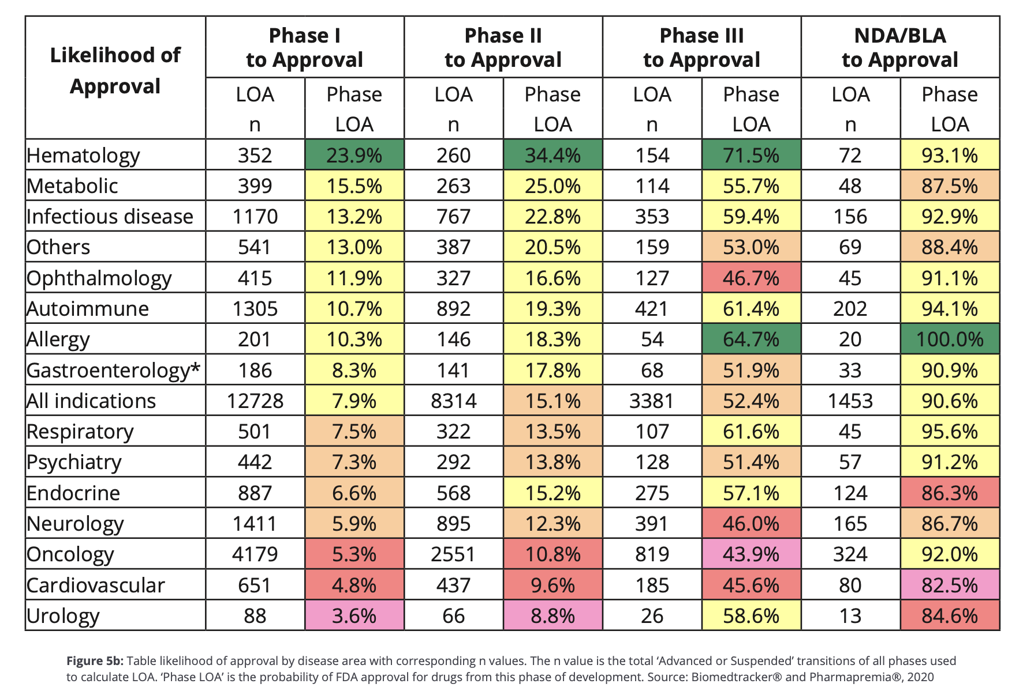
 |  |  |  |  |  | PoS Rates Table: PDF from Clinical Development Success Rates and Contributing Factors 2011–2020 |  |  |  |  |  |  | Forecasting Ratio = (Market cap) / sum(TAM * PoS)
 |  |  |  |  |  |  |  |  |  |  |  |  | Where TAM = total addressable market, and PoS = probability of success.
 |  |  |  |  |  |  |  |  |  |  |  |  | It is the marketcap of the company divided by the sum of probability of success weighted TAMs of each of the assets in pipeline.
 |  |  |  |  |  |  |  |  |  |  |  | The ratio essentially compares the company's current value to its potential future value. A low Forecasting Ratio (less than 1): This could suggest that the market is currently undervaluing the company's future potential. It implies that the company's market cap is less than its potential market opportunity, adjusted for the probability of success. This could be an indicator of an attractive investment, as there may be significant room for growth.

