Requirements Phase Defects
do not print this form |  |  |  | Echipa
Review Form. Requirements Defects |  |  |  |  | Numele si prenumele | Grupa
 |  |  |  | Student 1: | Miron Andrei | 235
 | Document Title: | Requirements Document |  | Student 2: | Sarosi Nicoleta | 236
 | Author Name: | Firicescu George |  | Student 3: | Stanciu Alexandru | 237
 | Reviewer Name: | Miron Andrei, Sarosi Nicoleta, Stanciu Alexandru
 | Review date: | 14.03.2021
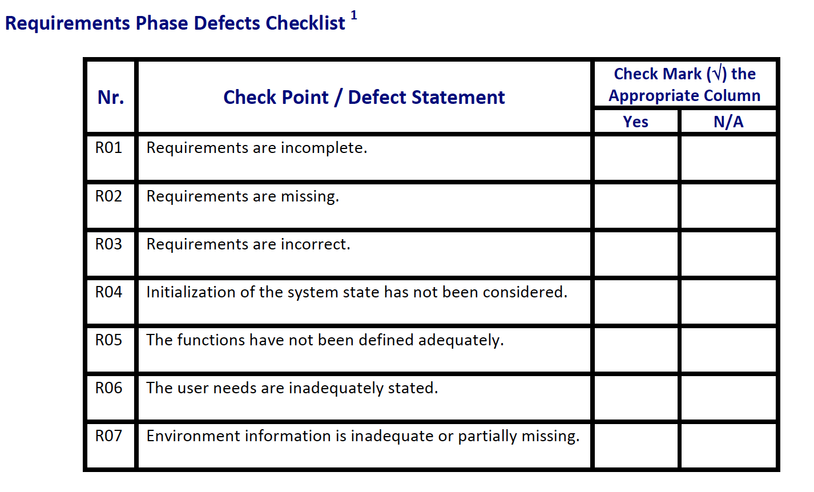
Crt. No. | Checked Item | Doc. page/line | Comments/ improvements
1 | R07 | Primul paragraf | Nu se specifica tipul aplicatiei (web, mobile, desktop) sau sistemul de operare pe care aceasta va rula
2 | R04 | Primul paragraf | Nu se specifica concret modul in care se salveaza datele in fisier. Exista un singur fisier sau cate un fisier separat pentru fiecare entitate? Care este forma unui astfel de fisier? Cum sunt delimitate valorile?
3 | R02 | F01a, F01b | Nu sunt specificate validari pentru datele introduse.
4
5
6
7
8
9
10
11
12
13
14
15
16

 | Effort to review document (hours): |  | 0.5

Architect. Design Phase Defects
do not print this form |  |  |  | Echipa
Review Form. Architectural Design Defects |  |  |  |  | Numele si prenumele | Grupa
 |  |  |  | Student 1: | Miron Andrei | 235
 | Document Title: | Architectural Design Document |  | Student 2: | Sarosi Nicoleta | 236
 | Author Name: | Georgescu Anca |  | Student 3: | Stanciu Alexandru | 237
 | Reviewer Name: | Miron Andrei, Sarosi Nicoleta, Stanciu Alexandru
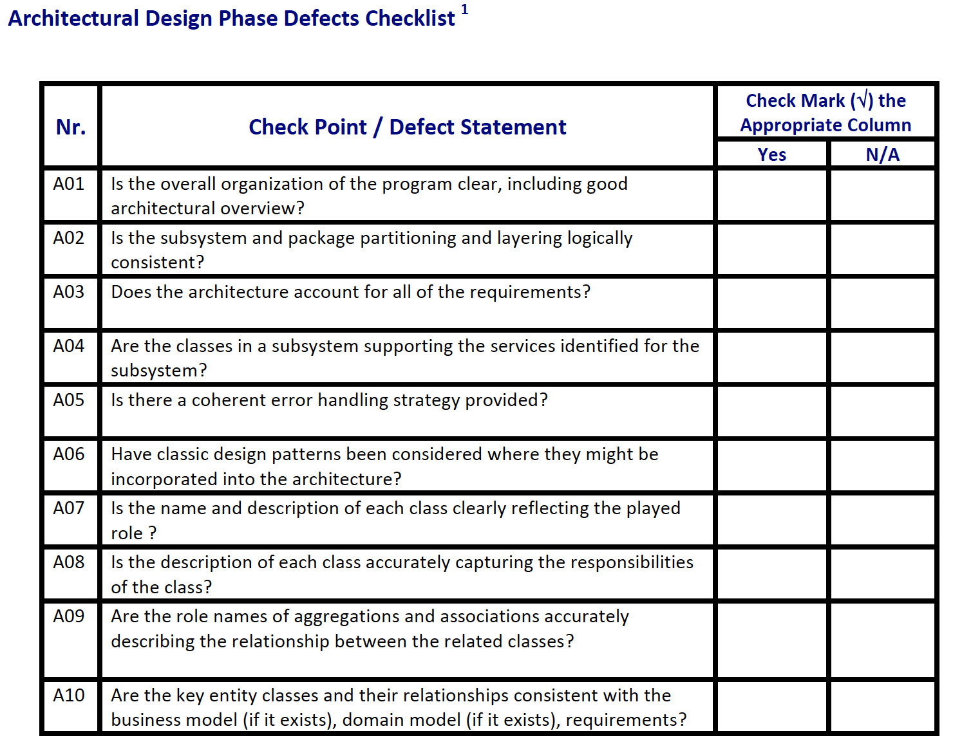
 | Review date: | 14.03.2021

Crt. No. | Checked Item | Doc. page/line | Comments/ improvements
1 | A05 | Diagrama | Nu exista nicio clasa pentru tratarea erorilor.
2 | A01 | Inventory | Modelul clasei Inventory contine metode pentru operatiile CRUD.
3 | A08 | Inventory & InventoryRepository | Ambele clase au atribute si metode asemenatoare
4
5
6
7
8
9
10
11
12
13
14
15
16
17

 | Effort to review document (hours): |  | 0.5

Coding Phase Defects
do not print this form |  |  |  | Echipa
Review Form. Coding Defects |  |  |  |  | Numele si prenumele | Grupa
 |  |  |  | Student 1: | Miron Andrei | 235
 | Document Title: | Coding Document |  | Student 2: | Sarosi Nicoleta | 236
 | Author Name: | Popescu Ionel |  | Student 3: | Stanciu Alexandru | 237
 | Reviewer Name: | Miron Andrei, Sarosi Nicoleta, Stanciu Alexandru
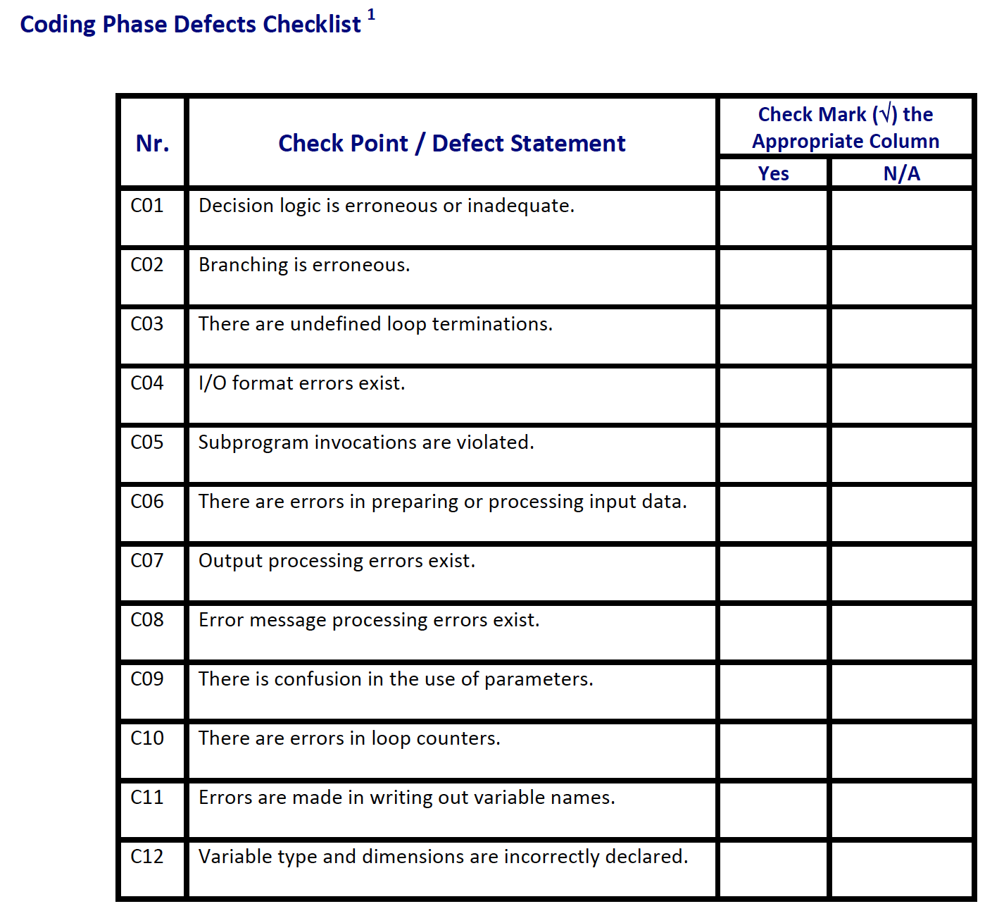
 | Review date: | 14.03.2021

Crt. No. | Checked Item | Doc. page/line | Comments/ improvements
1 | C01 | Interfata aplicatiei | In momentul cautarii in lista este selectat doar primul element gasit.
2 | C01 | Interfata aplicatiei | Aplicatia arunca exceptie daca apasam pe butonul "Delete" fara sa selectam vreun element din lista.
3 | C04 | Interfata aplicatiei | In formularele de adaugare apare un field read only pentru ID.
4
5
6
7
8
9
10
11
12
13
14
15
16
17
18
19
20
21

 | Effort to review document (hours): |  | 0.5

