Subject2
List of Actors with Brief Description
1. System Administrator - The User that maintains the system including the student and instructor information

2. Course Administrator - The User that maintains the Course Content, Course Information, Student Registration, etc. |  |  | Use Case Diagram

3. Billing System - System that is in-charge of the billing and payments of each registration
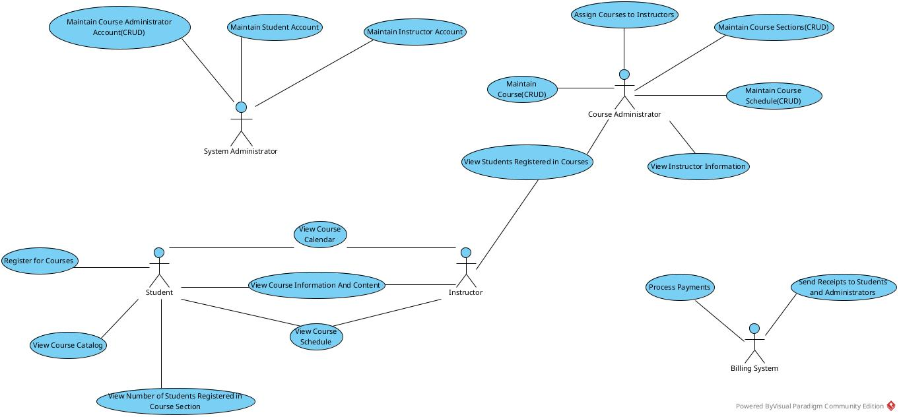
4. Instructor - User that is in-charge of the courses

5. Student - User that registers to the courses

Actor – Goal List
Actor | Goal
System Administrator | G1 | Manage Users(Course Administrators, Students, Instructors)
 | G2 | Manage Security
Course Adminitrator | G1 | Manage Courses

Billing System | G1 | Manage the Payment for the Registration of Courses

Student | G1 | Register for Courses
 | G2 | Request Course Information and Schedules
 | G3 | Pay for Registration through the Billing System
Instructor | G1 | View their Courses to be taught
 | G2 | View Registered Students in their Courses

Use Case List
Maintain Course Administrator Account(CRUD)
Maintain Student Account(CRUD)
Maintain Instructor Account(CRUD)
Assign Courses to Instructors
Maintain Course and Course Catalog(CRUD)
Maintain Course Section(CRUD)
Maintain Course Schedule(CRUD)
View Instructor Information
View Students Registered in Courses
Process Payment
Create and Send Receipts to Students and Administrator
View Course Information and Content
View Course Schedule
View Course Calendar
Register for Courses
View Course Catalog
View Number of Students Registered in Course Section

