Feuil1
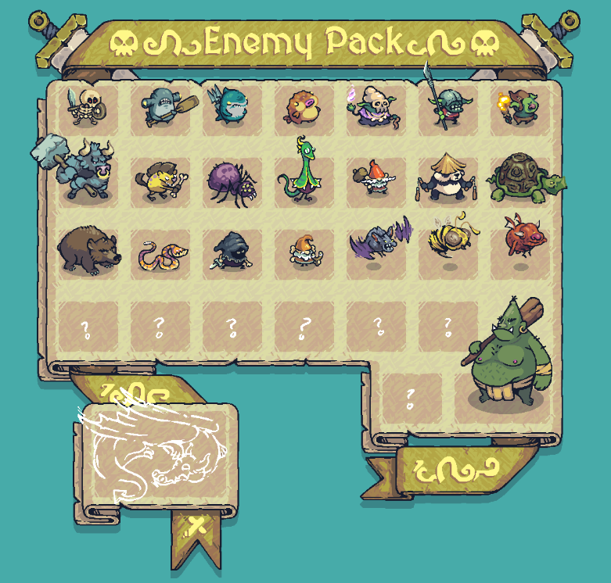
Ligne (Image) | Nom de l'Ennemi | Max Health (Lvl 1) | Attack Range (px) | Movement Speed (px/s) | Attack Damage | Base Recovery Delay (s) | Base Attack Duration (s) | Total Cooldown (Niveau 1 @ 0.5x)
Row 1 | Bone Scrappy | 100 | 65 | 65 | 10 | 1.2 | 0.367 | 2.8s

 | PNG+ 1
Row 1 | Pot-helm Brawler | 160 | 75 | 45 | 14 | 1.5 | 0.2 | 3.5s

 | PNG+ 1
Row 1 | Landfin | 110 | 320 (Ranged) | 75 | 11 | 1.1 | 0.267 | 2.6s

 | PNG+ 1
Row 1 | Round Puffer | 80 | 300 (Ranged) | 40 | 8 | 1.8 | 0.6 | 3.0s

 | PNG+ 1
Row 1 | Bone Witch Doctor | 75 | 230 (Ranged) | 50 | 12 | 1.4 | 0.333 | 3.2s

 | PNG+ 1
Row 1 | Goblin Spearhead | 90 | 85 | 70 | 9 | 1.8 | 0.233 | 2.4s

 | PNG+ 1
Row 1 | Goblin Pyromancer | 85 | 45 | 80 | 11.5 | 0.9 | 0.2333 | 2.2s

 | PNG+ 1
Row 2 | Minotaur Executioner (Capitain) | 450 | 85 | 40 | 25 | 2.8 | 0.4 | 4.4s

 | PNG+ 1
Row 2 | Wild Ratfolk | 65 | 140 (Ranged) | 90 | 7.5 | 0.7 | 0.5 | 1.7s

 | PNG+ 1
Row 2 | Dungeon Spider | 95 | 70 | 70 | 9.5 (Poison) | 1.1 | 0.267 | 2.5s

 | PNG+ 1
Row 2 | Serpent Sage | 130 | 55 | 55 | 13 | 1.3 | 0.3 | 3.0s

 | PNG+ 1
Row 2 | Acorn Gnome | 60 | 65 | 85 | 6.5 | 0.8 | 0.233 | 1.9s

 | PNG+ 1
Row 2 | Panda Monk | 140 | 90 | 60 | 12.0 (Combo) | 2.5 | 0.4333 | 2.5s

 | PNG+ 1
Row 2 | Iron-Shell Tortoise | 220 | 120 | 30 | 16 | 2.2 | 0.333 | 4.4s

 | PNG+ 1
Row 3 | Dire Bear | 180 | 77 | 50 | 18 | 1.6 | 0.3 | 3.6s

 | PNG+ 1
Row 3 | Sand Snake | 70 | 64 | 80 | 8.5 | 0.8 | 0.6 | 2.0s

 | PNG+ 1
Row 3 | Shadow Bandit | 85 | 60 | 95 | 13.5 | 0.75 | 0.2 | 1.75s

 | PNG+ 1
Row 3 (Nouveau) | Clutter Clam (Coquillage) | 150 | 190 (Ranged) | 25 | 15 | 2 | 0.8 | 3.6s

 | MP4
Row 3 (Nouveau) | Vampire Bat (Chauve-souris) | 55 | 23 | 110 | 7.0 (Life Steal) | 0.6 | 0.233 | 1.5s

 | MP4
Row 3 (Nouveau) | Angry Hornet (Frelon/Abeille) | 50 | 22 | 120 | 9 | 0.5 | 0.367 | 1.3s

 | MP4
Row 3 (Nouveau) | Red Piglin / Boarling (Cochon rouge) | 120 | 32 | 75 | 12.5 | 2.5 | 0.4 | 2.2s

 | MP4
Bottom Right | Hill Ogre (Boss) | 800 | 80 | 35 | 50.0 (5.0x Boss) | 2.5 | 1.4 | 5.3s

 | PNG+ 1

