📊 KPI Dashboard
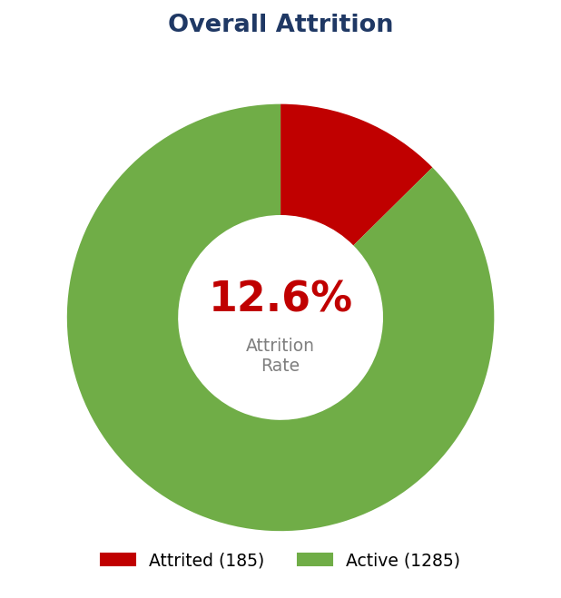
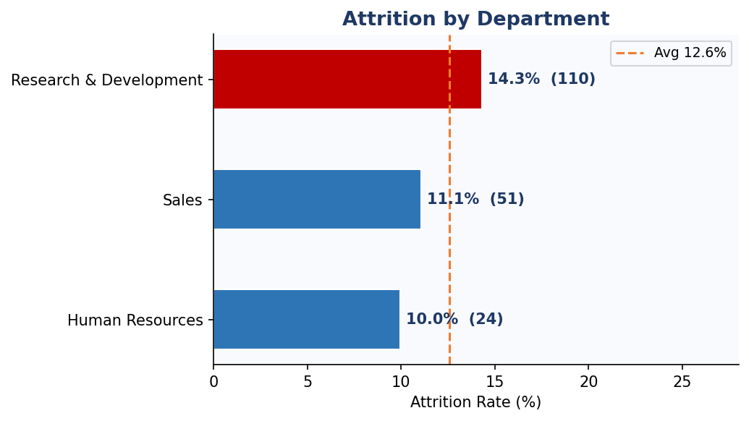
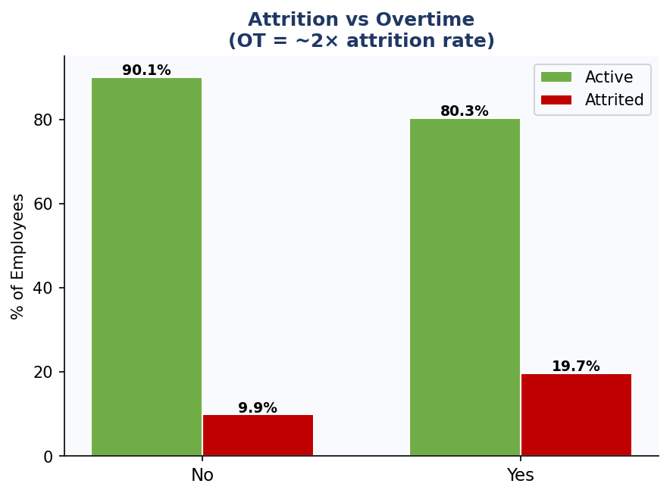
HR Attrition Analysis — Executive KPI Dashboard
IBM HR Dataset | 1,470 Employees | Analysis: 2024

 | 👥 Total Employees |  |  |  | ⚠️ Employees Attrited | 📉 Attrition Rate |  |  | ✅ Active Employees
 | 1,470 |  |  |  | 185 | 12.6% |  |  | 1285

 | All departments |  |  |  | Out of 1,470 | Overall rate |  |  | Currently employed

 | 💰 Avg Monthly Income |  |  |  | 🎂 Avg Age | 📅 Avg Tenure |  |  | 🕐 OT Attrition Rate
 | ₹5,788 |  |  |  | 36.8 yrs | 6.6 yrs |  |  | 19.7%

 | Per employee |  |  |  | Workforce avg | Years at company |  |  | Among OT employees

 | 📋 Attrition by Department |  |  |  |  | 🚨 Top Risk Factors
 | Department | Total | Active | Attrited | Attr Rate | Risk Factor | Attr Rate | Risk Level
 | Research & Development | 768 | 658 | 110 | 14.3% | OverTime = Yes | 19.7% | 🔴 HIGH
 | Sales | 461 | 410 | 51 | 11.1% | Job Satisfaction 1-2 | 15.2% | 🔴 HIGH
 | Human Resources | 241 | 217 | 24 | 10.0% | Work-Life Bal. 1-2 | 15.2% | 🔴 HIGH
 |  |  |  |  |  | Tenure 0-2 yrs | 15.3% | 🟠 MEDIUM
 |  |  |  |  |  | No Stock Options | 14.5% | 🟠 MEDIUM
 |  |  |  |  |  | Frequent Travel | 15.1% | 🟠 MEDIUM

 | 📈 Visual Snapshots

📈 Charts Gallery
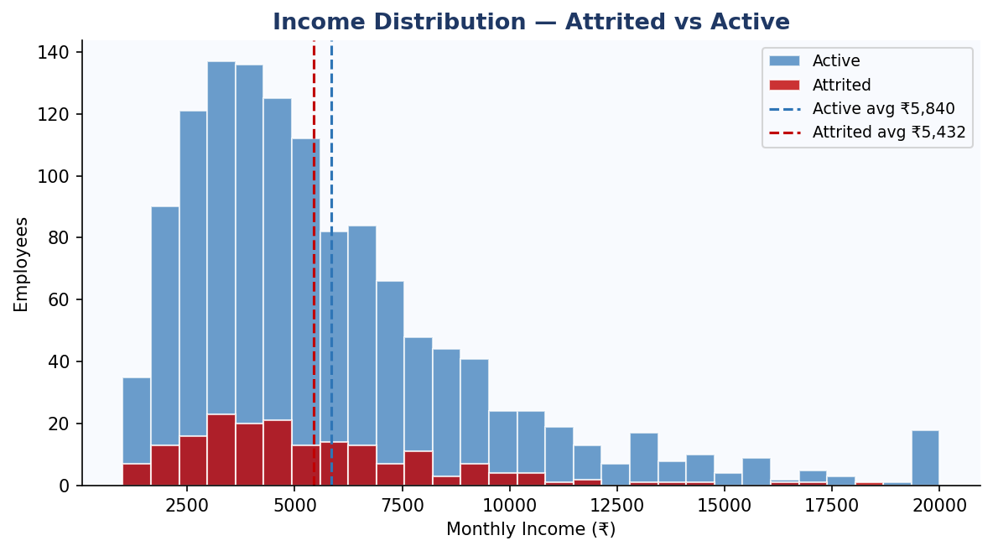
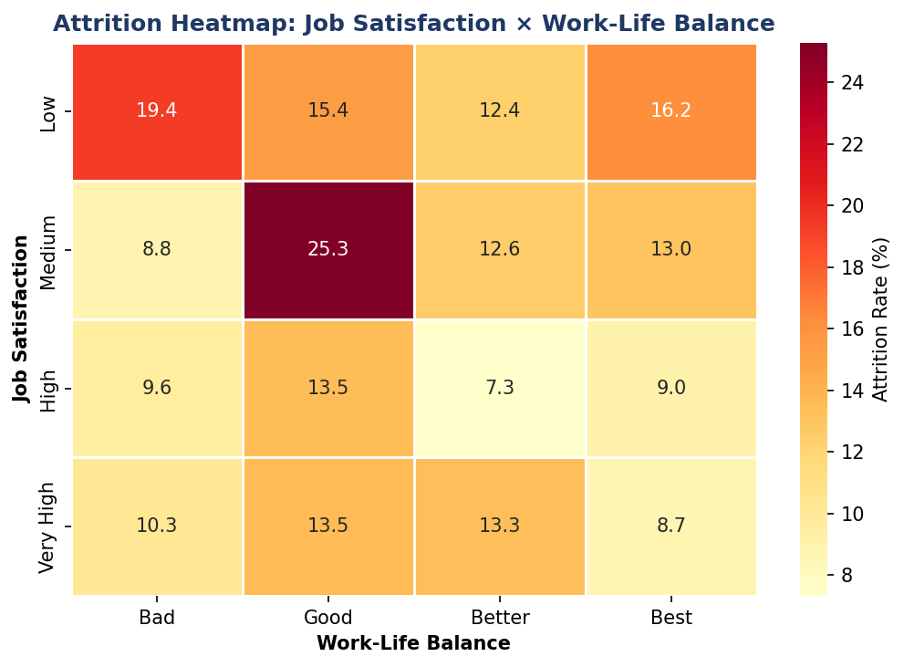
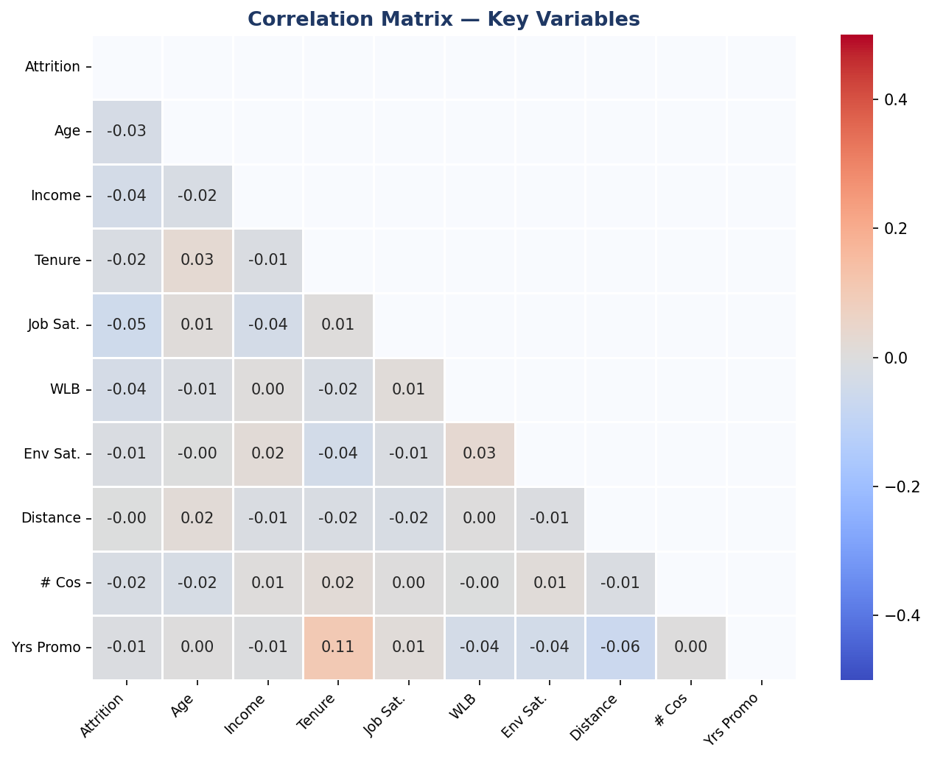
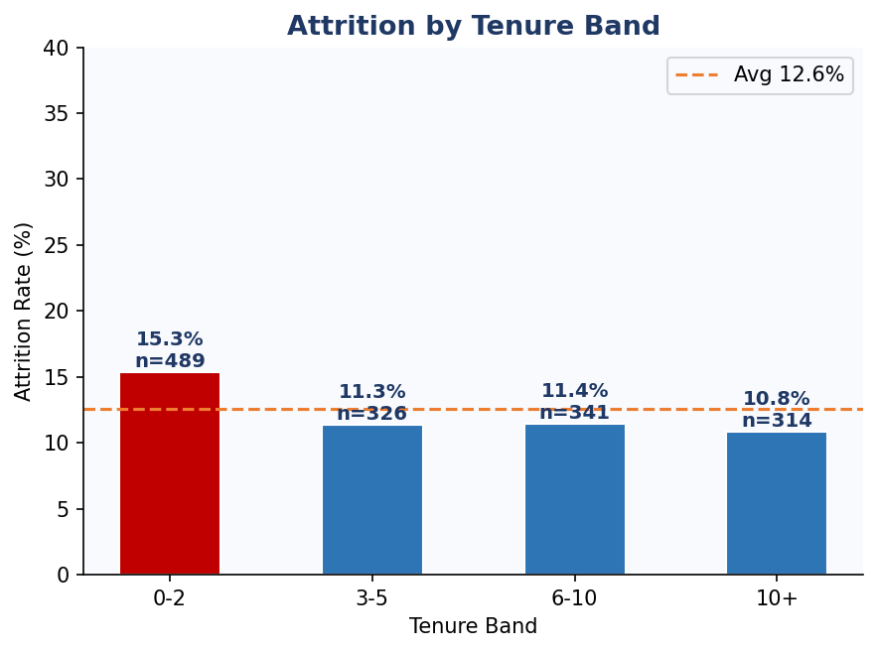
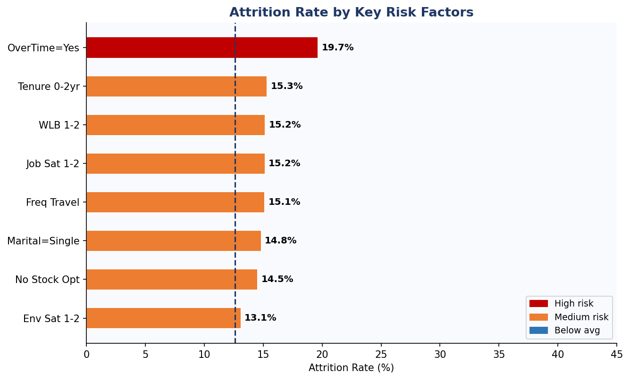
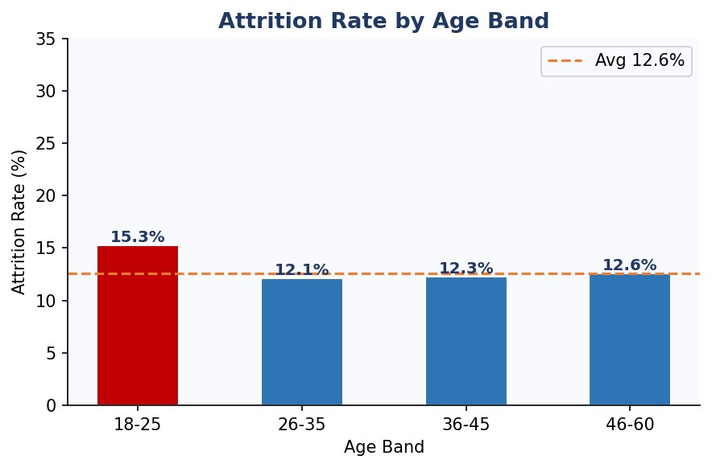
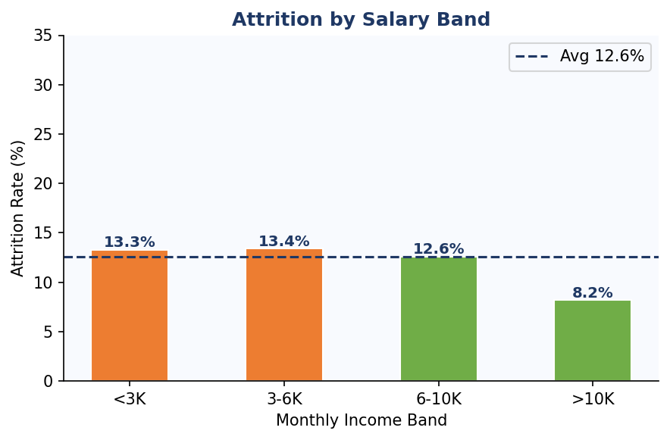
Analysis Charts — HR Attrition (10 Charts)

