INTRODUCTION
INSIGHTS
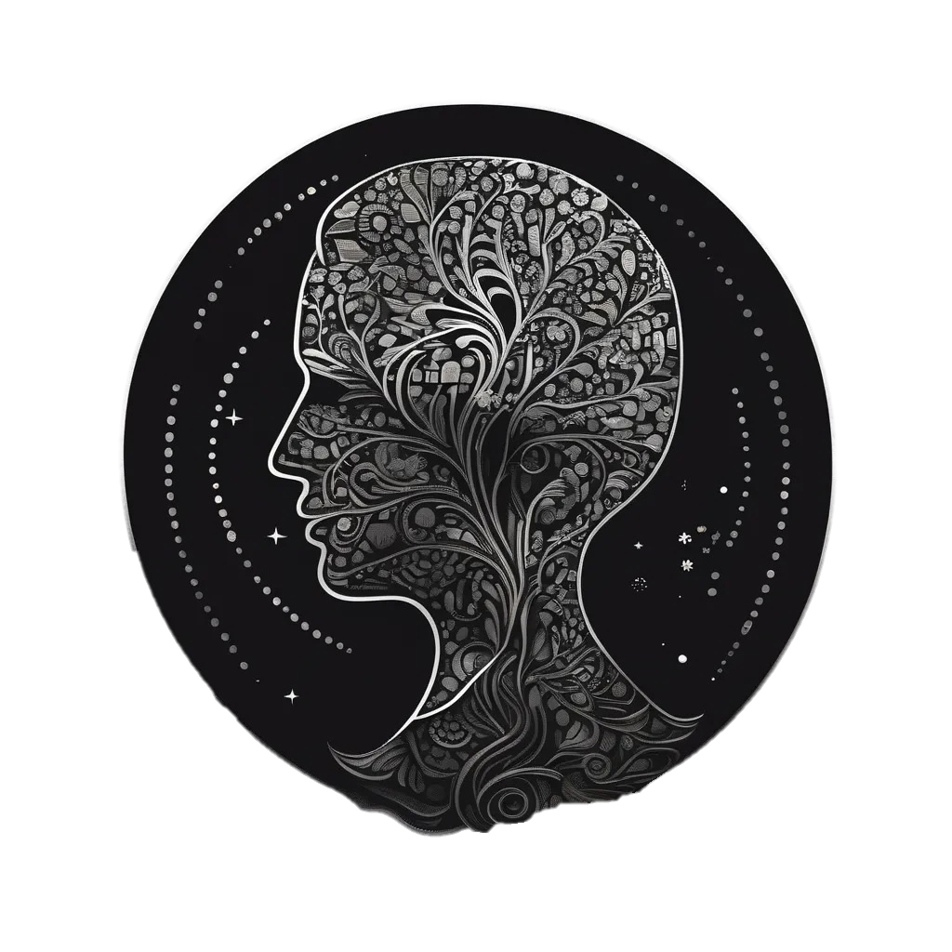

HEALTH

MENTAL
SURVEY

DATA

FUTURESCOPE

CLICK ON THE FIGURE ABOVE TO ACCESS THE DASHBOARD

DASHBOARD
DASHBOARD
INSIGHTS
FUTURESCOPE

Total no. of Students
 | Total
Female | 24
Male | 63
Average Sleep of Students
 | Female | Male
2-4 hrs | 3 | 2
4-6 hrs | 14 | 36
7-8 hrs | 7 | 25
Academic Stress
 | Total
17 | 9
18 | 4
19 | 48
20 | 25
21 | 7
22 | 5
17 | 5
18 | 34
19 | 29
20 | 97
21 | 31
22 | 27
23 | 8
26 | 9
Gender-wise Sports Engagement
 | Female | Male
1-3 times | 4 | 20
4-6 times | 2 | 9
7+ times |  | 10
No Sports | 18 | 24

Students Mental Stress
 | Sum of anxiety | Sum of depression | Sum of isolation
17 | 9 | 9 | 10
18 | 5 | 5 | 5
19 | 35 | 36 | 31
20 | 22 | 22 | 24
21 | 9 | 9 | 7
22 | 5 | 5 | 5
17 | 4 | 4 | 4
18 | 30 | 29 | 33
19 | 22 | 25 | 28
20 | 78 | 76 | 73
21 | 19 | 18 | 21
22 | 25 | 24 | 27
23 | 8 | 8 | 7
26 | 9 | 10 | 7
Financial Stress
 | Total
17 | 10
18 | 5
19 | 34
20 | 17
21 | 6
22 | 5
17 | 1
18 | 29
19 | 35
20 | 82
21 | 25
22 | 30
23 | 6
26 | 10
Participation in Activities
 | Total
Creative Outlets | 10
Online Entertainment | 37
Outdoor Activities | 19
Religious Activities | 46
Sleep | 20
Social Connections | 33
Sports and Fitness | 20

INSIGHTS
insights
FUTURESCOPE
DASHBOARD

FUTURESCOPE
futurescope
INSIGHTS
DASHBOARD

Mental Health is serious issue which if not cured or not bothered to look after will cause various problems.
To cure this or cope from mental illness it is necessary that the certain person takes these following steps into consideration;

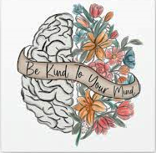

Some of them would be;
1. Deep breathing

1. Person might suffer from Headaches and Burnout
2. Practicing yoga & meditation

2. Procrastination becomes a big part of that persons life
3. Engaging in physical activities like exercising, dancing or stretching

3. In some cases people might become insomniac
4. Surrounding and keeping your loved ones close to you

4. Some might even cause self-harm
5. Always being grateful !

In conclusion, addressing students' mental health is not just essential but transformative. By fostering understanding, support, and open conversations, we can create an environment where every student has the chance to thrive

Total_Students
Row Labels | Count of gender
Female | 24
Male | 63
Grand Total | 87
Total no. of Students

Average_Sleep
Count of gender | Average Sleep
Gender | Female | Male | Grand Total
2-4 hrs | 3 | 2 | 5
4-6 hrs | 14 | 36 | 50
7-8 hrs | 7 | 25 | 32
Grand Total | 24 | 63 | 87
Average Sleep of Students

Sports_Engagement
Count of gender | Sports Engagement
Gender | Female | Male | Grand Total
1-3 times | 4 | 20 | 24
4-6 times | 2 | 9 | 11
Gender-wise Sports Engagement
 | Female | Male
1-3 times | 4 | 20
4-6 times | 2 | 9
7+ times |  | 10
No Sports | 18 | 24
7+ times |  | 10 | 10
No Sports | 18 | 24 | 42
Grand Total | 24 | 63 | 87

Mental_Stress
Row Labels | Sum of anxiety | Sum of depression | Sum of isolation
Female | 85 | 86 | 82
17 | 9 | 9 | 10
18 | 5 | 5 | 5
19 | 35 | 36 | 31
20 | 22 | 22 | 24
21 | 9 | 9 | 7
22 | 5 | 5 | 5
Students Mental Stress
Male | 195 | 194 | 200
17 | 4 | 4 | 4
18 | 30 | 29 | 33
19 | 22 | 25 | 28
20 | 78 | 76 | 73
21 | 19 | 18 | 21
22 | 25 | 24 | 27
23 | 8 | 8 | 7
26 | 9 | 10 | 7
Grand Total | 280 | 280 | 282

Academic_Stress
Row Labels | Sum of academic_workload
Female | 98
17 | 9
18 | 4
19 | 48
Academic Stress
20 | 25
21 | 7
22 | 5
Male | 240
17 | 5
18 | 34
19 | 29
20 | 97
21 | 31
22 | 27
23 | 8
26 | 9
Grand Total | 338

Financial_Stress
Row Labels | Sum of financial_concerns
Female | 77
17 | 10
18 | 5
Financial Stress
19 | 34
20 | 17
21 | 6
22 | 5
Male | 218
17 | 1
18 | 29
19 | 35
20 | 82
21 | 25
22 | 30
23 | 6
26 | 10
Grand Total | 295

Stress_Relief_Activities
Row Labels | Sum of Count_of_Students
Creative Outlets | 10
Online Entertainment | 37
Outdoor Activities | 19
Participation in Activities
Religious Activities | 46
Sleep | 20
Social Connections | 33
Sports and Fitness | 20
Grand Total | 185

