Sheet1
MQTT |  |  |  | Message Queuing Telemetry Transport

 |  |  |  |  | 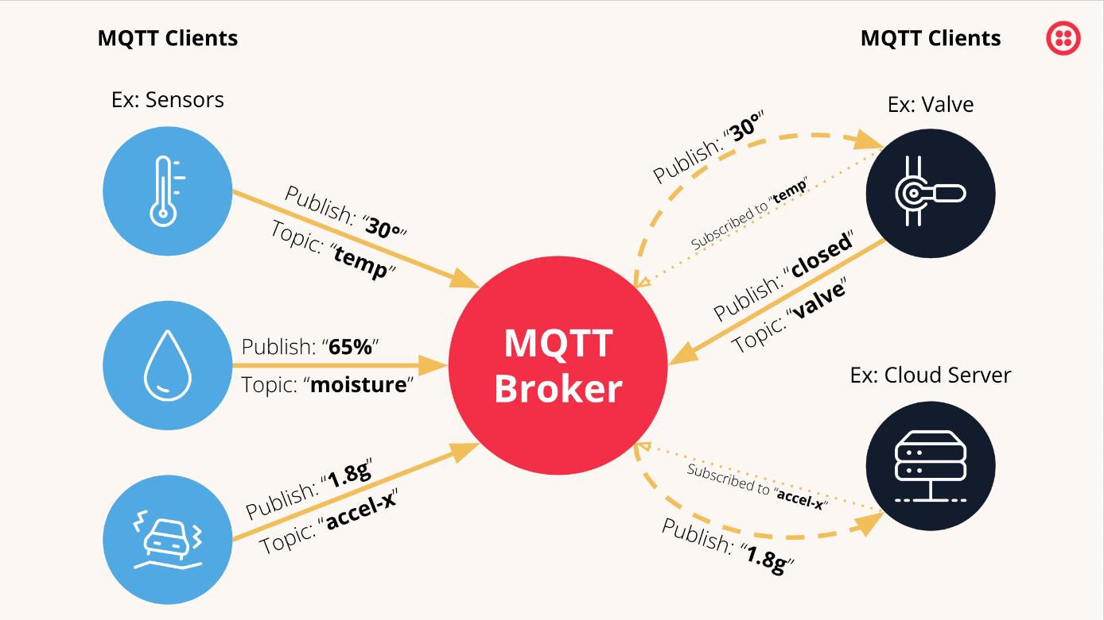
 | Light weight & Publish-Subscriber network protocol
 | Machine-to-machine communication
 | Resource-efficient, with high-latency, low-bandwidth usage and low-power consumption
 | Developed in 1999 by Andy Stanford-Clark of IBM and Arlen Nipper of Arcom (now Cirrus Link)
 | Latest version- MQTT 5
 | New features- scalability enhancements, improved error reporting, and message and session expiry timers
 | MQTT Tools- Postman, CrystalMQ Cloud, Open MQTT Benchmark Suite
 | Ensures message delivery based on Quality of Service (QoS) levels
 | Quality of Service (QoS):
 |  | 1.QoS 0: At most once delivery (fire-and-forget)
 |  | 2.QoS 1: At least once delivery (message may be redelivered)
 |  | 3.QoS 2: Exactly once delivery (most reliable)
 | Retained Messages- broker to store the last message for a topic and deliver it to new subscribers
 | Last Will and Testament (LWT)
 | Supports SSL/TLS for encryption(security)
 | Minimal header size reduces data payload(efficient overhead)
 | Retained Messages
 | Persistent Session
 | MQTT Brokers- Eclipse Mosquitto, HiveMQ, EMQX,NanoMQ,ActiveMQ,Eclipse Paho

MODBUS
 |  |  |  |  | 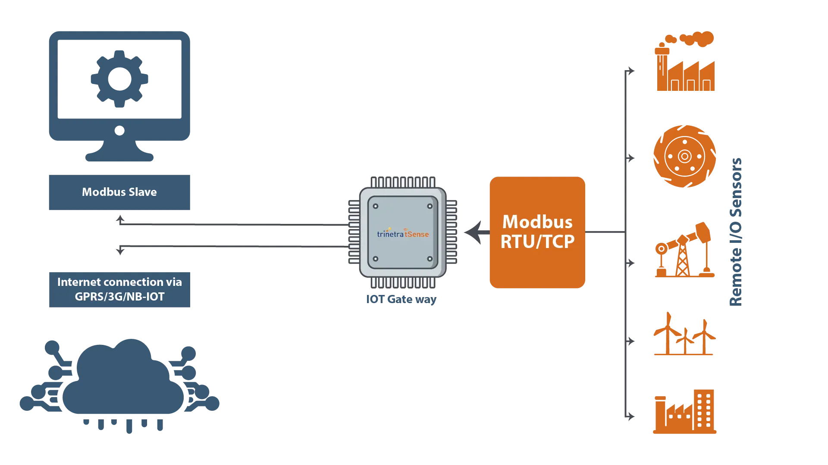

 | Serial communication protocol
 | By Modicon (now Schneider Electric) in 1979 for programmable logic controllers (PLCs)
 | Master-Slave Architecure
 | Works over various physical and network layers, including serial (RS-232, RS-485) and TCP/IP
 | Types:
 | 1.Modbus RTU(Remote Terminal Unit)
 |  | Binary format data transfer
 |  | used within RS-485 or RS-232(serial)

 | 2.Modbus ASCII
 |  | Readable ASCII format data transfer
 |  | less efficient than RTU
 |  | high data overhead & easy debug

 | 3.Modbus TCP/IP
 |  | Modbus over Ethernet using the TCP/IP protocol
 |  | faster communication and integration

 | 4.Modbus Plus
 |  | proprietary version of Modbus with token-passing architecture
 |  | Faster but not widely adopted due to being proprietary

 | Registers:
 |  | stores within slave's device
 |  | four primary data types:
 |  |  | 1.Coils (Discrete Outputs): 1-bit values (read/write)
 |  |  | 2.Discrete Inputs: 1-bit values (read-only)
 |  |  | 3.Input Registers: 16-bit values (read-only)
 |  |  | 4.Holding Registers: 16-bit values (read/write)

 | Function Codes(predefined):
 |  | 01: Read Coils
 |  | 03: Read Holding Registers
 |  | 06: Write Single Register
 |  | 16: Write Multiple Registers

