Sheet1
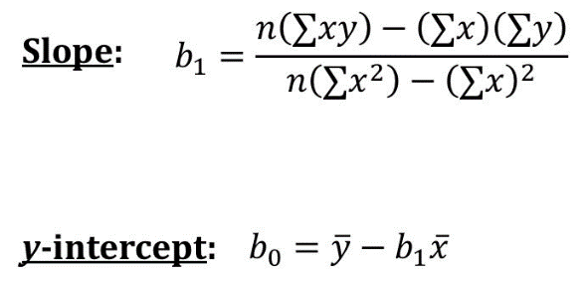
MONTH | PRICE | x-x' | y-y' | xy | x2 | n | b1 | bo | Ynew
1 | 2072.5 | -5.5 | -392.86 | 16024.863636 | 42.25 | 12 | 176273.5 | -56.62 | 176652.7867
2 | 2267.1 | -4.5 | -198.26 |  |  |  | 464.75 |  | 352926.2867
3 | 2523.7 | -3.5 | 58.34 |  |  |  | 379.28671329 |  | 529199.7867
4 | 2537.8 | -2.5 | 72.44 |  |  |  |  |  | 705473.2867
5 | 2467 | -1.5 | 1.64 |  |  |  |  |  | 881746.7867
6 | 2403.85 | -0.5 | -61.51 |  |  |  |  |  | 1058020.2867
7 | 2378.7 | 0.5 | -86.66 |  |  |  |  |  | 1234293.7867
8 | 2398.55 | 1.5 | -66.81 |  |  |  |  |  | 1410567.2867
9 | 2655.85 | 2.5 | 190.49 |  |  |  |  |  | 1586840.7867
10 | 2780.45 | 3.5 | 315.09 |  |  |  |  |  | 1763114.2867
11 | 2633.5 | 4.5 | 168.14 |  |  |  |  |  | 1939387.7867
12 | 2408.7 | 5.5 | -56.66 |  |  |  |  |  | 2115661.2867
6.5 | 2465.3636364 | 0 | -56.62

Sheet2
MONTH | PRICE | ynew
1 | 2072.5 | 176652.7867
2 | 2267.1 | 352926.2867
3 | 2523.7 | 529199.7867
4 | 2537.8 | 705473.2867
5 | 2467 | 881746.7867
6 | 2403.85 | 1058020.2867
STOCK MARKET ANALYSIS OF RELIANCE
7 | 2378.7 | 1234293.7867
8 | 2398.55 | 1410567.2867
9 | 2655.85 | 1586840.7867
10 | 2780.45 | 1763114.2867
11 | 2633.5 | 1939387.7867
12 | 2408.7 | 2115661.2867

