Table 1
Product Name | Category | Quantity | Price | images
Pachanrattan Syrup | Syrups | 100ml, 200 mL, 500ml | ₹80, ₹168.7, ₹300 | 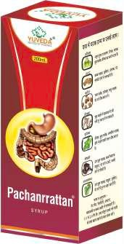
Active Energy Syrup | Syrups | 200ml | ₹131.20
Hercordial | Syrups | 200ml, 500ml | ₹160, ₹300 | 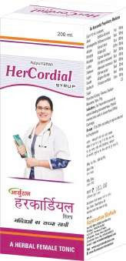
Ayurpure | Syrups | 100ml,200ml | ₹80, ₹140 | 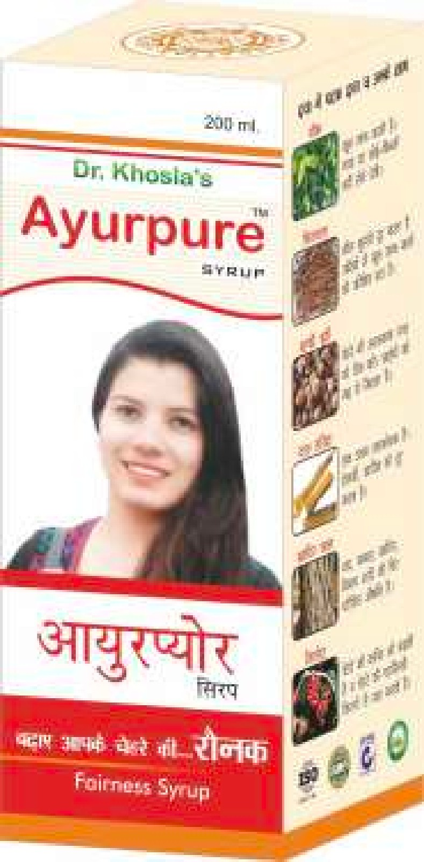
Yakritrattan | Syrups | 100ml, 200 mL, 500ml | ₹80, ₹170, ₹281.2 | 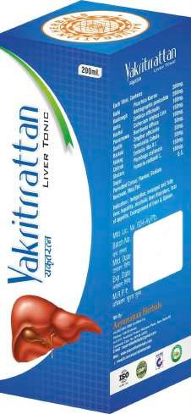
Kuff Ratan | Syrups | 100ml,200ml | ₹90, ₹150 | 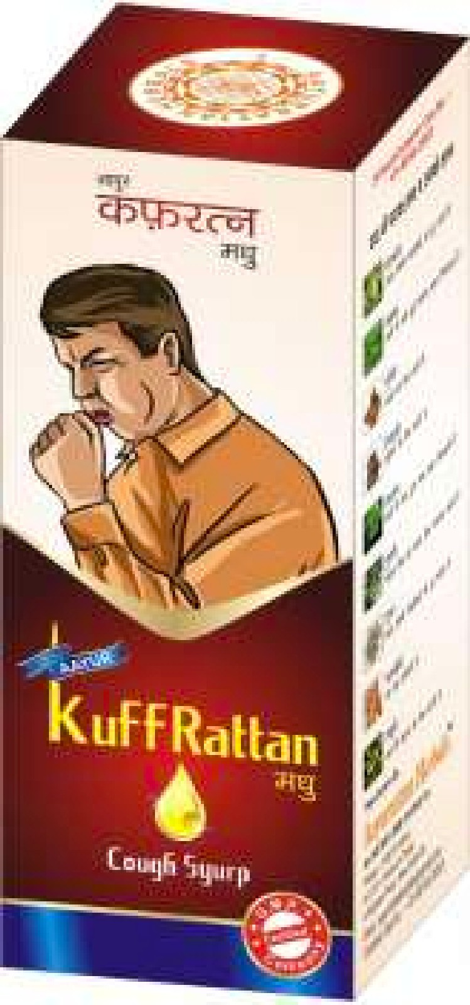
Bed Wet Go | Syrups | 200ml | ₹190.00 | 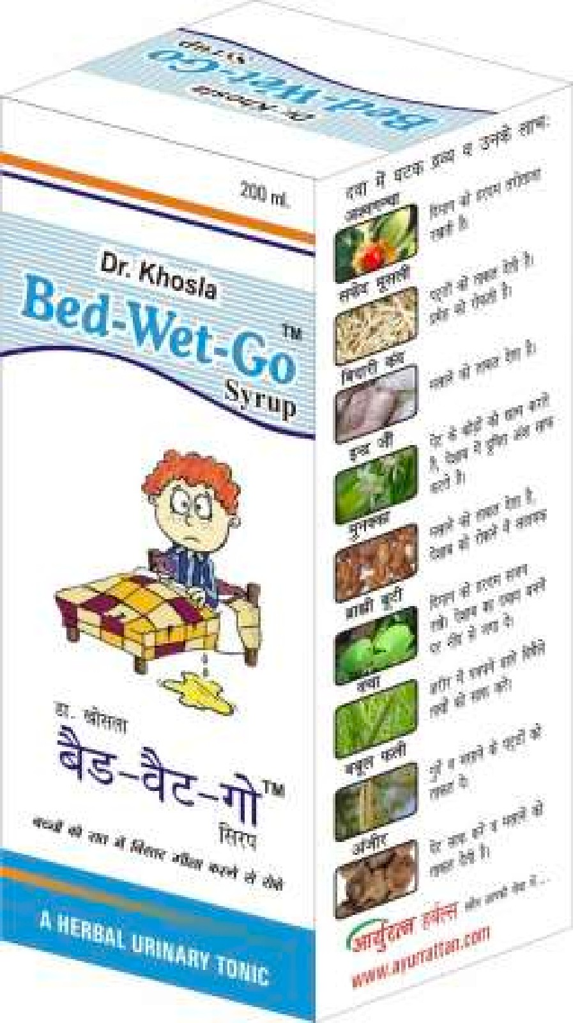
Kutaj Cure | Syrups | 100ml,200ml | ₹80, ₹170 | 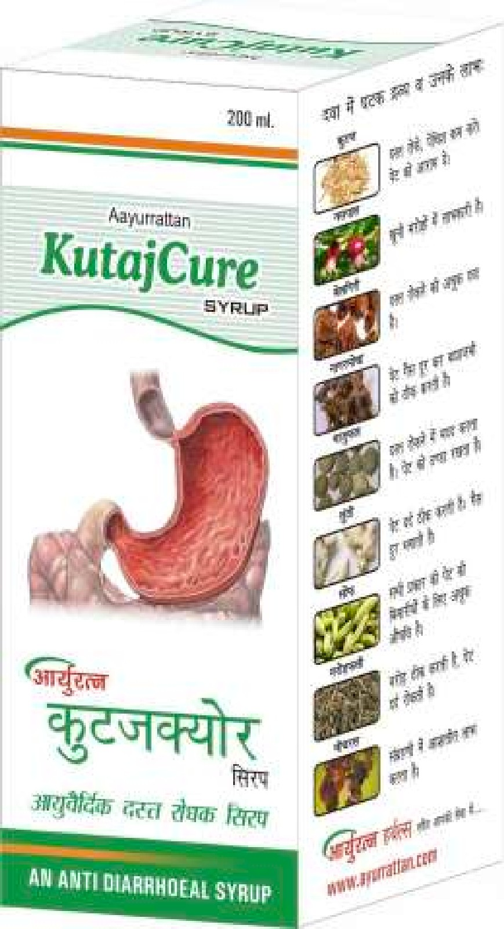
Shankh Pushpi | Syrups | 200ml | ₹140.00
Kastone | Syrups | 200ml | ₹155.00 | 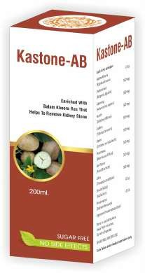
Immunerattan Syrup | Syrups | 100ml,200ml | ₹110, ₹165 | 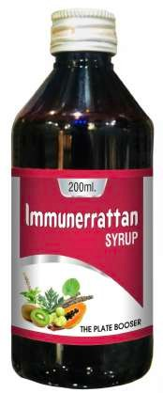
Uric Acid Syrup | Syrups | 200ml, 500ml | ₹260, ₹480 | 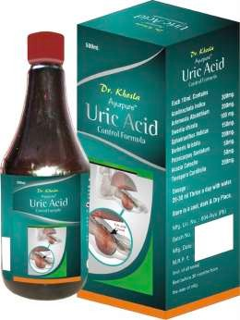
Laxure Kids Syrup | Syrups | 100ml | ₹120.00 | 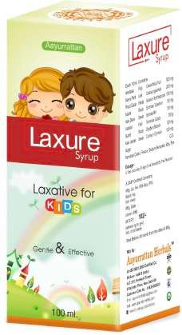
Gaujawan Arq | Arq | 500ml | ₹150.00 | 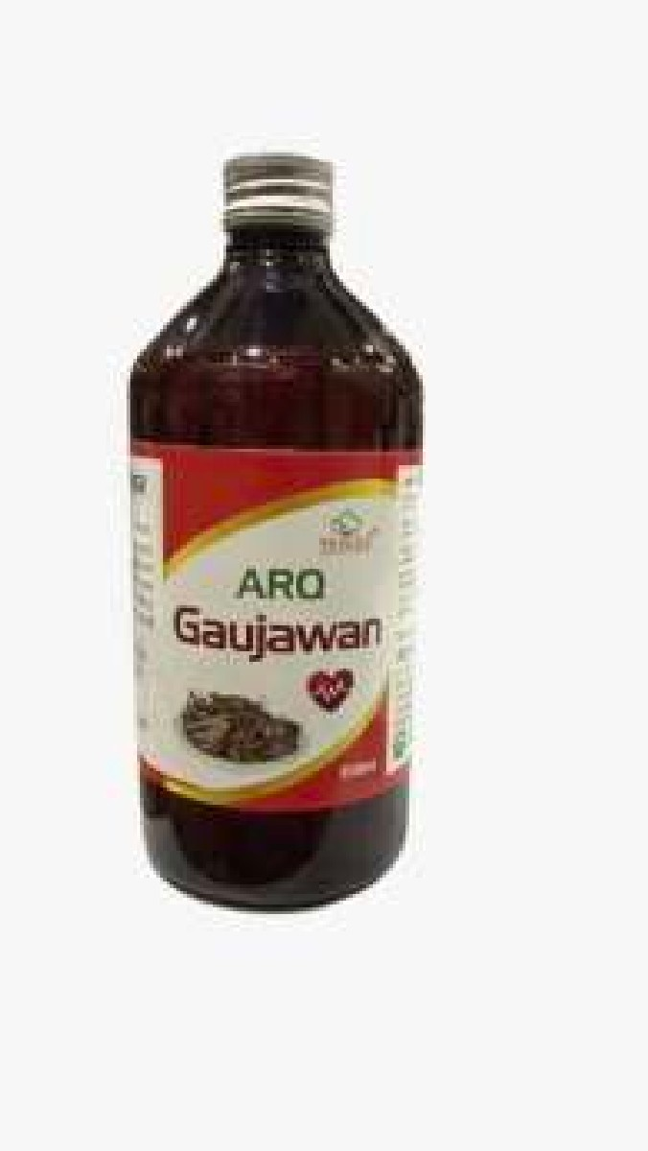
Gulab Arq | Arq | 500ml | ₹130.00 | 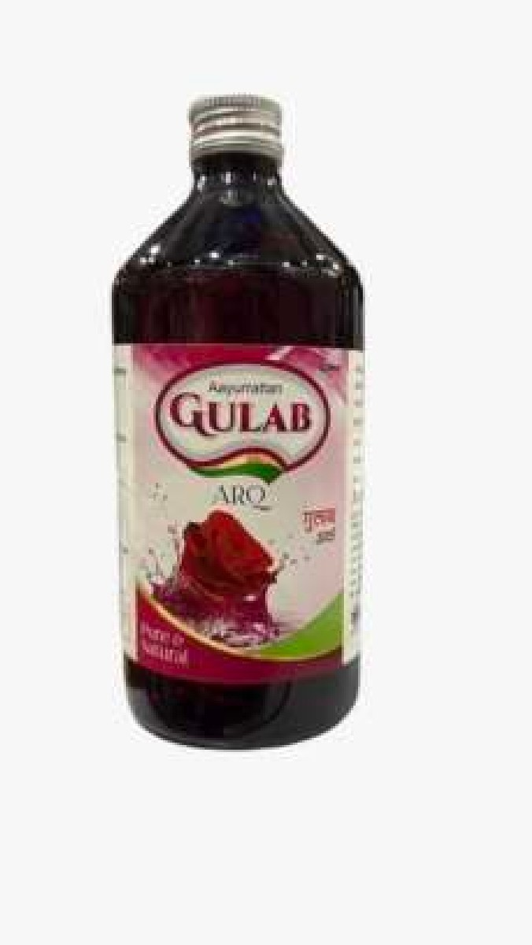
Punarnava Arq | Arq | 500ml | ₹150.00 | 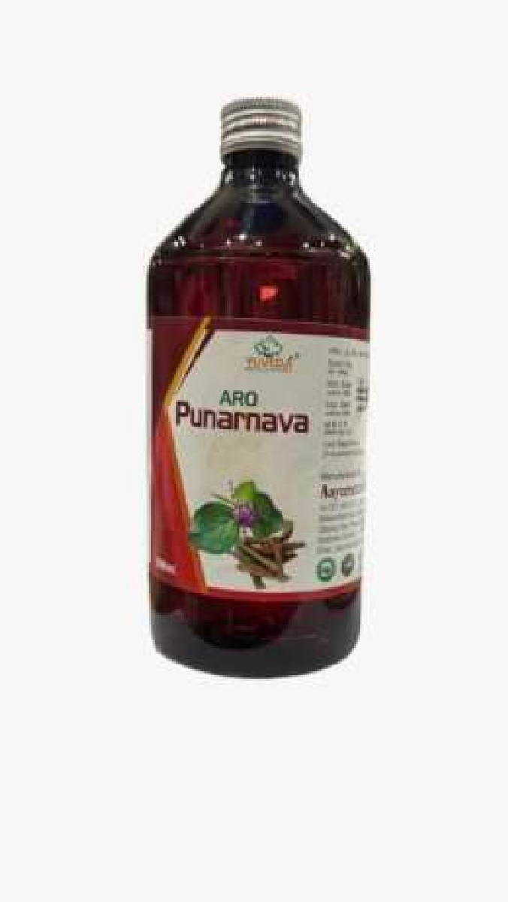
Makoy Arq | Arq | 500ml | ₹150.00 | 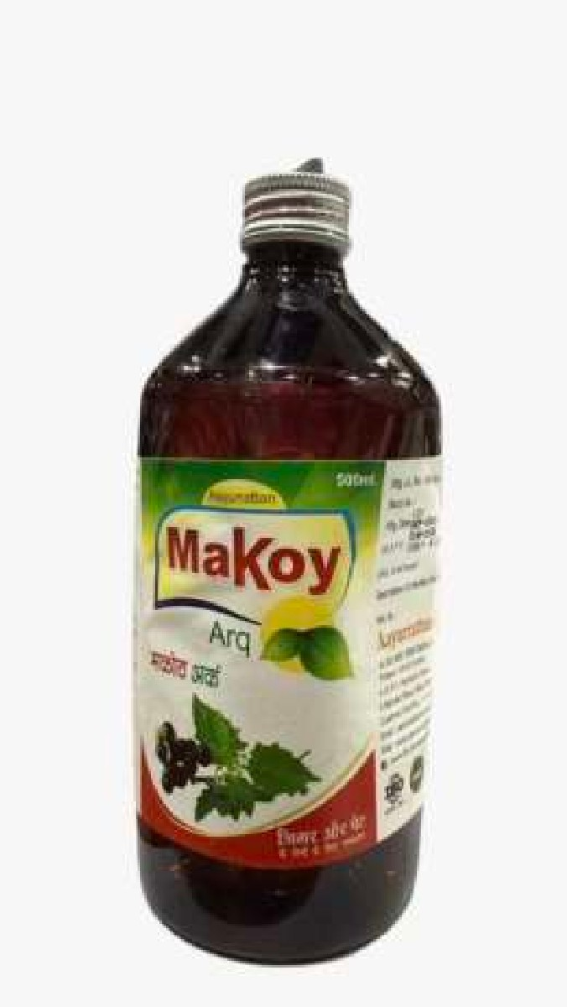
Khasni Arq | Arq | 500ml | ₹150.00 | 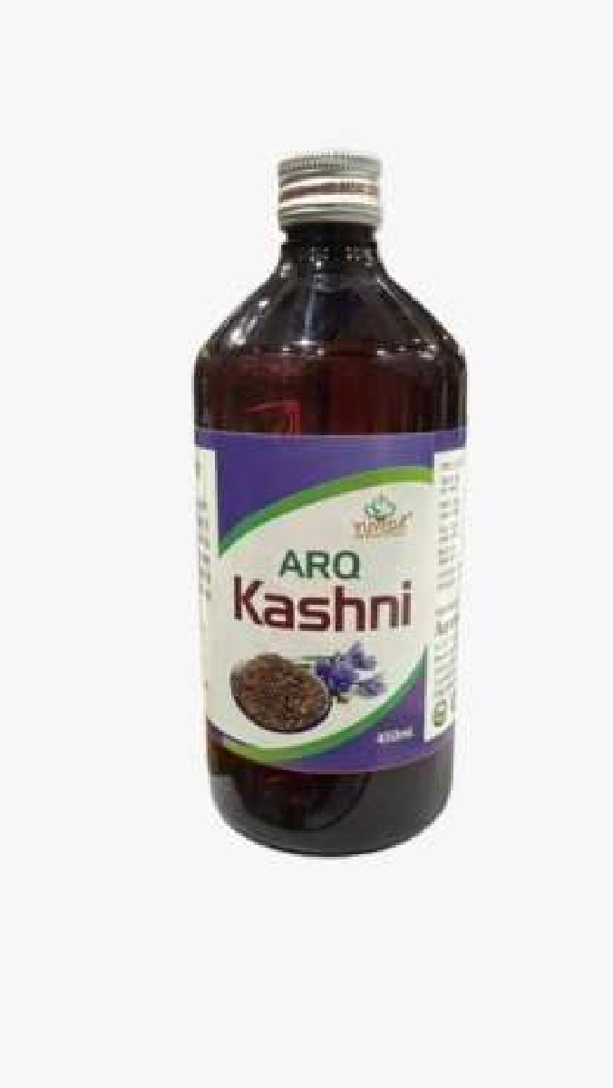
Saunf Arq | Arq | 500ml | ₹130.00 | 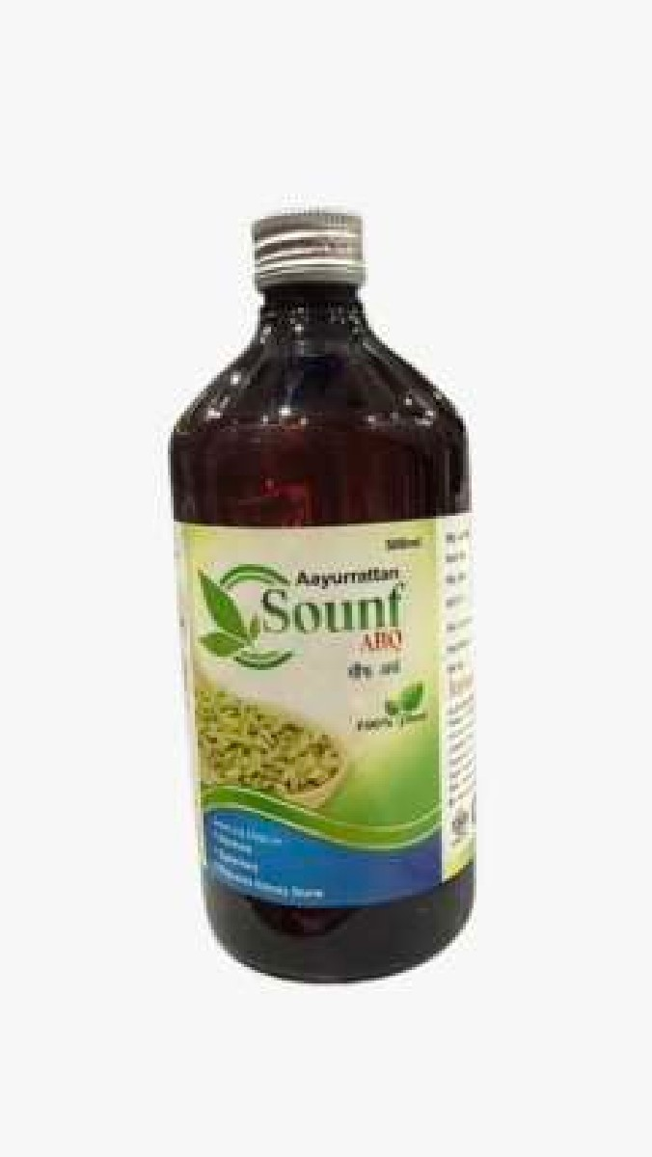
Joshanda Syrup | Syrups | 100ml,200ml | ₹80, ₹150 | 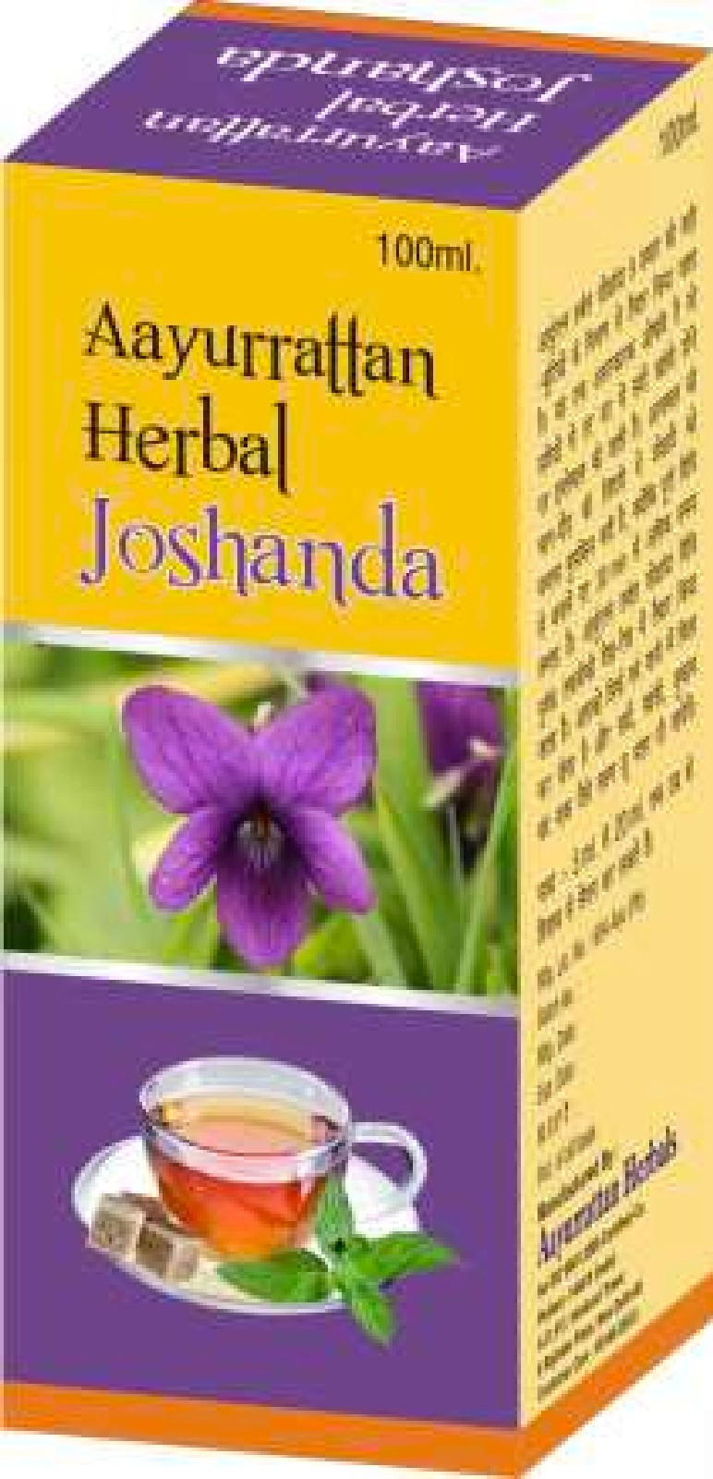
Female Cordial | Syrups | 200ml | ₹160.00
Chawarka Kids | Syrups | 200ml | ₹80.00
Laxure Adult | Syrups | 200ml | ₹160.00
Balya Rattan Syrup | Syrups | 200ml | ₹150.00
Amla Powder | Powders | 100gm | ₹60.00 | 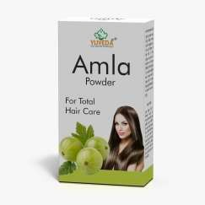
Amla Reetha Shikakai | Powders | 100gm | ₹60.00 | 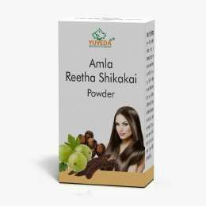
Hibiscus Powder | Powders | 100gm | ₹280.00 | 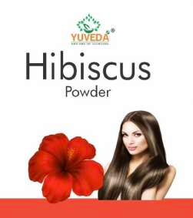
Moringa Powder | Powders | 100gm | ₹220.00 | 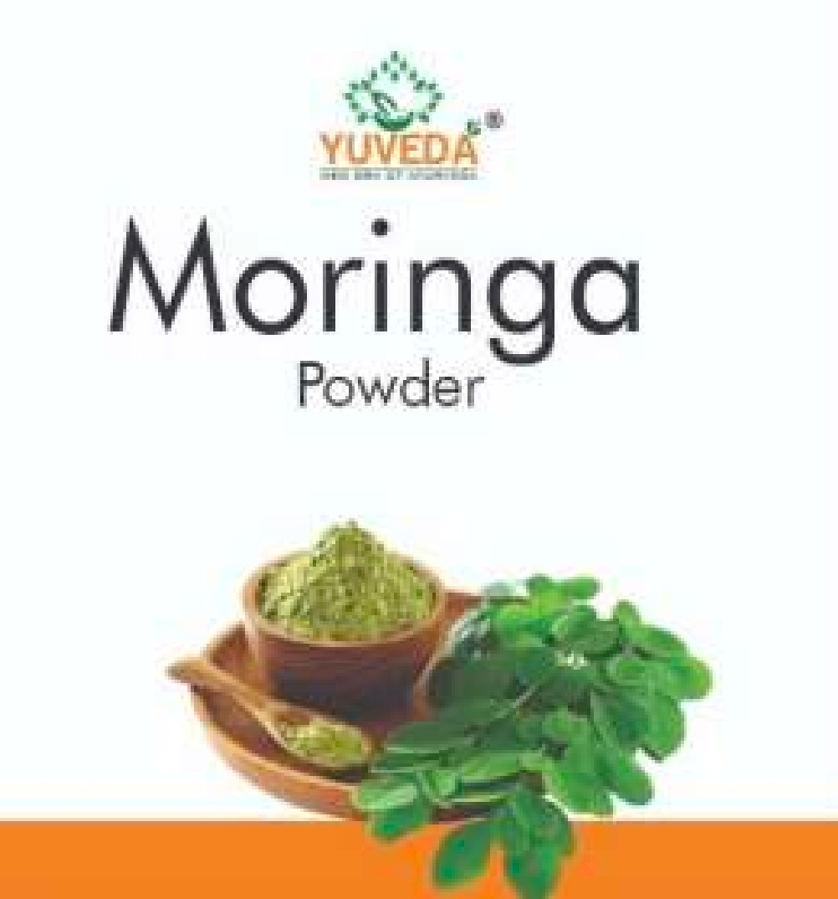
Arjun Chaal | Powders | 100gm | ₹80.00 | 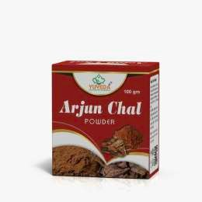
Bhringraj Powder | Powders | 100gm | ₹60.00 | 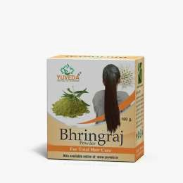
Derma Care Powder | Powders | 100gm | ₹50.00
Gokhru Powder | Powders | 100gm | ₹100.00
Indigo Powder | Powders | 100gm | ₹70.00 | 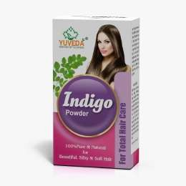
Kaunch Beej Powder | Powders | 100gm | ₹160.00 | 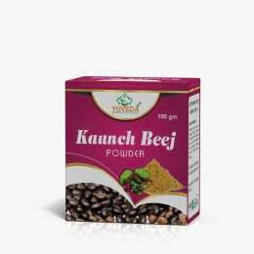
Orange Peel Powder | Powders | 100gm | ₹120.00 | 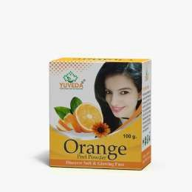
Ashwagandha Powder | Powders | 100gm | ₹160.00 | 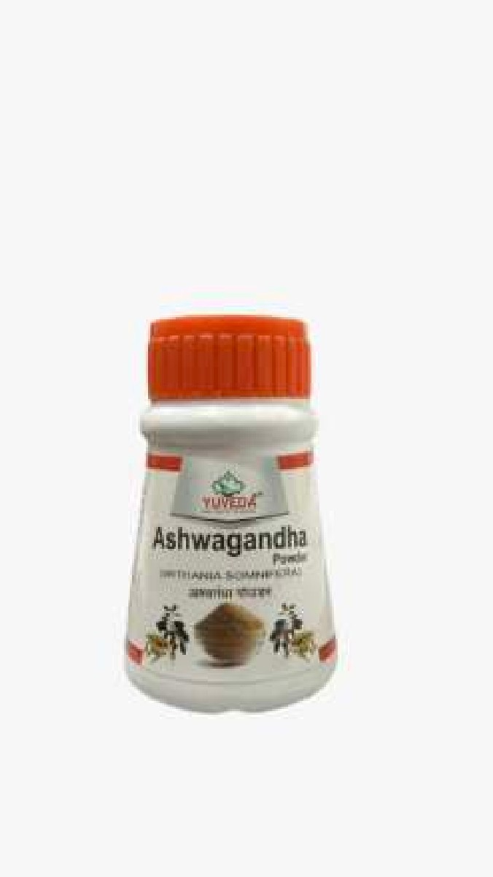
Neem Powder | Powders | 100gm | ₹110.00 | 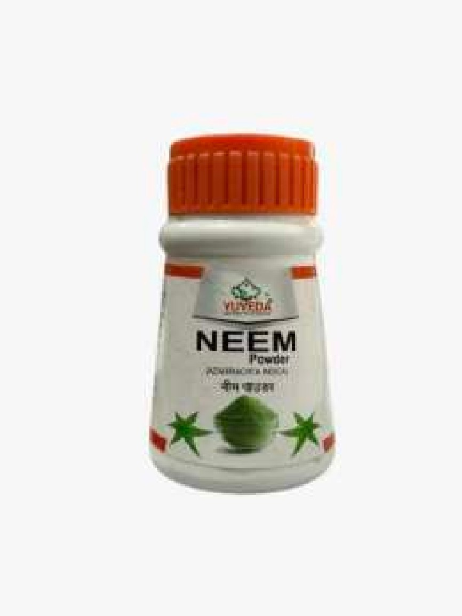
Shatavari Powder | Powders | 100gm | ₹280.00 | 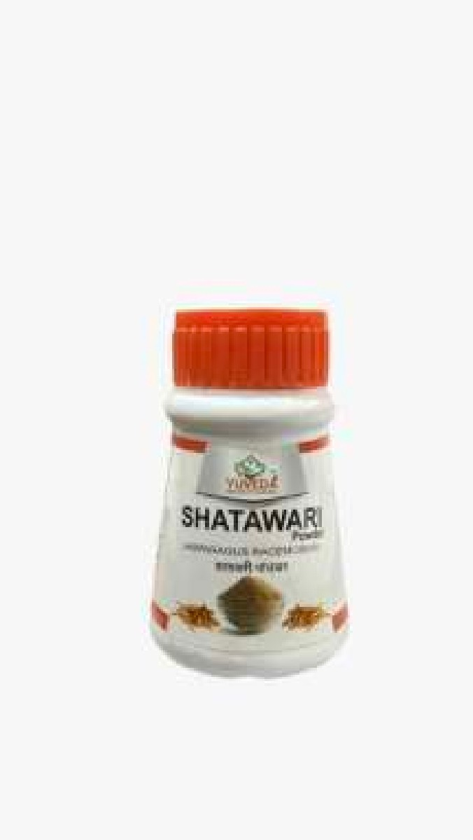
Multani Mitti | Powders | 100gm | ₹52.00 | 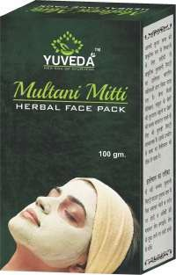
Neem Karela Jamun Powder | Powders | 100gm | ₹150.00
Mulethi Powder | Powders | 100gm | ₹52.00
Amba Haldi Powder | Powders | 100gm | ₹150.00
Ashwagandha Capsule | Capsules | 60 cap | ₹360.00 | 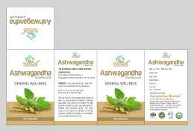
Haridra Capsule | Capsules | 60 cap | ₹280.00 | 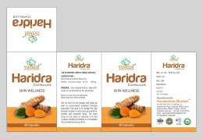
Arjuna Capsule | Capsules | 60 cap | ₹300.00 | 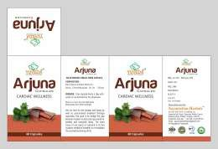
Shatavari Capsule | Capsules | 60 cap | ₹480.00 | 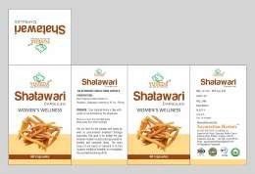
Amla Capsule | Capsules |  |  | 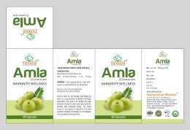
Shilajit Capsule | Capsules | 60 cap | ₹350.00 | 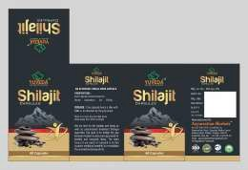
Trifla Capsule | Capsules | 60 cap | ₹250.00 | 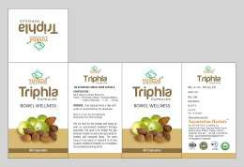
Hadjod Capsule | Capsules | 60 cap | ₹280.00 | 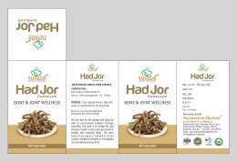
Neem Capsule | Capsules | 60 cap | ₹130.00 | 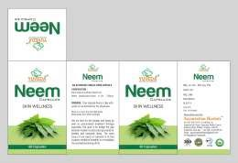
Gokhru Capsule | Capsules | 60 cap | ₹130.00 | 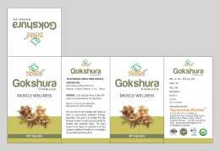
Bhringraj Oil | Oils | 100ml | ₹210.00
Onion Oil | Oils | 60ml | ₹150.00
Badam rogan Oil | Oils | 30ml, 100ml | ₹140, ₹480
Khas Khas Oil | Oils | 60ml | 140
Garlic Oil | Oils | 60ml | 249
Walnut Oil | Oils | 60ml | 280
Malkangni Oil | Oils | 60ml | 120 | 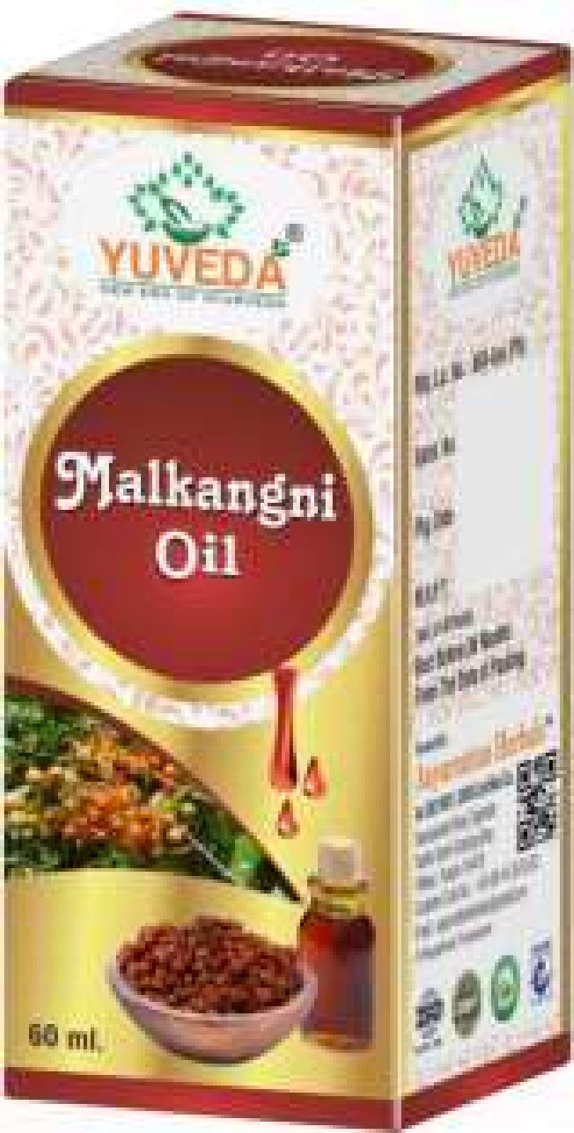
Kalounji Oil | Oils | 60ml | 140
Rosemary Oil | Oils | 60ml | 220
Neem Oil | Oils | 60ml, 100ml | ₹110, ₹150
Castor Oil | Oils | 60ml, 100ml | ₹90, ₹150
Lawki Oil | Oils | 100ml | 120 | 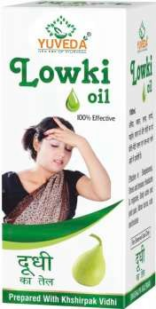
Amla Juice | Juices | 500ml | 140
Karela Jamun Juice | Juices | 500ml | 150
Aloe Vera Juice | Juices | 500ml | ₹150.00
Giloy Juice | Juices | 500ml | ₹150.00
Supari Pak | Pak | 100gm | ₹130.00 | 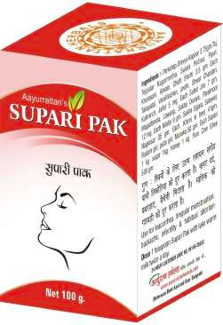
Salam Pak | Pak | 100gm | 350 | 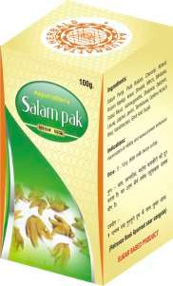
Moosli Pak | Pak | 100gm | 190 | 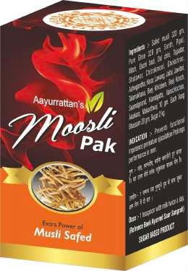
Konch Pak | Pak | 100gm | 190 | 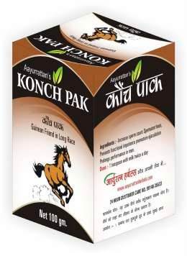
Erand Pak | Pak | 100gm | ₹150.00 | 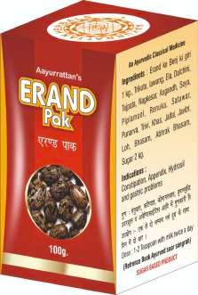
Ashwagandha Pak | Pak | 100gm | ₹190.00 | 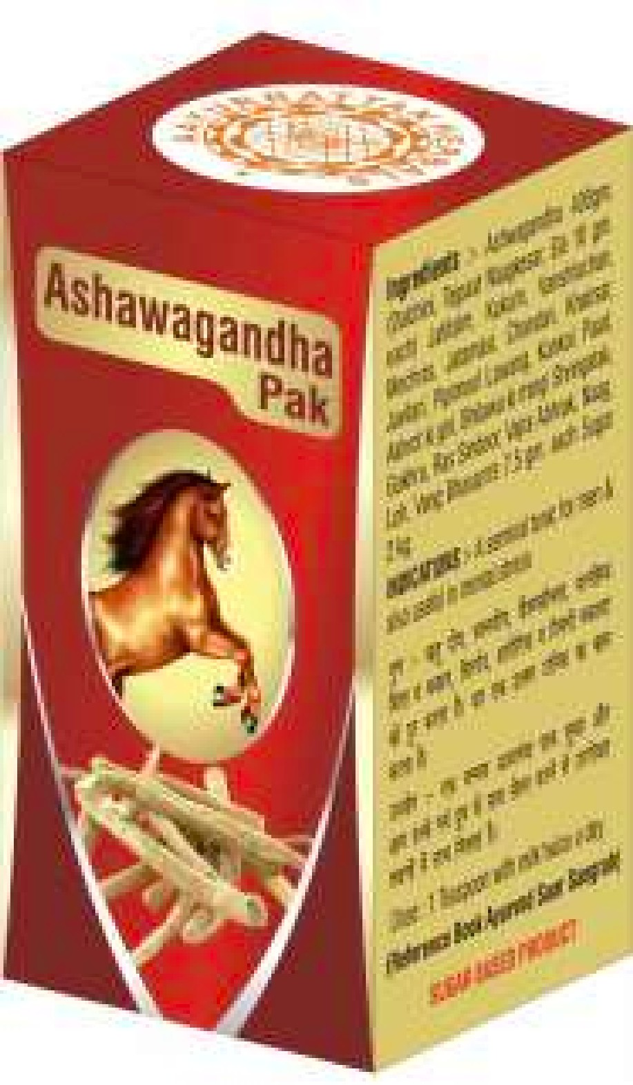
Badam Pak | Pak | 100gm | 250
Soft Bowl | Churna | 100gm | ₹98.00 | 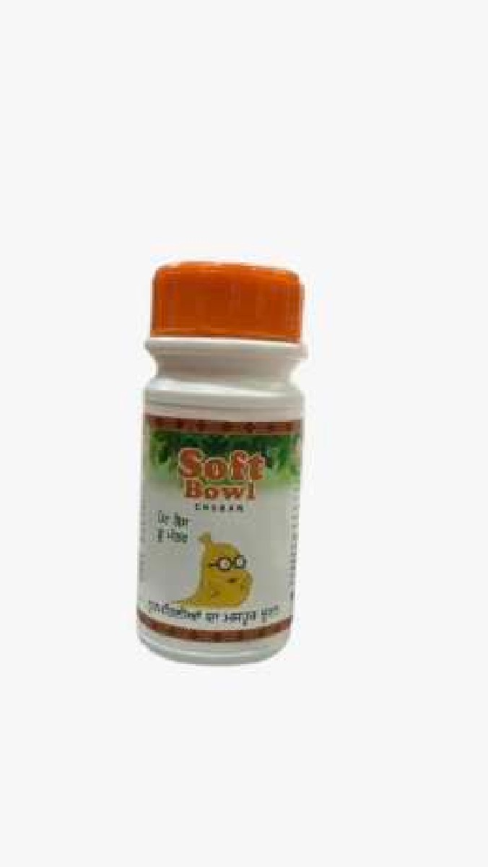
Madhunashneem | Churna | 100gm | ₹220.00 | 
Amla Churna | Churna | 100gm | ₹80.00 | 
Bhumi Amla | Churna | 100gm | ₹120.00 | 
Triphla Churna | Churna | 100gm | ₹80.00 | 
Panchtrimool | Churna | 100gm | ₹180.00 | 
Soft Bowl Junior | Churna | 100gm | ₹80.00

