Sheet7
Versions | Count Decl Method (WMC) | Max Inhertiance (DIT) | Count Decl Mtheod All (RFC) | Count Class Coupled (CBO) | Percent Lack of Cohesion (LCOM) | Count Class Derived (NOC)
Apache-ant-1.10.1 | 13.13714286 | 1.946594005 | 22.54277929 | 7.282288828 | 27.03555799 | 0.639237057
Apache-ant-1.10.3 | 13.09742476 | 1.936695279 | 22.49356223 | 7.731759657 | 27.43658931 | 0.626072961
Apache-ant-1.10.10 | 13.39489311 | 1.922404933 | 22.72250771 | 7.829907503 | 29.30801034 | 0.621788284
Apache-ant-1.10.13 | 13.43582178 | 1.919551935 | 22.64358452 | 7.843686354 | 29.32991803 | 0.600672098

 | 13.266320627 | 1.931311538 | 22.600608438 | 7.6719105855 | 28.277518918 | 0.6219426
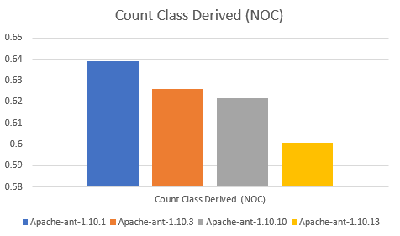
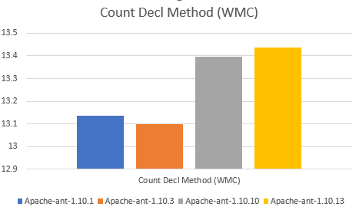
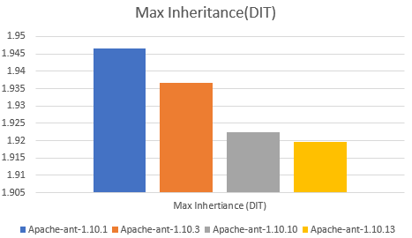

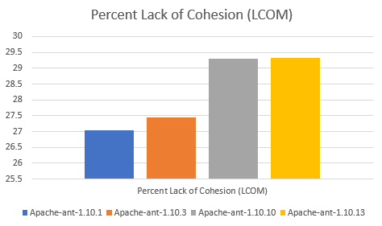
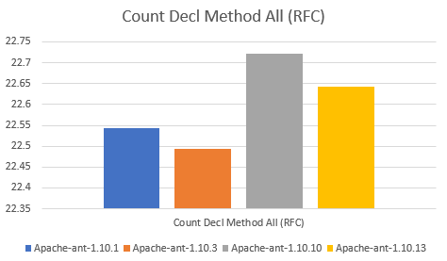
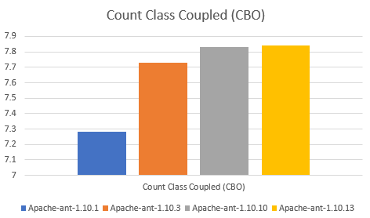

Averages

