Q2
Instructions Q2 Illustrate Page Rank Algorithm (Three steps only) |  |  |  |  |  |  |  |  | 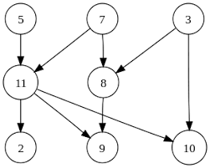

Steps | 2 | 3 | 5 | 7 | 8 | 9 | 10 | 11
0 | 2020-01-08 | 2020-01-08 | 2020-01-08 | 2020-01-08 | 2020-01-08 | 2020-01-08 | 2020-01-08 | 2020-01-08
 | 1/3*N11 | 2020-01-08 | 2020-01-08 | 2020-01-08 | 1/2*N7 + 1/2*N3 | 1/3*N11 + N8 | 1/3*N11 + 1/2*N3 | N5 + 1/2*N7
1 | 2020-01-24 | 2020-01-08 | 2020-01-08 | 2020-01-08 | 2020-01-08 | 2020-01-06 | 5/48 | 2020-03-16
2 | 2020-01-16 | 2020-01-08 | 2020-01-08 | 2020-01-08 | 2020-01-08 | 2020-03-16 | 2020-01-08 | 2020-03-16

