Sheet1
Sr | Image | Title | 10K Weight (gms) | 14K Weight (gms) | 18K Weight (gms) | Center Diamond Weight (cts) | Side Diamond Weight (cts)
1 | 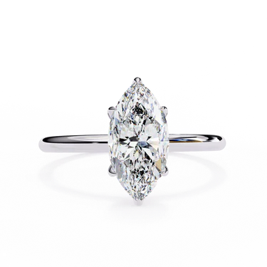 | 1 Carat Marquise Cut Solitaire Diamond Engagement Ring | 3 | 4 | 5 | 1 | 0

2 | 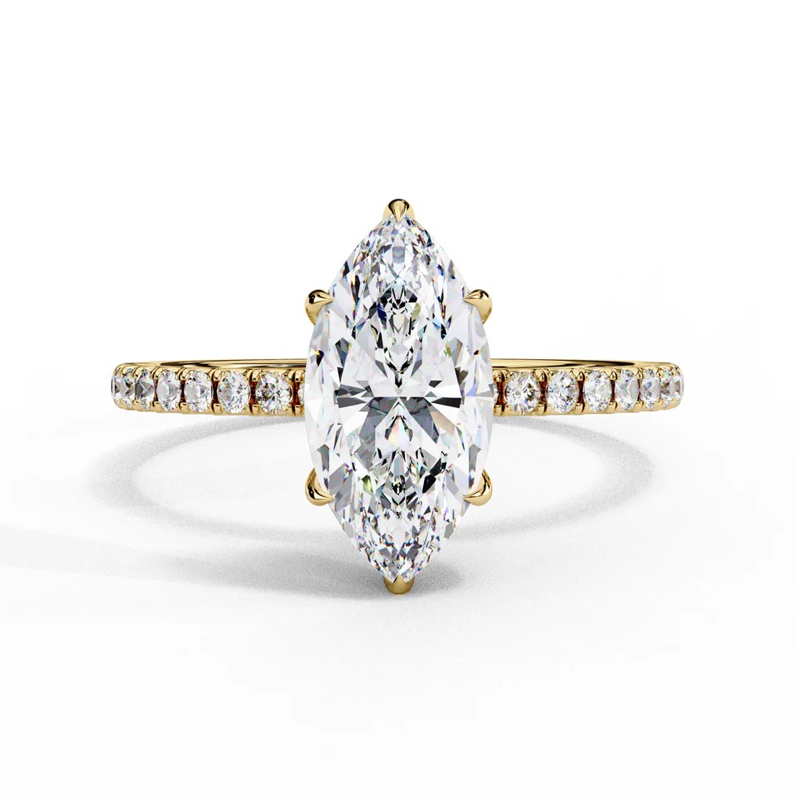 | 1.70 Ct Marquise Hidden Halo Lab Diamond Engagement Ring | 4 | 5 | 6 | 2 | 0.5

4

5

