Sensitivity analysis
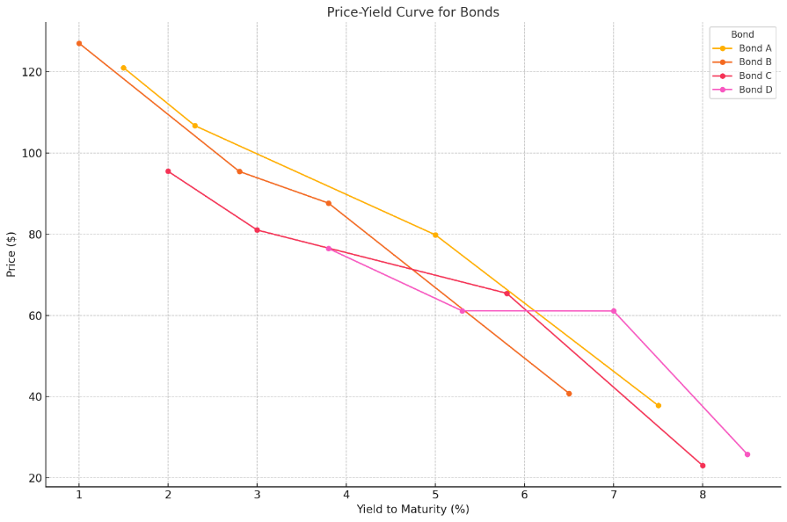
Sensitivity Analysis
Bond A
Ytm(annually) | Ytm(semi-annually) | Price | FV | Coupon rate | Coupon pmt | maturity | YTM | Price
3% | 1.5% | 121.03 | 100 | 2.73% | 2.725 | 20 | 1.5% | 121.03 | Bond A
4.50% | 2.3% | 106.75 | 100 | 2.73% | 2.725 | 20 | 2.3% | 106.75 | Bond A
10% | 5.0% | 79.84 | 100 | 2.73% | 2.725 | 12 | 5.0% | 79.84 | Bond A
15% | 7.5% | 37.81 | 100 | 2.73% | 2.725 | 52 | 7.5% | 37.81 | Bond A

 |  |  |  |  |  |  | 1.0% | 127.07 | Bond B
Bond B |  |  |  |  |  |  | 2.8% | 95.45 | Bond B
Ytm(annually) | Ytm(semi-annually) | Price | FV | Coupon rate | Coupon pmt | maturity | 3.8% | 87.66 | Bond B
2% | 1.0% | 127.07 | 100 | 2.50% | 2.5 | 20 | 6.5% | 40.79 | Bond B
5.50% | 2.8% | 95.45 | 100 | 2.50% | 2.5 | 20
7.50% | 3.8% | 87.66 | 100 | 2.50% | 2.5 | 12 | 2.0% | 95.50 | Bond C
13% | 6.5% | 40.79 | 100 | 2.50% | 2.5 | 52 | 3.0% | 81.03 | Bond C
 |  |  |  |  |  |  | 5.8% | 65.45 | Bond C
Bond C |  |  |  |  |  |  | 8.0% | 23.00 | Bond C
Ytm(annually) | Ytm(semi-annually) | Price | FV | Coupon rate | Coupon pmt | maturity
4% | 2.0% | 95.50 | 100 | 1.73% | 1.725 | 20 | 3.8% | 76.48 | Bond D
6% | 3.0% | 81.03 | 100 | 1.73% | 1.725 | 20 | 5.3% | 61.12 | Bond D
11.50% | 5.8% | 65.45 | 100 | 1.73% | 1.725 | 12 | 7.0% | 61.08 | Bond D
16% | 8.0% | 23.00 | 100 | 1.73% | 1.725 | 52 | 8.5% | 25.79 | Bond D

Bond D
Ytm(annually) | Ytm(semi-annually) | Price | FV | Coupon rate | Coupon pmt | maturity
7.50% | 3.8% | 76.48 | 100 | 2.10% | 2.1 | 20
10.50% | 5.3% | 61.12 | 100 | 2.10% | 2.1 | 20
14% | 7.0% | 61.08 | 100 | 2.10% | 2.1 | 12
17% | 8.5% | 25.79 | 100 | 2.10% | 2.1 | 52

YTM & Duration
Yield and Maturity Duration Relationship
Bond | YTM | Modified Duration
Bond A | 5.30 | 7.57
Bond B | 4.91 | 7.87
Bond C | 4.49 | 5.66
Bond D | 5.23 | 18.33

Tangency of Bond A
Bond A (Current YTM: 5.26%, Modified Duration: 7.57, Current Price: 101.43)

Yield (%) | Price (Convex Curve) | ΔYield (%) | Tangency Line | Bond Price = C * (1 - (1 + r)^-n) / r) + (FV / (1 + r)^n)
1 | 141.27 | -4.26% | 132.99 | Calculate ΔYield for all rows
2 | 128.39 | -3.26% | 125.42 | For each bond, we'll subtract the bond's current YTM from the "Yield (%)" in each row.
3 | 117.17 | -2.26% | 117.85 | Calculate P' for all rows | ΔYield (%)
4 | 107.38 | -1.26% | 110.28 | For each bond, we'll use the formula P' = (1 - ΔYield * Modified Duration) * Price with the newly calculated "ΔYield (%)" and the bond's modified duration and current price.
5 | 98.81 | -0.26% | 102.71
Price Yield Curve with Tangency lineBond A
6 | 91.32 | 0.74% | 95.14
7 | 84.77 | 1.74% | 87.57
8 | 78.99 | 2.74% | 80
9 | 73.88 | 3.74% | 72.43
10 | 69.35 | 4.74% | 64.86
11 | 65.31 | 5.74% | 57.29
12 | 61.7 | 6.74% | 49.72
13 | 58.45 | 7.74% | 42.15
14 | 55.51 | 8.74% | 34.58
15 | 52.84 | 9.74% | 27.01
16 | 50.41 | 10.74% | 19.44
17 | 48.19 | 11.74% | 11.87
18 | 46.15 | 12.74% | 4.3
19 | 44.27 | 13.74% | -3.27
20 | 42.54 | 14.74% | -10.84

Tangency of Bond B
Bond B (Current YTM: 4.90%, Modified Duration: 7.87, Current Price: 100.78)

Yield (%) | Price (Convex Curve) | ΔYield (%) | Tangency Line
1 | 143.08 | -3.90% | 131.83
2 | 129.83 | -2.90% | 124.03
3 | 118.16 | -1.90% | 116.23
4 | 107.84 | -0.90% | 108.43
Price Yield Curve with Tangency lineBond B
5 | 98.71 | 0.10% | 100.63
6 | 90.63 | 1.10% | 92.83
7 | 83.46 | 2.10% | 85.03
8 | 77.07 | 3.10% | 77.23
9 | 71.34 | 4.10% | 69.43
10 | 66.18 | 5.10% | 61.63
11 | 61.51 | 6.10% | 53.83
12 | 57.27 | 7.10% | 46.03
13 | 53.4 | 8.10% | 38.23
14 | 49.85 | 9.10% | 30.43
15 | 46.58 | 10.10% | 22.63
16 | 43.57 | 11.10% | 14.83
17 | 40.78 | 12.10% | 7.03
18 | 38.2 | 13.10% | -0.77
19 | 35.81 | 14.10% | -8.57
20 | 33.59 | 15.10% | -16.37

Tangency of Bond C
Bond C (Current YTM: 4.49%, Modified Duration: 5.66, Current Price: 94.58)

Yield (%) | Price (Convex Curve) | ΔYield (%) | Tangency Line
1 | 128.61 | -3.49% | 114.98
2 | 118.45 | -2.49% | 109.32
3 | 109.28 | -1.49% | 103.66
Price Yield Curve with Tangency lineBond C
4 | 101 | -0.49% | 98
5 | 93.51 | 0.51% | 92.34
6 | 86.72 | 1.51% | 86.68
7 | 80.55 | 2.51% | 81.02
8 | 74.92 | 3.51% | 75.36
9 | 69.76 | 4.51% | 69.7
10 | 65 | 5.51% | 64.04
11 | 60.6 | 6.51% | 58.38
12 | 56.51 | 7.51% | 52.72
13 | 52.7 | 8.51% | 47.06
14 | 49.15 | 9.51% | 41.4
15 | 45.83 | 10.51% | 35.74
16 | 42.73 | 11.51% | 30.08
17 | 39.82 | 12.51% | 24.42
18 | 37.1 | 13.51% | 18.76
19 | 34.55 | 14.51% | 13.1
20 | 32.16 | 15.51% | 7.44

Tangency of Bond D
Bond D (Current YTM: 5.59%, Modified Duration: 18.33, Current Price: 85.40)

Yield (%) | Price (Convex Curve) | ΔYield (%) | Tangency Line
1 | 282.96 | -4.59% | 161.16
2 | 239.91 | -3.59% | 142.83
3 | 204.36 | -2.59% | 124.5
4 | 174.96 | -1.59% | 106.17
5 | 150.52 | -0.59% | 87.84
Price Yield Curve with Tangency lineBond D
6 | 129.99 | 0.41% | 69.51
7 | 112.55 | 1.41% | 51.18
8 | 97.63 | 2.41% | 32.85
9 | 84.79 | 3.41% | 14.52
10 | 73.68 | 4.41% | -3.81
11 | 64.03 | 5.41% | -22.14
12 | 55.62 | 6.41% | -40.47
13 | 48.27 | 7.41% | -58.8
14 | 41.83 | 8.41% | -77.13
15 | 36.18 | 9.41% | -95.46
16 | 31.22 | 10.41% | -113.79
17 | 26.87 | 11.41% | -132.12
18 | 23.05 | 12.41% | -150.45
19 | 19.7 | 13.41% | -168.78
20 | 16.76 | 14.41% | -187.11
21 | 14.19 | 15.41% | -205.44
22 | 11.94 | 16.41% | -223.77
23 | 10 | 17.41% | -242.1
24 | 8.31 | 18.41% | -260.43
25 | 6.85 | 19.41% | -278.76
26 | 5.59 | 20.41% | -297.09
27 | 4.51 | 21.41% | -315.42
28 | 3.58 | 22.41% | -333.75
29 | 2.79 | 23.41% | -352.08
30 | 2.13 | 24.41% | -370.41

