Sheet1
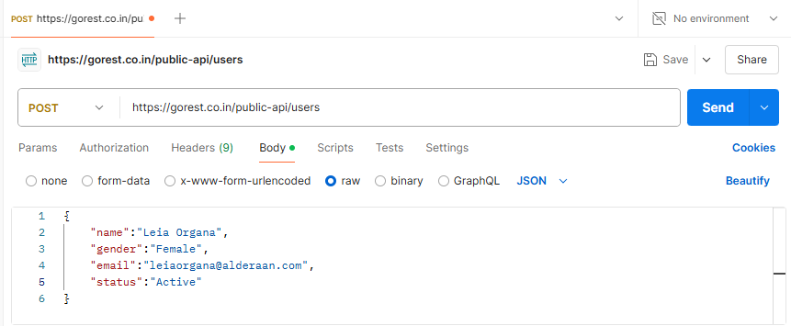
POST /users
Positive | Negative
new user | no name field
new user gender = female | no gender field
new user name with space | no email field
 | no status field
 | invalid value of status field
 | invalid value of email field
 | invalid value of gender field
 | name field invalid length(more than max value)
 | no content-type header
 | ivalid value of content -type headerd
 | invalid method
 | invalid token value
 | no token
 | user already exist

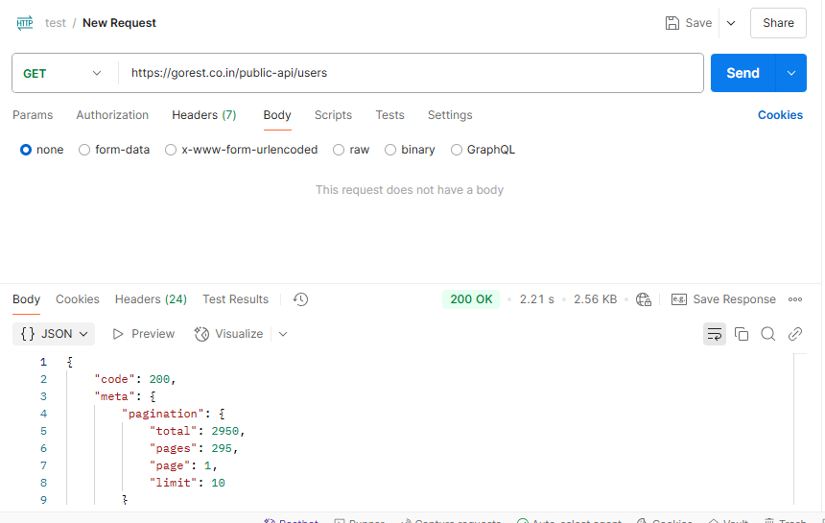
GET /users
by existing user id | non-existed id
all users | no token

