Calculations
 | PASSFET SIZING |  | length=90
id | 0.01 | A
gm/id | 10 |  |  | sizings are same for both internal and external compensated ldo expect Cc value is calcuated using matlab
gm | 0.1
id/w | 37.35 | from plot |  | Formula : Cc = (Aov / (rodiff * Apass * (Gmpass / Cload))) - Cgd
w (passfet) | 0.00026773761714
ft | 27100000000
cgg | 5.8758549369E-13
cgd | 1.9586183123E-13 | cgg/3
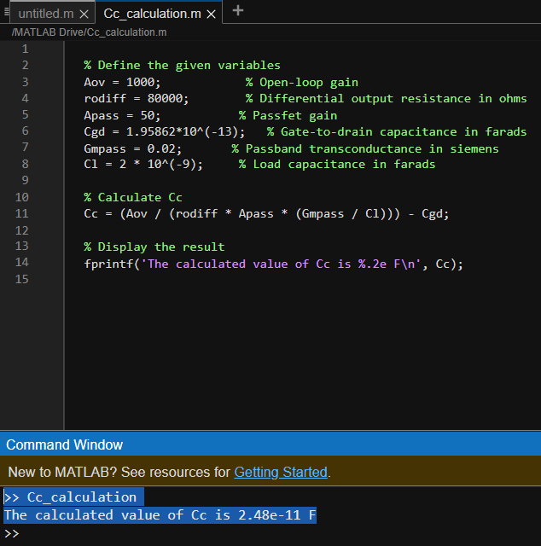
gmropass | 50 | 48.8 | from tech plots
adiff | 20 | 20.491803279
id diff | 0.000025
gm diff | 0.00025 | 0.00025
gm/id | 10 | diffamp also 200mv sat
rodiff | 80000 | 81967.213115
Cc
cload | 0.000000002 | 2.44E-11
gmro diff | 40
gm/id | 0.000025
 | Diff. Amp Transistors Sizing
L diffamp pmos | 90nm
w diffamp pmos | 0.00000061
ID/W pmos | 37.35 | from plot
L diffamp nmos | 90nm
w diffamp nmos | 0.00000028
ID/W nmos | 89.15 | from plot
 | Current mirror transistor sizings
L Current mirror nmos | 270nm
w Current mirror nmos | 0.000001607
ID/W nmos | 31.11 | from plot

