DashBoard
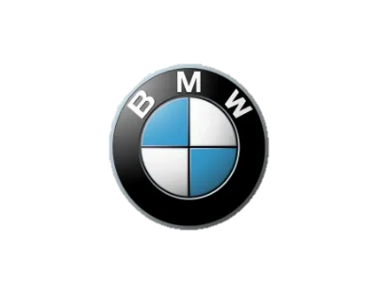
BMW SALES

Total Cars
4,842
Total Sales
7,65,80,400
Highest Price
1,78,500
Average Price
15,816

Sales By Car Type
 | Total
convertible | 0.805M
coupe | 2.306M
estate | 21.058M
hatchback | 9.289M
sedan | 18.633M
subcompact | 1.114M
suv | 22.743M
van | 0.631M
Sales By Color
 | Total
beige | 0.649M
black | 26.337M
blue | 10.732M
brown | 5.240M
green | 0.130M
grey | 18.325M
orange | 0.113M
red | 0.858M
silver | 4.875M
white | 9.323M

Sales By Month
 | Total
January | 3.101M
February | 8.055M
March | 11.498M
April | 11.040M
May | 12.991M
June | 9.260M
July | 8.276M
August | 8.885M
September | 3.476M
Top 10 Model Sales
 | Total
116 | 3.456M
316 | 2.440M
318 | 6.252M
320 | 9.146M
520 | 9.944M
525 | 2.827M
530 | 3.113M
X1 | 3.493M
X3 | 7.961M
X5 | 7.062M

Month Wise Sales
Row Labels | Sum of price
January | 3.101M
February | 8.055M
March | 11.498M
April | 11.040M
May | 12.991M
June | 9.260M
July | 8.276M
August | 8.885M
September | 3.476M
Grand Total | 76.580M

Sales By Car Type
Row Labels | Sum of price
convertible | 0.805M
coupe | 2.306M
estate | 21.058M
hatchback | 9.289M
sedan | 18.633M
subcompact | 1.114M
suv | 22.743M
van | 0.631M
Grand Total | 76.580M

Sales By Color
Row Labels | Sum of price
beige | 0.649M
black | 26.337M
blue | 10.732M
brown | 5.240M
green | 0.130M
grey | 18.325M
orange | 0.113M
red | 0.858M
silver | 4.875M
white | 9.323M
Grand Total | 76.580M

Top 10 Model Sales
Row Labels | Sum of price
116 | 3.456M
316 | 2.440M
318 | 6.252M
320 | 9.146M
520 | 9.944M
525 | 2.827M
530 | 3.113M
X1 | 3.493M
X3 | 7.961M
X5 | 7.062M
Grand Total | 55.692M

