S01
SCENARIO | TEST CASE | WHAT IT DOES | RULES VALIDATED
S01 One source changes, the other does not | TC01 (D1R1) | initial load into an empty target | 17

SCENARIO | TEST CASE | WHAT IT DOES | RULES VALIDATED
S01 One source changes, the other does not | TC02 (D1R2) | SRC_2 splits one version into three | 7, 13, 17

SCENARIO | TEST CASE | WHAT IT DOES | RULES VALIDATED
S01 One source changes, the other does not | TC03 (D1R3) | re-run of the same window, nothing changed | — (0 writes)

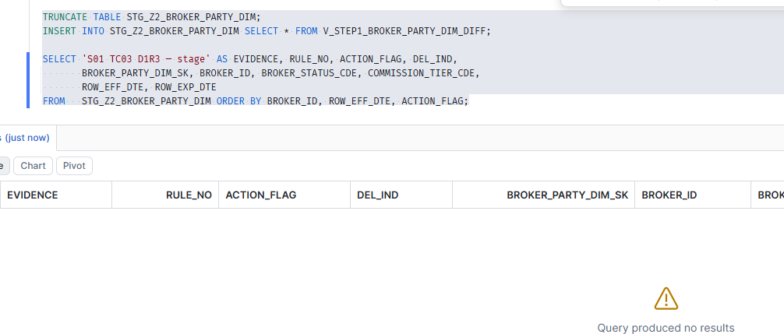

SCENARIO | TEST CASE | WHAT IT DOES | RULES VALIDATED
S01 One source changes, the other does not | TC04 (D2R1) | SRC_2 splits on a boundary SRC_1 already uses | 11

SCENARIO | TEST CASE | WHAT IT DOES | RULES VALIDATED
S01 One source changes, the other does not | TC05 (D2R2) | a value corrected in place, dates unchanged | 9

SCENARIO | TEST CASE | WHAT IT DOES | RULES VALIDATED
S01 One source changes, the other does not | TC06 (D2R3) | a NULL business key arrives | — (0 writes)

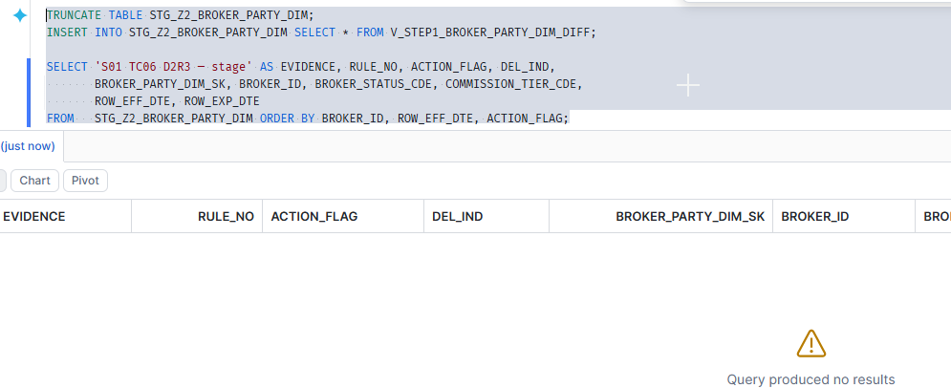

SCENARIO | TEST CASE | WHAT IT DOES | RULES VALIDATED
S01 One source changes, the other does not | TC07 (D3R1) | a new version arrives ahead of the open row | 5, 17

S03
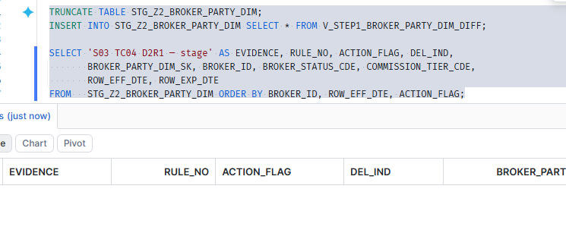
SCENARIO | TEST CASE | WHAT IT DOES | RULES VALIDATED
S03 A change in a column the target never carries | TC01 (D1R1) | initial load into an empty target | 17

SCENARIO | TEST CASE | WHAT IT DOES | RULES VALIDATED
S03 A change in a column the target never carries | TC02 (D1R2) | only NOTE_TEXT changes | — (0 writes)

SCENARIO | TEST CASE | WHAT IT DOES | RULES VALIDATED
S03 A change in a column the target never carries | TC03 (D1R3) | a real split, so there are several versions to test against | 5, 17

SCENARIO | TEST CASE | WHAT IT DOES | RULES VALIDATED
S03 A change in a column the target never carries | TC04 (D2R1) | NOTE_TEXT changes on EVERY version at once | — (0 writes)

S04
SCENARIO | TEST CASE | WHAT IT DOES | RULES VALIDATED
S04 A value comes back after a different one | TC01 (D1R1) | initial load with a value that already repeats | 17

SCENARIO | TEST CASE | WHAT IT DOES | RULES VALIDATED
S04 A value comes back after a different one | TC02 (D1R2) | re-run -- the two A1 runs must still not collapse | — (0 writes)

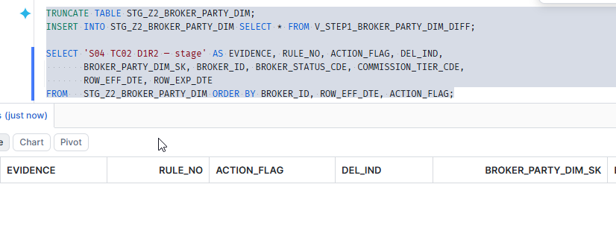

SCENARIO | TEST CASE | WHAT IT DOES | RULES VALIDATED
S04 A value comes back after a different one | TC03 (D1R3) | a third alternation | 5, 17

SCENARIO | TEST CASE | WHAT IT DOES | RULES VALIDATED
S04 A value comes back after a different one | TC04 (D2R1) | a fourth alternation, back to A1 again | 5, 17

S05
SCENARIO | TEST CASE | WHAT IT DOES | RULES VALIDATED
S05 A gap in cover, with the same value either side | TC01 (D1R1) | initial load with a hole in SRC_1 | 17

SCENARIO | TEST CASE | WHAT IT DOES | RULES VALIDATED
S05 A gap in cover, with the same value either side | TC02 (D1R2) | re-run -- the gap must survive | — (0 writes)

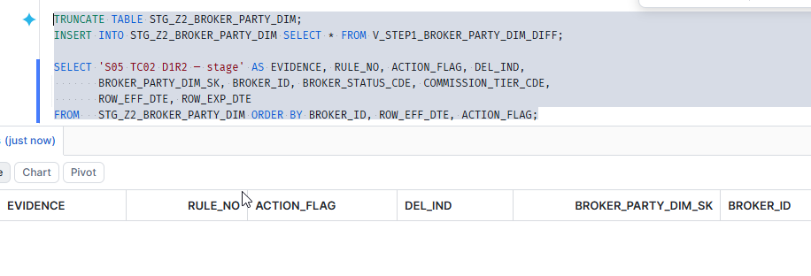

SCENARIO | TEST CASE | WHAT IT DOES | RULES VALIDATED
S05 A gap in cover, with the same value either side | TC03 (D1R3) | a gap at the START of the timeline | 17

SCENARIO | TEST CASE | WHAT IT DOES | RULES VALIDATED
S05 A gap in cover, with the same value either side | TC04 (D2R1) | a gap that runs to the high end date | 5, 17

S07
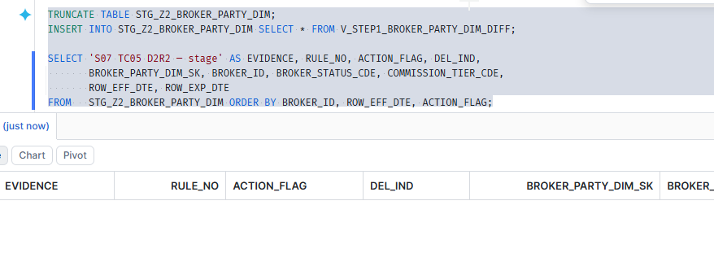
SCENARIO | TEST CASE | WHAT IT DOES | RULES VALIDATED
S07 Several runs in one day against the same key | TC01 (D1R1) | day 1 run 1 -- initial load | 17

SCENARIO | TEST CASE | WHAT IT DOES | RULES VALIDATED
S07 Several runs in one day against the same key | TC02 (D1R2) | day 1 run 2 -- SRC_2 moves | 5, 17

SCENARIO | TEST CASE | WHAT IT DOES | RULES VALIDATED
S07 Several runs in one day against the same key | TC03 (D1R3) | day 1 run 3 -- and it sees what run 2 left | 5, 17

SCENARIO | TEST CASE | WHAT IT DOES | RULES VALIDATED
S07 Several runs in one day against the same key | TC04 (D2R1) | TWO deliveries inside ONE window | 5, 17

SCENARIO | TEST CASE | WHAT IT DOES | RULES VALIDATED
S07 Several runs in one day against the same key | TC05 (D2R2) | duplicate (key, effective date) with IDENTICAL timestamps | — (0 writes)

S09
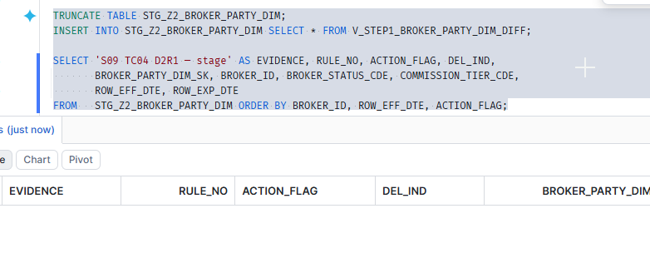
SCENARIO | TEST CASE | WHAT IT DOES | RULES VALIDATED
S09 A key appearing for the first time | TC01 (D1R1) | an empty target -- everything inserts | 17

SCENARIO | TEST CASE | WHAT IT DOES | RULES VALIDATED
S09 A key appearing for the first time | TC02 (D1R2) | a second brand-new key, alongside an existing one | 17

SCENARIO | TEST CASE | WHAT IT DOES | RULES VALIDATED
S09 A key appearing for the first time | TC03 (D1R3) | a new key arriving with SEVERAL versions at once | 17

SCENARIO | TEST CASE | WHAT IT DOES | RULES VALIDATED
S09 A key appearing for the first time | TC04 (D2R1) | re-run -- no key inserts twice | — (0 writes)

S11
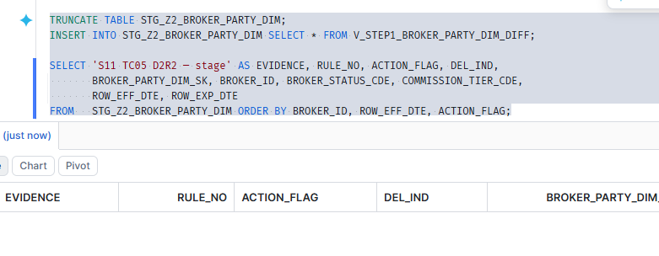
SCENARIO | TEST CASE | WHAT IT DOES | RULES VALIDATED
S11 A stale / orphan row after Zone1 loses history | TC01 (D1R1) | initial load, three intervals | 17

SCENARIO | TEST CASE | WHAT IT DOES | RULES VALIDATED
S11 A stale / orphan row after Zone1 loses history | TC02 (D1R2) | Zone1 loses its early history | — (0 writes)

SCENARIO | TEST CASE | WHAT IT DOES | RULES VALIDATED
S11 A stale / orphan row after Zone1 loses history | TC03 (D1R3) | re-run while still degraded | — (0 writes)

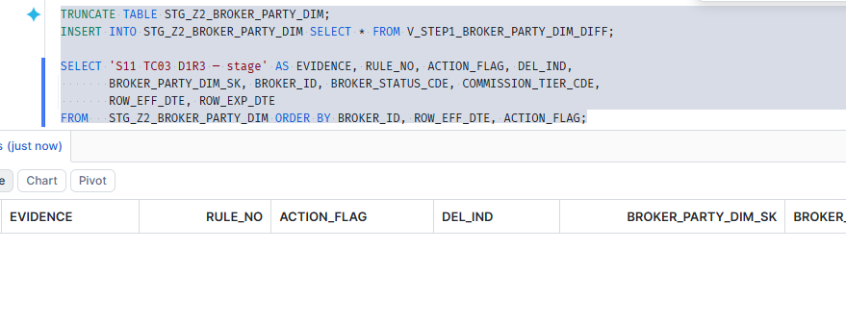

SCENARIO | TEST CASE | WHAT IT DOES | RULES VALIDATED
S11 A stale / orphan row after Zone1 loses history | TC04 (D2R1) | PARTIAL recovery -- and this is where it costs | 17

SCENARIO | TEST CASE | WHAT IT DOES | RULES VALIDATED
S11 A stale / orphan row after Zone1 loses history | TC05 (D2R2) | FULL recovery -- the original orphan self-heals | — (0 writes)

S13
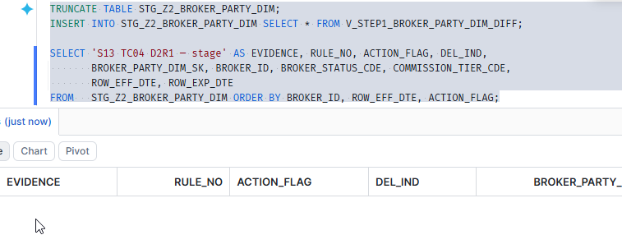
SCENARIO | TEST CASE | WHAT IT DOES | RULES VALIDATED
S13 execution_type = RESTART | TC01 (D1R1) | initial load | 17

SCENARIO | TEST CASE | WHAT IT DOES | RULES VALIDATED
S13 execution_type = RESTART | TC02 (D1R2) | the run FAILS before it processes anything | — (0 writes)

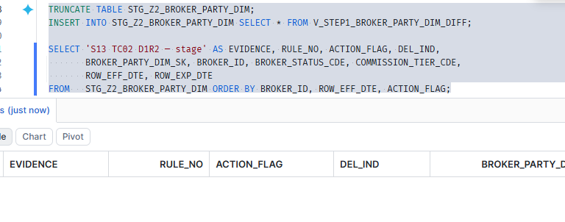

SCENARIO | TEST CASE | WHAT IT DOES | RULES VALIDATED
S13 execution_type = RESTART | TC03 (D1R3) | the RESTART picks it up | 5, 17

SCENARIO | TEST CASE | WHAT IT DOES | RULES VALIDATED
S13 execution_type = RESTART | TC04 (D2R1) | restarting twice applies it once | — (0 writes)

S14
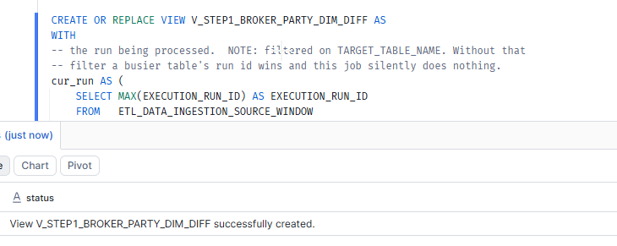
SCENARIO | TEST CASE | WHAT IT DOES | RULES VALIDATED
S14 The hash definition itself changes | TC01 (D1R1) | initial load of two independent keys | 17

SCENARIO | TEST CASE | WHAT IT DOES | RULES VALIDATED
S14 The hash definition itself changes | TC02 (D1R2) | the hash definition changes -- and only K1 is impacted | 9, 11

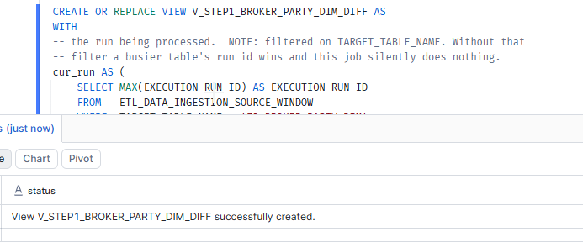

SCENARIO | TEST CASE | WHAT IT DOES | RULES VALIDATED
S14 The hash definition itself changes | TC03 (D1R3) | re-run under the NEW definition | — (0 writes)

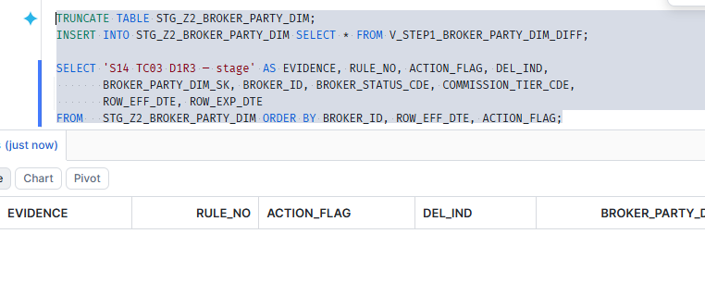

SCENARIO | TEST CASE | WHAT IT DOES | RULES VALIDATED
S14 The hash definition itself changes | TC04 (D2R1) | K2 becomes impacted, and re-derives in its turn | 9, 11

SCENARIO | TEST CASE | WHAT IT DOES | RULES VALIDATED
S14 The hash definition itself changes | TC05 (D2R2) | restore the original hash definition | 9, 11

S15
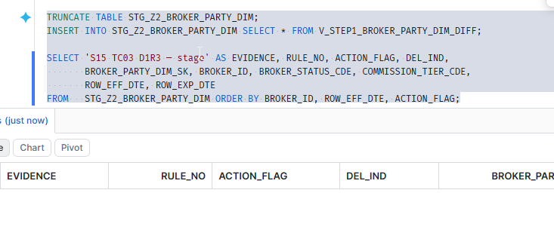
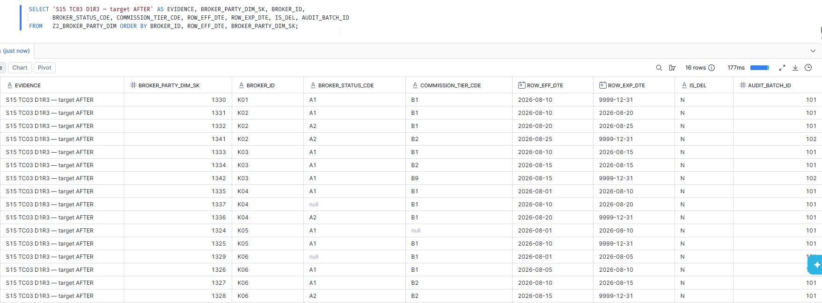
SCENARIO | TEST CASE | WHAT IT DOES | RULES VALIDATED
S15 Many keys at once, and the invariants that must always hold | TC01 (D1R1) | six keys of different shapes, loaded at once | 17

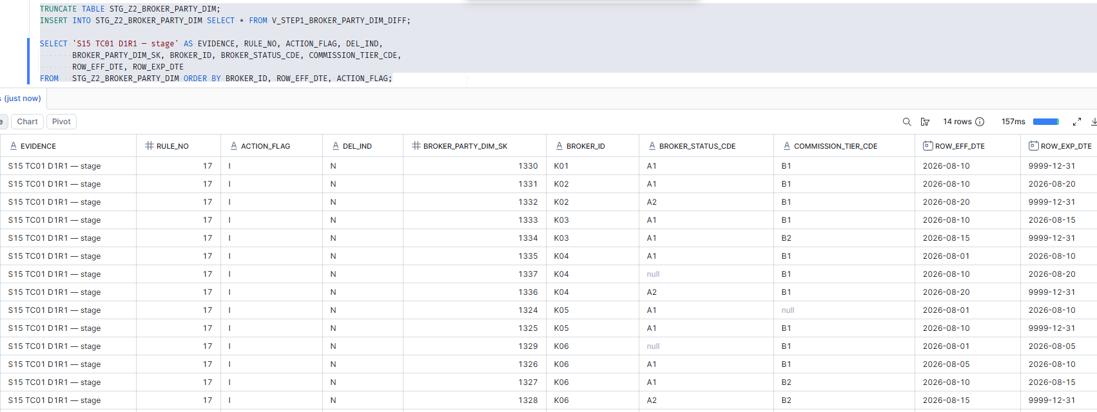

SCENARIO | TEST CASE | WHAT IT DOES | RULES VALIDATED
S15 Many keys at once, and the invariants that must always hold | TC02 (D1R2) | several keys change at once, in different ways | 5, 9, 17

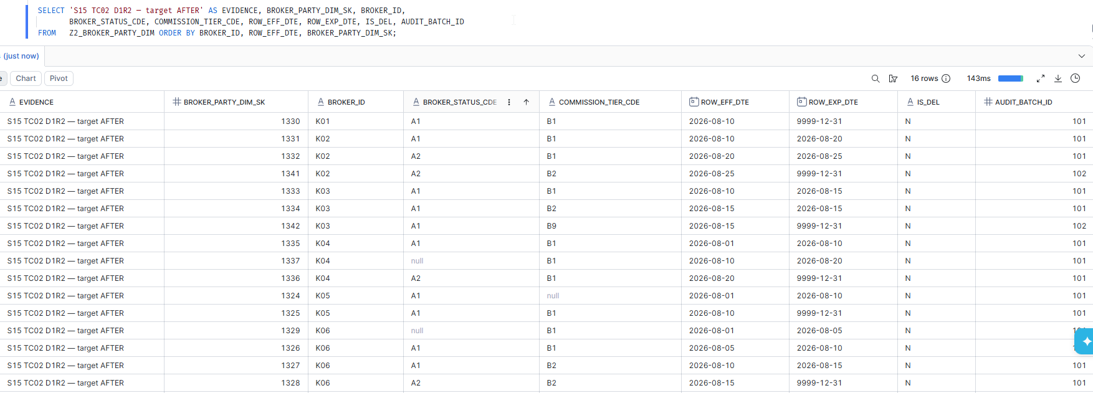

SCENARIO | TEST CASE | WHAT IT DOES | RULES VALIDATED
S15 Many keys at once, and the invariants that must always hold | TC03 (D1R3) | corrupt rows arrive alongside good ones | — (0 writes)

