S01
Scen | TC | What to do
S01 | TC-01.1 | Deploy D_LIVE and D_STAGE with the published table created in BOTH, but with NO tags applied. Run the first CTAS with COPY TAGS into D_STAGE.
Shot 1 | TC-01.1 | Tags on NB_D_STAGE.CUSTOMER_360 after the FIRST CTAS with COPY TAGS - expected ZERO PII rows because there is no predecessor table to copy from; got 'Query produced no results'. PASS - tag bootstrap gap confirmed on a real account.
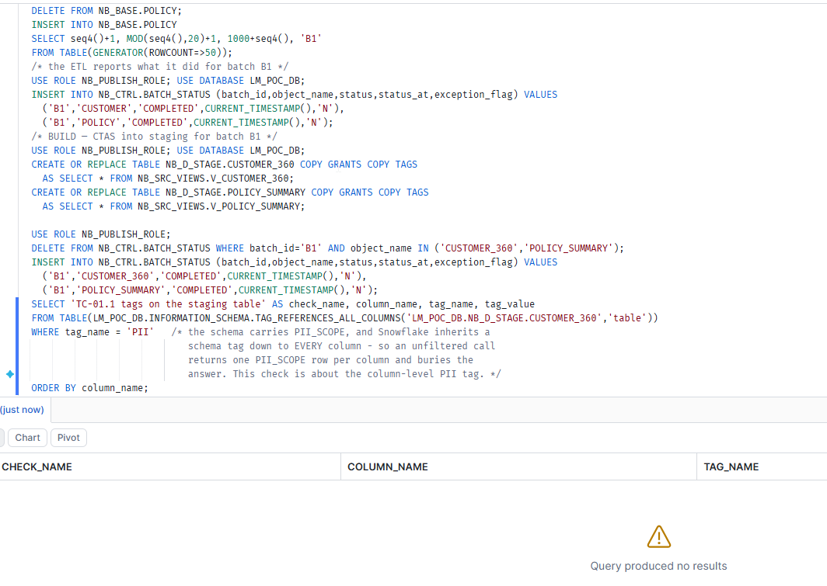

Scen | TC | What to do
S01 | TC-01.2 | Run the security check against that untagged staging table, and read a sensitive column as an unapproved reader.
Shot 2 | TC-01.2 | Security gate sec-1 re-reads those tags before publishing - expected ZERO rows so the gate refuses the batch; got no results. PASS - the gate correctly blocks an untagged build.
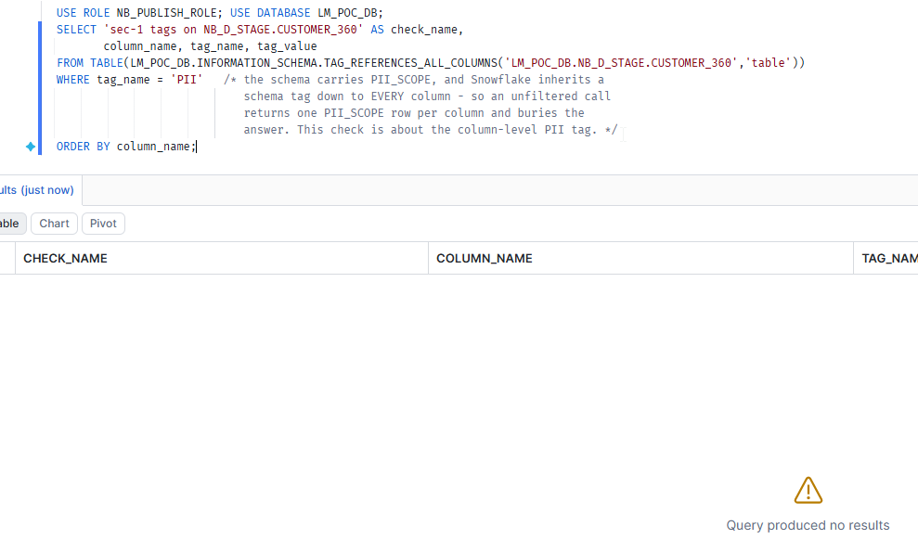

Shot 3 | TC-01.2 | Unentitled reader reads the untagged staging table directly - expected REAL e-mail and SSN because an untagged column has nothing to mask it; got cust1@example.invalid / 001-00-0000. PASS - this is the exposure the gate exists to prevent.

Shot 4 | TC-01.2 | Publish REFUSED and logged, then the thin reader views are checked - expected them still empty because no swap happened; got distinct_batches = 0, batch_seen = null. PASS (the script's EXPECT line said 1 - a documentation defect, now corrected).

Scen | TC | What to do
S01 | TC-01.3 | Apply the PII tags to the table in BOTH D_LIVE and D_STAGE. Re-run the CTAS with COPY TAGS.
Shot 5 | TC-01.3 | PII tags applied to CUSTOMER_360 in BOTH NB_D_LIVE and NB_D_STAGE, then rebuilt - expected 2 rows, email=EMAIL and ssn=SSN; got exactly that. PASS - seeding both schemas is the fix.
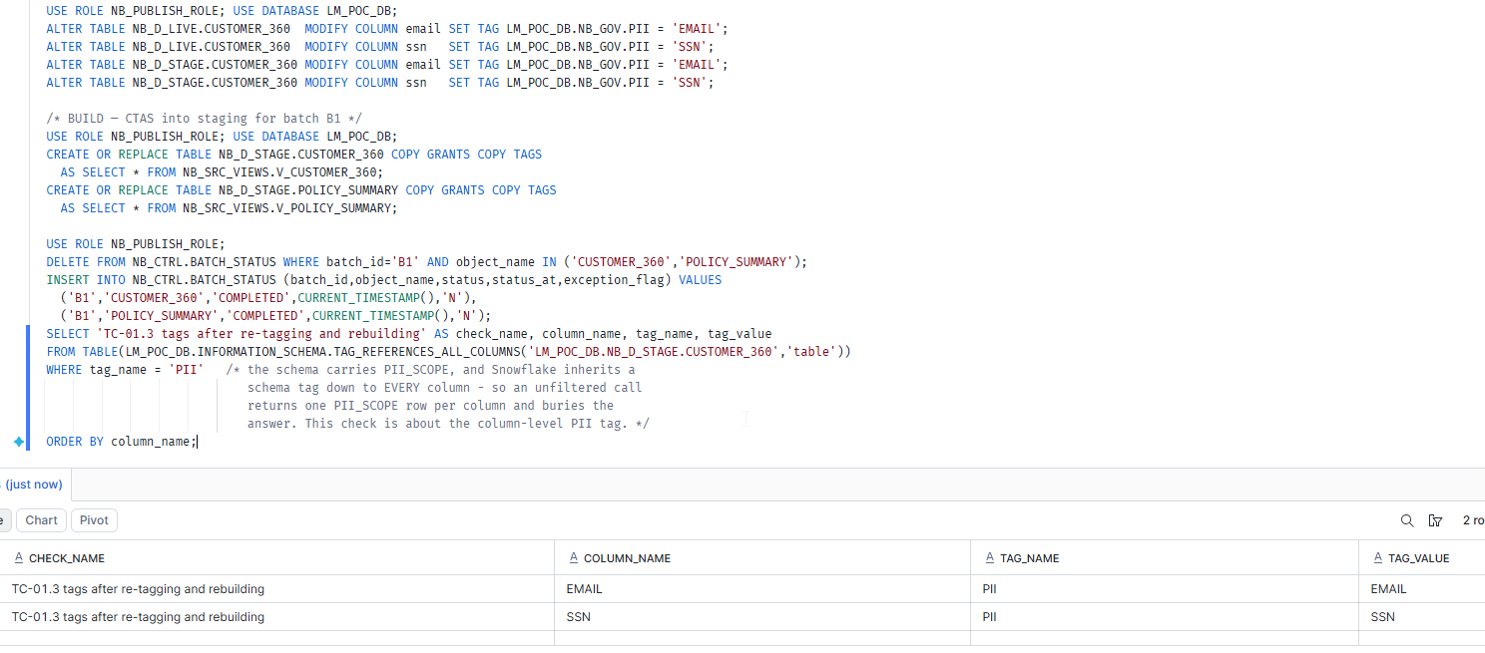

Scen | TC | What to do
S01 | TC-01.4 | Security check now passes. Swap. Read through the thin view as an approved and an unapproved reader.
Shot 6 | TC-01.4 | Security gate sec-1 re-run after the fix - expected 2 rows; got 2. PASS - the gate now lets the batch through.

Shot 7 | TC-01.4 | Unentitled reader reads staging after tagging - expected ***MASKED***; got ***MASKED*** in both columns. PASS - this also closes setup assertion 6c: the masking policy really is driven by the tag.

Shot 8 | TC-01.4 | After ALTER SCHEMA SWAP, batch ids across both thin reader views - expected distinct_batches = 1 and batch_seen = B1; got 1 / B1. PASS - the publish is atomic and the views are internally consistent.

Shot 9 | TC-01.4 | Approved reader NB_READER_OK through the thin view - expected real values; got cust1@example.invalid / 001-00-0000. PASS - entitlement works end to end.

Shot 10 | TC-01.4 | Unapproved reader NB_READER_NO through the same thin view - expected ***MASKED***; got ***MASKED***. PASS - masking survives the schema swap.

Scen | TC | What to do
S01 | TC-01.5 | Run batch B2. It builds into the OTHER storage. Read the staging table's tags BEFORE the swap.

Shot 11 | TC-01.5 | Batch B2 builds into the OTHER storage, the one that was NB_D_LIVE before the swap - expected 2 rows, and ZERO would have meant only one schema was seeded; got 2. PASS - this is the check that proves the swap-pair alternation is defeated.

Shot 12 | TC-01.5 | Security gate sec-1 on batch B2 - expected 2 rows; got 2. PASS.

Shot 13 | TC-01.5 | Unentitled read of staging before the B2 swap - expected ***MASKED***; got ***MASKED***. PASS - the second storage is protected too.

Scen | TC | What to do
S01 | TC-01.6 | After the swap, read BATCH_ID across every thin reader view.

Shot 14 | TC-01.6 | After the second swap, batch ids across every thin reader view - expected distinct_batches = 1 and batch_seen = B2; got 1 / B2. PASS - no mixed-batch read, which is the entire requirement.

