IC CONFIG
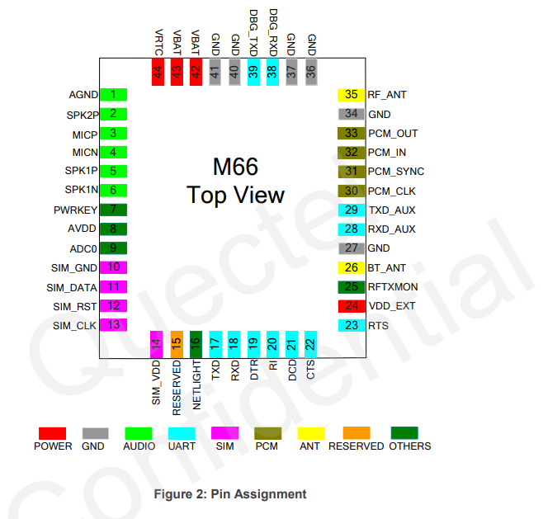
PIN NO | PIN NAME | TYPE | DESCRIPTION | CONNECTIVITY
1 | AGND | AUDIO | AGND AUDIO | TO BREAK OUT CONN 1, CONN AGND AND DGND USING FB
2 | SPK2P | AUDIO | If unused, keep these pins open. Support both voice and ringtone output | TO BREAK OUT CONN 1
3 | MICP | AUDIO | MIC IP '+ | TO BREAK OUT CONN 1
4 | MICN | AUDIO | MIC IP '- | TO BREAK OUT CONN 1
5 | SPK1P | AUDIO | Channel 1 '+ | TO BREAK OUT CONN 1
6 | SPK1N | AUDIO | Channel 1 '- | TO BREAK OUT CONN 1
7 | PWRKEY | OTHERS | Power on/off key. PWRKEY should be pulled down for a moment to turn on or turn off the system | Connect TO A push button switch as in Fig 1
8 | AVDD | OTHERS | Reference voltage of ADC circuit | NC
9 | ADC0 | OTHERS | General purpose analog to digital converter. | NC
10 | SIM_GND | SIM | GND OF SIM | CONNECT TO GND OF SIM
11 | SIM_DATA | SIM | IO OF SIM | CONNECT TO IO OF SIM
12 | SIM_RST | SIM | RST OF SIM | CONNECT TO RST OF SIM
13 | SIM_CLK | SIM | CLK OF SIM | CONNECT TO CLK OF SIM
14 | SIM_VDD | SIM | VCC OF SIM | CONNECT TO VCC OF SIM
15 | RESERVED | RESERVED | RESERVED | NC
16 | NETLIGHT | OTHERS | Network activity | connect to nmos driver ckt for blinking led
17 | TXD | UART | MAIN UART TX | CONNECT IT IT FTDI CHIP
18 | RXD | UART | MAIN UART RX | CONNECT IT IT FTDI CHIP
19 | DTR | UART | MAIN UART 9 PIN SIGNALS | NC
20 | RI | UART | MAIN UART 9 PIN SIGNALS | NC
21 | DCD | UART | MAIN UART 9 PIN SIGNALS | NC
22 | CTS | UART | MAIN UART 9 PIN SIGNALS | NC
23 | RTS | UART | MAIN UART 9 PIN SIGNALS | NC
24 | VDD_EXT | PWR | Supply 2.8V voltage for external circuit | NC
25 | RFTXMON | OTHERS | Transmission signal indication | connect to nmos driver ckt for blinking led
26 | BT_ANT | ANTENNA |  | CONNECT TO BT ANTENNA
27 | GND | GND | GROUND | GROUND
28 | RXD_AUX | UART | AUX UART RX | AUX UART RX
29 | TXD_AUX | UART | AUX UART RX | AUX UART TX
30 | PCM_CLK | OTHERS | PCM CLK OUT | NC
31 | PCM_SYNC | OTHERS | PCM frame synchronization output | NC
32 | PCM_IN | OTHERS | PCM data input | NC
33 | PCM_OUT | OTHERS | PCM_OUT 33 PCM data output | NC
34 | GND | GND | GROUND | GROUND
35 | RF_ANT | ANTENNA |  | CONNECT TO GSM ANTENNA
36 | GND | GND | GROUND | GROUND
37 | GND | GND | GROUND | GROUND
38 | DBG_RXD | UART | SOFTWARE DEBBUGING ONLY RX | HEADER
39 | DBG_TXD | UART | SOFTWARE DEBBUGING ONLY RX | HEADER
40 | GND | GND | GROUND | GROUND
41 | GND | GND | GROUND | GROUND
42 | VBAT | PWR |  | Connect it to 4v0 ldo o/p
43 | VBAT | PWR | Main power supply of MODULE, VBAT= 3.3 TO4.6 V,Make sure that supply sufficient current in a transmitting burst typically rises to 1.6A | Connect it to 4v0 ldo o/p
44 | VRTC | PWR | Power supply for RTC when VBAT is not supplied for the system. Charging for backup battery or golden capacitor when the VBAT is applied | ss

POWER
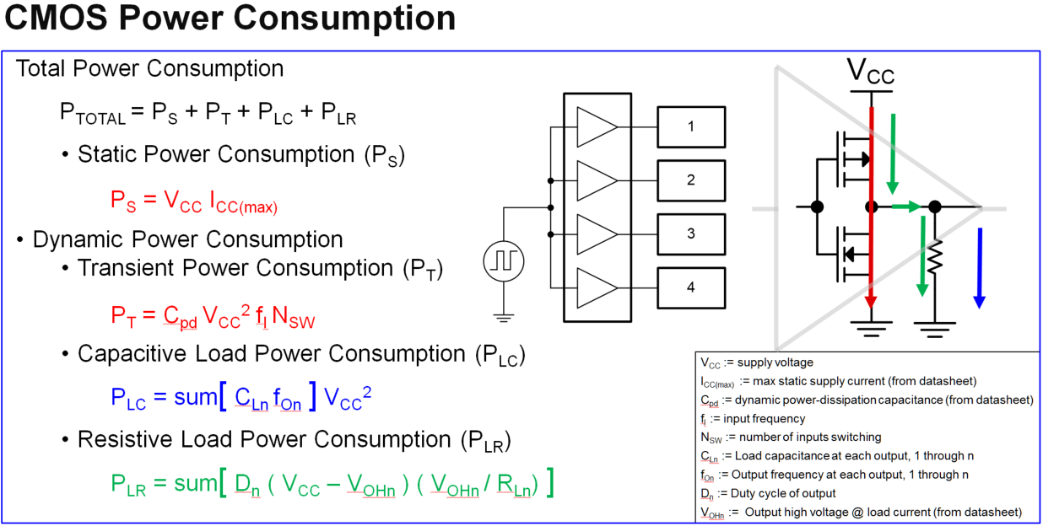
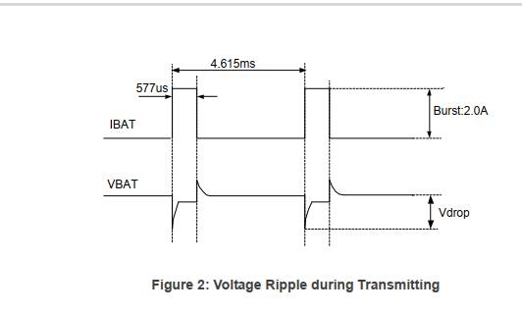
VOUT FB RESISTOR CALCULATION

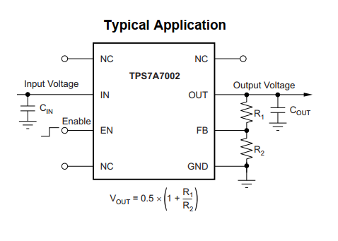
 | TPS7A7002

 | VOUT | 4
 | R1 | 210
 | R2 | 30

 | VOUT | 3.3
 | R1 | 168
 | R2 | 30

PWR CALCULATION BUFFER

 |  |  | A-->B
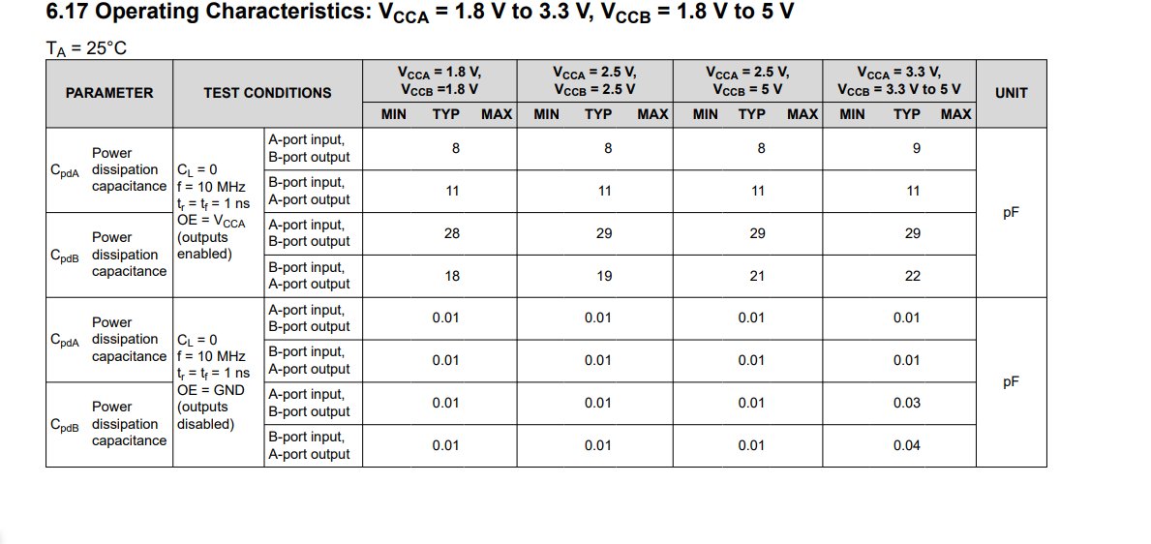
CPDa | 9 |  | CPDb+CL | 60
VCC | 3.3 |  | VCC | 5
FQ | 10 |  | FQ | 10
N | 4 |  | N | 4

Pd | 3920.4 |  | Pd | 60000
Pd | 0.0039204 |  | Pd | 0.06

Ia(uA) | 1188 |  | Ib(uA) | 12000
Ia(mA) | 1.188 |  | Ib(mA) | 12

FIGURES
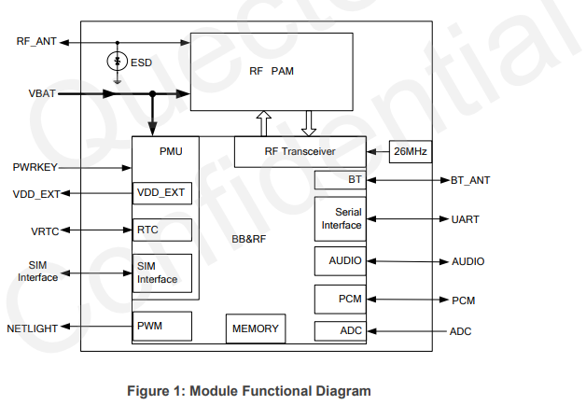

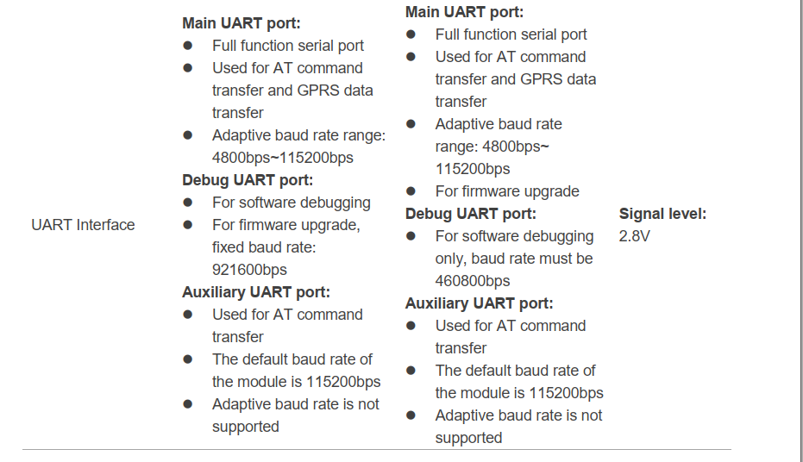

FIG | 1

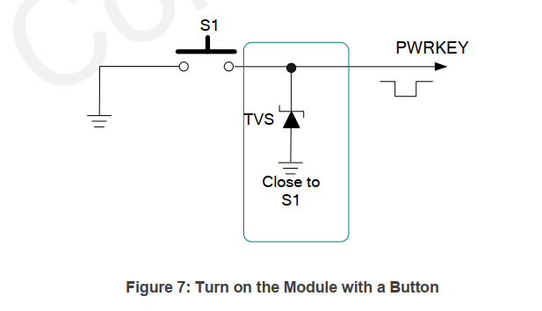

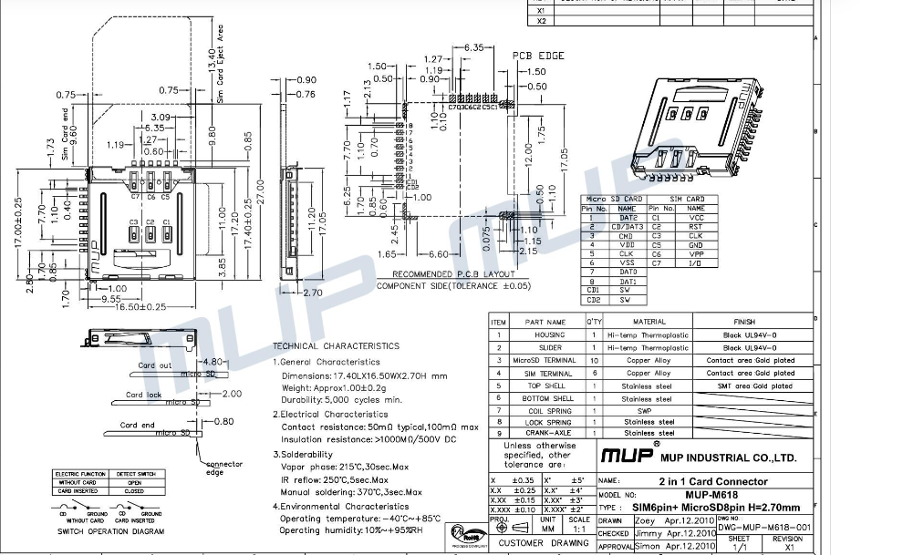
FIG | 2

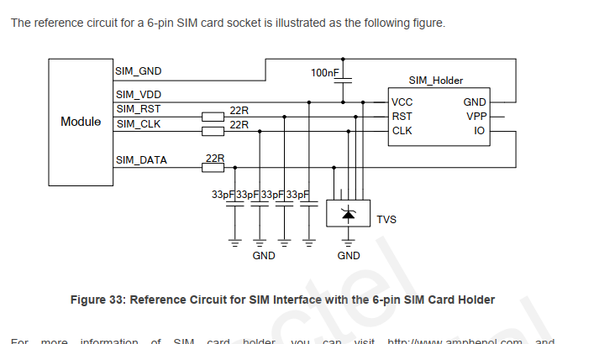
FIG | 3

FIG | 4

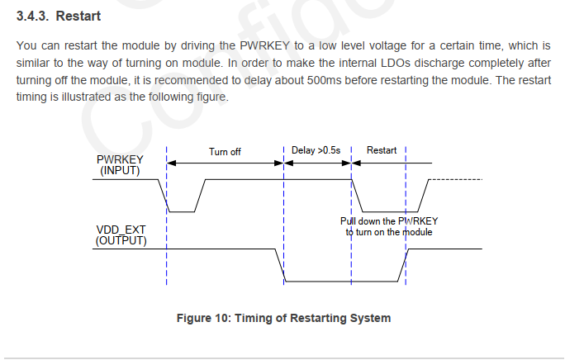
FIG | 5

fig | 6

ANTENNA
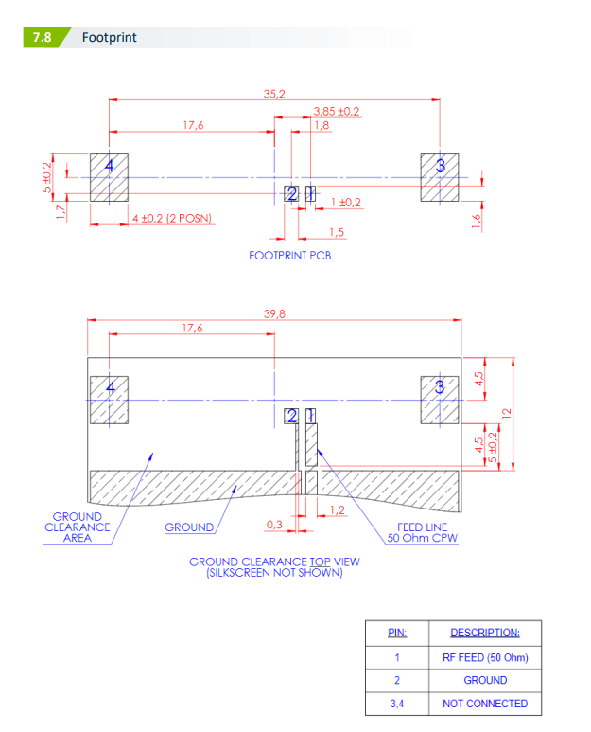

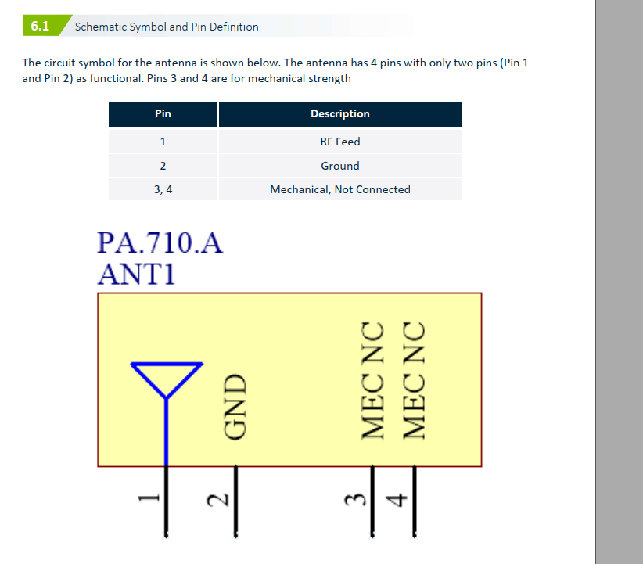
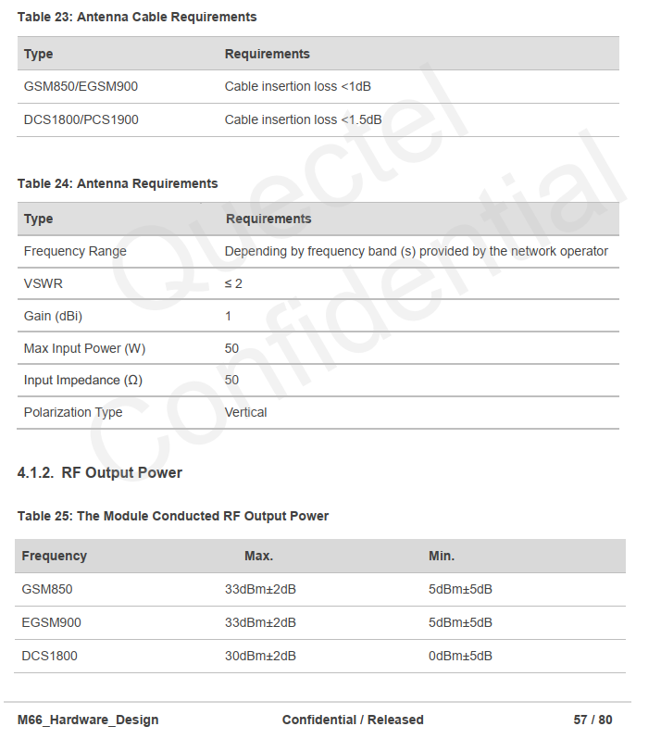
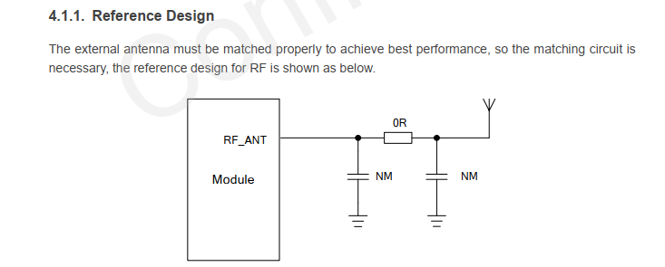

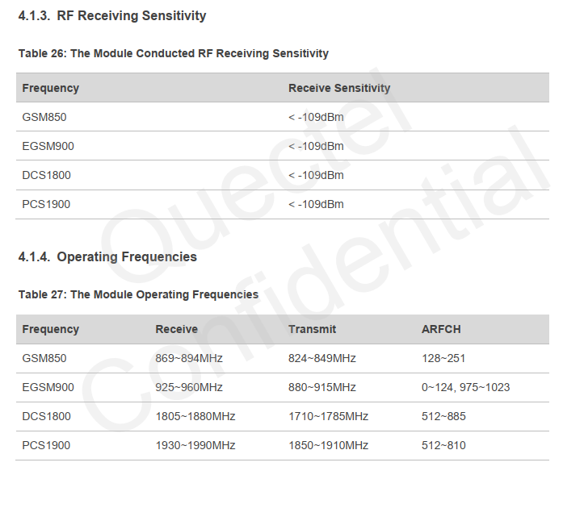

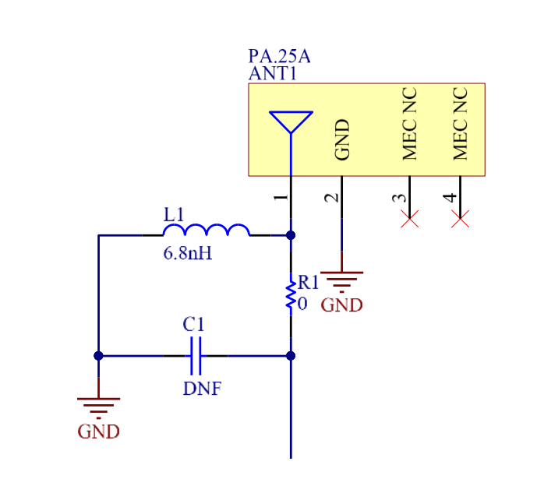

SCNRF-6AAP-RAFR

