Sheet 2
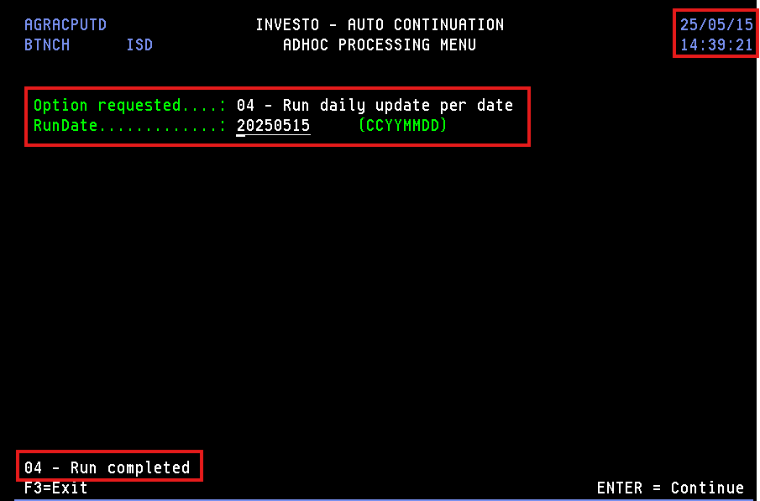
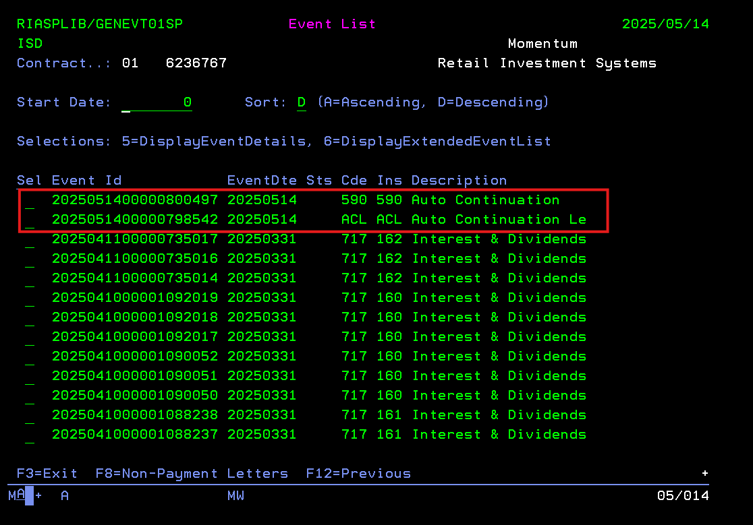
Query - SELECT APRCNUMBAL , APRCNUMBNR, APRSTATUS, APRETYPE, APREDATE, APRODCODE, CRRTYP, CCLANG, A.APRSTATUS, c. CCPNBR, c.CCCOFR, c.CCIDNR FROM momsys02.RIASPLIB.AGRPPRODPF A INNER JOIN momsys02.BBLIB.CMSROLEPF B ON CRPOLA = APRCNUMBAL AND CRPOLN = APRCNUMBNR AND CRRTYP = 'POLHOLD' INNER JOIN momsys02.BBLIB.CMSCLNTPF C ON CRCNBR = CCCNBR WHERE c.CCCTYP = 'N' --and c. CCPNBR = ' ' -- and c.CCIDNR <> '0' and APRSTATUS = 'INF' and APREDATE > '20250814' and APREDATE < '20250901' and APTARDATE > '20080901'

01 5459843 (1996087368004 INV 8 Linked Investment)
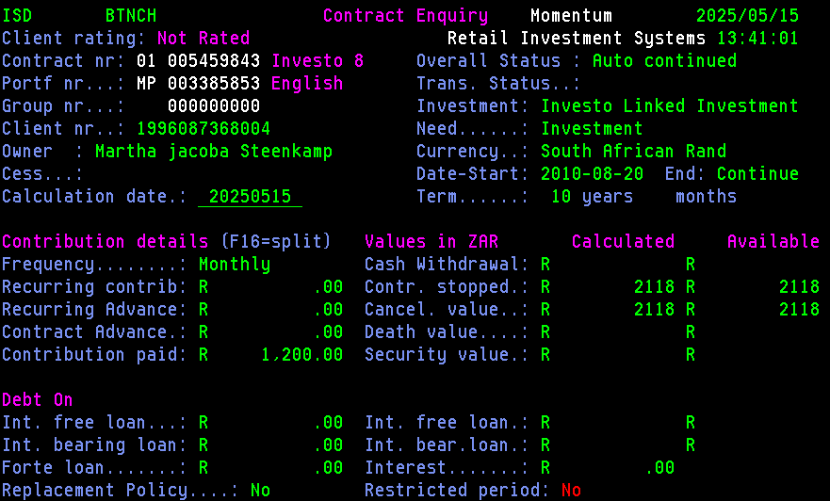

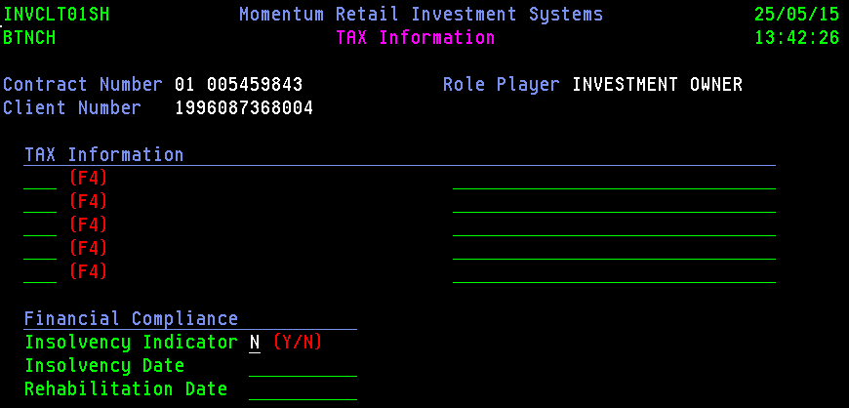

Update happen via setInvestoClientByClientNumber API

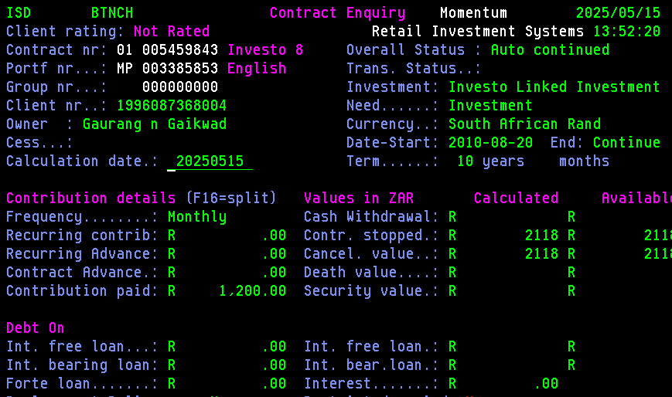
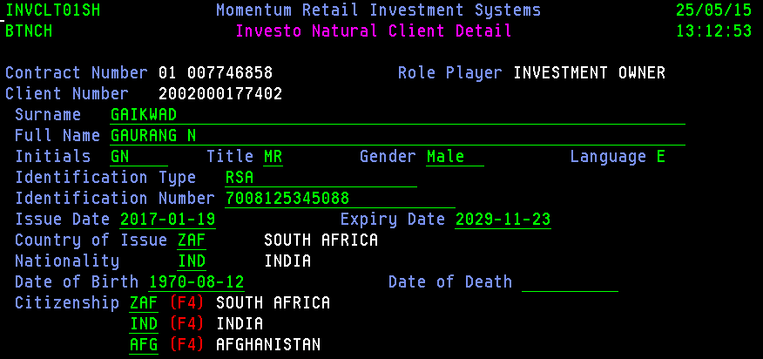
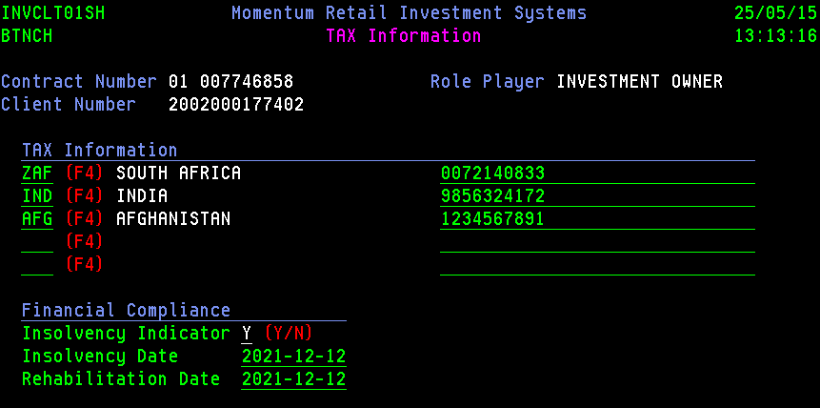

Change the date in AGRPPRODLA

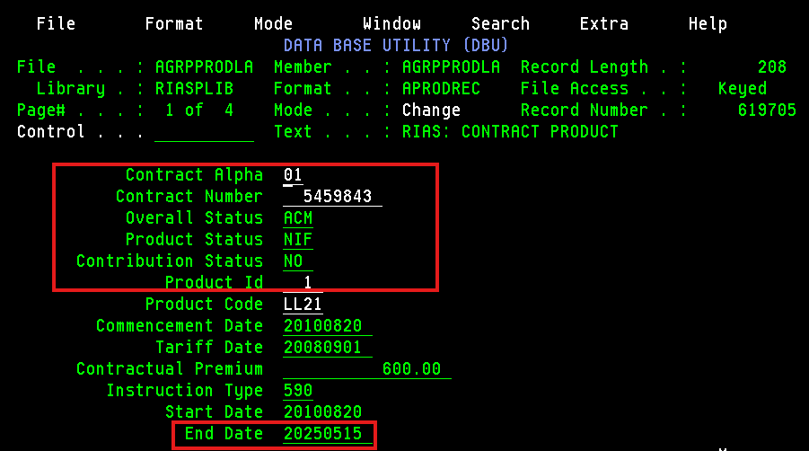
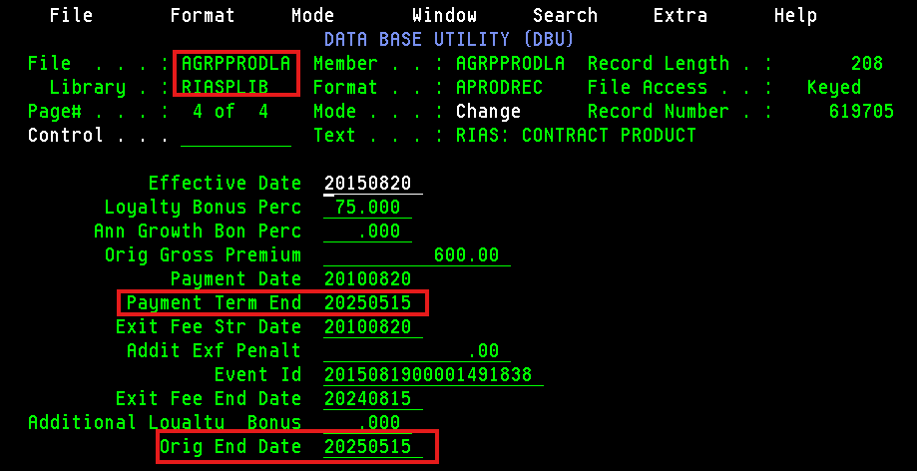

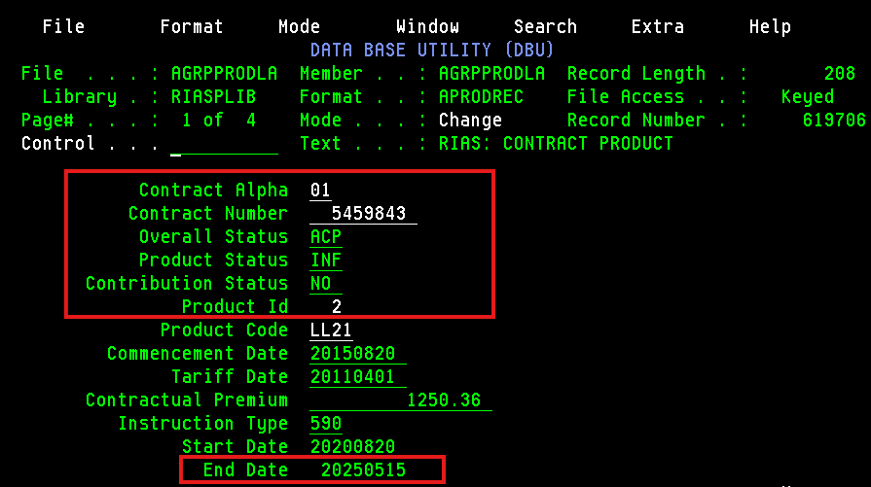
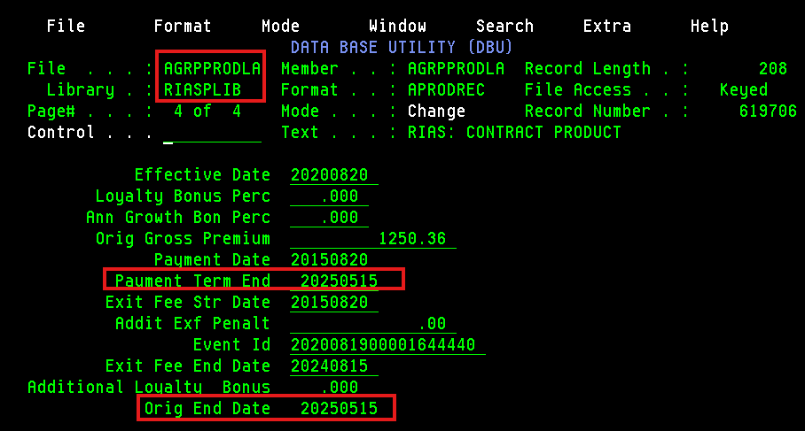

Changing update indicator - N, end date - today date, date updated = blank, flag for maturity = N in AGRPACPLPF file

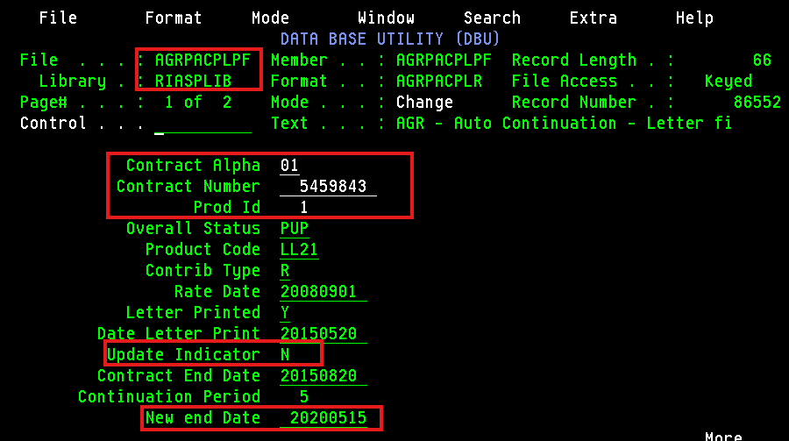
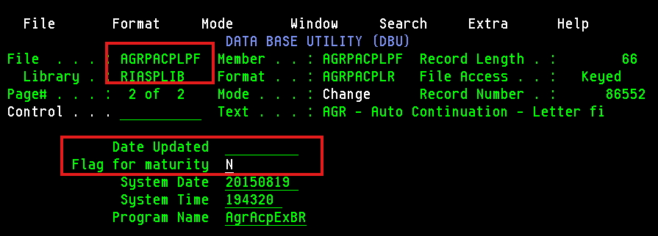

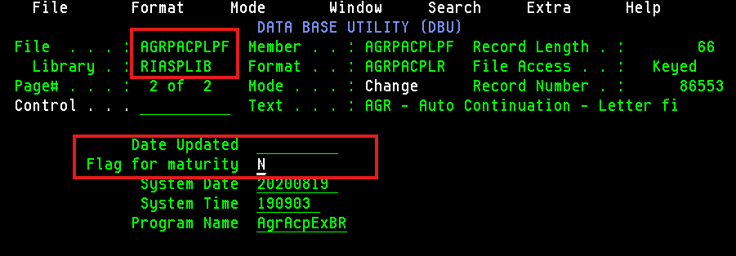

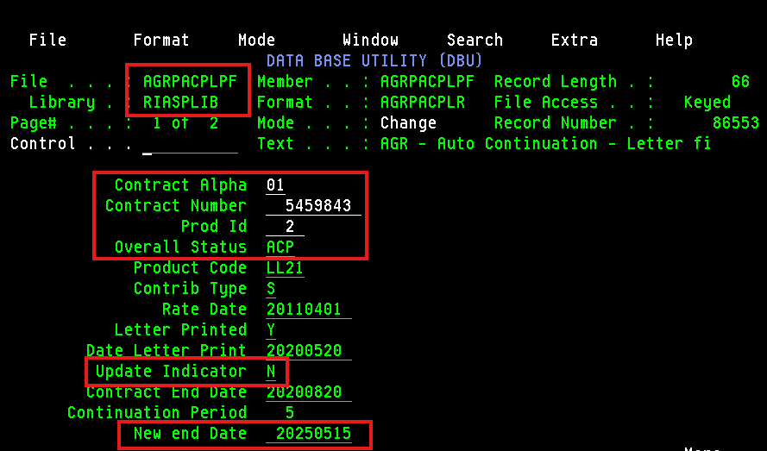

Do extract first and then ACP
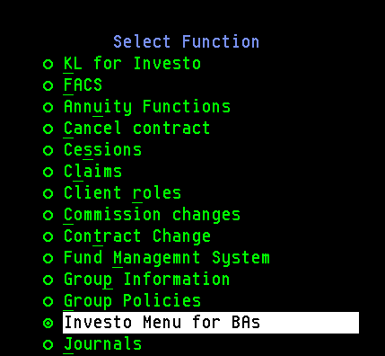

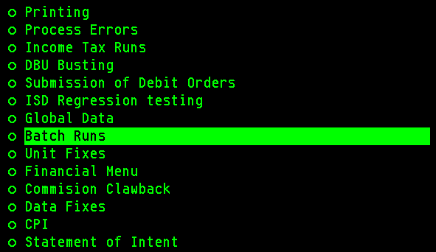

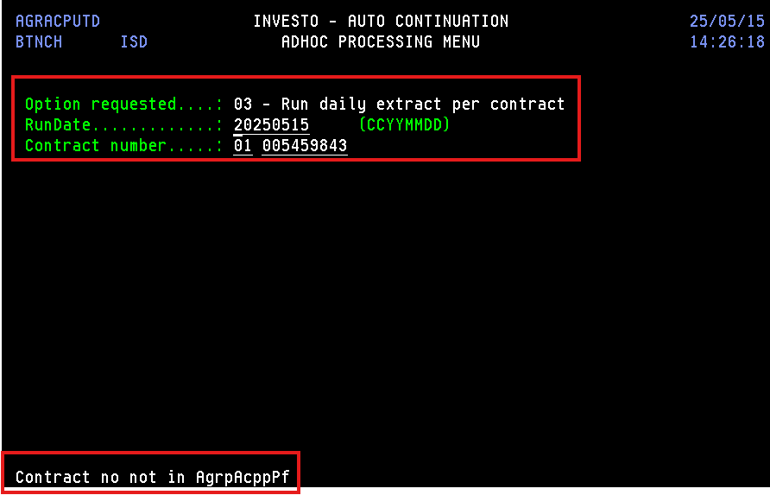
 | So we added the record in AGRPACPPPF

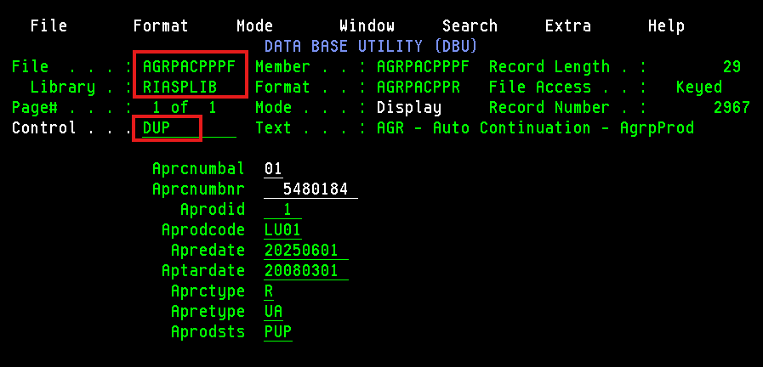

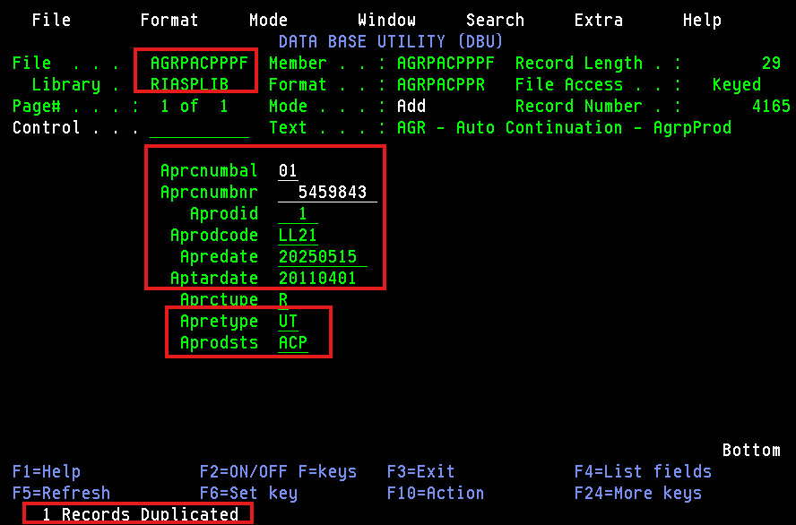

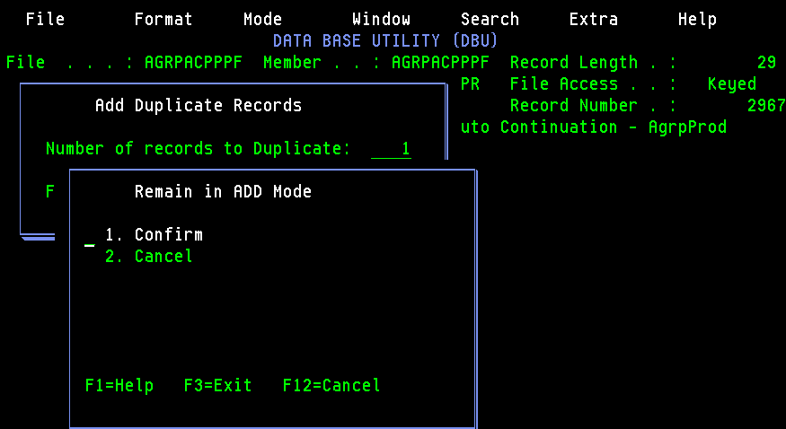

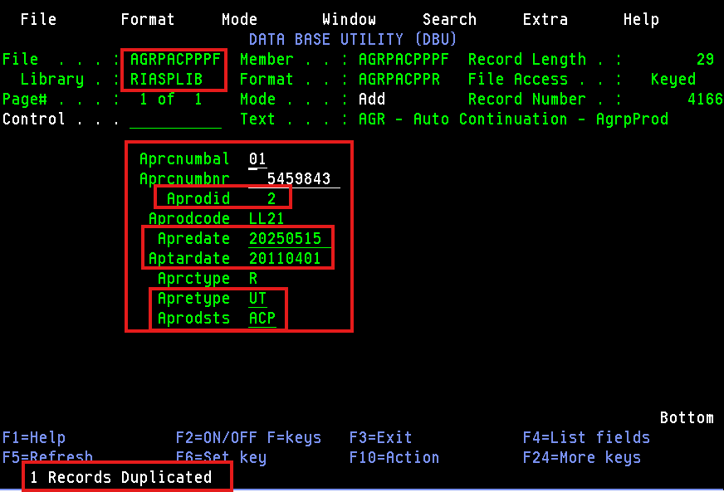

Now we again doing the Auto Continuation Extract Per Contract

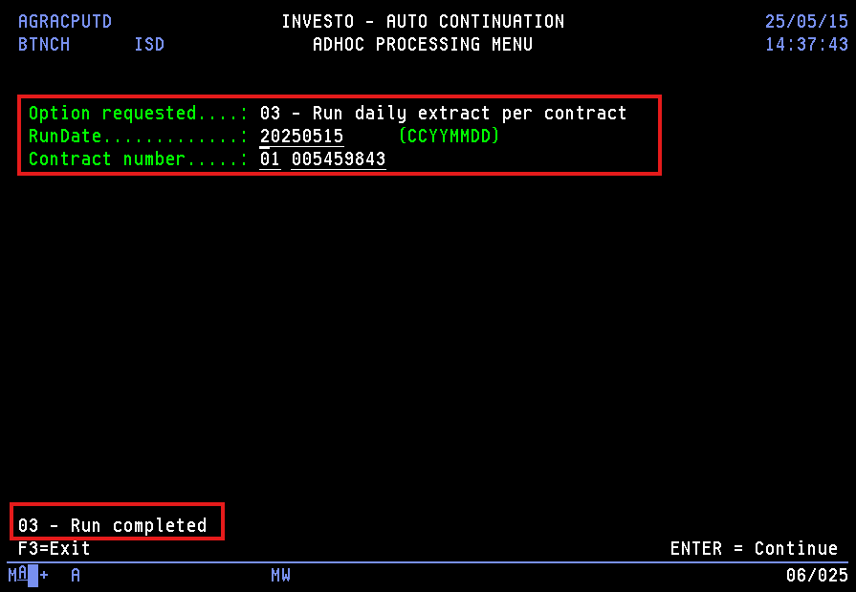

Now doing Auto Contiuation Update Per Date

Sheet1
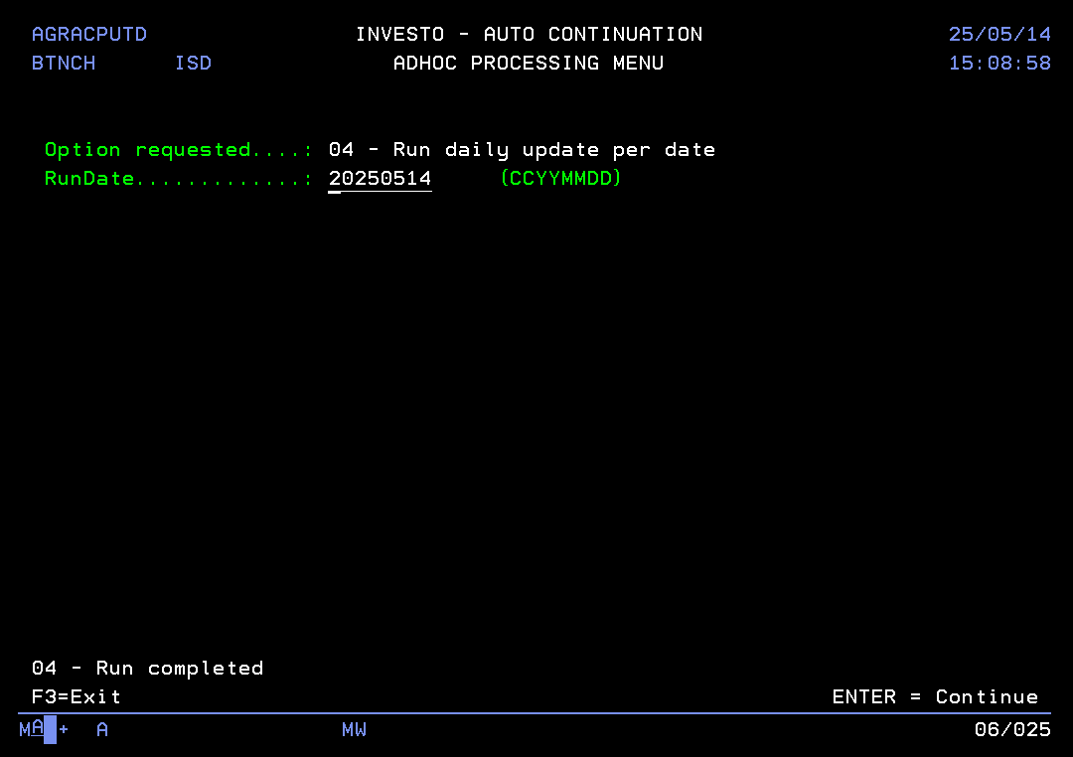
Query - SELECT APRCNUMBAL , APRCNUMBNR, APRSTATUS, APRETYPE, APREDATE, APRODCODE, CRRTYP, CCLANG, A.APRSTATUS, c. CCPNBR, c.CCCOFR, c.CCIDNR FROM momsys02.RIASPLIB.AGRPPRODPF A INNER JOIN momsys02.BBLIB.CMSROLEPF B ON CRPOLA = APRCNUMBAL AND CRPOLN = APRCNUMBNR AND CRRTYP = 'POLHOLD' INNER JOIN momsys02.BBLIB.CMSCLNTPF C ON CRCNBR = CCCNBR WHERE c.CCCTYP = 'N' --and c. CCPNBR = ' ' -- and c.CCIDNR <> '0' and APRSTATUS = 'INF' and APREDATE > '20250814' and APREDATE < '20250901' and APTARDATE > '20080901'

01 6236767 (1998017600906 INV 8 Linked Investment)
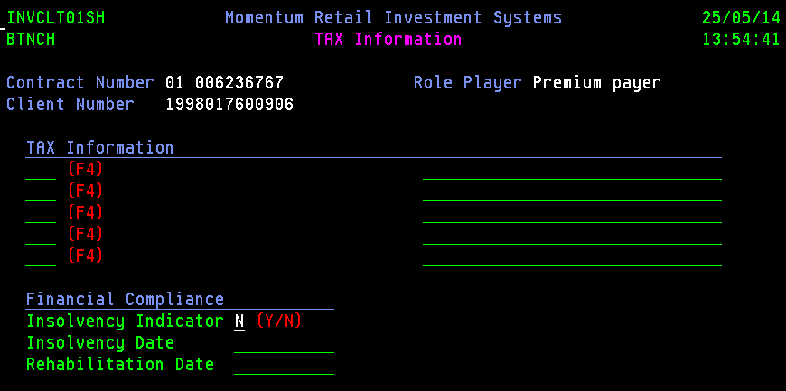
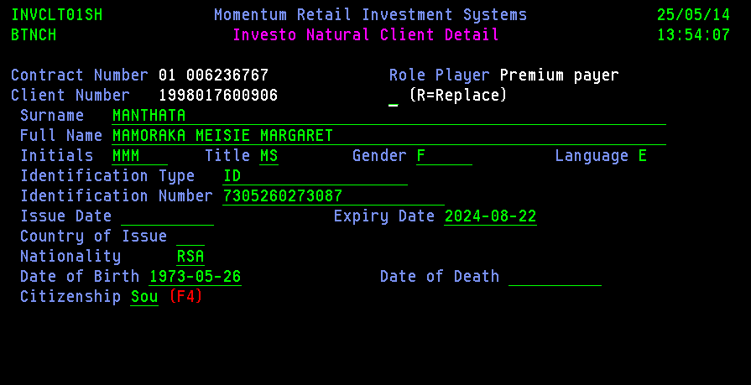

Update happen via setInvestoClientByClientNumber API

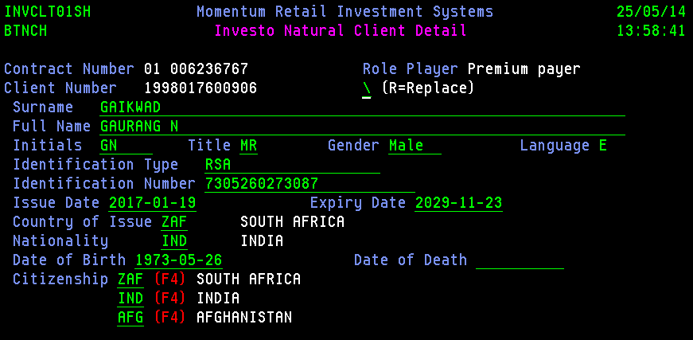

Change the date in AGRPPRODLA
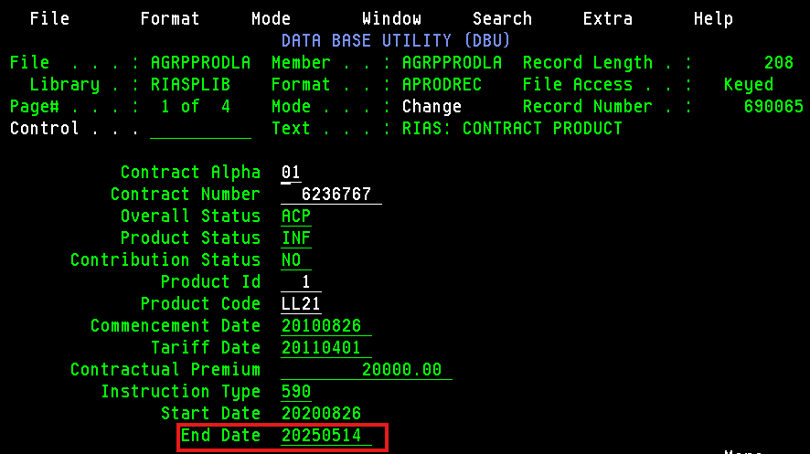
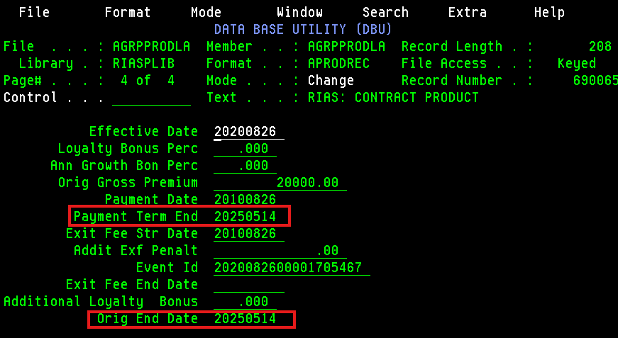

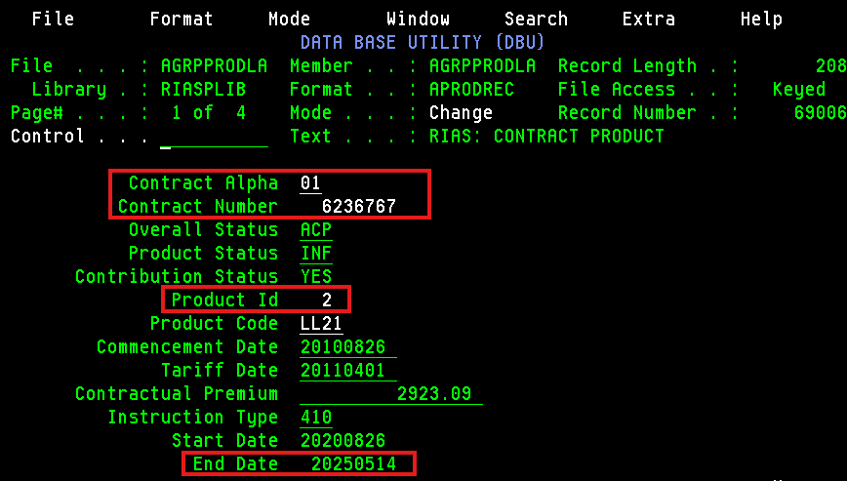
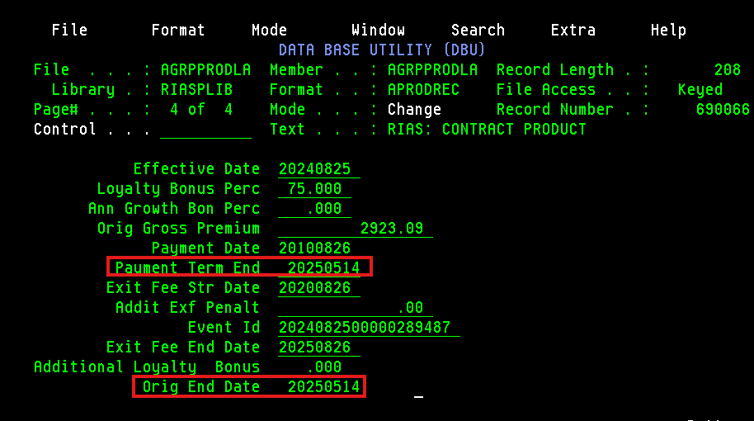

Changing update indicator - N, end date - today date, date updated = blank, flag for maturity = N in AGRPACPLPF file

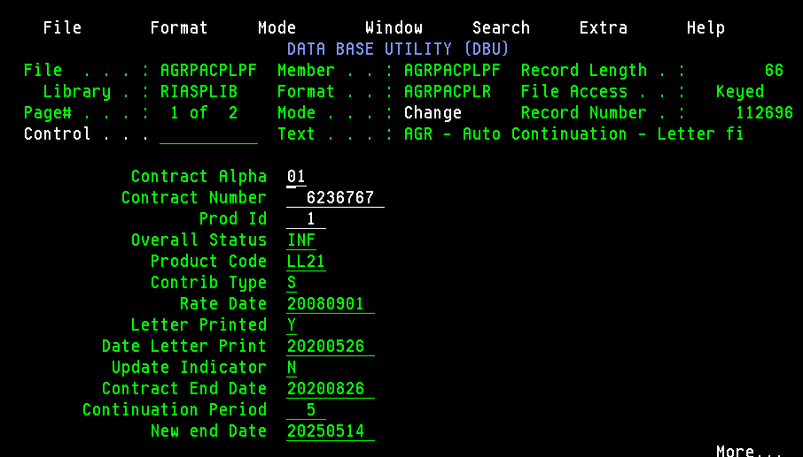
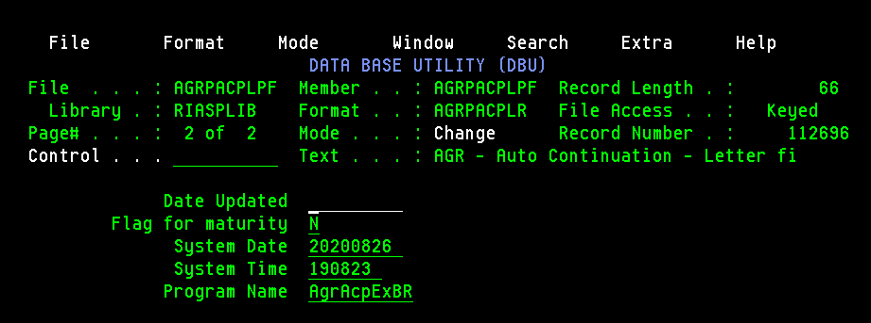

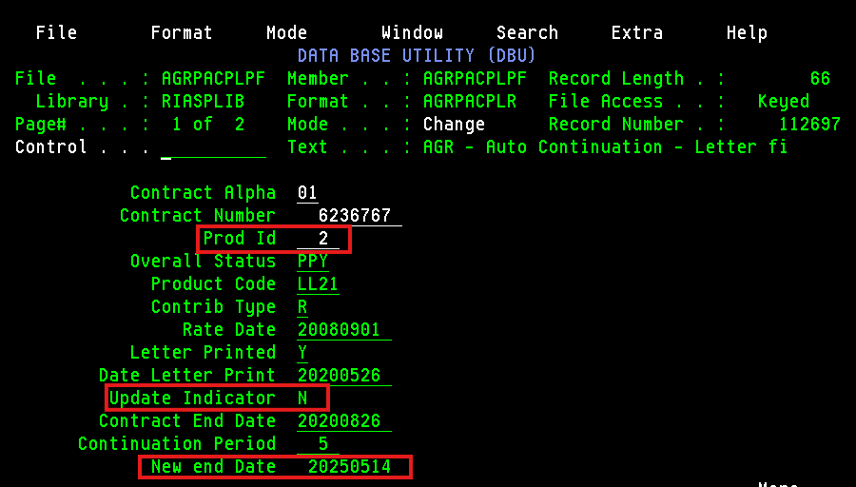
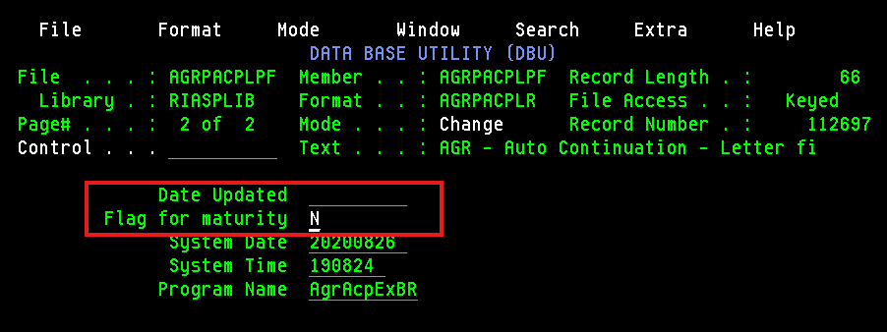

Do extract first and then ACP

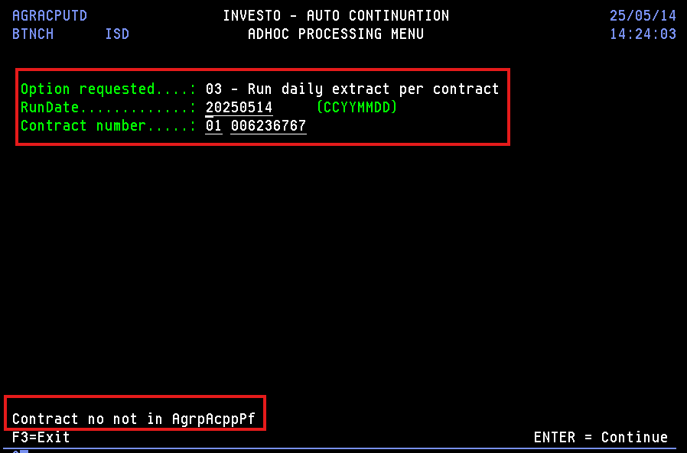
 | So we added the record in AGRPACPPPF

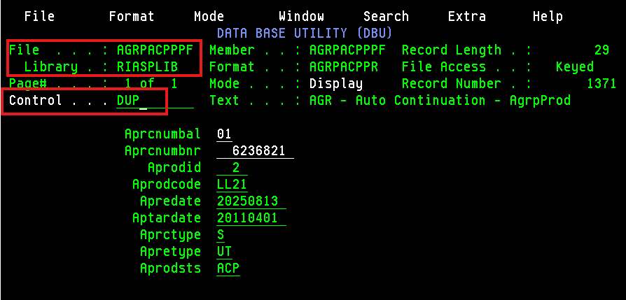

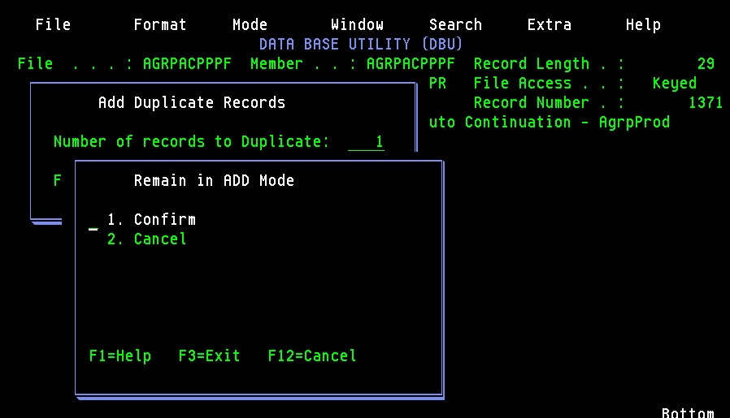

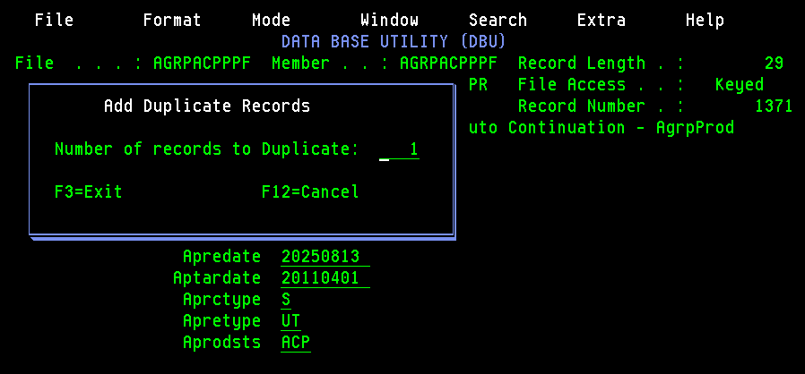

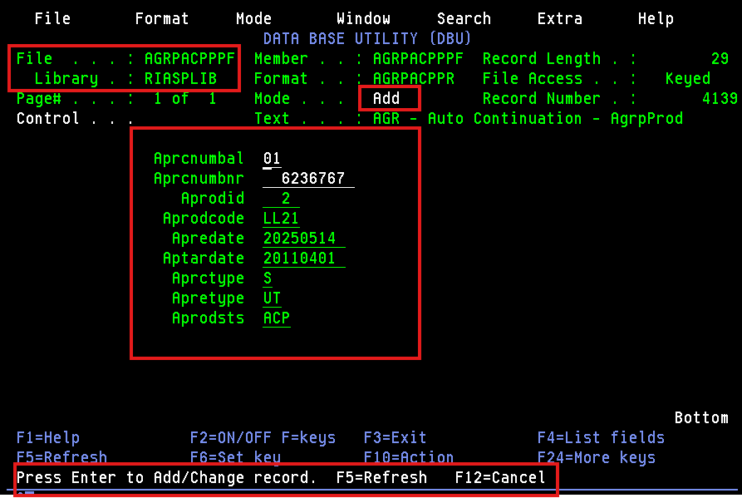
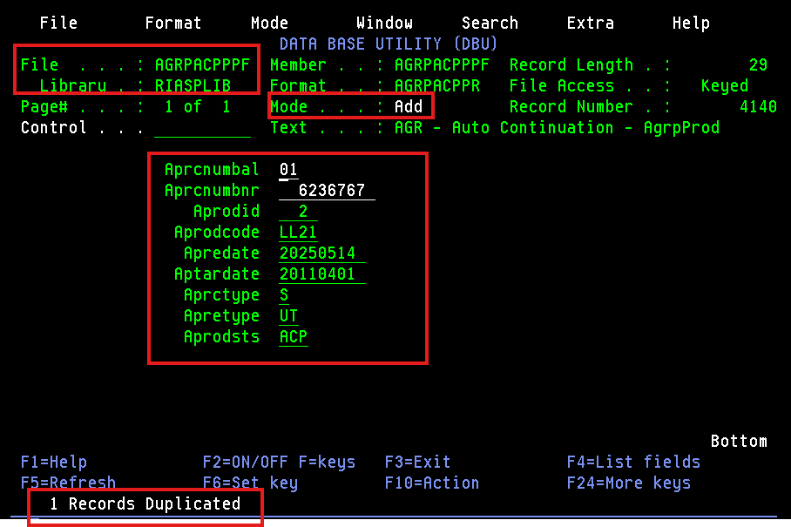

Now we again doing the Auto Continuation Extract Per Contract

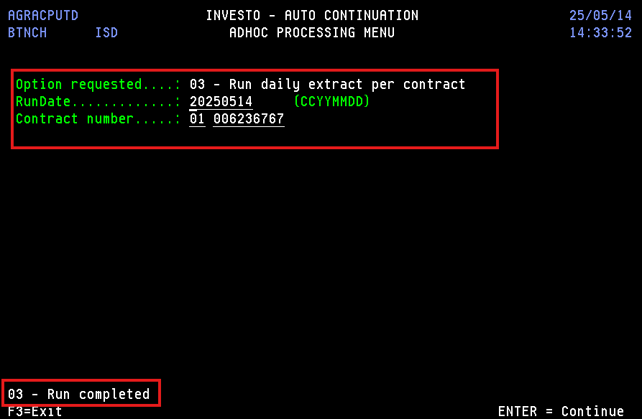

Now doing Auto Contiuation Update Per Date

