Steps
Step 1
 | Check if the accumulation run starts a 10 AM for all Asset Managers from Monday to Friday | Step: Invest menu for BA BA menu F14 (Shift F2) (Submit Jobs) Enter '- WRKUSRJOB INVBCHTST' in command line See if the Job is started where Job name is 'BLKACTRXCL' user is 'INVBCHTST' and Status is Active | To Test if the time is set correctly: SELECT AACCTIME FROM RIASPLIB.blkpasmdpf --WHERE AASMCDE = 'WEALTH' | The Accumulation job run is kicked off successfully for 11 AM for the rest and the Job status is Active (Runnning)

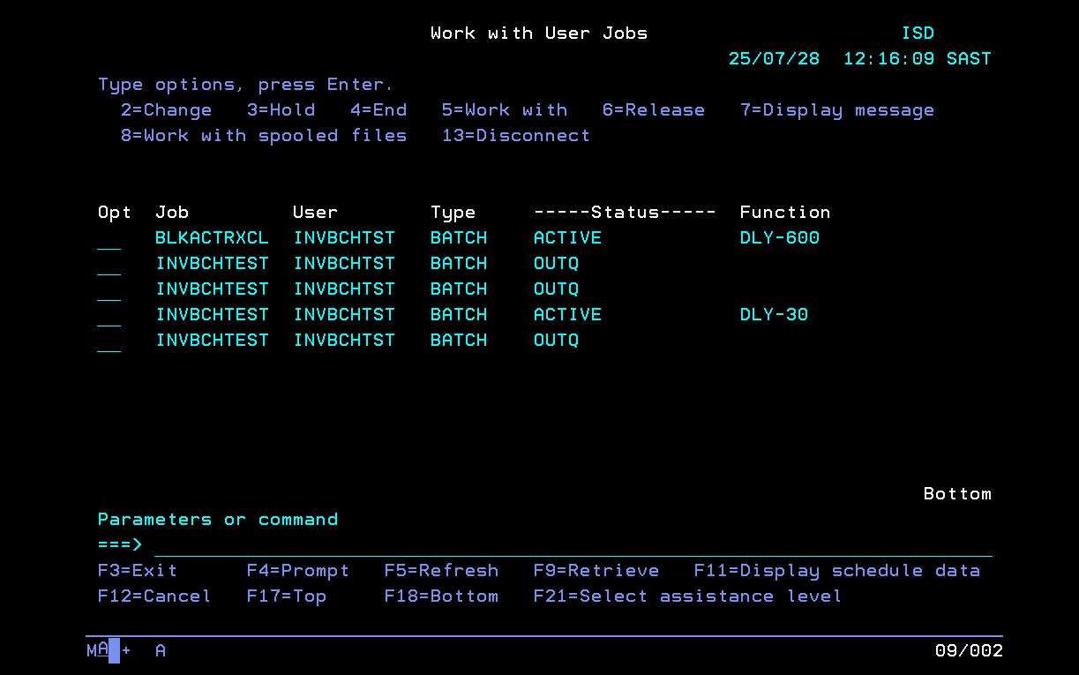
 |  |  |  |  | DB

 |  |  |  |  | AASMCDE | AACCTIME
 |  |  |  |  | RMBAM | 100,000
 |  |  |  |  | RMBDA | 100,000
 |  |  |  |  | RMBOF | 100,000
 |  |  |  |  | RMBUT | 143,000 | For testing we chnages this
 |  |  |  |  | WEALTH | 90,000
 |  |  |  |  | MII | 100,000
 |  |  |  |  | SAGE1 | 100,000
 |  |  |  |  | ILIAD1 | 100,000
 |  |  |  |  | MOMGM | 100,000
 |  |  |  |  | RMBIC | 100,000
 |  |  |  |  | RMBSH | 100,000
 |  |  |  |  | MOMOD | 100,000
 |  |  |  |  | EGL | 0 | Elsable mentioned they are non active FMs
 |  |  |  |  | ENG | 0

Step 2
 | Check the Accumulation Status as soon as the Job runs from step 1--busy | Steps: Trader Transmission View Accumulation status DB: --checking all accumulation runs select TSDATIME as AccumDate, TASMCDE as AssetManager, TSETDATE as ExpectedDate, TSETTIME as ExpectedTime, TDATEOVR as OverrideDate, TTIMEOVR as OverrideTime, TSYSUSER as UserName, TSYSDATE as SystemDate, TSYSTIME as SystemTime, TBEGTIME as BeginTime, TENDTIME as EndTime, CASE WHEN TJOBRUN = '' then 'Not Started' WHEN TJOBRUN = 'B' then 'Busy' WHEN TJOBRUN = 'E' then 'Error' WHEN TJOBRUN = 'C' then 'Completed' END as RunStatus from riasplib.BLKPACTRPF where TSDATIME = '2025-07-21' order by tsdatime desc ; | Asset Managers: RMBAM RMBDA RMBOF RMBUT ENG --Non Active EGL -- Non Active WEALTH MII SAGE1 ILIAD1 MOMGM RMBIC RMBSH MOMOD

Couldn’t capture busy status as they went into busy state
As it gets completed in fraction of seconds
ACCUMDATE | ASSETMANAGER | EXPECTEDDATE | EXPECTEDTIME | OVERRIDEDATE | OVERRIDETIME | USERNAME | SYSTEMDATE | SYSTEMTIME | BEGINTIME | ENDTIME | RUNSTATUS
2025-07-28 | EGL | 20,250,728 | 0 | 20,250,728 | 0 | INVBCHTST | 20,250,728 | 73,001 | 73,001 | 0 | [NULL]
2025-07-28 | ENG | 20,250,728 | 0 | 20,250,728 | 0 | INVBCHTST | 20,250,728 | 73,001 | 73,001 | 0 | [NULL]
2025-07-28 | ILIAD1 | 20,250,728 | 100,000 | 20,250,728 | 93,000 | INVBCHTST | 20,250,728 | 93,002 | 93,002 | 93,003 | Completed
2025-07-28 | MII | 20,250,728 | 100,000 | 20,250,728 | 93,000 | INVBCHTST | 20,250,728 | 93,002 | 93,002 | 93,003 | Completed
2025-07-28 | MOMGM | 20,250,728 | 100,000 | 20,250,728 | 93,000 | INVBCHTST | 20,250,728 | 93,002 | 93,002 | 93,004 | Completed
2025-07-28 | MOMOD | 20,250,728 | 100,000 | 20,250,728 | 93,000 | INVBCHTST | 20,250,728 | 93,002 | 93,002 | 93,006 | Completed
2025-07-28 | RMBAM | 20,250,728 | 100,000 | 20,250,728 | 93,000 | INVBCHTST | 20,250,728 | 93,002 | 93,002 | 93,008 | Completed
2025-07-28 | RMBDA | 20,250,728 | 100,000 | 20,250,728 | 93,000 | INVBCHTST | 20,250,728 | 93,002 | 93,002 | 93,003 | Completed
2025-07-28 | RMBIC | 20,250,728 | 100,000 | 20,250,728 | 93,000 | INVBCHTST | 20,250,728 | 93,002 | 93,002 | 93,004 | Completed
2025-07-28 | RMBOF | 20,250,728 | 100,000 | 20,250,728 | 93,000 | INVBCHTST | 20,250,728 | 93,002 | 93,002 | 93,005 | Completed
2025-07-28 | RMBSH | 20,250,728 | 100,000 | 20,250,728 | 93,000 | INVBCHTST | 20,250,728 | 93,002 | 93,002 | 93,003 | Completed
2025-07-28 | RMBUT | 20,250,728 | 100,000 | 20,250,728 | 93,000 | INVBCHTST | 20,250,728 | 93,002 | 93,002 | 93,003 | Completed
2025-07-28 | SAGE1 | 20,250,728 | 100,000 | 20,250,728 | 93,000 | INVBCHTST | 20,250,728 | 93,002 | 93,002 | 93,004 | Completed
2025-07-28 | WEALTH | 20,250,728 | 100,000 | 20,250,728 | 90,000 | INVBCHTST | 20,250,728 | 90,002 | 90,002 | 90,004 | Completed

Step 3
Make sure you are on VPN and on login details promt enter IBMi username and password

 | Check if all the XML and CSV files are generated correctly | On windows explorer enter the locations mentioned in the Data sections | Asset Manager - ALL ILIAD1: \\isd\home\investo\blkmngr\xml\outgoing -> file IL102501.XML MII : \\isd\home\investo\blkmngr\mii\download -> file IN241025.CSV MOMGM : \\isd\home\investo\blkmngr\momgm\download -> file IN241025.CSV MOMOD : \\isd\home\investo\blkmngr\xml\outgoing -> file OD102501.XML RMBAM : \\isd\home\investo\blkmngr\xml\outgoing -> file DM102501.XML,OD102801.xml RMBAM: \\isd\home\investo\blkmngr\rmbam\download -> file IN241028.csv, OP241028.csv RMBDA : \\isd\home\investo\blkmngr\xml\outgoing -> file GY102501.XML RMBIC : \\isd\home\investo\blkmngr\xml\outgoing -> file IC102501.XML RMBOF : \\isd\home\investo\blkmngr\xml\outgoing -> file OF102501.XML RMBSH : \\isd\home\investo\blkmngr\xml\outgoing -> file SH102501.XML RMBUT : \\isd\home\investo\blkmngr\xml\outgoing -> file UT102501.XML SAGE1 : \\isd\home\investo\blkmngr\xml\outgoing -> file SA102501.XML WEALTH : \\isd\home\investo\blkmngr\wealth\download -> file IN241025.CSV ,OB241028.csv,SW241028.csv,OP241028.csv,RN141028.csv,UN241018,csv | The respectve files are generated correctly

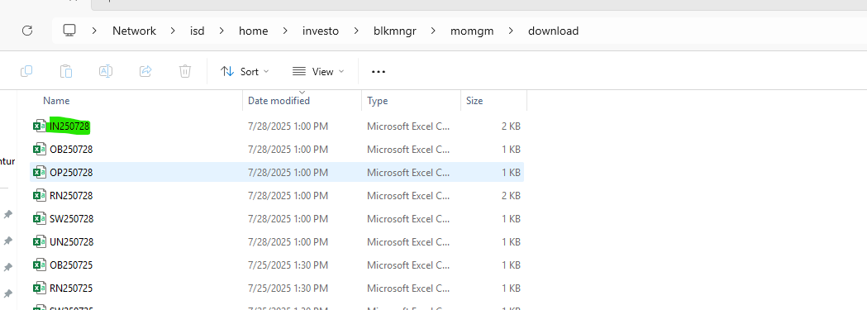

Wealth

Step 4
 | Check if the Accumulation is auto approved without any manual intervention when the Accumulation job is complete at the said time | BA menu Trader Authorise transmission Batch --checking approval status select aasmcde, adatsnt, astatus, afcstrtp, afcsdocn, trim(afcserr) as afcserr, asysusr, asysdte, asystim from riasplib.BLKPAUDSPF where adatsnt = '20250721' order by aasmcde | Asset Manager- ALL | Accumulation is auto approved. Under Asm under the asset manager the "Approved" String must be Present (Sheet:Reference Screens-->Screen 1)

All 12 approved

AASMCDE | ADATSNT | ASTATUS | AFCSTRTP | AFCSDOCN | AFCSERR | ASYSUSR | ASYSDTE | ASYSTIM
ILIAD1 | 20,250,728 | APPROVED |  | 0 |  | INVBCHTST | 20,250,728 | 93,003
MII | 20,250,728 | APPROVED | BUYMI | 100 |  | INVBCHTST | 20,250,728 | 93,003
MOMGM | 20,250,728 | APPROVED | BUYMM | 100 |  | INVBCHTST | 20,250,728 | 93,004
MOMOD | 20,250,728 | APPROVED | BUYOD | 100 |  | INVBCHTST | 20,250,728 | 93,006
RMBAM | 20,250,728 | APPROVED | BUYAM | 100 |  | INVBCHTST | 20,250,728 | 93,008
RMBDA | 20,250,728 | APPROVED |  | 0 |  | INVBCHTST | 20,250,728 | 93,003
RMBIC | 20,250,728 | APPROVED |  | 0 | 1055 FACS Error: 1055 Invalid acc number/invalid acc number acc type combin | INVBCHTST | 20,250,728 | 93,004
RMBOF | 20,250,728 | APPROVED | BUYOF | 100 |  | INVBCHTST | 20,250,728 | 93,005
RMBSH | 20,250,728 | APPROVED |  | 0 | 1055 FACS Error: 1055 Invalid acc number/invalid acc number acc type combin | INVBCHTST | 20,250,728 | 93,003
RMBUT | 20,250,728 | APPROVED | BUYUT | 100 |  | INVBCHTST | 20,250,728 | 93,003
SAGE1 | 20,250,728 | APPROVED |  | 0 |  | INVBCHTST | 20,250,728 | 93,004
WEALTH | 20,250,728 | APPROVED |  | 0 | 0024 FACS Error: 0024 Invalid transaction type/document type (BCTDPF). | INVBCHTST | 20,250,728 | 90,004

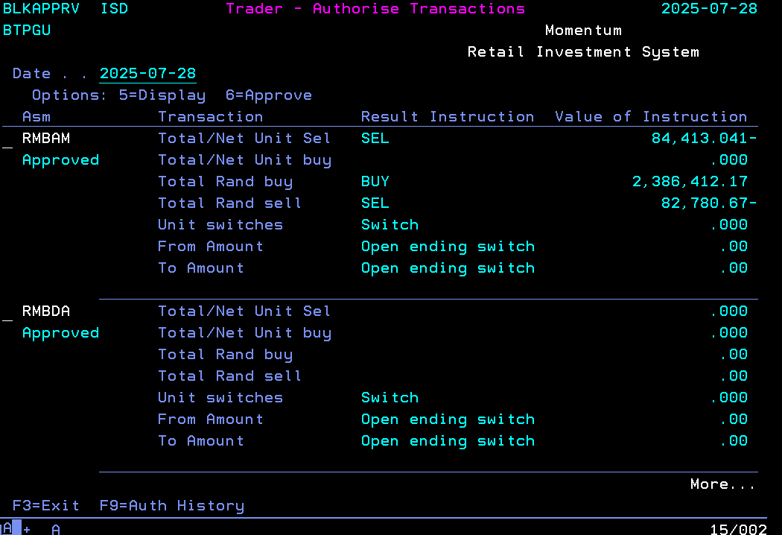
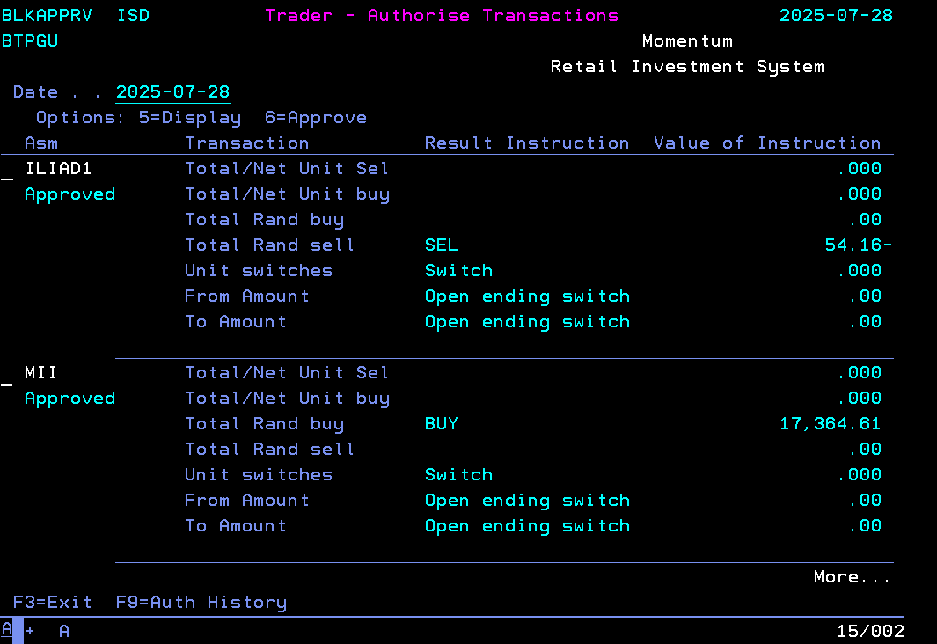

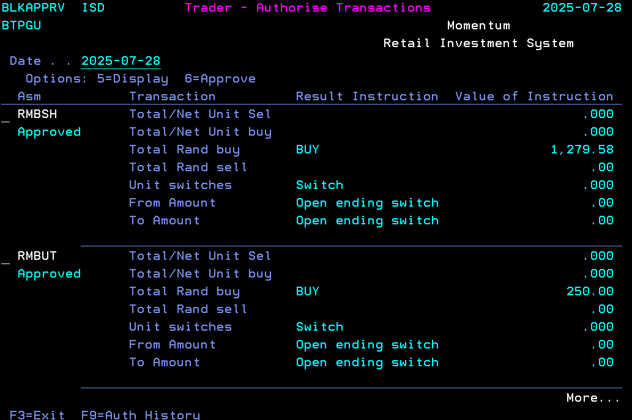
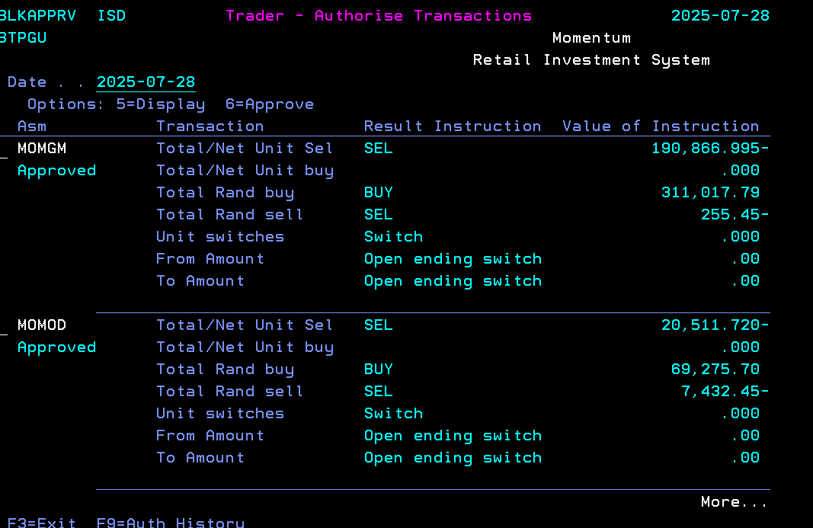

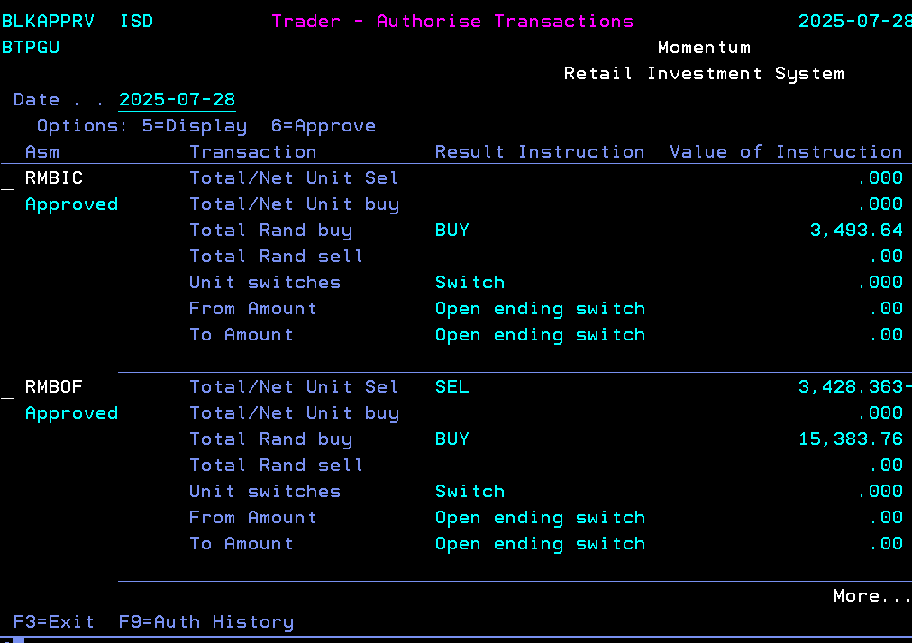
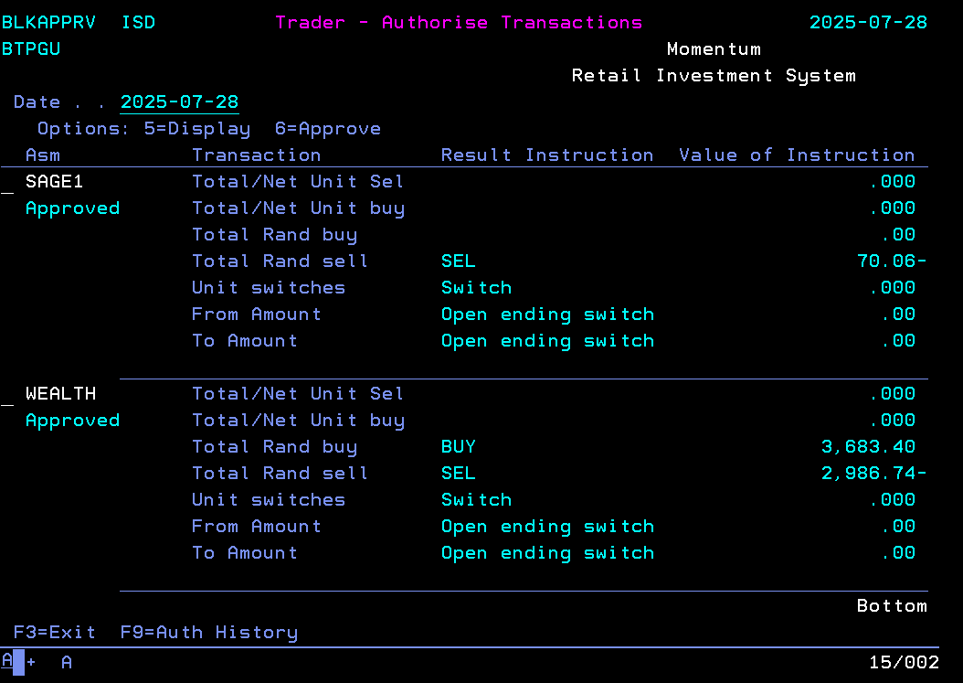

Step 5
 | Verify the values for the below on "Trader - Authorise Transaction screen": 1. Total /Net Unit Sel 2. Total /Net Unit buy 3.Total Rand Buy 4. Total Rand Sell 5. Unit Switches 6. From Amount 7. To Amount | BA menu Trader Authorise transmission Batch | Asset Manager- ALL Database query: select sasmcde, sinstyp, svaltyp, sum(srndval) as Rval, sum(suntval) as Uval from riasplib.blkpsndpf where sdatsnt = 20241028 group by sasmcde, sinstyp, svaltyp | The values should be as per the query in the data column

SASMCDE | SINSTYP | SVALTYP | RVAL | UVAL
ILIAD1 | SEL | R | 54.16 | 0
RMBUT | BUY | R | 250 | 0
WEALTH | BUY | R | 3,683.40 | 0
MOMGM | SEL | R | 255.45 | 0
WEALTH | SEL | R | 2,986.74 | 0
RMBIC | BUY | R | 3,493.64 | 0
RMBOF | BUY | R | 15,383.76 | 0
MOMGM | BUY | R | 311,017.79 | 0
MOMOD | SEL | U | 0 | 20,511.72
RMBAM | BUY | R | 2,386,412.17 | 0
RMBSH | BUY | R | 1,279.58 | 0
SAGE1 | SEL | R | 70.06 | 0
MOMOD | BUY | R | 69,275.70 | 0
RMBOF | SEL | U | 0 | 3,428.36
RMBAM | SEL | U | 0 | 84,413.04
MOMGM | SEL | U | 0 | 190,867.00
MII | BUY | R | 17,364.61 | 0
RMBAM | SEL | R | 82,780.67 | 0
MOMOD | SEL | R | 7,432.45 | 0

STEP 6
 | Check when accumulation status job is done the status becomes 'Completed' | --checking all accumulation runs select TSDATIME as AccumDate, TASMCDE as AssetManager, TSETDATE as ExpectedDate, TSETTIME as ExpectedTime, TDATEOVR as OverrideDate, TTIMEOVR as OverrideTime, TSYSUSER as UserName, TSYSDATE as SystemDate, TSYSTIME as SystemTime, TBEGTIME as BeginTime, TENDTIME as EndTime, CASE WHEN TJOBRUN = '' then 'Not Started' WHEN TJOBRUN = 'B' then 'Busy' WHEN TJOBRUN = 'E' then 'Error' WHEN TJOBRUN = 'C' then 'Completed' END as RunStatus from riasplib.BLKPACTRPF where TSDATIME = '2025-07-28' order by tsdatime DESC

 | ACCUMDATE | ASSETMANAGER | EXPECTEDDATE | EXPECTEDTIME | OVERRIDEDATE | OVERRIDETIME | USERNAME | SYSTEMDATE | SYSTEMTIME | BEGINTIME | ENDTIME | RUNSTATUS
 | 2025-07-28 | EGL | 20,250,728 | 0 | 20,250,728 | 0 | INVBCHTST | 20,250,728 | 73,001 | 73,001 | 0 | [NULL]
 | 2025-07-28 | ENG | 20,250,728 | 0 | 20,250,728 | 0 | INVBCHTST | 20,250,728 | 73,001 | 73,001 | 0 | [NULL]
 | 2025-07-28 | ILIAD1 | 20,250,728 | 100,000 | 20,250,728 | 93,000 | INVBCHTST | 20,250,728 | 93,002 | 93,002 | 93,003 | Completed
 | 2025-07-28 | MII | 20,250,728 | 100,000 | 20,250,728 | 93,000 | INVBCHTST | 20,250,728 | 93,002 | 93,002 | 93,003 | Completed
 | 2025-07-28 | MOMGM | 20,250,728 | 100,000 | 20,250,728 | 93,000 | INVBCHTST | 20,250,728 | 93,002 | 93,002 | 93,004 | Completed
 | 2025-07-28 | MOMOD | 20,250,728 | 100,000 | 20,250,728 | 93,000 | INVBCHTST | 20,250,728 | 93,002 | 93,002 | 93,006 | Completed
 | 2025-07-28 | RMBAM | 20,250,728 | 100,000 | 20,250,728 | 93,000 | INVBCHTST | 20,250,728 | 93,002 | 93,002 | 93,008 | Completed
 | 2025-07-28 | RMBDA | 20,250,728 | 100,000 | 20,250,728 | 93,000 | INVBCHTST | 20,250,728 | 93,002 | 93,002 | 93,003 | Completed
 | 2025-07-28 | RMBIC | 20,250,728 | 100,000 | 20,250,728 | 93,000 | INVBCHTST | 20,250,728 | 93,002 | 93,002 | 93,004 | Completed
 | 2025-07-28 | RMBOF | 20,250,728 | 100,000 | 20,250,728 | 93,000 | INVBCHTST | 20,250,728 | 93,002 | 93,002 | 93,005 | Completed
 | 2025-07-28 | RMBSH | 20,250,728 | 100,000 | 20,250,728 | 93,000 | INVBCHTST | 20,250,728 | 93,002 | 93,002 | 93,003 | Completed
 | 2025-07-28 | RMBUT | 20,250,728 | 100,000 | 20,250,728 | 93,000 | INVBCHTST | 20,250,728 | 93,002 | 93,002 | 93,003 | Completed
 | 2025-07-28 | SAGE1 | 20,250,728 | 100,000 | 20,250,728 | 93,000 | INVBCHTST | 20,250,728 | 93,002 | 93,002 | 93,004 | Completed
 | 2025-07-28 | WEALTH | 20,250,728 | 100,000 | 20,250,728 | 90,000 | INVBCHTST | 20,250,728 | 90,002 | 90,002 | 90,004 | Completed

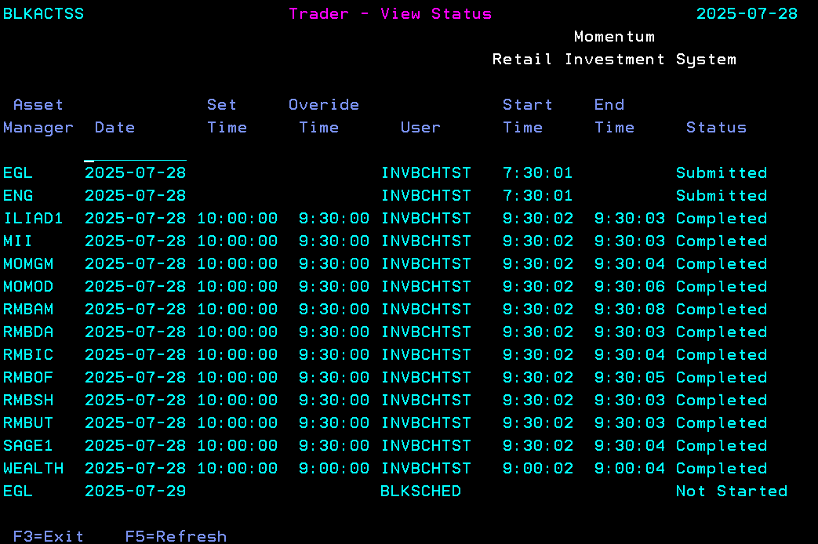

Step 7

 | Check emails

Step 8

 | Check for each asset manger we have a instruction files created on SFTP server |  | SFTP site – address, logon and password 4 separate logins: RMBPRE Sftp://RMBpre@mfttest.mmiholdings.co.za/ Login: RMBpre Password: RrqFsmRsvgGh!FaLsJPJNtwY55XHWR$jQfX2BsxGxx4xg ILIAD1PRE Sftp://ILIAD1pre@mfttest.mmiholdings.co.za/ Login: ILIAD1pre Password: kC:-s;pv2^j>ODpJxlD{<ON[wI1P=f3hff[m`FnBpJkx3 SAGE1PRE Sftp://SAGE1pre@mfttest.mmiholdings.co.za/ Login: SAGE1pre Password: Jx\9U]z[KnrXOW#p:E^8;=8JAzBX@3QHW}He14Yv70@|t MOMGMPRE Sftp://MOMGMpre@mfttest.mmiholdings.co.za/ Login: MOMGMpre Password: uq>yXf<H}5,LinNO;b~,q[{UF6tl2zB1}l;CRcacqu,wb | Files must be present as per below: Sftp://RMBpre@mfttest.mmiholdings.co.za/outgoing – DM, GY, OF, IC, SH, UT files Sftp://SAGE1pre@mfttest.mmiholdings.co.za/outgoing – SA file Sftp://ILIAD1pre@mfttest.mmiholdings.co.za/outgoing – IL file Sftp://MOMGMpre@mfttest.mmiholdings.co.za/outgoing – OD file and MOMGM’s IN*.CSV file

 |  |  |  |  | RMB

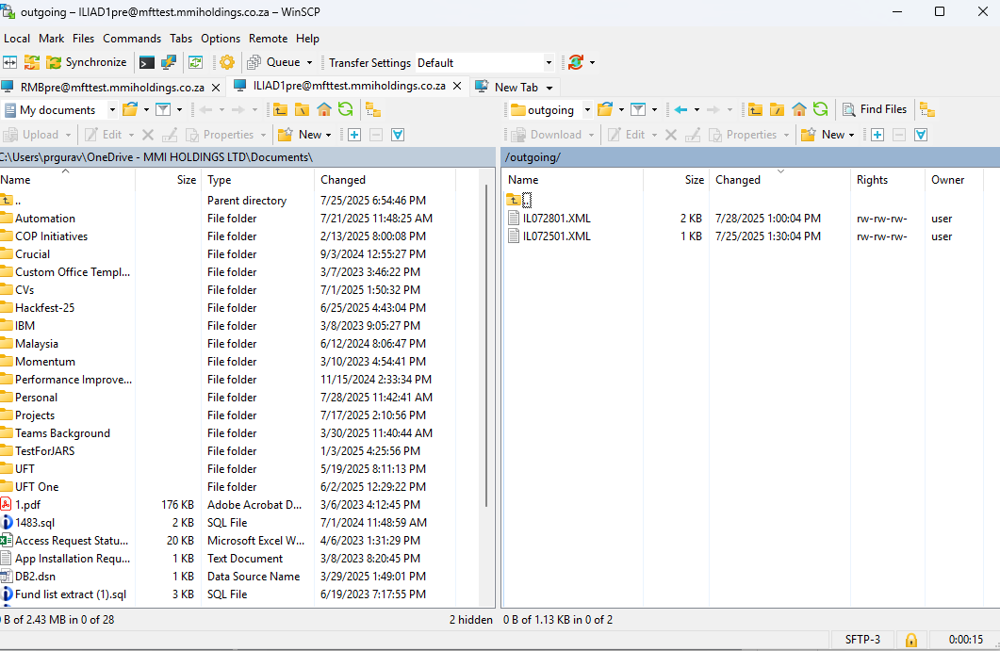

 |  |  |  |  | ILIAD1pre

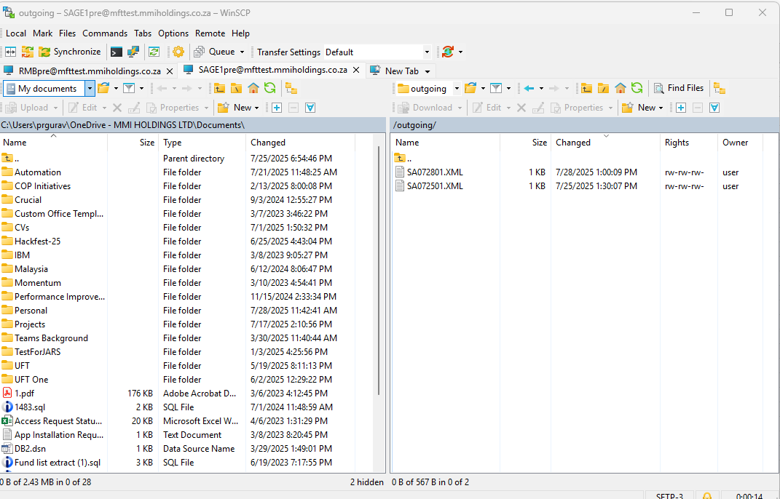

 |  |  |  |  | Sage

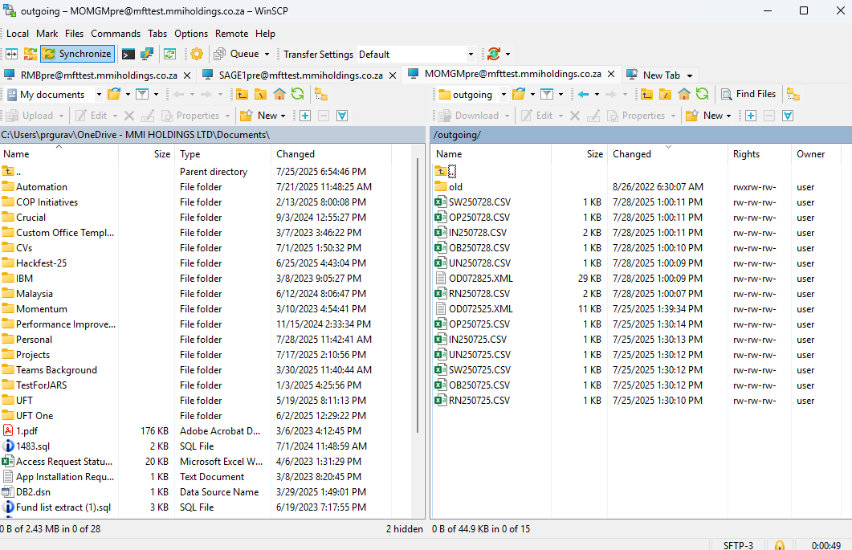

 |  |  |  |  | MOMGMPRE

Step 9
 | Verify if the instruction files have: 1. Correct extension as before the implementation. 2. The Naming convention as before. 3. Size greater than 0 bytes. 4. Format (header or tags) as before. |  | Asset Manager- ALL | The Instruction files is generated as before.

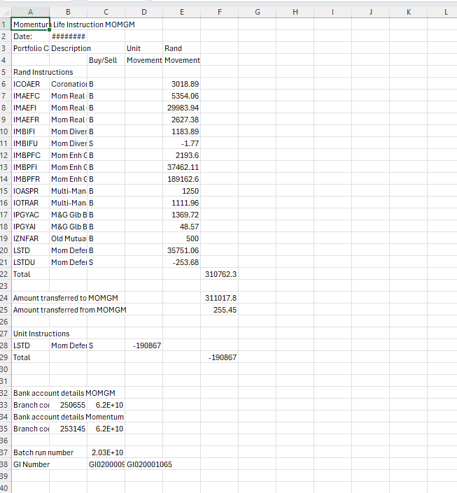

Step 10

 | Check if FACS transactions are created during the accumulation run are auto-approved – | Check using sql Query | SQL quey: select b.SASMCDE, b.SBOPCAT, b.sbtchno, b.Rand_Amount, b.Facs_Code, c.CRDTPT, c.CRURF2, TRIM(c.CRPAYE) as CRPAYE, c.CRBANO, c.CRCAMT, c.CRDTRQ as Date_Requested, c.CRTMRQ as Time_Requested, CASE WHEN c.CRSTAT = 0 then 'Created' WHEN c.CRSTAT = 1 then 'Approved' WHEN c.CRSTAT = 2 then 'Processed' WHEN c.CRSTAT = 7 then 'Cached' ELSE CAST(c.CRSTAT as CHAR(22)) END as Status, CASE WHEN c.CRTRTP is not null THEN (b.Rand_Amount - c.CRCAMT) WHEN c.CRTRTP is not null THEN (b.Rand_Amount) ELSE 0 END as Amount_Diff, b.ssystim from ( select a.SASMCDE, a.SBOPCAT, a.sbtchno, sum(a.SRNDVAL) as Rand_Amount, CASE WHEN a.sasmcde = 'ILIAD1' and a.SINSTYP = 'BUY' THEN 'BUYI1' WHEN a.sasmcde = 'ILIAD1' and a.SINSTYP = 'OPS' THEN 'OPEI1' WHEN a.sasmcde = 'MII' and a.SINSTYP = 'BUY' THEN 'BUYMI' WHEN a.sasmcde = 'MII' and a.SINSTYP = 'OPS' THEN 'OPEMI' WHEN a.sasmcde = 'MOMGM' and a.SINSTYP = 'BUY' THEN 'BUYMM' WHEN a.sasmcde = 'MOMGM' and a.SINSTYP = 'OPS' THEN 'OPEMM' WHEN a.sasmcde = 'MOMOD' and a.SINSTYP = 'BUY' THEN 'BUYOD' WHEN a.sasmcde = 'MOMOD' and a.SINSTYP = 'OPS' THEN 'OPEOD' WHEN a.sasmcde = 'RMBAM' and a.SINSTYP = 'BUY' THEN 'BUYAM' WHEN a.sasmcde = 'RMBAM' and a.SINSTYP = 'OPS' THEN 'OPEAM' WHEN a.sasmcde = 'RMBDA' and a.SINSTYP = 'BUY' THEN 'BUYDA' WHEN a.sasmcde = 'RMBDA' and a.SINSTYP = 'OPS' THEN 'OPEDA' WHEN a.sasmcde = 'RMBIC' and a.SINSTYP = 'BUY' THEN 'BUYIC' WHEN a.sasmcde = 'RMBIC' and a.SINSTYP = 'OPS' THEN 'OPEIC' WHEN a.sasmcde = 'RMBOF' and a.SINSTYP = 'BUY' THEN 'BUYOF' WHEN a.sasmcde = 'RMBOF' and a.SIN | For All asset managers both the instructioni.e. Buy and OPS must be approved

SASMCDE | SBOPCAT | SBTCHNO | RAND_AMOUNT | FACS_CODE | CRDTPT | CRURF2 | CRPAYE | CRBANO | CRCAMT | DATE_REQUESTED | TIME_REQUESTED | STATUS | AMOUNT_DIFF | SSYSTIM
RMBAM |  | 20,250,818,011 | 75,830,667.70 | BUYAM | 2025-08-18 | 250818011 | Deposit for RMBAM | 62,020,377,108 | 75,830,667.70 | 2025-08-18 | 9:30:16 | Approved | 0 | 93,013
MII |  | 20,250,818,022 | 6,296,276.76 | BUYMI | 2025-08-18 | 250818022 | Deposit for MII | 62,020,377,108 | 6,296,276.76 | 2025-08-18 | 9:30:06 | Approved | 0 | 93,005
MOMGM |  | 20,250,818,015 | 57,123,753.83 | BUYMM | 2025-08-18 | 250818015 | Deposit for MOMGM | 62,020,377,108 | 57,123,753.83 | 2025-08-18 | 9:30:14 | Approved | 0 | 93,013
MOMOD |  | 20,250,818,027 | 5,939.97 | BUYOD | 2025-08-18 | 250818027 | Deposit for MOMOD | 62,020,377,108 | 5,939.97 | 2025-08-18 | 9:30:05 | Approved | 0 | 93,003
RMBOF | 615 | 20,250,818,013 | 2,374,327.34 | BUYOF | 2025-08-18 | 250818013 | Deposit for Offshore | 62,020,377,108 | 2,374,327.34 | 2025-08-18 | 9:30:03 | Approved | 0 | 93,002

FACS transactions will always be for BUYs - we very seldom have OPE's.

And it should onlu create if there were BUY's for an asset manage

SAGE1 | SEL | U | 0 | 38130.486
RMBOF | BUY | R | 2374327.34 | 0
MOMGM | BUY | R | 57123753.83 | 0
RMBAM | BUY | R | 75830667.7 | 0
SAGE1 | SEL | R | 264.76 | 0
MOMOD | BUY | R | 5939.97 | 0
RMBAM | SEL | U | 0 | 176065.173
MII | BUY | R | 6296276.76 | 0
RMBAM | SEL | R | 617.27 | 0
MOMOD | SEL | R | 6799.58 | 0

