Screen_Shot_Mock
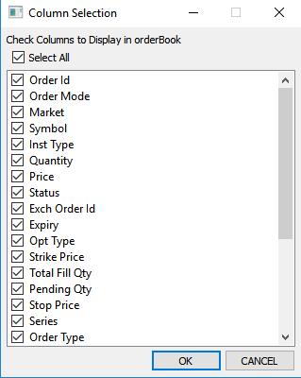

Issue No 4

Cancel order notification time should increase

Issue No 3

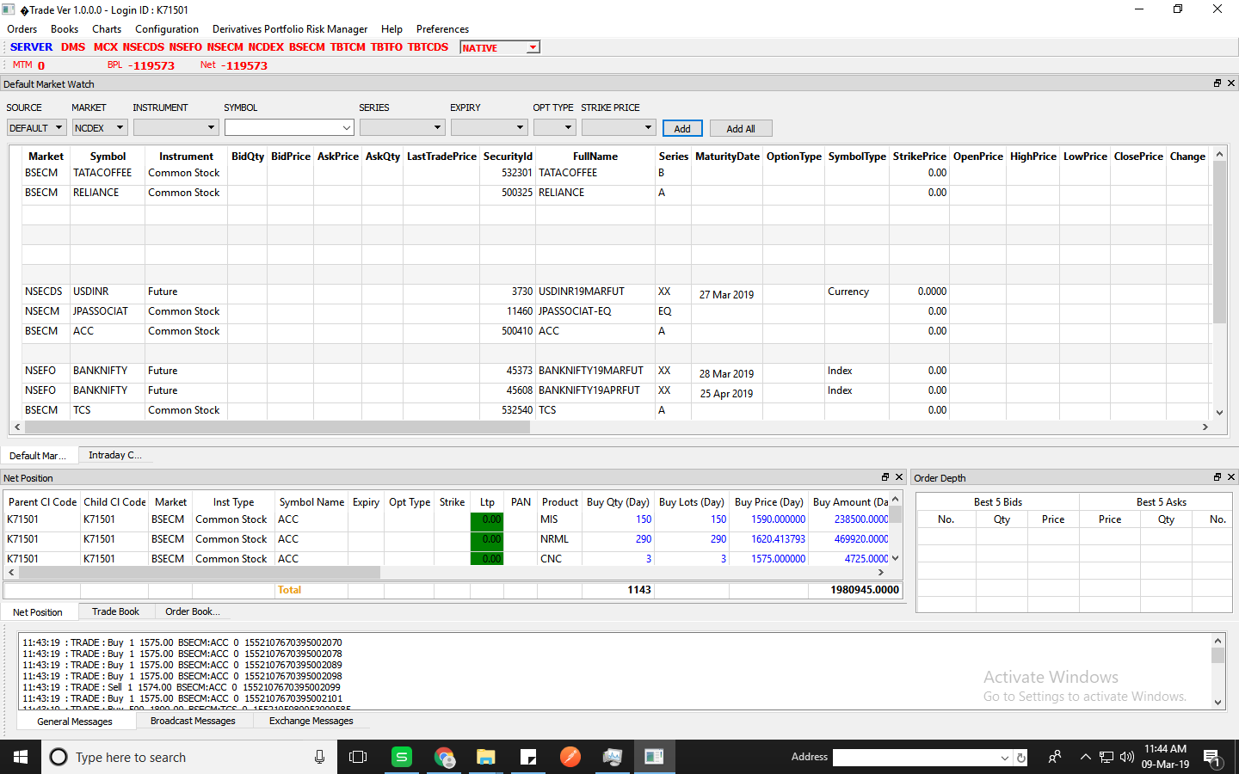

DQ is not available
Issue No 6

Possitive Screen
Order Depth Working fine after broadcast

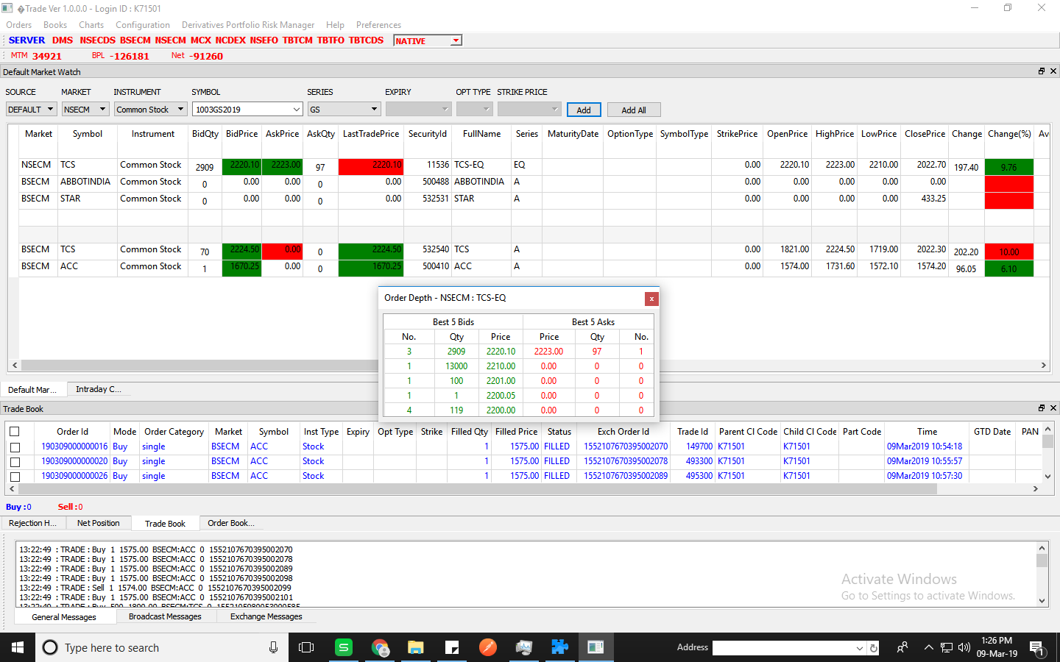

Market Pitchure working fine after boradcast

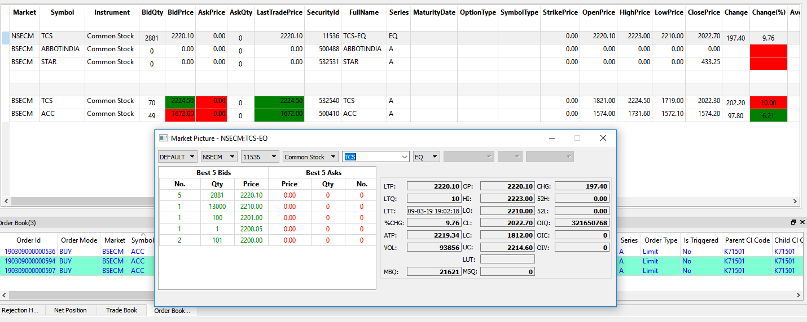

Symbol Information working after broadcast connectivity
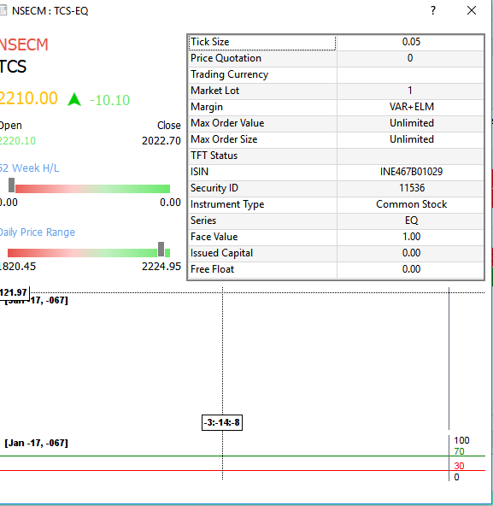

Order Book

Fund View

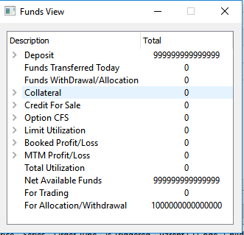

Trade Book

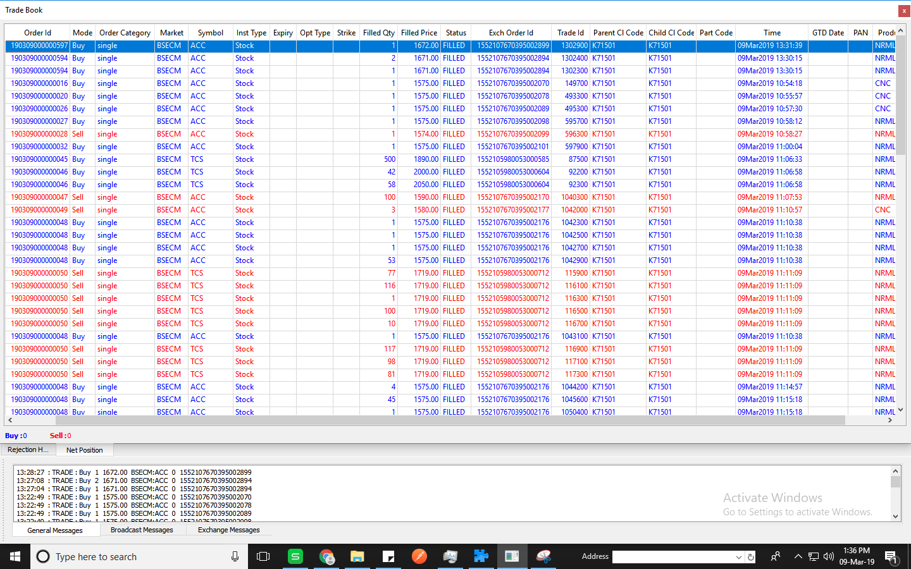

Net Position

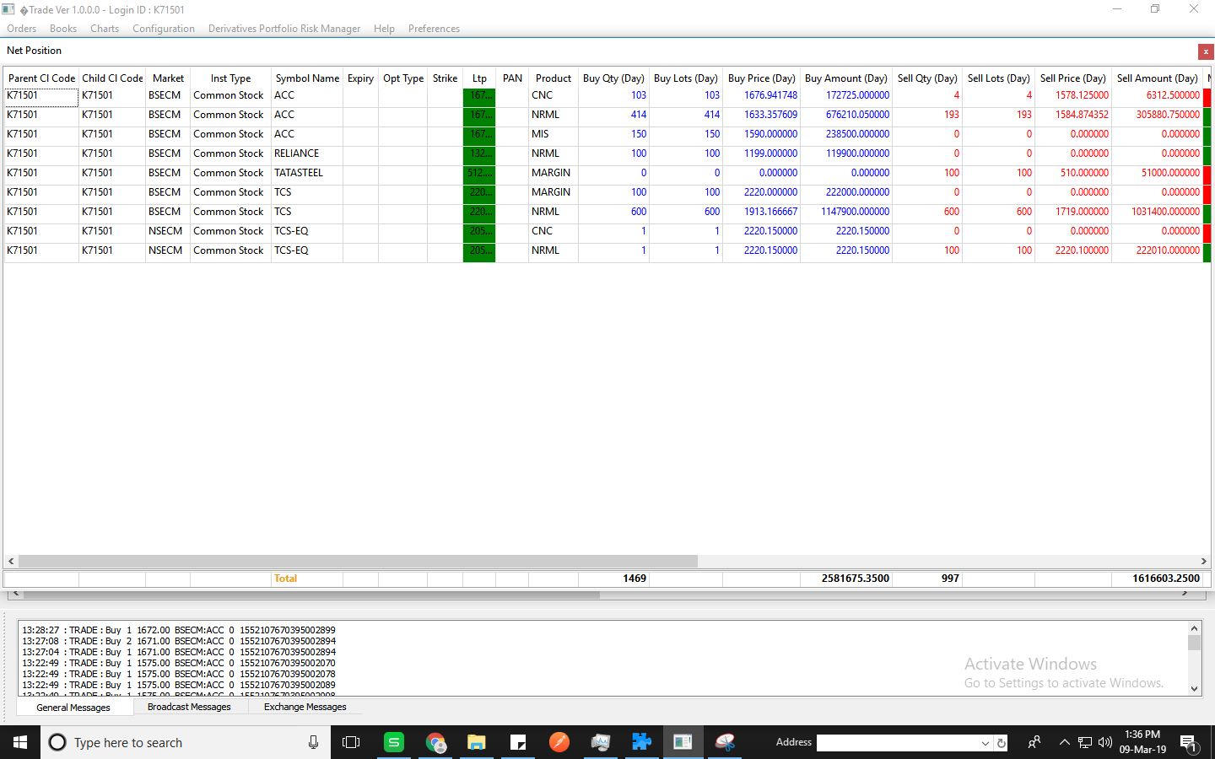

Rejection history

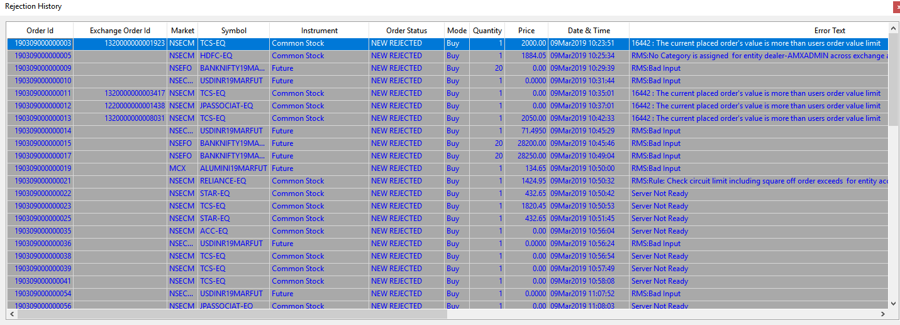

Account details

Default Layout restore

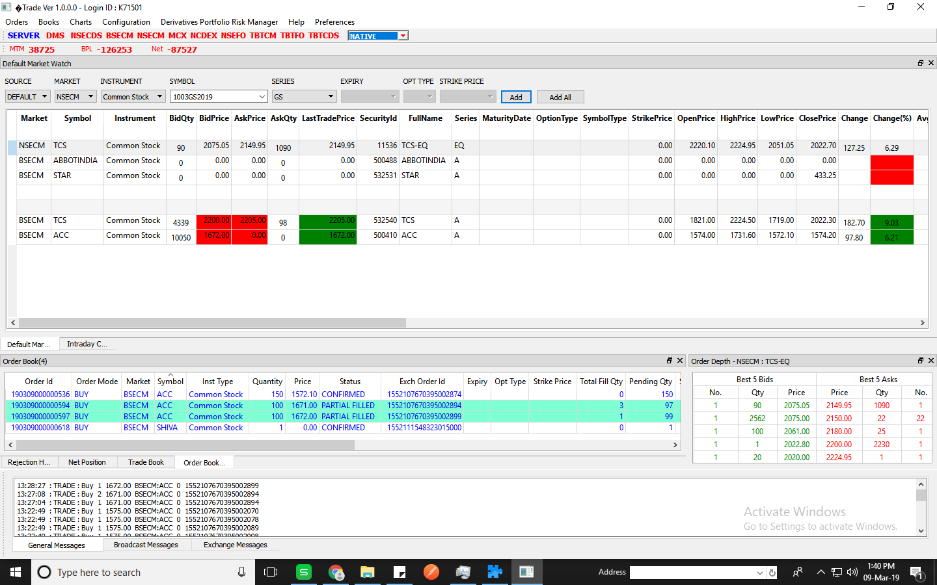

Change in MTM value working fine with broadcast

