Application Screen
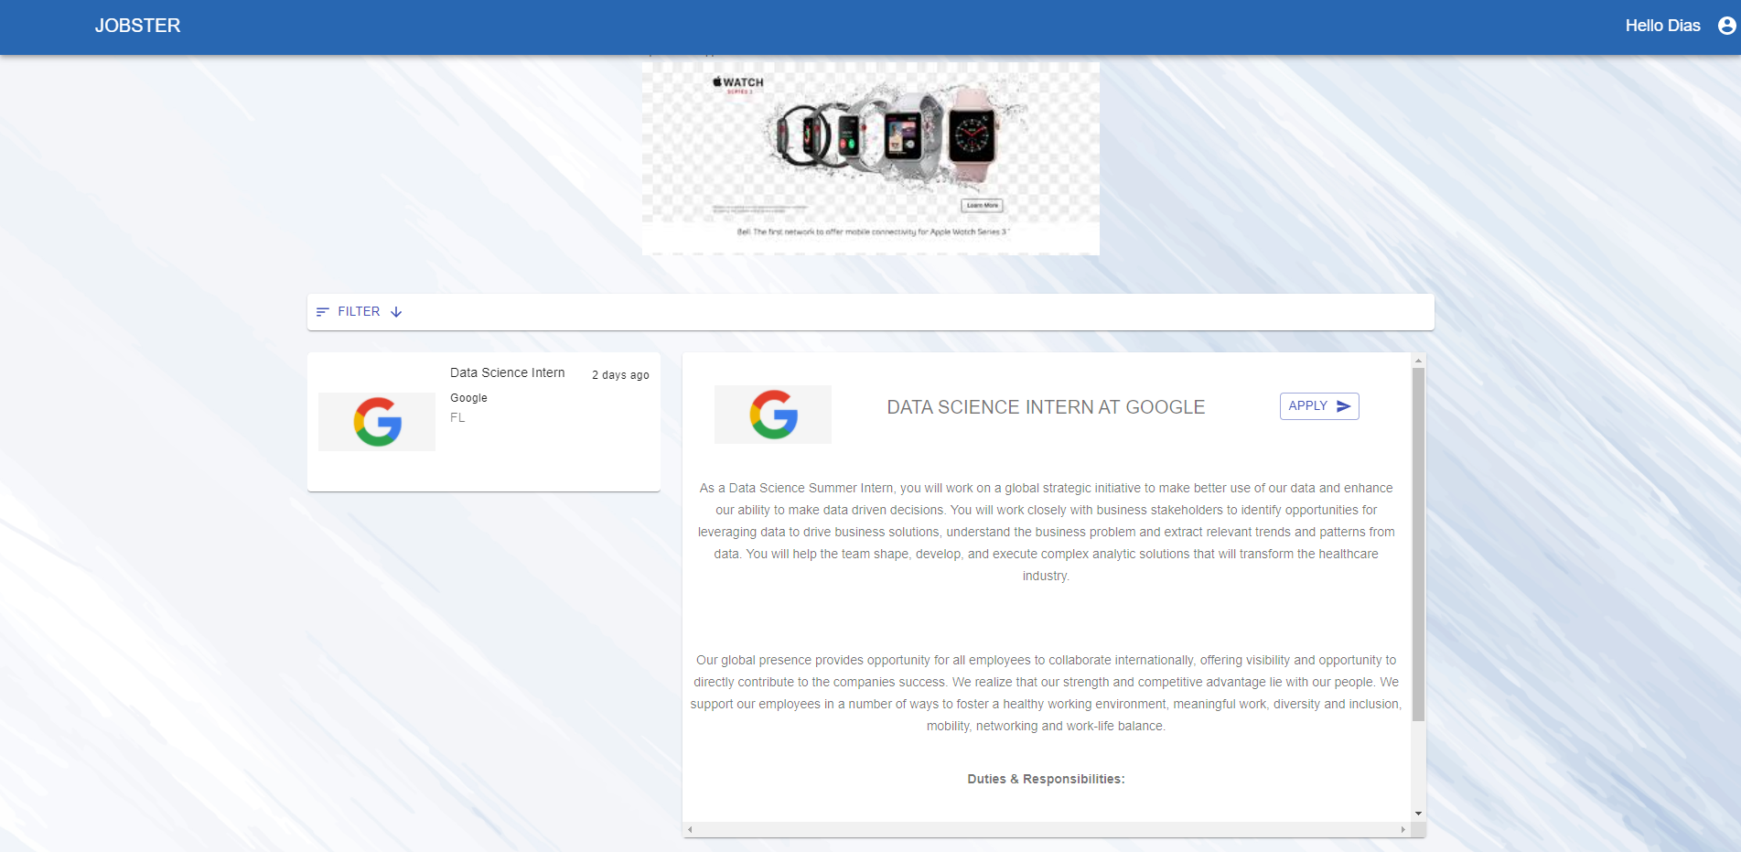
Apply

TC4
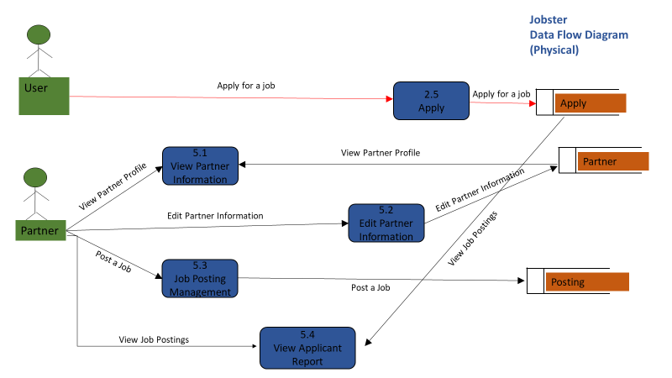
TC Title | TC4: Edit Profile - Data Flow Out
TC Objective | This test case validates the data flow out. When clicked on Apply an application will get generated and sent to the employer
TC Description | Step | Step Description | Expected Results
 | 1 | Select a job opening listed in 2.3 Job Search Results and click 'Apply' | Ensure once the user has applied to a job that user's information gets listed in 5.4 View Applicant Report

