Application Screen
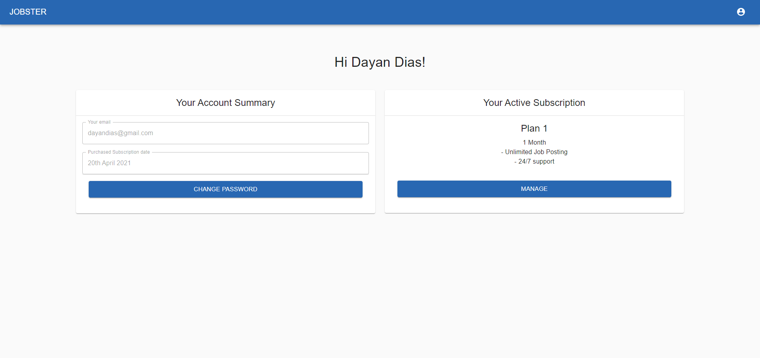
View My Account

TC3
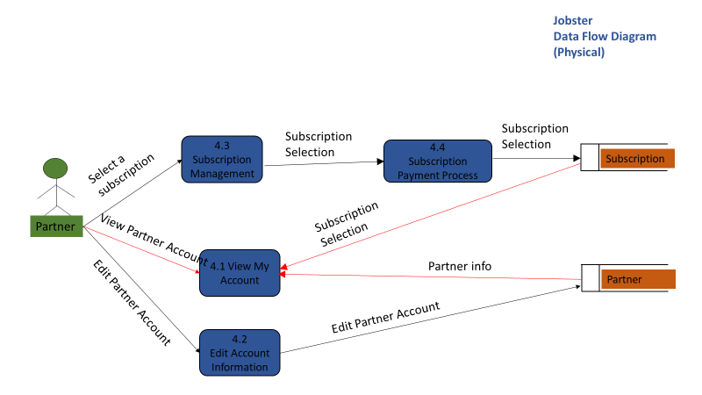
TC Title | TC3: View My Account - Data Flow In
TC Objective | This test case validates the data flow in. After a partner selects a Subscription or edit partner account information, the information should get correctly displayed in 4.1 View My Account
TC Description | Step | Step Description | Expected Results
 | 1 | Select a Subscription in 4.3 Subscription Management and check 4.1 View My Account | 4.1 View My Account should display that the partner has an active subscription and subscription plan details | This test case can not be tested yet, as this is dependant on feature due to be developed in I-4
 | 2 | Click 'Change Password' and change the current password. Log out from partner profile and try to log in using then new password | Partner should be able to log in using the new password with their current email address.

