Application Screen
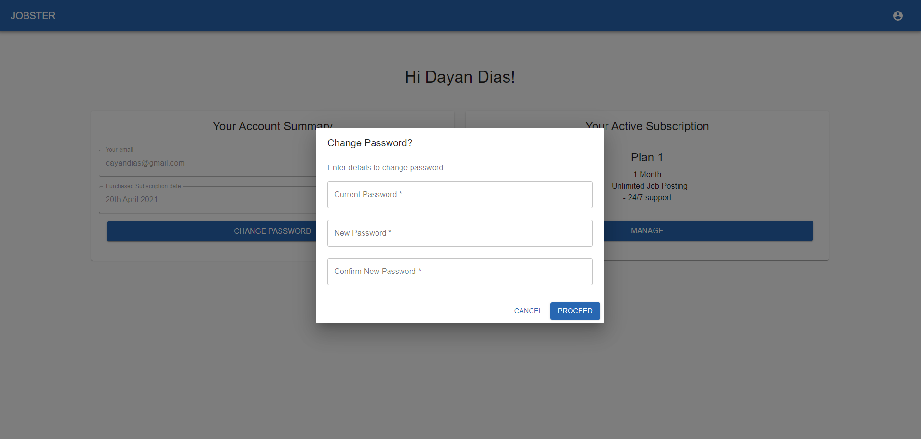
Edit Account Information

TC4
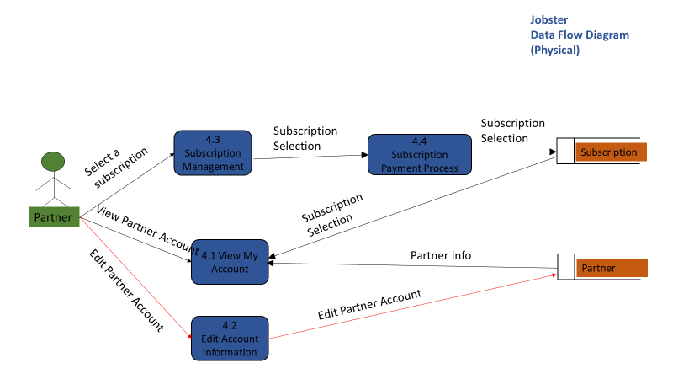
TC Title | TC4: Edit Account Information - Data Flow Out
TC Objective | This test case validates the data flow out. When account information is edited/updated, the changes should get reflected in 4.1 View Account Information
TC Description | Step | Step Description | Expected Results
 | 1 | In 4.1 View My Account select 'Change Password' button, which will open 4.2 Edit Account Information. Change password of the partner in 4.2. | Use new password and current email address and try to log in to partner dashboard. Partner should be able to log in and view their account

