Application Screen
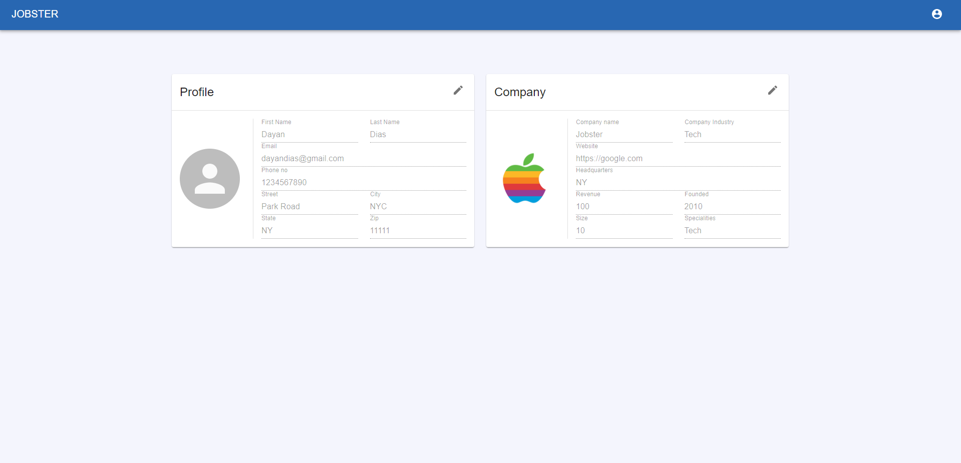
View Partner Information

TC3
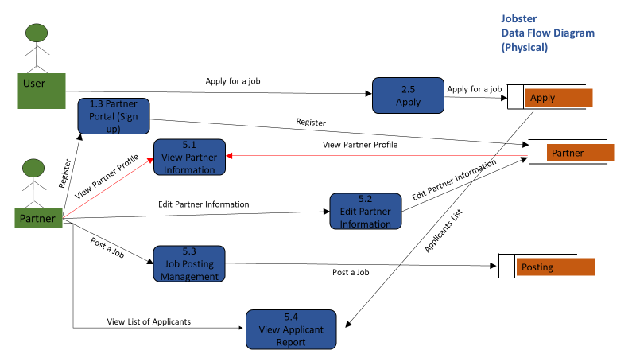
TC Title | TC3: View Partner Information - Data Flow In
TC Objective | This test case validates the data flow in. Data entered by the partner at 1.3 Partner Portal (sign-up) should get displayed here in 5.1 View Partner Information
 | This test case also validates data flow in from 5.2 Edit Partner Information. When partner update profile information in 5.2 Edit Partner Information, the updated information should get reflected in 5.1 View Partner Information
TC Description | Step | Step Description | Expected Results
 | 1 | Enter partner details in 1.3 Partner Portal (Sign up) and check 5.1 View partner Information page | Data entered in 1.3 partner Portal (Sign up) should get accurately displayed on 5.1 View partner Information
 | 2 | Update informamtion in 5.2 Edit Partner Information and check 5.1 View Partner Information | Edited/updated partner information should get displayed in 5.1 View Partner Information

