Application Screen
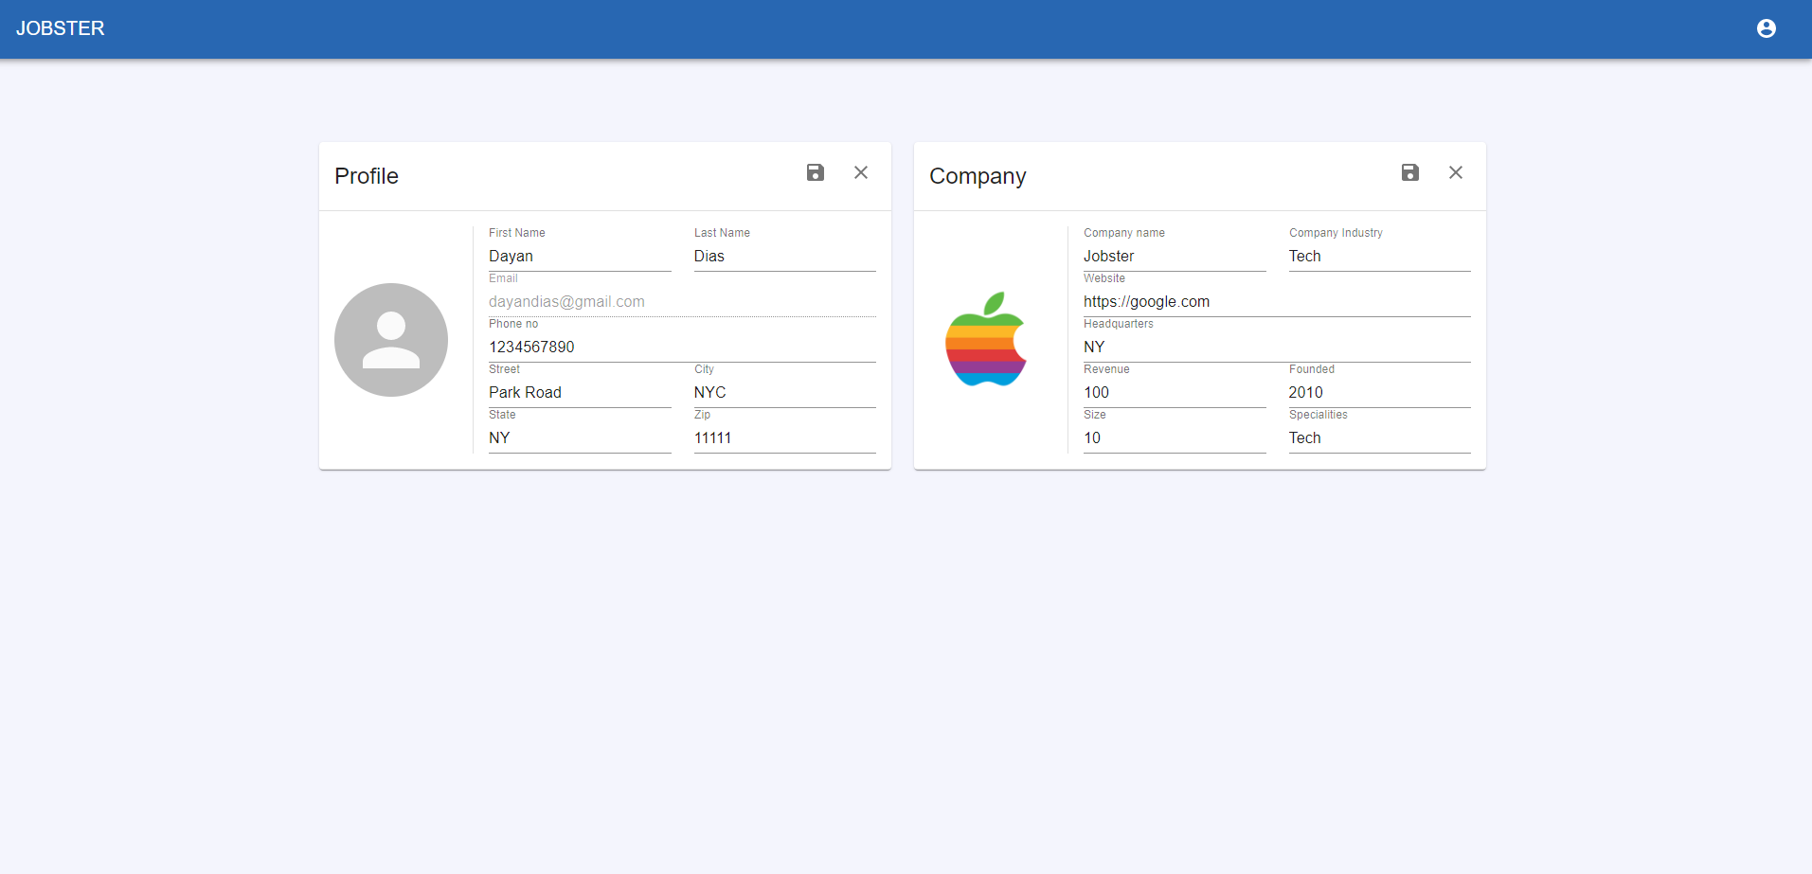
Edit Partner Information

TC4
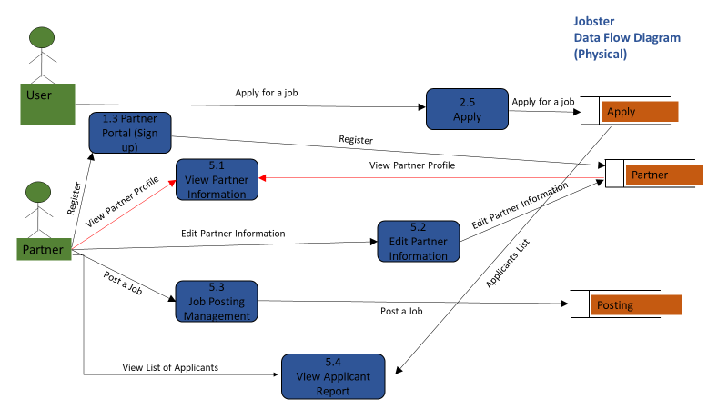
TC Title | TC3: Edit Partner Information - Data Flow Out
TC Objective | This test case validates the data flow out. Updated data in 5.2 Edit Partner Information should get correctly reflected in 5.1 View Partner Information
TC Description | Step | Step Description | Expected Results
 | 1 | Update informamtion in 5.2 Edit Partner Information and check 5.1 View Partner Information | Edited/updated partner information should get displayed in 5.1 View Partner Information

