Application Screen
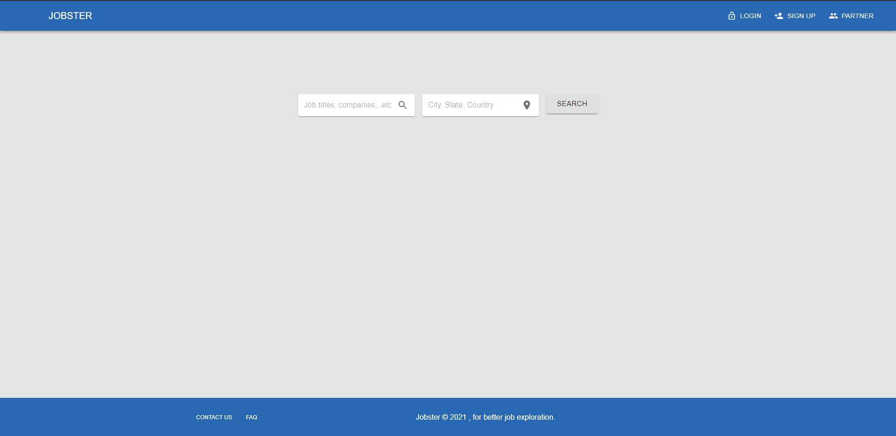
Job Search Bar

TC5
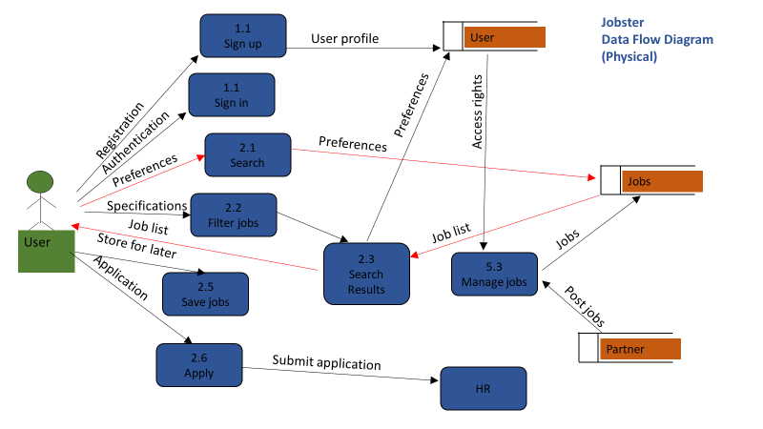
TC Title | TC5: Job Search Bar - Data Flow Out
TC Objective | This test case validates the data out flow, when a search phrase is entered search results page should generate results base on the search phrase.
TC Description | Step | Step Description | Expected Results
 | 1 | User can enter a search phrase, location and click on the search button. And the search results page should load results based on the search phrase | Search results page should load the appropriate result set.

