Application Screen
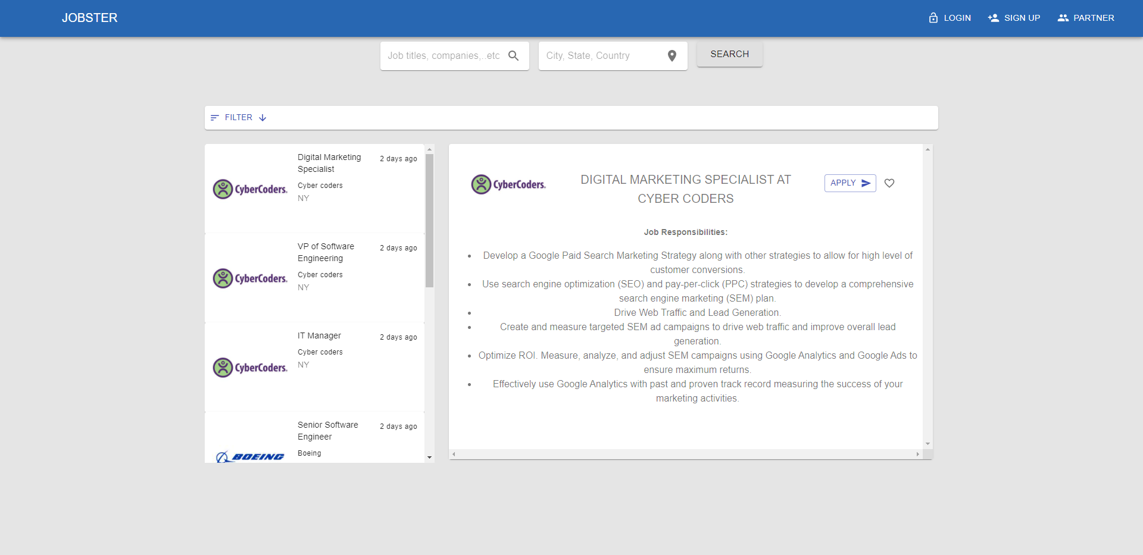
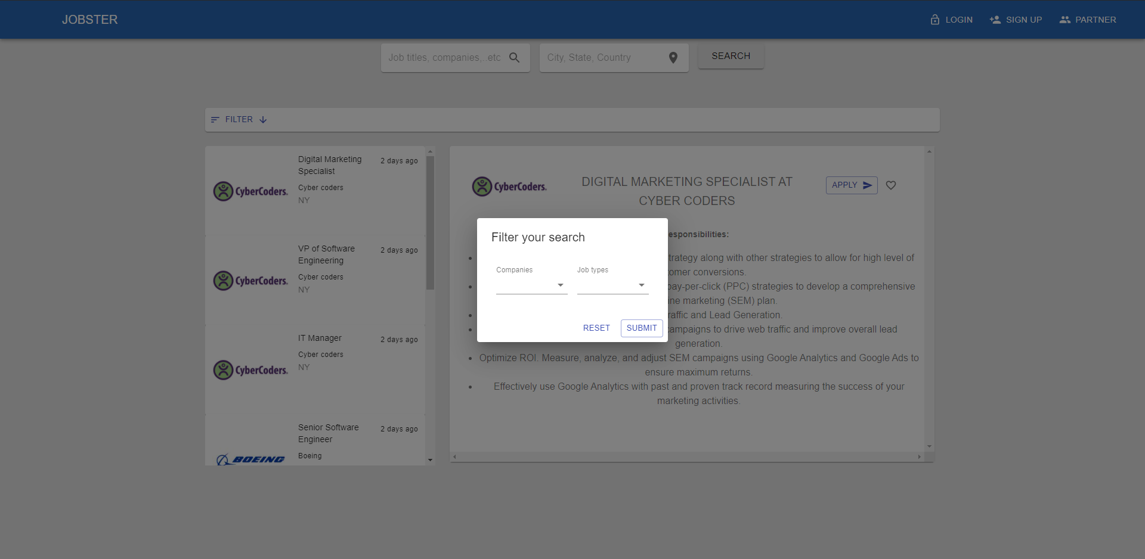
Search Filter

TC4
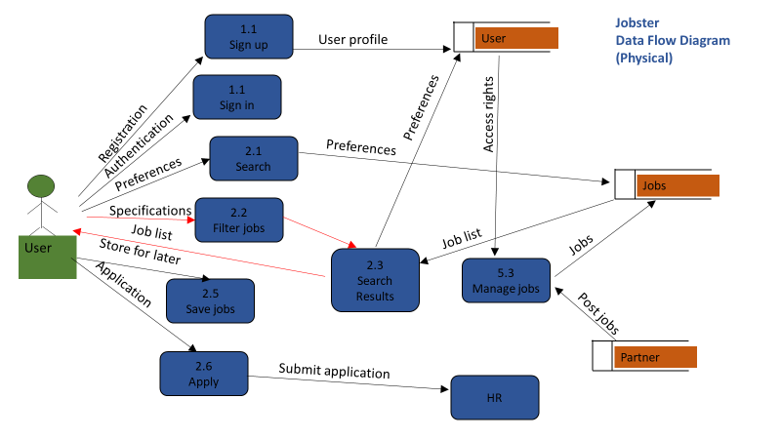
TC Title | TC4: Search Filter - Data Flow In
TC Objective | This test case validates the data in, search results page should generate results based on the filter options given by the user
TC Description | Step | Step Description | Expected Results
 | 1 | Enter a search term and click 'Search' | Search results page should load the appropriate result set.

