Application Screen
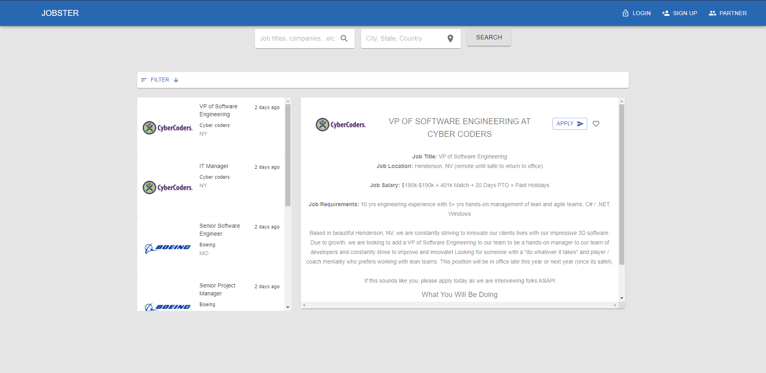
Search Results

TC3
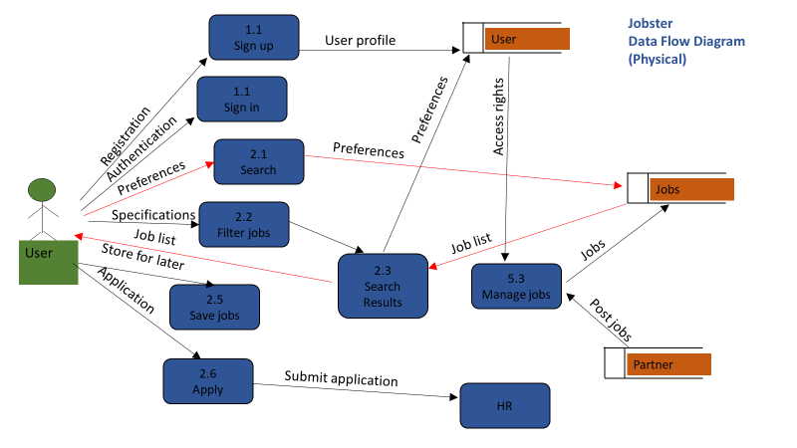
TC Title | TC4: Search Results - Data Flow Out
TC Objective | This test case validates the data out flow, when a search phrase is entered search results page should generate results base on the search phrase.
TC Description | Step | Step Description | Expected Results
 | 1 | User can enter a search phrase and filter options and click on the search button. And the search results page should load results based on the search phrase and filter option. | Search results page should load the appropriate result set.

