Application Screen
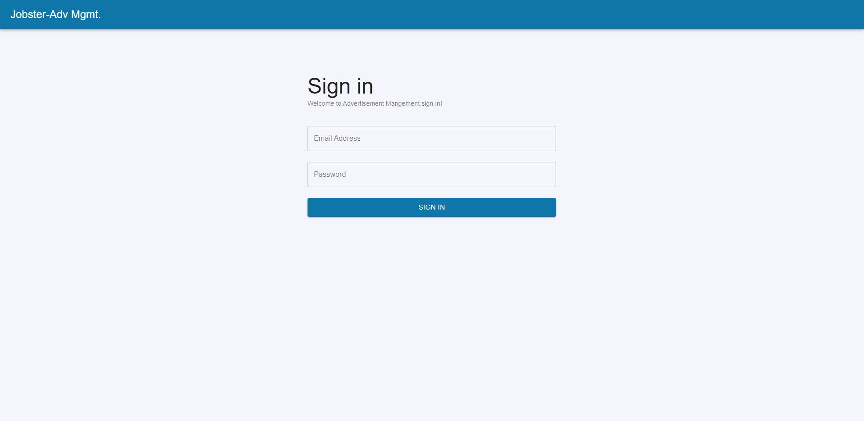
Login Page

TC6
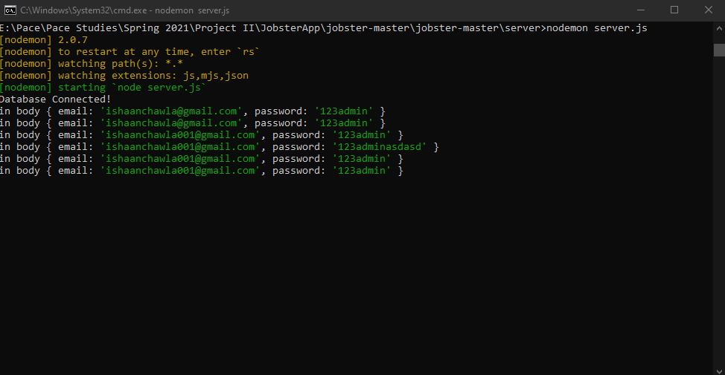
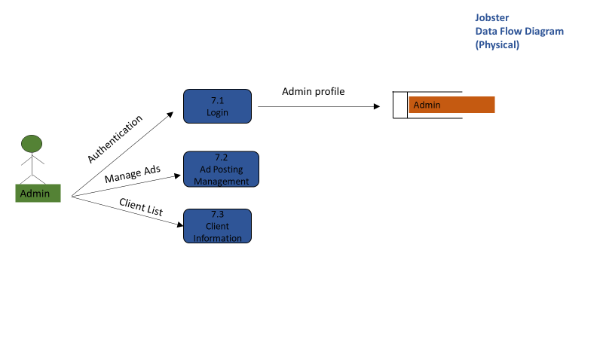
TC Title | TC9: Login Page - Data Flow Out
TC Objective | This test case validates the data out, when a correct email and password is entered, the user (admin) should be able to log into the 'Ad Posting Management' page.
TC Description | Step | Step Description | Expected Results
 | 1 | Enter valid 'email' and 'password' | Email' and 'password' entered should show up in the console. (Since the Ad Posting Management module is not scheduled for this iteration, the data dlow out is checked in the console)

