Android Learning
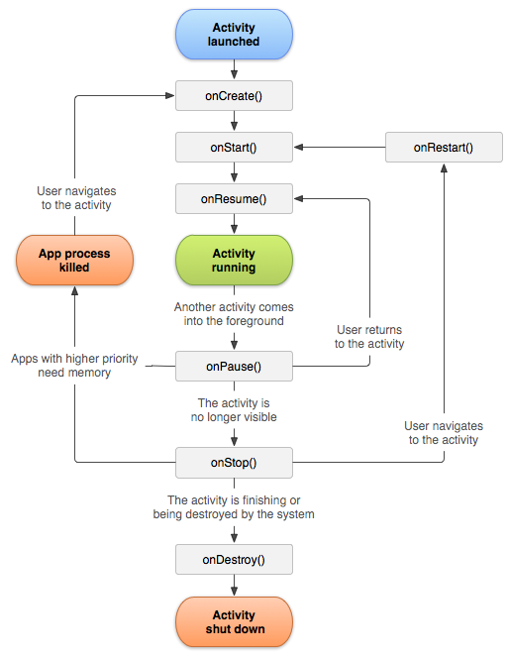
Core Topics and Subtopic to learn Android
Topics
Activity LifeCycle
onCreate | It is used when Activity is created
onStart | It is used when Activity is started
onResume | it is used when activity is resumed
 | in running state the on resume is will be high priority then on start and then created
onPause | it is executed when the activity is inbackground
onStop | on stop is when the activity is
ondestroy | this is when we destroy activity

on Restart | relaunching the app or getting back from the stop state

