Sheet1
Signal Layer | Reference Layer | Impedance Type | Trace Width（mil) | Trace Spacing（mil) | Impedance(ohm)±10% | Position
L1 | L2 | Single Ended (Coplanar) | 12.49 | 6 | 50 | 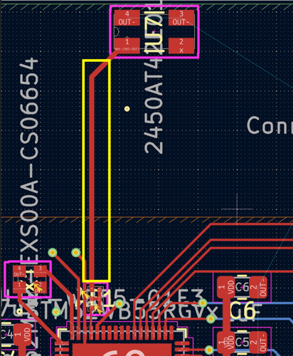
L1 | L2 | Single Ended (Coplanar) | 5.28 | 6 | 62 | 