QSFP-DD_Tol_Calc - Vertical
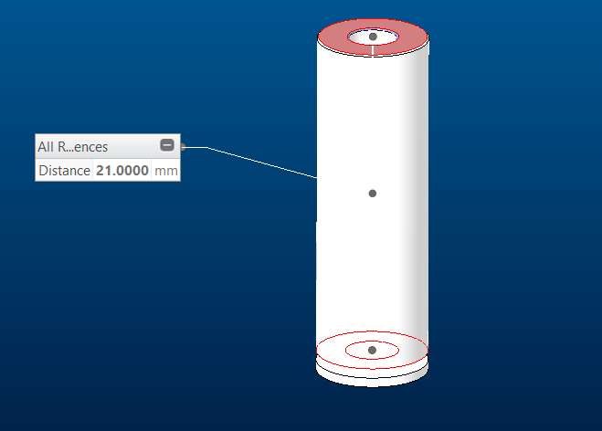
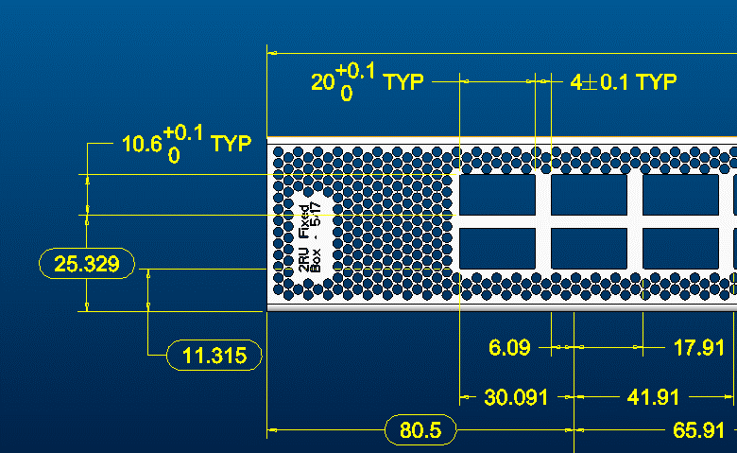
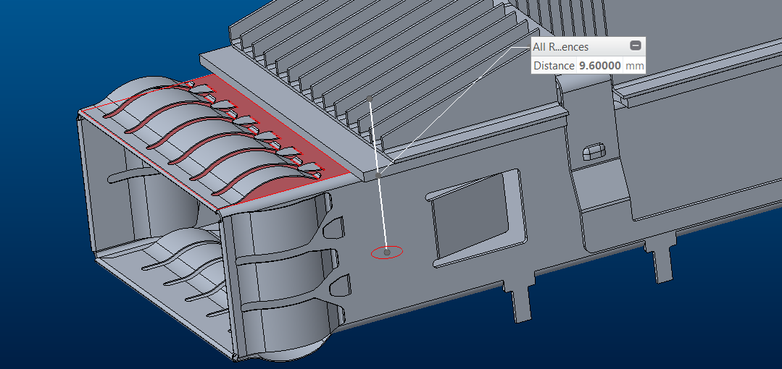
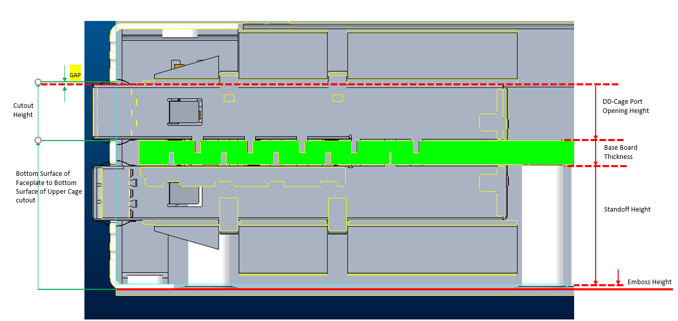
Study Name | Vertical Gap Tolerance between DD-Cage and the Faceplate Cutouts - Upper DD Cages | units | mm

 | Dimension Description | Nominal | Tolerance | Tol ^2 | Vector | Comments | RSS Calculation
1 | Emboss Height | 0.609 | 0.254 | 0.064516 | -1 |  | 0.43662617523 | sqrt of the sum of the tol squares
2 | Standoff Height | 21 | 0.254 | 0.064516 | -1
3 | MB Thickness | 4.013 | 0.04013 | 0.0016104169 | -1
4 | DD-Cage Height | 9.6 | 0.1 | 0.01 | -1
5 | Gap
6 | Height of Faceplate Cutout | 10.6 | 0.1 | 0.01 | 1
7 | Distance from cutout bottom surface to bottom surface of FP | 25.329 | 0.2 | 0.04 | 1

 | Nominal Gap | 0.707 | 0.94813 | 0.1906424169
 | WC Min | -0.24113
 | RSS Min | 0.27037382477
 | RSS Max | 1.1436261752
 | WC Max | 1.65513

 | Conclusion
 | Lower Limitation | gap must be greater than 0 | interference between the cage and the faceplate
 | Upper Limitation | gap must not exceed | 1.7 | TRUE | RSS

Spring_Calcs_Retimer
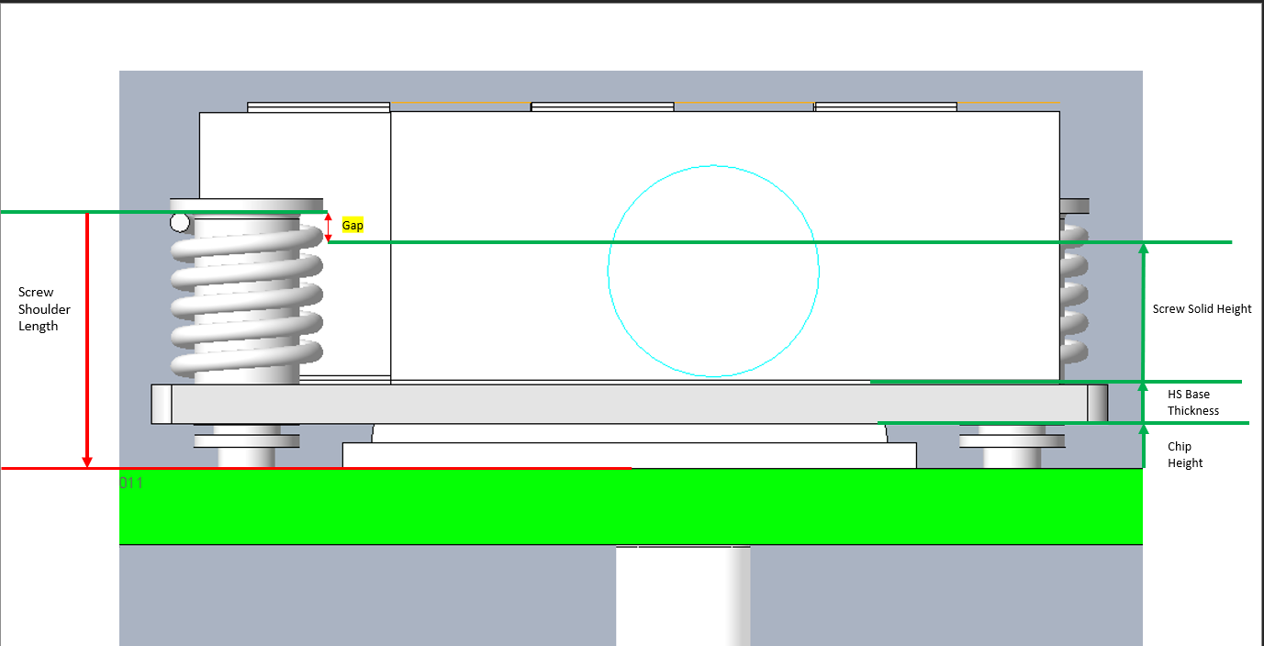
Component Characteristics |  |  |  | Design Output |  |  | Gap
Spring |  |  |  | Nominal Gap | 1.1514 |  | WC Min | 0.5434
Free Length | 8 | mm |  | Sum Tolerances | 0.608 |  | RSS Min | 0.82463708901
Spring Pitch | 1.5 | mm |  | Sq Sum Tol | 0.106774 |  | RSS Max | 1.478162911
Solid Height | 6 | mm | number of coils * wire diameter (1mm) |  |  |  | WC Max | 1.7594
ID | 2.5 | mm
OD | 4.5 | mm
Spring Rate | 40 | N/mm |  | Spring Height = Solid Height + Gap
Spring Rate Tolerance | 10% |  |  | WC Min | 6.5434
 |  |  |  | RSS Min | 6.824637089
 |  |  |  | Nominal | 7.1514
Screw |  |  |  | RSS Max | 7.478162911
Screw Shoulder Length | 12.25 | mm |  | WC Max | 7.7594
Soulder Length Tol | 0.127 | mm

Retimer Chip Size
Length | 19.7189 | mm |  |  | Spring Load = (Free Length - Spring Height) * Spring Rate
Width | 26.7189 | mm |  |  | WC Min (-10% spring rate) | Nominal | WC Max (+ 10% spring rate)
Contact Area | 526.86731721 | mm2 | * 2 chips so need to multiply by 2 if pressure is required | WC Min | 52.4376 | 58.264 | 64.0904
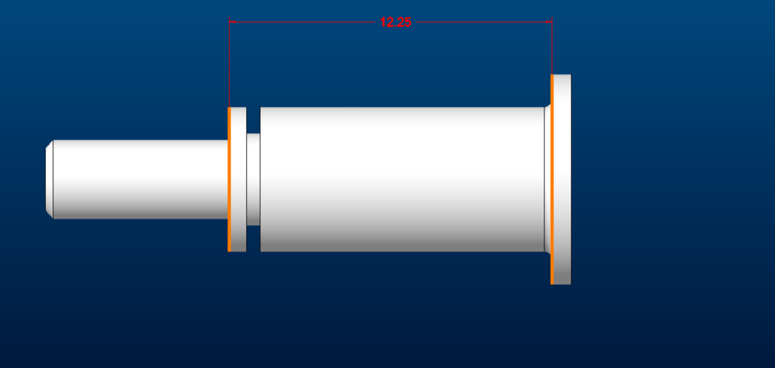
Chip Height | 2.3366 | mm |  | RSS Min | 42.313064796 | 47.01451644 | 51.715968084
Height Tolerance | 0.1 | mm |  | Nominal | 30.5496 | 33.944 | 37.3384
 |  |  |  | RSS Max | 18.786135204 | 20.87348356 | 22.960831916
Heatsink |  |  |  | WC Max | 8.6616 | 9.624 | 10.5864
HS Base Thickness | 2 | mm
Counterbore Depth | 0 | mm
Tolerance | 0.254 | mm |  | Verify the spring does not go solid (Gap > 0 ) | TRUE

TIM | Dispensible Gap Filler
Thickness | 0.762 | mm
Tolerance (estimated) | 0.127

Spring_Calcs_RHS
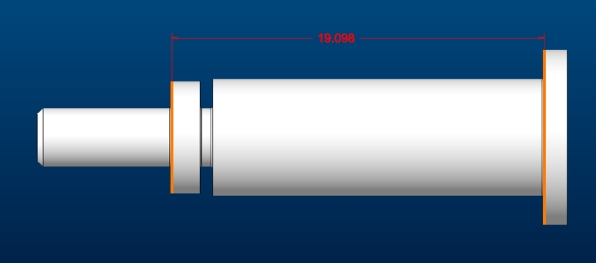
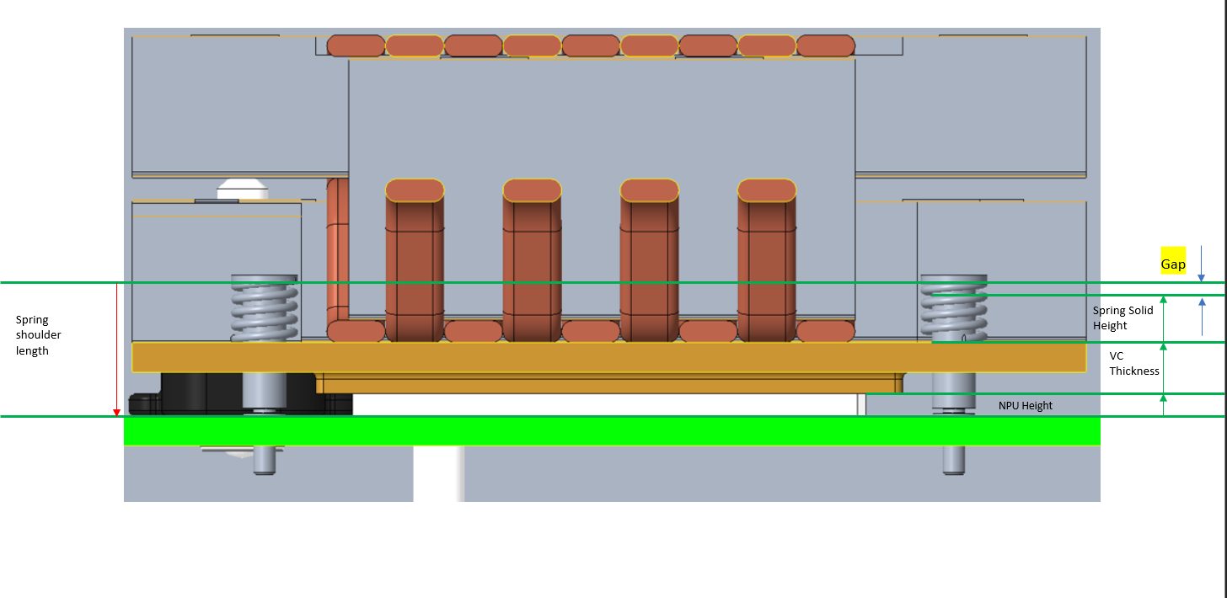
Component Characteristics |  |  |  | Design Output |  |  | Gap
Spring |  |  |  | Nominal Gap (mm) | 1.698 |  | WC Min (mm) | 1.09
Free Length | 10 | mm |  | Sum Tolerances | 0.608 |  | RSS Min (mm) | 1.371237089
Spring Pitch | 1.8 | mm |  | Sq Sum Tol | 0.106774 |  | RSS Max (mm) | 2.024762911
Solid Height | 7.2 | mm | number of coils (6) * wire diameter (1.2mm) |  |  |  | WC Max (mm) | 2.306
ID | 2.8 | mm
OD | 5.2 | mm
Spring Rate | 225 | N/mm |  | Spring Height = Solid Height + Gap
Spring Rate Tolerance | 10% |  |  | WC Min | 8.29
 |  |  |  | RSS Min | 8.571237089
 |  |  |  | Nominal | 8.898
Screw |  |  |  | RSS Max | 9.224762911
Screw Shoulder Length | 19.098 | mm |  | WC Max | 9.506
Soulder Length Tol | 0.127 | mm

NPU Chip Size
Length | 70 | mm |  |  | Spring Load = (Free Length - Spring Height) * Spring Rate
Width | 70 | mm |  |  | WC Min (-10% spring rate) | Nominal | WC Max (+ 10% spring rate)
Contact Area | 4900 | mm2 |  | WC Min | 346.275 | 384.75 | 423.225
Chip Height | 3 | mm |  | RSS Min | 289.32448948 | 321.47165497 | 353.61882047
Height Tolerance | 0.1 | mm |  | Nominal | 223.155 | 247.95 | 272.745
 |  |  |  | RSS Max | 156.98551052 | 174.42834503 | 191.87117953
Heatsink |  |  |  | WC Max | 100.035 | 111.15 | 122.265
HS Base Thickness | 7 | mm
Counterbore Depth | 0 | mm
Tolerance | 0.254 | mm |  | Verify the spring does not go solid (Gap > 0 ) | TRUE

TIM | PCM Material
Thickness | 0.2 | mm
Tolerance (estimated) | 0.127

