Car Description
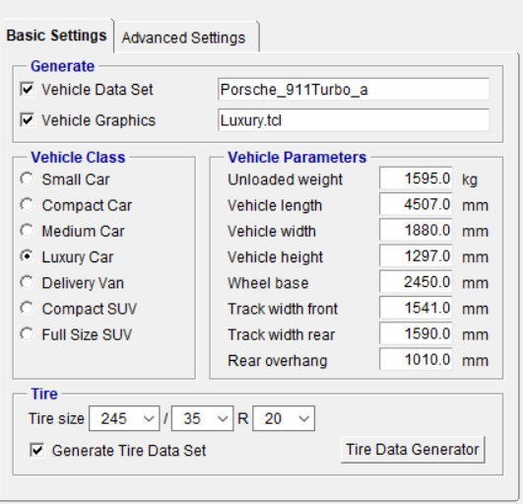
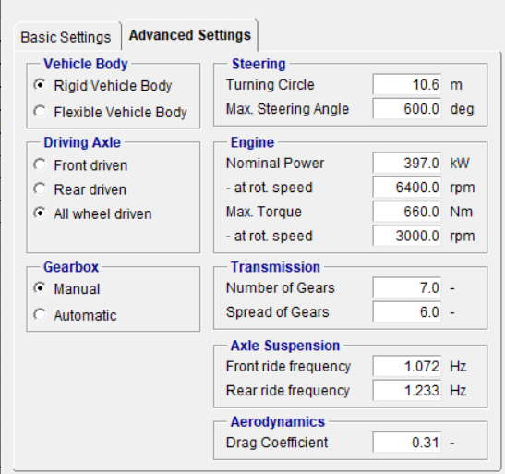
IPG Carmaker - Porsche 911 70Kg passenger LHD

TIRE MODEL |  | 245/35/R20 |  |  | Simulation Runtime |  | 25.4s

z
Passenger Position |  | 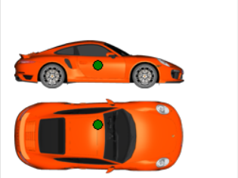 |  | Road | 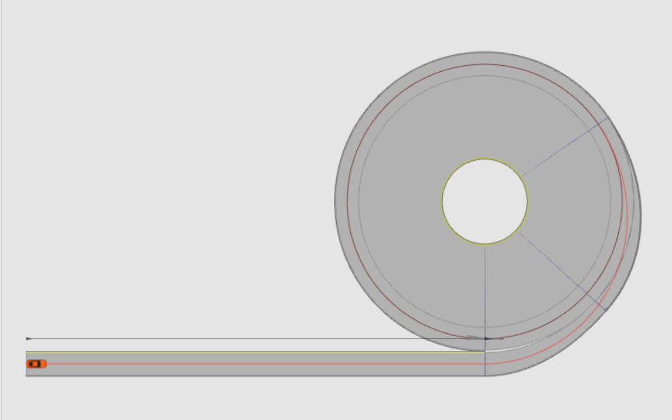
axis | in m
x | 2.2
y | 0.3
z | 0.6
x
weight | 80kg

y

x

 |  |  |  | Circle with 30m radius

Maneuver Conditions |  | kmph |  | Driver Model |  | Parameterised
Intial velocity entering curve |  | 50 |  |  |  | m/s2
Velocity after entering curve |  | 51 | increasing in steps of 1kmph and maximum spped of 60kmph |  | Max.lat. Acc | 5
Steering wheel angle |  | 260 deg |  |  | Long. Acc | 3
 |  |  |  |  | Long. Acc | -4

