Security level
How much trust do you have outside this interface? :-) | Notes
High number | more secure interface
Lower number | less secure interface (outside)
Traffic from higher sec. level to lower sec. level is allowed by default
Traffic from low to high sec. level is blocked
If ACL is not applied, traffic is still allowed from high to low and blocked from low to high. | Always applied ACL on all interfaces to disable this default rule-set.
Traffic between 2 interfaces with the same sec. level is blocked by default.
The traffic that comes into one interface and return out the same inteface is also blocked. | Called hairpinning (VPN clients need this)
Disable the default behavior ALWAYS:
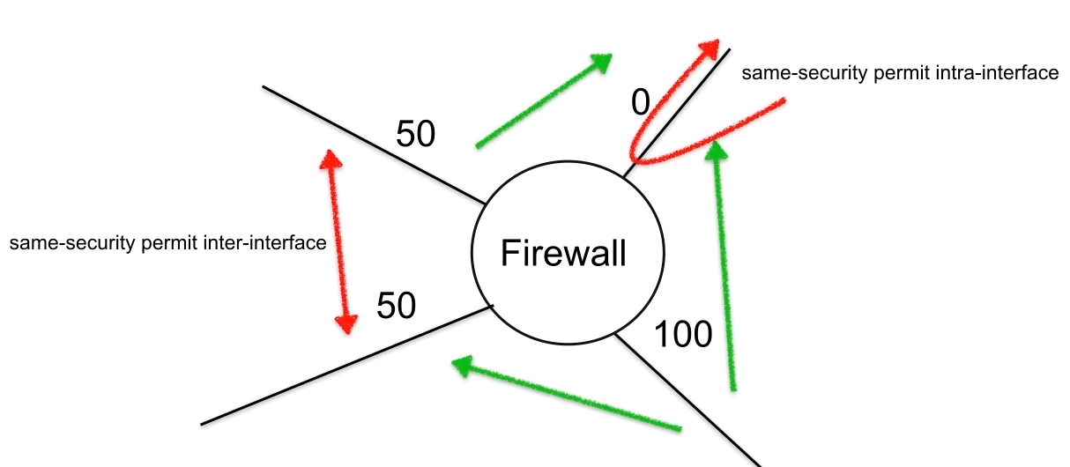

We still need to apply ACL!

ACL
WHY? | To define traffic / To filter traffic
Types:
STANDARD ACL | match only on source address (VPN filtering, split tunneling, etc ...)
EXTENDED ACL | match on source or destination address, ports, protocols and more…
Specific entries on top, generic entries to the bottom
Appply ACL inbound.
ALL interfaces should have one ACL applied inbound.
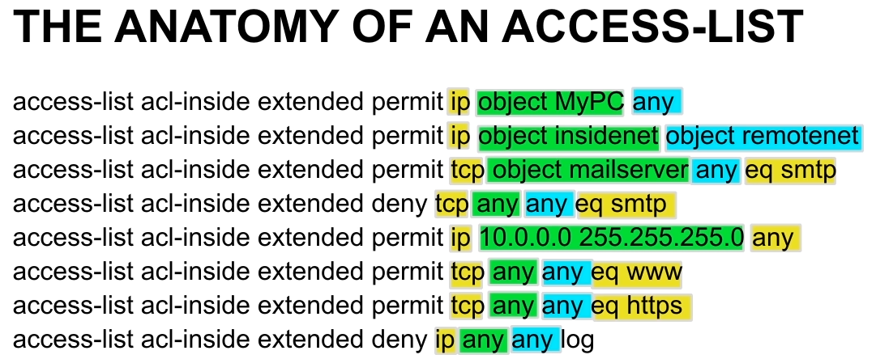

GREEN = SOURCE
BLUE=DESTINATION
YELLOW=PORTS and PROTOCOLS

Fixup protocol
TCP/UDP protocols are treated as sessions. For each session, there is a first packet sent in one direction (outside). The returned traffic is by-pased by all ACLs. We don't have to open for this traffic an ACL outside. ASA ia a stateful firewall and understand that SYN in one direction should have a returning SYN/ACK packet and allow all sub-sequent packets. ONLY the first packet is filtered in the ACL and the sub-sequent packets are by-passed in the ACL. It does not apply for ICMP traffic by default! | 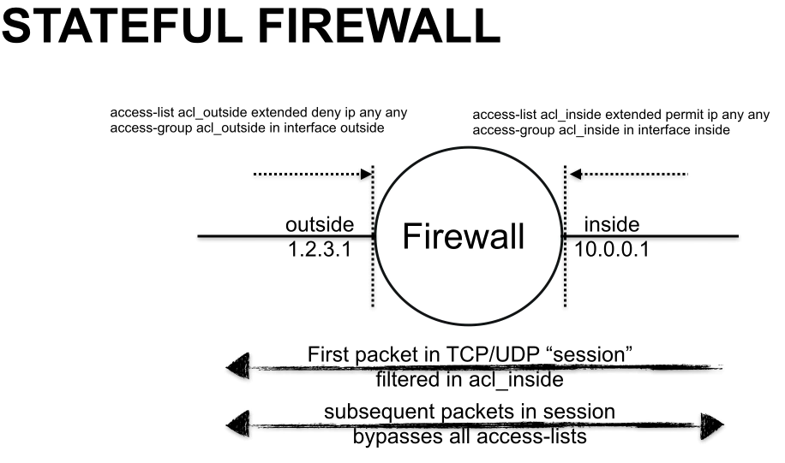
ICMP is blocked by default. The first packet goes ouyt, but the return traffic is blocked. There are two solution: 1. ACL on outside iface. Not recommended. 2. Tell the FW to treat all ICMP traffic as statefull: # fixup protocol icmp | 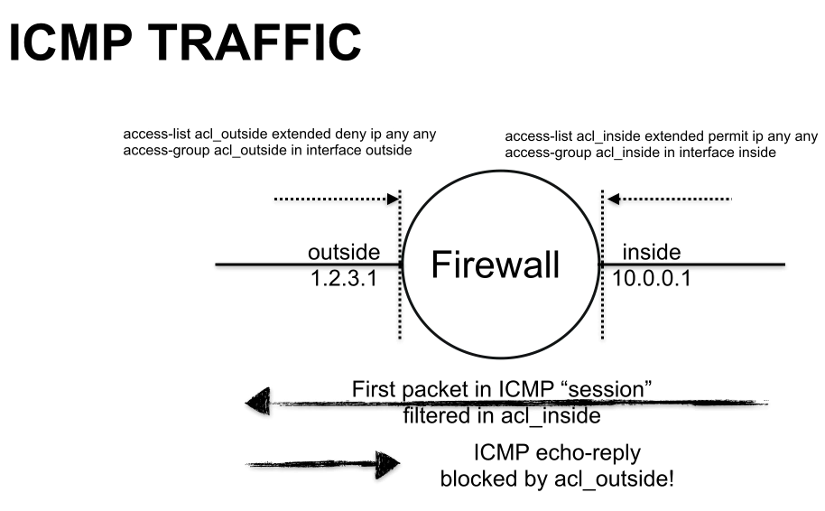

NAT-Intro
STATIC NAT | Can be initiated in either direction Translate 1:1 In example, the NAT ip could be 1.2.3.100, not 1.2.3.1 which is the interface configured IP address. The keyword is static. Usualy, internal private inteface is used first and the most unprotected interface to the right. | 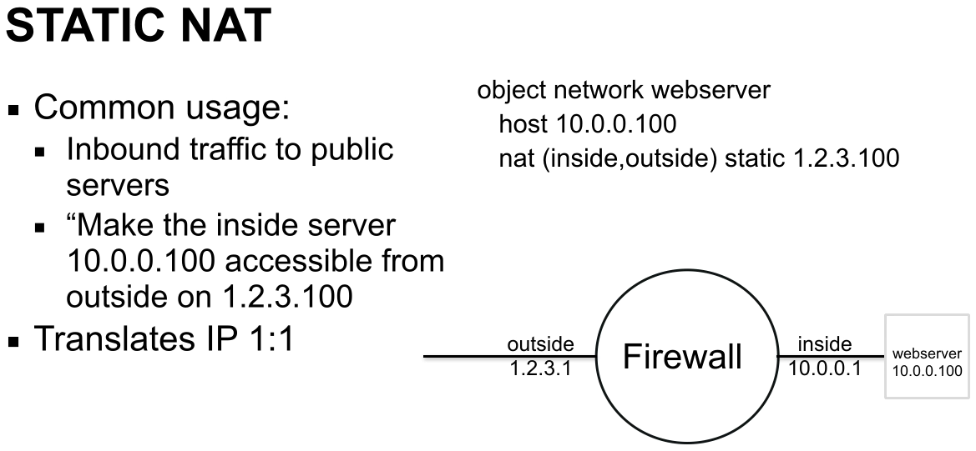
DYNAMIC NAT | -initiate the traffic in one direction only -outbound only -translates many:1 -also called hide NAT -Hide many hosts with private Ips behind one public IP | 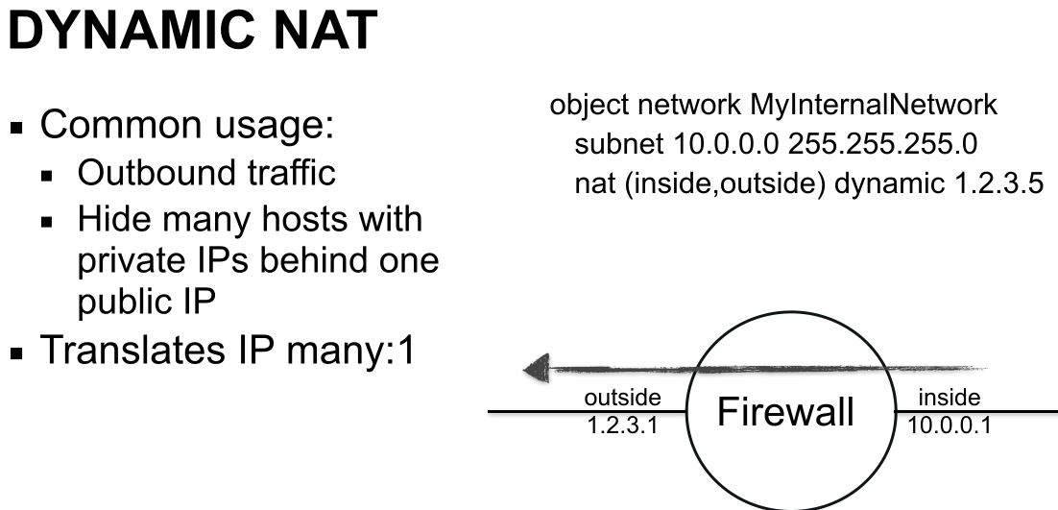

If we have only ONE public IP address we should not define it by dynamic ip 1.2.3.5 Replace the dynamic with the keyword dynamic interface: # nat(inside,outside) dynamic interface

Dynamic NAT -unidirectional | Many behind a range of ip's. Only IP are translated. Ports are not translated. Limitation: if we only have 4 external ip and all are used, the 5th connection will be droped.
Dynamic PAT -unidirectional (even if we have access-lists, access from internet is denied) | Many ip are hidden behind a single IP. Translate: SRC-IP and SRC-PORT.
Static NAT -bidirectional | -One-to-one translation,bidirectional -one private IP is translated to one public IP address -the SRC-IP is translated for traffic comming inside=>outside -the DST-IP is translated for traffic comming outside=>inside -ports are not translated -Require ACL for traffic comming from internet (lower to higher security level)
Static PAT -unidirectional | -used when you want to put conditions: only if he do this, then do a translation.

BOTH Dynamic and Static can be configured manual nat OR object(auto) nat:
MANUAL NAT | -Configure the NAT globaly -Not under the object
OBJECT(Auto) NAT | -Configured under the object

PREFERENCES | -Order of NAT is based on sections: sections 1,2 and 3 -If we have the same rule (same traffic) in section 1 and 2, section 1 have priority! -Priority os from top to down
PLANNING | -General rules on last section -Specific rules on section1
Manual NAT is section 1 | -VPN rules, mission critical traffic.
AUTO(Object)NAT is section 2 NOT RECOMENDED | -NOT recommended => we cannot rearange the NAT rules! -We need to copy-paset in a notepad to insert a new rule.
Section 3 is explicit manual NAT | -General rules (all users go to internet)

