Final_results
Final Results : Sizing |  |  |  |  |  |  |  |  |  | Economic |  |  |  | Technical
shed_max+A2:A44 | dispatch | xopt_pv | xopt_wind | xopt_sto | xopt_elyz | xopt_fc | xopt_hyTank | lcoe_opt | shed_rate_opt | Capex | O&M | Replacement | Opex | fc_hours | elyz_hours | fc_starts | elyz_starts | batt_cycles | ini_h2_level | ini_bat_level
0.000% | 1 | 4,001 | 1,800 | 5,489 | 866 | 1,537 | 16,270 | 0.3592 | 0.000% | $25,004,845 | $6,867,146 | $2,857,430 | $9,724,576 | 1,200 | 3,583 | 125 | 233 | 162 | 1.40% | 0.00%
0.000% | 2 | 6,681 | 1,800 | 262 | 1,901 | 1,423 | 17,000 | 0.4136 | 0.000% | $28,230,931 | $7,497,060 | $4,291,653 | $11,788,713 | 2,897 | 4,820 | 309 | 350 | 40 | 1.33% | 16.06%
0.005% | 1 | 4,001 | 1,800 | 5,489 | 865 | 1,469 | 16,255 | 0.357 | 0.005% | $24,887,255 | $6,822,690 | $2,804,426 | $9,627,116 | 1,199 | 3,583 | 125 | 233 | 162 | 1.40% | 0.00%
0.005% | 2 | 6,662 | 1,800 | 221 | 1,907 | 1,404 | 16,995 | 0.4127 | 0.005% | $28,169,892 | $7,476,997 | $4,278,781 | $11,755,779 | 2,905 | 4,819 | 314 | 350 | 45 | 1.34% | 0.00%
0.010% | 1 | 4,001 | 1,800 | 5,492 | 864 | 1,435 | 16,238 | 0.3559 | 0.010% | $24,823,488 | $6,799,954 | $2,777,937 | $9,577,891 | 1,198 | 3,583 | 125 | 233 | 162 | 1.40% | 0.00%
0.010% | 2 | 6,649 | 1,800 | 198 | 1,911 | 1,389 | 16,990 | 0.4121 | 0.010% | $28,127,173 | $7,463,215 | $4,270,679 | $11,733,894 | 2,911 | 4,818 | 313 | 350 | 48 | 1.34% | 0.00%
0.015% | 1 | 4,001 | 1,800 | 5,496 | 863 | 1,410 | 16,218 | 0.3551 | 0.015% | $24,773,104 | $6,782,764 | $2,758,197 | $9,540,961 | 1,198 | 3,582 | 125 | 233 | 162 | 1.40% | 0.00%
0.015% | 2 | 6,612 | 1,800 | 143 | 1,925 | 1,383 | 17,012 | 0.4116 | 0.015% | $28,086,449 | $7,450,864 | $4,277,278 | $11,728,143 | 2,925 | 4,812 | 316 | 351 | 60 | 1.33% | 0.00%
0.020% | 1 | 4,001 | 1,800 | 5,502 | 861 | 1,393 | 16,200 | 0.3545 | 0.020% | $24,737,998 | $6,771,367 | $2,745,272 | $9,516,639 | 1,197 | 3,582 | 125 | 233 | 162 | 1.41% | 0.00%
0.020% | 2 | 6,634 | 1,800 | 187 | 1,917 | 1,363 | 16,974 | 0.4111 | 0.020% | $28,064,755 | $7,443,516 | $4,256,702 | $11,700,218 | 2,922 | 4,815 | 314 | 351 | 49 | 1.33% | 0.00%
0.025% | 1 | 4,003 | 1,800 | 5,503 | 860 | 1,380 | 16,182 | 0.354 | 0.025% | $24,707,982 | $6,761,822 | $2,734,279 | $9,496,100 | 1,197 | 3,582 | 125 | 233 | 162 | 1.40% | 0.00%
0.025% | 2 | 6,558 | 1,800 | 131 | 1,941 | 1,362 | 17,022 | 0.4107 | 0.025% | $28,014,965 | $7,431,289 | $4,283,222 | $11,714,511 | 2,934 | 4,807 | 316 | 351 | 63 | 1.33% | 0.00%
0.030% | 1 | 4,000 | 1,800 | 5,509 | 860 | 1,368 | 16,166 | 0.3535 | 0.030% | $24,678,618 | $6,752,875 | $2,725,062 | $9,477,937 | 1,196 | 3,580 | 125 | 232 | 162 | 1.40% | 0.00%
0.030% | 2 | 6,575 | 1,800 | 151 | 1,935 | 1,348 | 16,990 | 0.4103 | 0.030% | $27,994,325 | $7,424,447 | $4,266,064 | $11,690,511 | 2,932 | 4,807 | 316 | 351 | 57 | 1.32% | 0.00%
0.035% | 1 | 4,006 | 1,800 | 5,511 | 857 | 1,356 | 16,144 | 0.3531 | 0.035% | $24,651,630 | $6,744,289 | $2,714,135 | $9,458,424 | 1,195 | 3,582 | 124 | 233 | 162 | 1.40% | 0.00%
0.035% | 2 | 6,563 | 1,800 | 130 | 1,939 | 1,341 | 16,986 | 0.4099 | 0.035% | $27,964,543 | $7,415,395 | $4,262,218 | $11,677,612 | 2,936 | 4,806 | 316 | 351 | 62 | 1.32% | 0.00%
0.040% | 1 | 4,004 | 1,800 | 5,501 | 859 | 1,344 | 16,131 | 0.3527 | 0.040% | $24,624,514 | $6,735,737 | $2,705,328 | $9,441,066 | 1,197 | 3,580 | 125 | 233 | 162 | 1.39% | 0.00%
0.040% | 2 | 6,554 | 1,800 | 130 | 1,941 | 1,331 | 16,976 | 0.4095 | 0.040% | $27,935,155 | $7,407,004 | $4,257,244 | $11,664,248 | 2,938 | 4,805 | 316 | 351 | 62 | 1.32% | 0.00%
0.045% | 1 | 4,001 | 1,800 | 5,497 | 861 | 1,333 | 16,118 | 0.3522 | 0.045% | $24,597,121 | $6,727,326 | $2,697,016 | $9,424,342 | 1,200 | 3,578 | 125 | 233 | 162 | 1.39% | 0.00%
0.045% | 2 | 6,552 | 1,800 | 129 | 1,941 | 1,321 | 16,961 | 0.4091 | 0.045% | $27,910,189 | $7,399,596 | $4,249,918 | $11,649,515 | 2,940 | 4,805 | 318 | 351 | 61 | 1.32% | 0.00%
0.050% | 1 | 4,001 | 1,800 | 5,494 | 861 | 1,322 | 16,101 | 0.3518 | 0.050% | $24,570,839 | $6,719,245 | $2,688,283 | $9,407,528 | 1,199 | 3,577 | 125 | 233 | 162 | 1.39% | 0.00%
0.050% | 2 | 6,543 | 1,800 | 130 | 1,943 | 1,312 | 16,950 | 0.4087 | 0.050% | $27,882,676 | $7,392,050 | $4,246,253 | $11,638,303 | 2,941 | 4,804 | 317 | 351 | 60 | 1.31% | 0.00%
0.055% | 1 | 4,008 | 1,800 | 5,499 | 857 | 1,312 | 16,076 | 0.3514 | 0.055% | $24,546,657 | $6,711,857 | $2,678,242 | $9,390,099 | 1,198 | 3,579 | 125 | 233 | 162 | 1.38% | 0.00%
0.055% | 2 | 6,544 | 1,800 | 131 | 1,941 | 1,304 | 16,934 | 0.4083 | 0.055% | $27,860,872 | $7,385,462 | $4,237,538 | $11,623,000 | 2,941 | 4,804 | 317 | 351 | 60 | 1.31% | 0.00%
0.060% | 1 | 4,018 | 1,800 | 5,513 | 851 | 1,303 | 16,048 | 0.351 | 0.060% | $24,524,896 | $6,705,373 | $2,668,623 | $9,373,997 | 1,194 | 3,582 | 124 | 234 | 162 | 1.38% | 0.00%
0.060% | 2 | 6,543 | 1,800 | 131 | 1,941 | 1,296 | 16,917 | 0.408 | 0.060% | $27,838,572 | $7,379,146 | $4,230,844 | $11,609,990 | 2,942 | 4,803 | 317 | 351 | 60 | 1.31% | 0.00%
0.065% | 1 | 4,017 | 1,800 | 5,493 | 855 | 1,294 | 16,035 | 0.3507 | 0.065% | $24,502,735 | $6,698,513 | $2,661,673 | $9,360,187 | 1,198 | 3,580 | 125 | 235 | 162 | 1.38% | 0.00%
0.065% | 2 | 6,538 | 1,800 | 132 | 1,942 | 1,288 | 16,910 | 0.4077 | 0.065% | $27,818,099 | $7,373,095 | $4,226,284 | $11,599,379 | 2,943 | 4,803 | 317 | 351 | 59 | 1.31% | 0.00%
0.070% | 1 | 4,038 | 1,800 | 5,435 | 858 | 1,286 | 16,009 | 0.3504 | 0.070% | $24,486,289 | $6,691,486 | $2,649,237 | $9,340,723 | 1,204 | 3,587 | 126 | 237 | 163 | 1.38% | 0.00%
0.070% | 2 | 6,534 | 1,800 | 136 | 1,942 | 1,281 | 16,896 | 0.4074 | 0.070% | $27,797,088 | $7,367,387 | $4,221,570 | $11,588,957 | 2,943 | 4,802 | 316 | 351 | 58 | 1.31% | 0.00%
0.075% | 1 | 4,036 | 1,800 | 5,429 | 860 | 1,278 | 15,997 | 0.3501 | 0.075% | $24,464,656 | $6,685,041 | $2,643,079 | $9,328,120 | 1,206 | 3,586 | 126 | 237 | 163 | 1.38% | 0.00%
0.075% | 2 | 6,546 | 1,800 | 140 | 1,938 | 1,273 | 16,873 | 0.4071 | 0.075% | $27,781,538 | $7,362,310 | $4,209,391 | $11,571,701 | 2,944 | 4,803 | 316 | 351 | 56 | 1.30% | 0.00%
0.080% | 1 | 4,045 | 1,800 | 5,425 | 857 | 1,270 | 15,974 | 0.3497 | 0.080% | $24,444,535 | $6,678,687 | $2,633,977 | $9,312,664 | 1,205 | 3,589 | 126 | 237 | 163 | 1.38% | 0.00%
0.080% | 2 | 6,533 | 1,800 | 126 | 1,942 | 1,268 | 16,868 | 0.4068 | 0.080% | $27,756,928 | $7,355,680 | $4,209,372 | $11,565,052 | 2,948 | 4,801 | 317 | 351 | 61 | 1.30% | 0.00%
0.085% | 1 | 4,043 | 1,800 | 5,413 | 859 | 1,262 | 15,960 | 0.3494 | 0.085% | $24,422,736 | $6,672,293 | $2,628,053 | $9,300,346 | 1,207 | 3,588 | 128 | 237 | 163 | 1.38% | 0.00%
0.085% | 2 | 6,538 | 1,800 | 132 | 1,939 | 1,260 | 16,849 | 0.4065 | 0.085% | $27,739,280 | $7,350,337 | $4,199,966 | $11,550,303 | 2,947 | 4,802 | 317 | 351 | 58 | 1.30% | 0.00%
0.090% | 1 | 4,043 | 1,800 | 5,410 | 860 | 1,254 | 15,945 | 0.3491 | 0.090% | $24,402,145 | $6,666,311 | $2,621,727 | $9,288,038 | 1,208 | 3,586 | 128 | 237 | 163 | 1.37% | 0.00%
0.090% | 2 | 6,535 | 1,800 | 125 | 1,940 | 1,254 | 16,838 | 0.4062 | 0.090% | $27,718,609 | $7,344,516 | $4,195,860 | $11,540,376 | 2,948 | 4,802 | 317 | 351 | 61 | 1.30% | 0.00%
0.095% | 1 | 4,037 | 1,800 | 5,408 | 862 | 1,247 | 15,935 | 0.3488 | 0.095% | $24,381,073 | $6,660,481 | $2,616,920 | $9,277,400 | 1,210 | 3,581 | 128 | 237 | 163 | 1.37% | 0.00%
0.095% | 2 | 6,538 | 1,800 | 130 | 1,939 | 1,247 | 16,824 | 0.406 | 0.095% | $27,703,303 | $7,339,786 | $4,188,282 | $11,528,068 | 2,949 | 4,802 | 317 | 351 | 58 | 1.30% | 0.00%
0.100% | 1 | 4,033 | 1,800 | 5,406 | 863 | 1,240 | 15,923 | 0.3485 | 0.100% | $24,360,316 | $6,654,653 | $2,611,803 | $9,266,455 | 1,212 | 3,578 | 128 | 236 | 163 | 1.37% | 0.00%
0.100% | 2 | 6,546 | 1,800 | 132 | 1,935 | 1,241 | 16,805 | 0.4057 | 0.100% | $27,687,886 | $7,334,861 | $4,177,689 | $11,512,550 | 2,948 | 4,802 | 316 | 351 | 58 | 1.30% | 0.00%

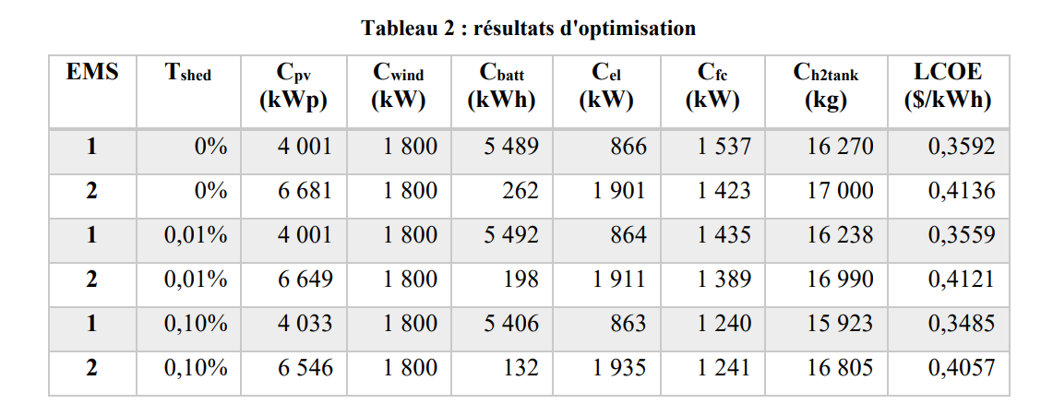
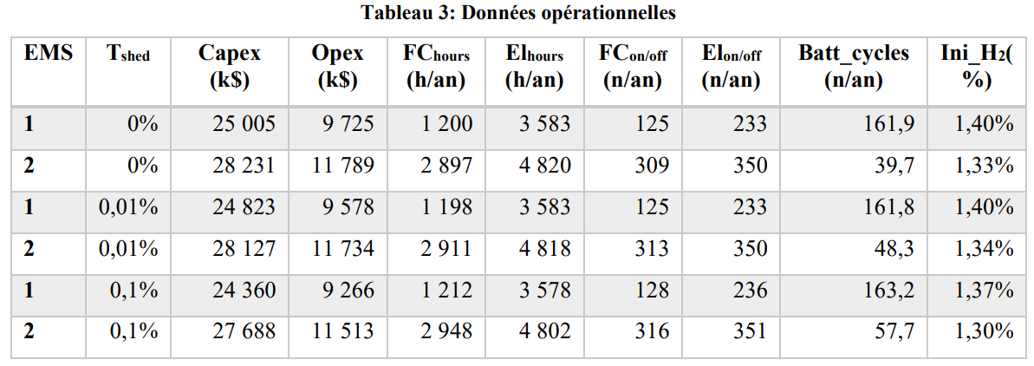
Relative Difference Between LCOEs from EMS 1 and EMS 2 for each Shed_max
Shed_max | Difference
0.000% | -13.153%
0.005% | -13.496%
0.010% | -13.637%
0.015% | -13.727%
0.020% | -13.768%
0.025% | -13.806%
0.030% | -13.844%
0.035% | -13.857%
0.040% | -13.871%
0.045% | -13.909%
0.050% | -13.922%
0.055% | -13.936%
0.060% | -13.971% |  |  |  |  |  |  |  | Tables from the article :
0.065% | -13.981%
0.070% | -13.991%
0.075% | -14.001%
0.080% | -14.036%
0.085% | -14.047%
0.090% | -14.057%
0.095% | -14.089%
0.100% | -14.099%

Optimization Statistics
Optimization average time |  | 24.5 | s
Optimization Average numevals |  | 21274

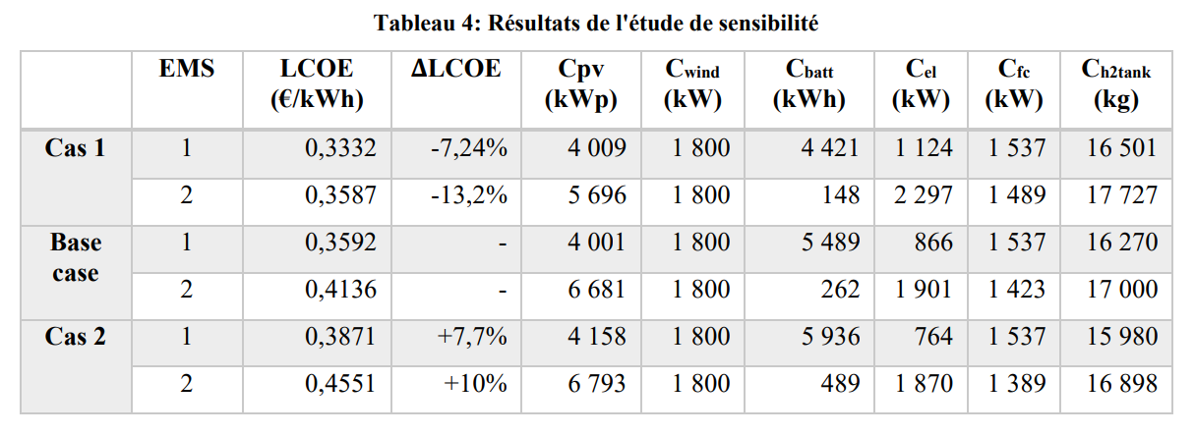
Sensitivity Analysis |  |  |  |  |  |  |  |  |  | Compared with the basic case
Case | dispatch | xopt_pv | xopt_wind | xopt_sto | xopt_elyz | xopt_fc | xopt_hyTank | lcoe_opt | shed_max | ∆ LCOE
1 | 1 | 4009 | 1800 | 4421 | 1124 | 1537 | 16501 | 0.3331583888 | 0.00% | -7.24%
1 | 2 | 5696 | 1800 | 148 | 2297 | 1489 | 17727 | 0.35871496487 | 0.00% | -13.28%
1 | 1 | 4010 | 1800 | 4417 | 1123 | 1440 | 16470 | 0.33064997644 | 0.01% | -7.10%
1 | 2 | 5572 | 1800 | 99 | 2378 | 1420 | 17832 | 0.35667974835 | 0.01% | -13.44%
1 | 1 | 4051 | 1800 | 4305 | 1123 | 1252 | 16182 | 0.32466686173 | 0.10% | -6.83%
1 | 2 | 5594 | 1800 | 102 | 2346 | 1249 | 17545 | 0.35112961844 | 0.10% | -13.44%
0 | 1 | 4001 | 1800 | 5489 | 866 | 1537 | 16270 | 0.3591559357 | 0.00% | -
0 | 2 | 6681 | 1800 | 262 | 1901 | 1423 | 17000 | 0.4136412243 | 0.00% | -
0 | 1 | 4001 | 1800 | 5492 | 864 | 1435 | 16238 | 0.35592269405 | 0.01% | -
0 | 2 | 6649 | 1800 | 202 | 1911 | 1388 | 16989 | 0.41207051864 | 0.01% | -
0 | 1 | 4049 | 1800 | 5382 | 862 | 1239 | 15910 | 0.34846587396 | 0.10% | -
0 | 2 | 6547 | 1800 | 137 | 1934 | 1240 | 16803 | 0.405666602 | 0.10% | -
2 | 1 | 4158 | 1800 | 5936 | 764 | 1537 | 15980 | 0.38705539052 | 0.00% | 7.77%
2 | 2 | 6793 | 1800 | 489 | 1870 | 1389 | 16898 | 0.455117088 | 0.00% | 10.03%
2 | 1 | 4158 | 1800 | 5941 | 762 | 1435 | 15946 | 0.38249521677 | 0.01% | 7.47%
2 | 2 | 6746 | 1800 | 359 | 1882 | 1367 | 16909 | 0.45327718536 | 0.01% | 10.00%
2 | 1 | 4194 | 1800 | 6447 | 698 | 1227 | 15453 | 0.37214155732 | 0.10% | 6.79%
2 | 2 | 6730 | 1800 | 301 | 1877 | 1219 | 16651 | 0.4448520964 | 0.10% | 9.66%

